group 2






GROUP 2 PROJECT



CARCHA CASITAS CASUGA CASTRO CELI

3ITA

LINES
LINES

 | COORDINATES
 | X | Y
POINT A | 5 | 6 |  |  | MIDPOINT
POINT B | 8 | 5 |  |  | X | Y
POINT C | 4 | 5 |  | AB | 6.50 | 5.50
 |  |  |  | BC | 6.00 | 5.00
 |  |  |  | AC | 4.50 | 5.50

AREA
 |  |  | SLOPE
2.00 |  |  | AB | -0.33
 |  |  | BC | 0.00
 |  |  | AC | 1.00

 | DISTANCE

AB | 0.00 |  |  | ANGLE OF INCLINATION
BC | 4.00 |  |  | ANGLE A | -18.43
AC | 1.41 |  |  | ANGLE B | 0.00
 |  |  |  | ANGLE C | 45.00

3D LINE
3D LINES

 | COORDINATES
 | X | Y | Z
POINT A | 5 | 4 | 6
POINT B | 4 | 8 | 5
POINT C | 6 | 5 | 4


 | DISTANCE
 | AB | 4.24
 | BC | 3.74
 | AC | 2.45

 | MIDPOINT
 | X | Y | Z
AB | 4.50 | 6.00 | 5.50
BC | 5.00 | 6.50 | 4.50
AC | 5.50 | 4.50 | 5.00

CIRCLE
CIRCLES


 | COORDINATES |  |  |  |  | V
 | X | Y | R
 | -5 | 8 | 6

 | STANDARD EQUATION |  |  |  |  |  |  |  |  |  |  |  |  | V
 | ( | X | + | 5 | ) | + | ( | Y | - | 8 | ) | = | 36

V | V

 | GENERAL EQUATION
 | X2 | + | Y2 | + | 10 | X | - | 16 | Y | + | 53 | = | 0

 |  |  |  |  |  |  |  | V

 |  | V |  |  |  |  | V

PARABOLA LR.

PARABOLA


 |  |  | CENTER |  |  |  |  | STANDARD FORM
 |  |  | H | K | A |  |  | (y-2)²=-12(x-1)
 |  |  | 1 | 2 | -3

 |  |  |  |  |  |  |  | GENERAL FORM
 |  |  | LATUS RECTUM
 |  |  |  | X | Y |  |  | y²-4y+4+12x=0
 |  |  | L | -5 | -5
 |  |  | R | 5 | -5

 |  |  | FOCUS |  |  |  |  | MEASUREMENTS
 |  |  |  | X | Y |  |  | VF | VD | FL | FR | LR
 |  |  | F1 | 1 | -5 |  |  | -3 | -3 | -6 | -6 | -12

 |  |  | DIRECTRIX |  |  |  |  | DIRECTION OF THE PARABOLA
 |  |  | Y= | 5 |  |  |  | DOWNWARD

 |  |  | AXIS OF SYMMETRY
 |  |  | X= | 1

h | = | 1

 |  |  | ( | y | - | 2 | ) | 2 | = | 4 | (-3) | ( | x | - | 1 | )
k | = | 2

a | = | -3

 |  |  | ( | y | - | 2 | ) | 2 | = | -12 | ( | x | - | 1 | )

 |  |  | (y-2)²=-12(x-1) |  |  |  |  |  |  |  |  |  | STANDARD FORM

 |  |  | y² | - | 4 | y | + | 4 | = | -12x | + | 12

 |  |  | y²-4y+4+12x=0 |  |  |  |  |  |  |  |  |  | GENERAL FORM

PARABOLA UD.
PARABOLA

 |  |  | CENTER |  |  |  |  | STANDARD FORM
 |  |  | H | K | A |  |  | x=4y
 |  |  | 0 | 0 | 1

 |  |  |  |  |  |  |  | GENERAL FORM
 |  |  | LATUS RECTUM
 |  |  |  | X | Y |  |  | x²-4y=0
 |  |  | L | 1 | 2
 |  |  | R | 1 | -2

 |  |  | FOCUS |  |  |  |  | MEASUREMENTS
 |  |  |  | X | Y |  |  | VF | VD | FL | FR | LR
 |  |  | F1 | 1 | 0 |  |  | 1 | 1 | 2 | 2 | 4

 |  |  | DIRECTRIX |  |  |  |  | DIRECTION OF THE PARABOLA
 |  |  | Y= | 0 |  |  |  | RIGHT

 |  |  | AXIS OF SYMMETRY
 |  |  | X= | 0

h | = | 0

 |  |  | ( | x | + | 0 | ) | 2 | = | 4 | (1) | ( | y | + | 0 | )
k | = | 0

a | = | 1

 |  |  | ( | y | + | 0 | ) | 2 | = | 4 | ( | y | + | 0 | )

 |  |  | x=4y |  |  |  |  |  |  |  |  |  | STANDARD FORM

 |  |  | x² | + | 0 | x | + | 0 | = | 4y | - | 0

 |  |  | x²-4y=0 |  |  |  |  |  |  |  |  |  | GENERAL FORM

ELLIPSE H.
COORDINATES |  | VERTICES |  |  | LATUS RECTUM |  |  | STANDARD EQUATION
H | 8 | V1 | 12.00 | 6.00 | L1 | 18.58 | 3.75 | ( | x | - | 8 | )2 |  | ( | y | - | 6 | )2
K | 6 | V2 | 4.00 | 6.00 | R1 | -2.58 | 3.75 |  |  |  |  |  | + |  |  |  |  |  | = | 1
a | 4 | B1 | 8.00 | 9.00 | L2 | -2.58 | 3.75 |  |  | 16 |  |  |  |  |  | 9
b | 3 | B2 | 8.00 | 3.00 | R2 | -2.58 | 8.25
c | 2.65

DIRECTION |  | FOCI |  |  | DIRECTRIX |  |  | GENERAL EQUATION
HORIZONTAL |  | F1 | 18.58 | 6.00 | D1 | x= | 9.51 | 9x²+16y²-144x-192y+1008=0
 |  | F2 | -2.58 | 6.00 | D2 | x= | 6.49

CENTER TO FOCUS
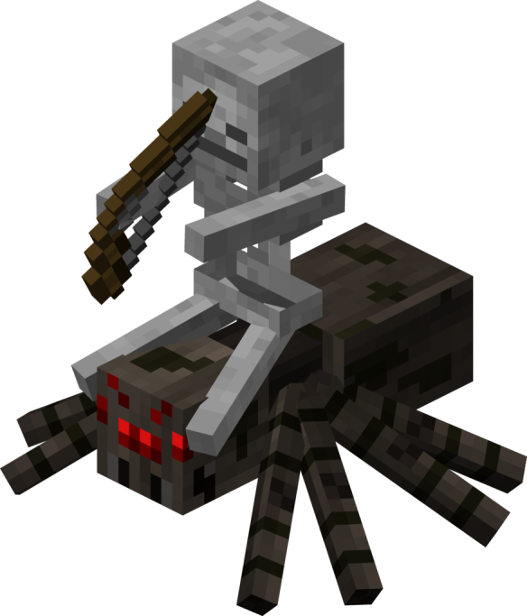
7.00
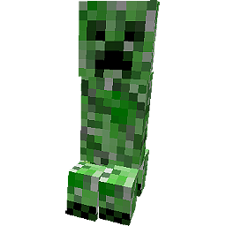
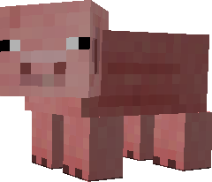
AXIS
MAJOR | 8.00
MINOR | 6.00


ELLIPSE

ELLIPSE V.
COORDINATES |  | VERTICES |  |  | LATUS RECTUM |  |  | STANDARD EQUATION
H | 8 | V1 | 8.00 | 10.00 | L1 | 5.75 | 7.51 | ( | x | - | 8 | )2 |  | ( | y | - | 6 | )2
K | 6 | V2 | 8.00 | 2.00 | R1 | 10.25 | 7.51 |  |  |  |  |  | + |  |  |  |  |  | = | 1
a | 4 | B1 | 11.00 | 6.00 | L2 | 5.75 | 4.49 |  |  | 9 |  |  |  |  |  | 16
b | 3 | B2 | 5.00 | 6.00 | R2 | 10.25 | 4.49
c | 2.65

DIRECTION |  | FOCI |  |  | DIRECTRIX |  |  | GENERAL EQUATION
VERTICAL |  | F1 | 8.00 | 16.58 | D1 | Y= | 7.51 | 16x²+9y²-256x-108y+1204=0
 |  | F2 | 8.00 | -4.58 | D2 | Y= | 4.49
CENTER TO FOCUS
7.00

AXIS
MAJOR | 8.00
MINOR | 6.00


ELLIPSE

HYPERBOLA H.




 |  | COORDINATES |  |  | VERTICES |  |  |  | LATUS RECTUM
 |  | H | 1 |  | V1 | 6.00 | 2.00 |  | L1 | 1.00 | -1.20
 |  | K | 2 |  | V2 | -4.00 | 2.00 |  | R1 | 1.00 | -1.20
 |  | a | 5 |  | B1 | 1.00 | 6.00 |  | L2 | 1.00 | -1.20
 |  | b | 4 |  | B2 | 1.00 | -2.00 |  | R2 | 1.00 | 5.20
 |  | c


 |  | DIRECTION |  |  | FOCI |  |  |  | DIRECTRIX
 |  | HORIZONTAL |  |  | F1 | 1.00 | 2.00 |  | D1 | x= | #DIV/0!
 |  |  |  |  | F2 | 1.00 | 2.00 |  | D2 | x= | #DIV/0!
 |  | AXIS
 |  | MAJOR | 10 |  | ASYMPTOTES

 |  | SEMIMAJOR | 5 |  | A1 | 0.8 | (x | - | 1 | )

 |  | MINOR | 8 |  | A2 | -0.8 | (x | - | 1 | )
 |  | SEMIMINOR | 4



 |  | STANDARD EQUATION
 |  |  | (x-1)² |  |  |  | - |  | (y-2)² |  |  | = | 1
 |  |  | 25 |  |  |  |  |  | 16




 |  | GENERAL EQUATION
 |  | 16x²-25y²-2x+100y-484=0


HYPERBOLA

h | = | 1 |  | ( | x | - | 1 | )2 | - | ( | y | - | 2 | )2 | = | 1
 |  |  |  | 25 |  |  |  |  |  | 16
k | = | 2
 |  |  |  | (x-1)² |  |  |  |  |  | (y-2)²
a | = | 5 |  |  |  |  |  |  | - |  |  |  |  |  | = | 1
 |  |  |  | 25 |  |  |  |  |  | 16
b | = | 4

 |  |  |  | 16x²-25y²-2x+100y-484=0

HYPERBOLA V.



 |  | COORDINATES |  | VERTICES |  |  |  | LATUS RECTUM
 |  | H | 5 | V1 | 14.00 | 7.00 |  | L1 | 93.64 | 5.22
 |  | K | 7 | V2 | -4.00 | 7.00 |  | R1 | -83.64 | 5.22
 |  | a | 9 | B1 | 5.00 | 11.00 |  | L2 | -83.64 | 5.22

 |  | b | 4 | B2 | 5.00 | 3.00 |  | R2 | -83.64 | 8.78
 |  | c | 9.8488578018



 |  | DIRECTION |  | FOCI |  |  |  | DIRECTRIX
 |  | VERTICAL |  | F1 | 93.64 | 7.00 |  | D1 | y= | 5.91
 |  |  |  | F2 | -83.64 | 7.00 |  | D2 | y= | 4.09

 |  | AXIS
 |  | MAJOR | 18 | ASYMPTOTES
 |  | SEMIMAJOR | 9 | A1 | 2.25 | (x | - | 5 | )

 |  | MINOR | 8 | A2 | -2.25 | (x | - | 5 | )
 |  | SEMIMINOR | 4




 |  | STANDARD EQUATION
 |  |  | (y-7)² |  |  | - |  | (x-5)² |  |  | = | 1
 |  |  | 81 |  |  |  |  | 16




 |  | GENERAL EQUATION
 |  |  | 0





HYPERBOLA

h | = | 5 |  | ( | y | - | 7 | )2 | - | ( | x | - | 5 | )2 | = | 1
 |  |  |  | 81 |  |  |  |  |  | 16
k | = | 7
 |  |  |  | (y-7)² |  |  |  |  |  | (x-5)²
a | = | 9 |  |  |  |  |  |  | - |  |  |  |  |  | = | 1
 |  |  |  | 81 |  |  |  |  |  | 16
b | = | 4

 |  |  |  | 16x²-81y²-14x+810y-2537=0

