DefaultCM
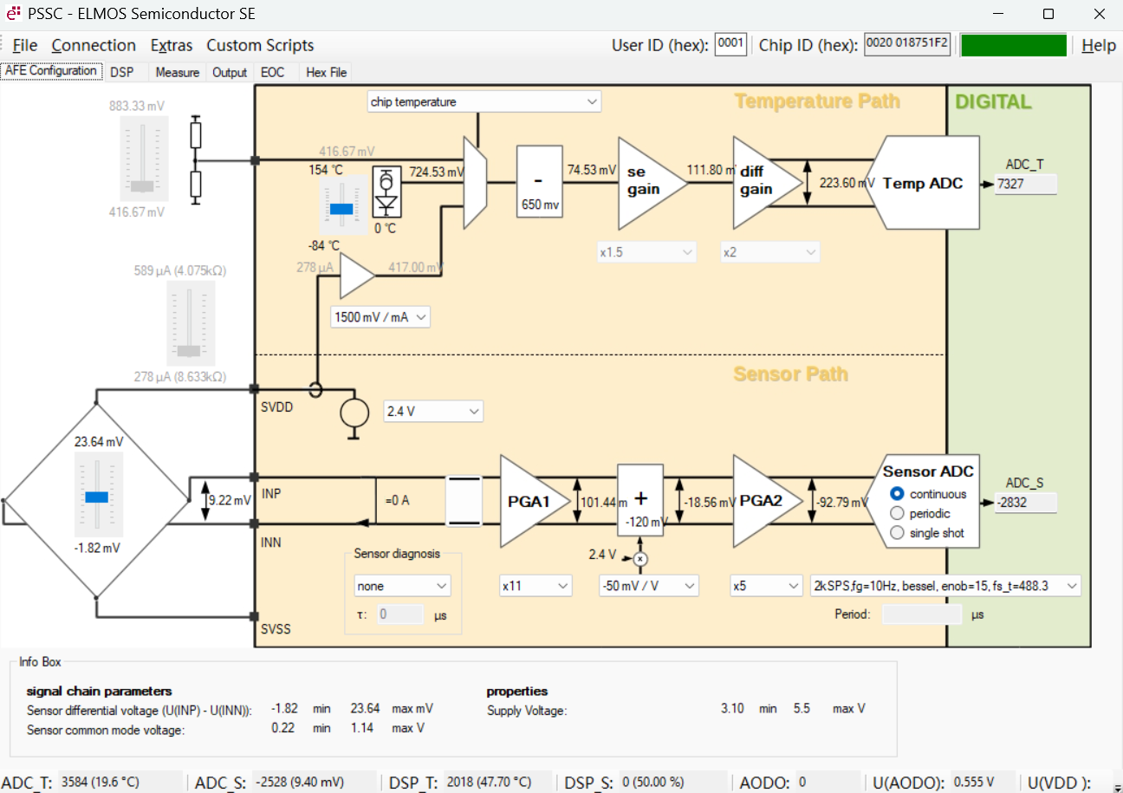
寄存器名称 | 值（16进制） | 值（10进制）
SER0 | 0x51F2 | 20978
SER1 | 0x0187 | 391
RATIO_DAC01 | 0x05DD | 1501
RATIO_DAC23 | 0xEC00 | -5120
RATIO_DAC45 | 0x0007 | 7
ABS_V_DAC01 | 0x0603 | 1539
ABS_V_DAC23 | 0xF6E2 | -2334
ABS_V_DAC45 | 0x02F8 | 760
ABS_I_DAC01 | 0x0020 | 32
ABS_I_DAC23 | 0x03C0 | 960
ABS_I_DAC45 | 0x045E | 1118
G01 | 0xD8FB | -9989
G2OFF | 0x2900 | 10496
CFG_CAL0 | 0x0FC3 | 4035
CFG_CAL1 | 0x02AF | 687
CRC8 | 0x0400 | 1024
CFG_EN | 0x12D6 | 4822
CFG_SPI_I2C | 0x6C05 | 27653
CFG_PADS0 | 0x7000 | 28672
CFG_PADS1 | 0x099F | 2463
CFG_PADS2 | 0x100F | 4111
CFG_PERIOD | 0x0001 | 1
CFG_AODO | 0x0880 | 2176
CFG_SBC_INTF | 0x0000 | 0
CFG_ADC | 0x78D4 | 30932
CFG_LP0 | 0x1452 | 5202
CFG_LP1 | 0x029D | 669
CFG_AFE0 | 0x0C80 | 3200
CFG_AFE1 | 0x0B47 | 2887
CFG_AFE2 | 0x1154 | 4436
USER | 0x0001 | 1
T_O | 0x0000 | 0
T_F | 0x1000 | 4096
S_O | 0x0000 | 0
S_F | 0x0000 | 0
S0 | 0x0000 | 0
S1 | 0x0000 | 0
S2 | 0x0000 | 0
S3 | 0x0000 | 0
S4 | 0x0000 | 0
S5 | 0x0000 | 0
S6 | 0x0000 | 0
S7 | 0x0000 | 0
S8 | 0x0000 | 0
S9 | 0x0000 | 0
S10 | 0x0000 | 0
S11 | 0x0000 | 0
S12 | 0x0000 | 0
S13 | 0x0000 | 0
S14 | 0x0000 | 0
S15 | 0x0000 | 0
T0 | 0x0F4D | 3917
T1 | 0xBC8E | -17266
T2 | 0xFC54 | -940
T3 | 0x0000 | 0
ALARM_LO | 0x0000 | 0
ALARM_HI | 0x0000 | 0
AODO_O | 0x0000 | 0
AODO_F | 0x0000 | 0
LIMIT_LO | 0x0000 | 0
LIMIT_HI | 0x0000 | 0
ERR_MASK | 0x0000 | 0
ERR_VAL_HI_LO | 0x0000 | 0
CRC16 | 0x6A55 | 27221
VERSION | 0x0020 | 32

