Heatpump 1
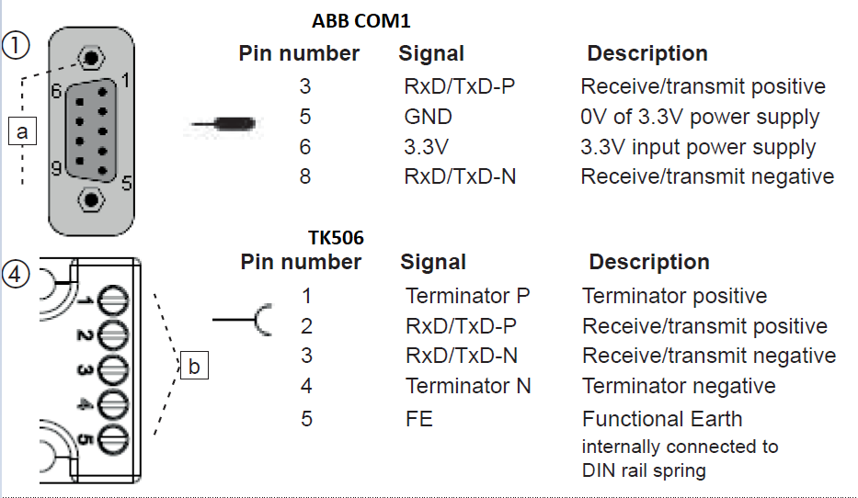
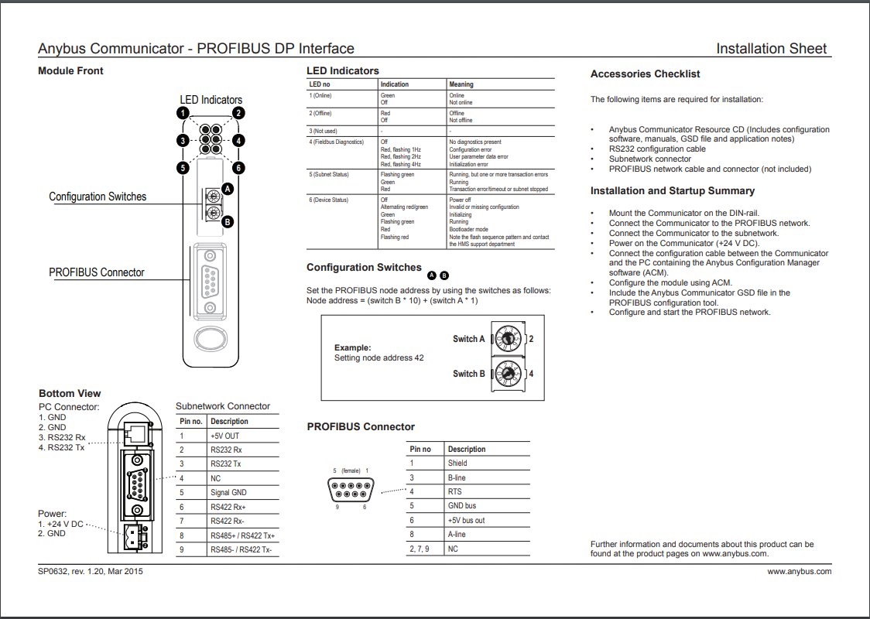
ChillHeat Communication |  |  |  |  |  |  |  |  |  |  |  | 4
Communication information |  |  |  |  |  |  |  |  |  |  |  | Modbus RTU
Bus type: | Modbus TCP | Heatpump nr: |  | 1 |  |  |  |  |  |  |  | Profibus
Protocol: | LAN cable | Parity: |  |  |  |  |  |  |  |  |  | Bacnet
FC Read: | 3 | Data bits: |  |  |  |  |  |  |  |  |  | Modbus TCP
FC Write: | 16 | Stop bits: |  |  |  |  |  |  |  |  |  | Profinet
Data rate: | 16 | First Read Adrs: |  | 2000
Slave address | 11 | First Write Adrs: |  | 2100
PLC Connection | COM1 | Register type |  | Holding (40000)
Other heatpumps that are connected with heatpump 1 through LAN-cables can be read through heatpump 1, see sheets heatpump 2… for addresses. Only read 1 heatpump per modbus query (modbus queries are limited to 125 words)
All signals are optional, but if heatpump is set on remote control it will make an alarm if CommCheck received does not alternate. Alarm will not stop heatpump
Heatpump Sends (BigEndian byte order) |  |  |  |  |  | Heatpump Sends (SmallEndian byte order)
Symbol | Value type | Address | Unit | Symbol | Comment | Symbol | Value type | Address | Unit | Symbol | Comment
SendState | WORD | 2000 |  |  |  | SendState | WORD | 2000
ActiveAlarm | BIT | .0 |  |  | Needs acknowledgement before compressor(s) starts again |  | BIT | .0
ActiveWarning | BIT | .1 |  |  | Compressor(s) stopped, but will start automatically again | Alarm1comp1 | BIT | .1
ActiveLimiter | BIT | .2 |  |  | Low evaporating temperature or high condensing temperature limiting power | Alarm1comp2 | BIT | .2
WaitingForPermission | BIT | .3 |  |  | Local start button is off, or remote stop is active | Alarm1comp3 | BIT | .3
ColdSideFlowWanted | BIT | .4 |  | 1FS11 | Can be used to start external cold side pump | Alarm2comp1 | BIT | .4 |  | 1FS11
WarmSideFlowWanted | BIT | .5 |  |  | Can be used to start external warm side pump | Alarm2comp2 | BIT | .5
Running | BIT | .6 |  |  | At least one compressor running | Alarm2comp3 | BIT | .6
Ready | BIT | .7 |  |  | Heat pump unit ready for operation. Waiting for start. | CommCheck | BIT | .7 |  |  | Alternates state with 10s interval. Communication check
 | BIT | .8 |  |  |  | ActiveAlarm | BIT | .8 |  |  | Needs acknowledgement before compressor(s) starts again
Alarm1comp1 | BIT | .9 |  | 1comp1 |  | ActiveWarning | BIT | .9 |  | 1comp1 | Compressor(s) stopped, but will start automatically again
Alarm1comp2 | BIT | .10 |  | 1comp2 |  | ActiveLimiter | BIT | .10 |  | 1comp2 | Low evaporating temperature or high condensing temperature limiting power
Alarm1comp3 | BIT | .11 |  | 1comp3 |  | WaitingForPermission | BIT | .11 |  | 1comp3 | Local start button is off, or remote stop is active
Alarm2comp1 | BIT | .12 |  | 2comp1 |  | ColdSideFlowWanted | BIT | .12 |  | 2comp1 | Can be used to start external cold side pump
Alarm2comp2 | BIT | .13 |  | 2comp2 |  | WarmSideFlowWanted | BIT | .13 |  | 2comp2 | Can be used to start external warm side pump
Alarm2comp3 | BIT | .14 |  | 2comp3 |  | Running | BIT | .14 |  | 2comp3 | At least one compressor running
CommCheck | BIT | .15 |  |  | Alternates state with 10s interval. Communication check | Ready | BIT | .15 |  |  | Heat pump unit ready for operation. Waiting for start.
Alarms | WORD | 2001 |  |  |  | Alarms | WORD | 2001
 | BIT | .0 |  |  |  | CompressorSafetyDeviceFault | BIT | .0 |  |  | Can be:Low oil level, most often caused by compressor running too short periods, can also be because of too low pressure difference between suction and discharge side of compressor, or too low superheat.High motor temperature, most often caused by too low refrigerant flow through compressor, caused by too low minimum power combined with too high pressure difference between discharge and suction side.High discharge gas temperature, most often caused by too low refrigerant flow through compressor, caused by too low minimum power combined with too high pressure difference between discharge and suction side
GasDetectorAlarm | BIT | .1 |  | 1QA1 | Refrigerant leak detector alarm | CompressorStarterFault | BIT | .1 |  |  | VFD or Softstarter or motor thermal protection relay fault
HighPressureSwitchAlarm | BIT | .2 |  | xPSxx | High pressure switch tripped. Needs manual reset, green button behind heatpump side door | NoColdWaterFlow | BIT | .2 |  |  | Check that cold water pump is running and valves are open. Check flow switch for local flow indication (red led = not enough flow, other leds = enough flow, no leds = flowswitch missing power or broken)
CondensingTemperatureHighAlarm | BIT | .3 |  | xPE2 | Warm water temperature too high, not enough flow, or too much refrigerant | FeedbackAlarm | BIT | .3 |  |  | Compressor not starting when it should, or problem with feedback signal
EvaporatorTemperatureLowAlarm | BIT | .4 |  | xPE1 | Cold water temperature too low,not enough flow, problem with expansion valve, or too little refrigerant |  | BIT | .4
HighDischargeTemperatureAlarm | BIT | .5 |  | xTE2 | Difference between warm side and cold side temperature too high, or compressor power too low |  | BIT | .5
HighEvaporatingTemperatureAlarm | BIT | .6 |  | XPE1 | Cold water too warm |  | BIT | .6
SuperheatLowAlarm | BIT | .7 |  | xPE1,xTE1 | Expansion valve not working properly |  | BIT | .7
CompressorSafetyDeviceFault | BIT | .8 |  |  | Can be:Low oil level, most often caused by compressor running too short periods, can also be because of too low pressure difference between suction and discharge side of compressor, or too low superheat.High motor temperature, most often caused by too low refrigerant flow through compressor, caused by too low minimum power combined with too high pressure difference between discharge and suction side.High discharge gas temperature, most often caused by too low refrigerant flow through compressor, caused by too low minimum power combined with too high pressure difference between discharge and suction side |  | BIT | .8
CompressorStarterFault | BIT | .9 |  |  | VFD or Softstarter or motor thermal protection relay fault | GasDetectorAlarm | BIT | .9 |  |  | Refrigerant leak detector alarm
NoColdWaterFlow | BIT | .10 |  | 1FS11 | Check that cold water pump is running and valves are open. Check flow switch for local flow indication (red led = not enough flow, other leds = enough flow, no leds = flowswitch missing power or broken) | HighPressureSwitchAlarm | BIT | .10 |  |  | High pressure switch tripped. Needs manual reset, green button behind heatpump side door
FeedbackAlarm | BIT | .11 |  |  | Compressor not starting when it should, or problem with feedback signal | CondensingTemperatureHighAlarm | BIT | .11 |  |  | Warm water temperature too high, not enough flow, or too much refrigerant
 | BIT | .12 |  |  |  | EvaporatorTemperatureLowAlarm | BIT | .12 |  |  | Cold water temperature too low,not enough flow, problem with expansion valve, or too little refrigerant
 | BIT | .13 |  |  |  | HighDischargeTemperatureAlarm | BIT | .13 |  |  | Difference between warm side and cold side temperature too high, or compressor power too low
 | BIT | .14 |  |  |  | HighEvaporatingTemperatureAlarm | BIT | .14 |  |  | Cold water too warm
 | BIT | .15 |  |  |  | SuperheatLowAlarm | BIT | .15 |  |  | Expansion valve not working properly
ColdTempIn | INT | 2002 | °C * 100 | TE11 | Cold side incoming water temperature
ColdTempOut | INT | 2003 | °C * 100 | TE12 | Cold side outgoing water temperature
WarmTempIn | INT | 2004 | °C * 100 | TE21 | Warm side incoming water temperature, subcooler inlet
WarmTempOut | INT | 2005 | °C * 100 | TE22 | Warm side outgoing water temperature
ElectricalCurrent | UINT | 2006 | A * 100 | 1KWH1 | Works if energy meter connected or all compressors have VFD. Electrical current consumed by heat pump
ColdSideKW | UINT | 2007 | kW * 10 | 1FIR11 | Works if energy meter connected. Produced cooling power.
WarmSideKW | UINT | 2008 | kW * 10 | 1FIR21 | Works if energy meter connected. Produced heating power
ConsumedKW | UINT | 2009 | kW * 10 | 1KWH1 | Works if energy meter connected or all compressors have VFD. Consumed electrical power.
ColdSideKWH | UDINT | 2010 | kWh | 1FIR11 | Works if energy meter connected. Produced cooling energy.
WarmSideKWH | UDINT | 2012 | kWh | 1FIR21 | Works if energy meter connected. Produced heating energy.
ConsumedKWH | UDINT | 2014 | kWh | 1KWH1 | Works if energy meter connected. Consumed electrical energy.
CoolingCOPNow | INT | 2016 | COP*100 | 1FIR11&1KWH1 | Works if energy meters connected. Cooling power / electrical power
HeatingCOPNow | INT | 2017 | COP*100 | 1FIR21&1KWH1 | Works if energy meters connected. Heating power / electrical power.
ControlColdPump | INT | 2018 | 0..10000 | 1VFD11 | This can be used to control pump or valve controlling heatpump cold water circuit flow
ControlWarmPump | INT | 2019 | 0..10000 | 1VFD21 | This can be used to control pump or valve controlling heatpump warm water circuit flow
Control1comp1 | INT | 2020 | 0..10000 | 1comp1 | Refrigerant circuit 1. Can be used as running indication.
Control1comp2 | INT | 2021 | 0..10000 | 1comp2 | Refrigerant circuit 1. Can be used as running indication.
Control1comp3 | INT | 2022 | 0..10000 | 1comp3 | Refrigerant circuit 1. Can be used as running indication.
Control2comp1 | INT | 2023 | 0..10000 | 2comp1 | Refrigerant circuit 2. Can be used as running indication.
Control2comp2 | INT | 2024 | 0..10000 | 2comp2 | Refrigerant circuit 2. Can be used as running indication.
Control2comp3 | INT | 2025 | 0..10000 | 2comp3 | Refrigerant circuit 2. Can be used as running indication.
AvailableCapacity | INT | 2026 | 0..10000 |  | How much unused capacity is available, 0 = heatpump cannot increase power anymore. Use this to control devices that go on when extra heating / cooling is needed.
RelativePower | INT | 2027 | 0..10000 |  | How much of compressor power is in use in %. Use this to display heatpump power in %
ControlWaterValve | INT | 2028 | 0..10000 |  | Not used anymore
CompStartPoint | INT | 2029 | 0..10000 |  | At which power control point next compressor starts
LimLo | INT | 2030 | 0..10000 |  | Minimum power of heatpump
ControlColdValve | INT | 2031 | 0..10000 | 1FV11 | Water valve control
ControlWarmValve | INT | 2032 | 0..10000 | 1FV21 | Water valve control
W-39967 | INT | 2033
EvaporatingTemperature1 | INT | 2034 | °C * 100 | 1PE1 | Circuit 1
EvaporatingTemperature2 | INT | 2035 | °C * 100 | 2PE1 | Circuit 2
CondensingTemperature1 | INT | 2036 | °C * 100 | 1PE2 | Circuit 1
CondensingTemperature2 | INT | 2037 | °C * 100 | 2PE2 | Circuit 2
EvaporatingTemperature | INT | 2038 | °C * 100 | xPE1 | If 2 circuits, lower temperature in active circuit is sent
CondensingTemperature | INT | 2039 | °C * 100 | xPE2 | If 2 circuits, higher temperature in active circuit is sent
EvaporatingTemperatureLimHi | INT | 2040 | °C * 100 | xPE1 | Highest allowed
EvaporatorTemperatureLimLo | INT | 2041 | °C * 100 | xPE1 | Lowest allowed, EvaporatorTemperature=(EvaporatingTemperature+ColdSideTemperatureOut)/2
CondensingTemperatureLimHi | INT | 2042 | °C * 100 | xPE2 | Highest allowed
CondensingTemperatureLimLo | INT | 2043 | °C * 100 | xPE2 | Lowest allowed
W-39956 | INT | 2044
W-39955 | INT | 2045
W-39954 | INT | 2046
W-39953 | INT | 2047
CoolingCOPAverage | INT | 2048 | COP*100 | 1FIR11&1KWH1 | Works if energy meters connected. Cooling power / electrical power
HeatingCOPAverage | INT | 2049 | COP*100 | 1FIR21&1KWH1 | Works if energy meters connected. Heating power / electrical power.
CombinedCOPAverage | INT | 2050 | COP*100 | 1FIR11&1FIR21&1KWH1 | Works if energy meters connected. (CoolingPower+HeatingPower) / electrical power.
Runtime10h_1comp1 | INT | 2051 | 10h | 1comp1 | Time compressor has been on
Runtime10h_1comp2 | INT | 2052 | 10h | 1comp2 | Time compressor has been on
Runtime10h_1comp3 | INT | 2053 | 10h | 1comp3 | Time compressor has been on
Runtime10h_2comp1 | INT | 2054 | 10h | 2comp1 | Time compressor has been on
Runtime10h_2comp2 | INT | 2055 | 10h | 2comp2 | Time compressor has been on
Runtime10h_2comp3 | INT | 2056 | 10h | 2comp3 | Time compressor has been on
COPCombinedSystem | INT | 2057 | COP*100 |  | For all connected heatpumps, works if energy meter connected
COPCoolingSystem | INT | 2058 | COP*100 |  | For all connected heatpumps, works if energy meter connected
COPHeatingSystem | INT | 2059 | COP*100 |  | For all connected heatpumps, works if energy meter connected
ColdSideTemperatureInSystem | INT | 2060 | °C * 100 |  | For all connected heatpumps
ColdSideTemperatureOutSystem | INT | 2061 | °C * 100 |  | For all connected heatpumps
WarmSideTemperatureInSystem | INT | 2062 | °C * 100 |  | For all connected heatpumps
WarmSideTemperatureOutSystem | INT | 2063 | °C * 100 |  | For all connected heatpumps
ColdSideKWSystem | INT | 2064 | kW * 10 |  | For all connected heatpumps, works if energy meter connected
WarmSideKWSystem | INT | 2065 | kW * 10 |  | For all connected heatpumps, works if energy meter connected
ConsumedKWSystem | INT | 2066 | kW * 10 |  | For all connected heatpumps, works if energy meter connected or all compressors have VFD
W67 | INT | 2067
ColdSideKWHSystem | UDINT | 2068 | kWh |  | For all connected heatpumps, works if energy meter connected
WarmSideKWHSystem | UDINT | 2070 | kWh |  | For all connected heatpumps, works if energy meter connected
ConsumedKWHSystem | UDINT | 2072 | kWh |  | For all connected heatpumps, works if energy meter connected or all compressors have VFD
ColdBufferTempUpper | INT | 2074 | °C * 100
ColdBufferTempMiddle | INT | 2075 | °C * 100
ColdBufferTempLower | INT | 2076 | °C * 100
WarmBufferTempUpper | INT | 2077 | °C * 100
WarmBufferTempMiddle | INT | 2078 | °C * 100
WarmBufferTempLower | INT | 2079 | °C * 100
Heatpump Receives (BigEndian byte order) |  |  |  |  |  | Heatpump Receives (SmallEndian byte order)
Symbol | Data type | Address | Unit | Symbol | Comment | Symbol | Data type | Address | Unit | Symbol | Comment
ReceiveState1 | INT | 2100 |  |  |  | ReceiveState1 | INT | 2100
ResetAlarms | BIT | .0 |  |  |  | Res | BIT | .0
RemoteStop | BIT | .1 |  |  | Stops heatpump | Res | BIT | .1
PowerControlExternalOn | BIT | .2 |  |  | Lets you control heatpump power directly by inputting value to "PowerControlExternal" | Res | BIT | .2
ParallelConnection | BIT | .3 |  |  |  | Res | BIT | .3
SeparateSetpoints | BIT | .4 |  |  | Own setpoint for each heatpump, if 0, master writes setpoint to slaves. Has no effect if ParallelConnection is not on. | Res | BIT | .4
SecondarySideAlwaysLimitsPower | BIT | .5 |  |  | 0= secondary side setpoint is for pump and valve if they are used, otherwise power limit. 1=secondary side setpoint always limits power, also controls pump and valve | Res | BIT | .5
Res | BIT | .3 |  |  |  | Res | BIT | .6
Res | BIT | .7 |  |  |  | CommCheck | BIT | .7 |  |  | Tells heatpump communication is working, alarm if remote control on and state stays same for 100s. You can write back comm check signal heatpump writes, or make your own alternating signal. Alarm will not stop heatpump
Res | BIT | .8 |  |  |  | ResetAlarms | BIT | .8
Res | BIT | .9 |  |  |  | RemoteStop | BIT | .9 |  |  | Stops heatpump
Res | BIT | .10 |  |  |  | PowerControlExternalOn | BIT | .10 |  |  | Lets you control heatpump power directly by inputting value to "PowerControlExternal"
Res | BIT | .11 |  |  |  | ParallelConnection | BIT | .11
Res | BIT | .12 |  |  |  | SeparateSetpoints | BIT | .12 |  |  | Own setpoint for each heatpump, if 0, master writes setpoint to slaves. Has no effect if ParallelConnection is not on.
Res | BIT | .13 |  |  |  | SecondarySideAlwaysLimitsPower | BIT | .13 |  |  | 0= secondary side setpoint is for pump and valve if they are used, otherwise power limit. 1=secondary side setpoint always limits power, also controls pump and valve
Res | BIT | .14 |  |  |  | Res | BIT | .14
CommCheck | BIT | .15 |  |  | Tells heatpump communication is working, alarm if remote control on and state stays same for 100s. You can write back comm check signal heatpump writes, or make your own alternating signal. Alarm will not stop heatpump | Res | BIT | .15
ReceiveState2 | INT | 2101 |  |  |  | ReceiveState2 | INT | 2101
Res | BIT | .0 |  |  |  | Res | BIT | .0
Res | BIT | .1 |  |  |  | Res | BIT | .1
Res | BIT | .2 |  |  |  | Res | BIT | .2
Res | BIT | .3 |  |  |  | Res | BIT | .3
Res | BIT | .4 |  |  |  | Res | BIT | .4
Res | BIT | .5 |  |  |  | Res | BIT | .5
Res | BIT | .6 |  |  |  | Res | BIT | .6
Res | BIT | .7 |  |  |  | Res | BIT | .7
Res | BIT | .8 |  |  |  | Res | BIT | .8
Res | BIT | .9 |  |  |  | Res | BIT | .9
Res | BIT | .10 |  |  |  | Res | BIT | .10
Res | BIT | .11 |  |  |  | Res | BIT | .11
Res | BIT | .12 |  |  |  | Res | BIT | .12
Res | BIT | .13 |  |  |  | Res | BIT | .13
Res | BIT | .14 |  |  |  | Res | BIT | .14
Res | BIT | .15 |  |  |  | Res | BIT | .15
ColdSideSetpoint | INT | 2102 | °C * 100 |  | Write here how cold you want cold water from heatpump to be, controls cold side pump speed, and compressor power
WarmSideSetpoint | INT | 2103 | °C * 100 |  | Write here how warm you want warm water from heatpump to be, controls warm side pump speed, and compressor power
ColdSideFlow | INT | 2104 | l/s x 10
WarmSideFlow | INT | 2105 | l/s x 10
WaterValveSetpointTemperatureIn | INT | 2106 | °C * 100 |  | If valve controlled by temperature in, this setpoint controls valve
Mode | INT | 2107 |  |  | 1=heat, 2=chill
PowerLimHi | INT | 2108 | 0..10000 |  | Maximum allowed power, 5000=half of available power can be used, 10000=All power can be used. Not in use if 0.
PowerLimLo | INT | 2109 | 0..10000 |  | Minimum allowed power, 5000=half of available power must, 10000=All power must be used
W-39890 | INT | 2110
W-39889 | INT | 2111
PowerControlExternal | INT | 2112 | 0..10000 |  | Control heatpump power directly, 10000=100%, enabled by PowerControlExternalOn. If CommCheck does not change state in 100sec, heatpump starts following setpoints instead until commcheck works again.
W-39887 | INT | 2113
W-39886 | INT | 2114
ColdPumpLimHi | INT | 2115 | 0..10000 |  | Enabled when ColdPumpLimHi>0
ColdPumpLimLo | INT | 2116 | 0..10000 |  | Enabled when ColdPumpLimHi>0
ColdPumpSP | INT | 2117 | °C * 100 / 0..10000 |  | Enabled when ColdPumpLimHi>0
ColdPumpMode | INT | 2118 |  |  | Enabled when ColdPumpLimHi>0, 0=Temp out, 1=Temperature difference, 2=Constant speed, 10=Temperature out, always on, 11=Temperature difference, always on, 12=Constant speed, always on
WarmPumpLimHi | INT | 2119 | 0..10000 |  | Enabled when WarmPumpLimHi>0
WarmPumpLimLo | INT | 2120 | 0..10000 |  | Enabled when WarmPumpLimHi>0
WarmPumpSP | INT | 2121 | °C * 100 / 0..10000 |  | Enabled when WarmPumpLimHi>0
WarmPumpMode | INT | 2122 |  |  | Enabled when WarmPumpLimHi>0, 0=Temp out, 1=Temperature difference, 2=Constant speed, 10=Temperature out, always on, 11=Temperature difference, always on, 12=Constant speed, always on
W-39877 | INT | 2123
W-39876 | INT | 2124
W-39875 | INT | 2125
W-39874 | INT | 2126
W-39873 | INT | 2127
W-39872 | INT | 2128
W-39871 | INT | 2129

