Hoja1
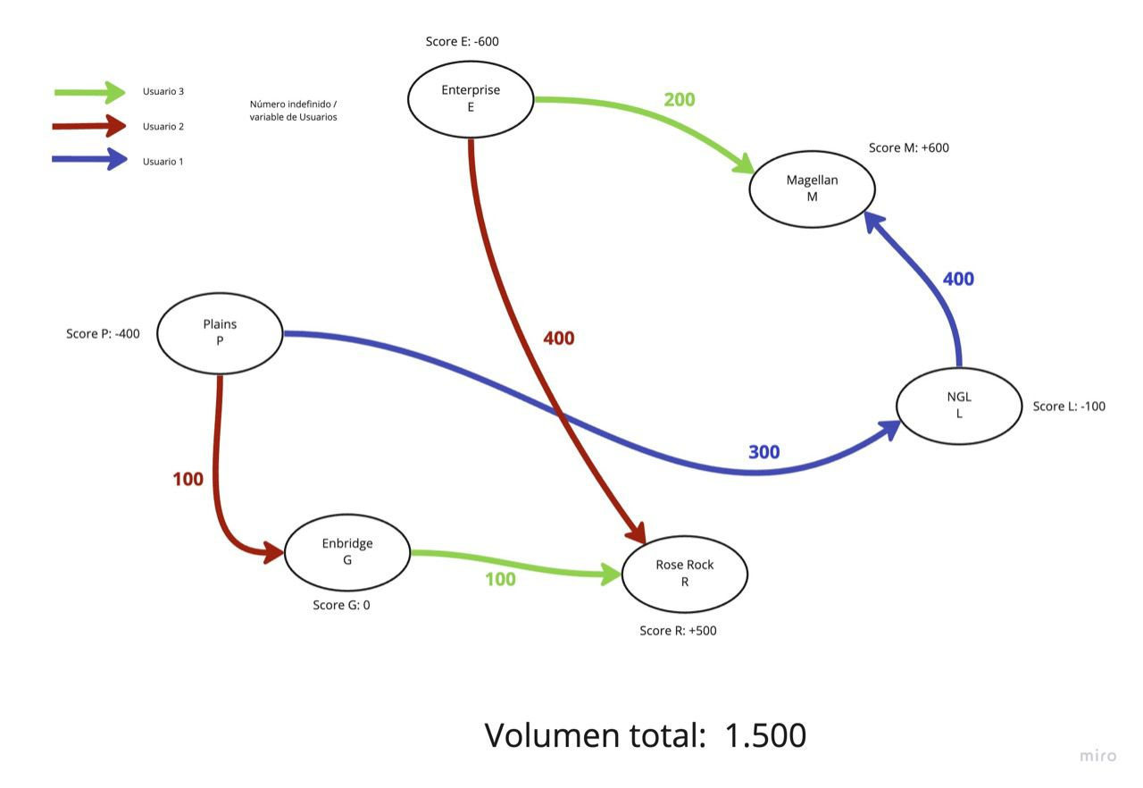
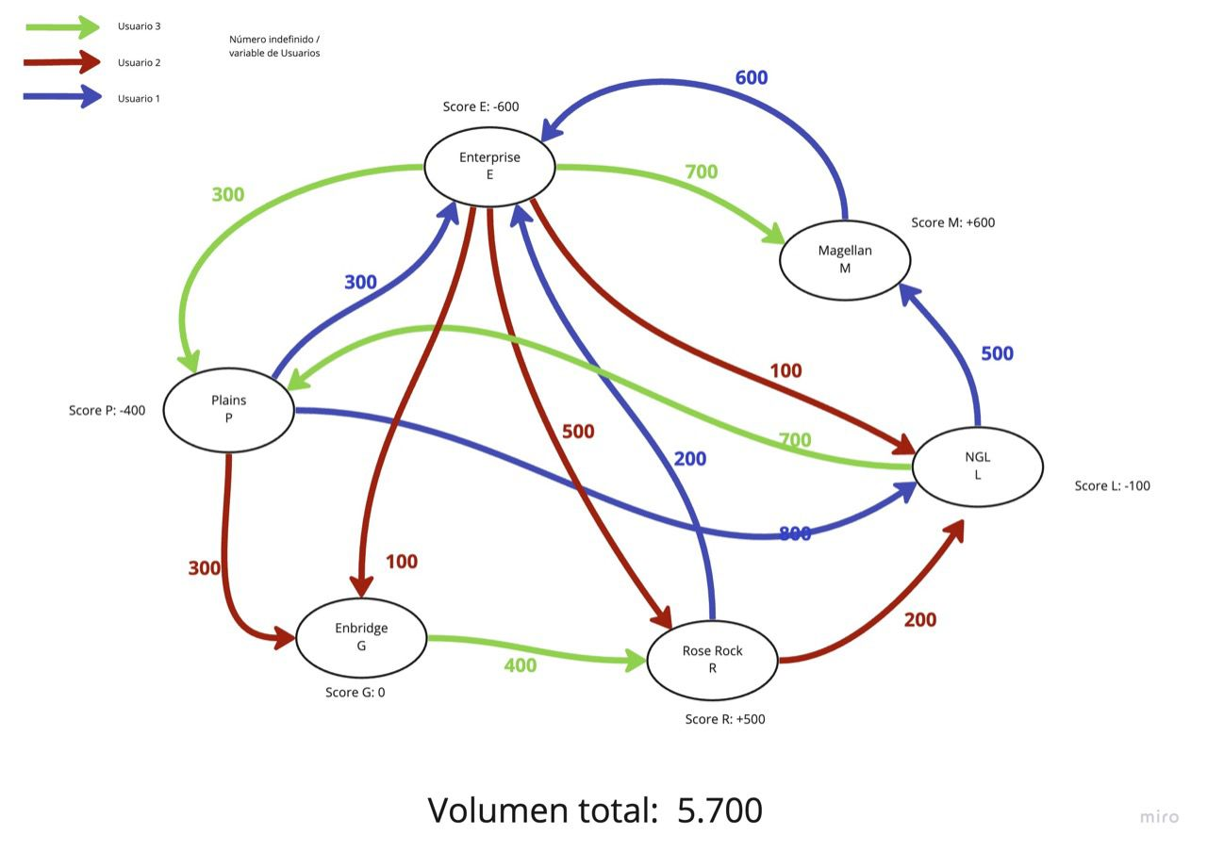
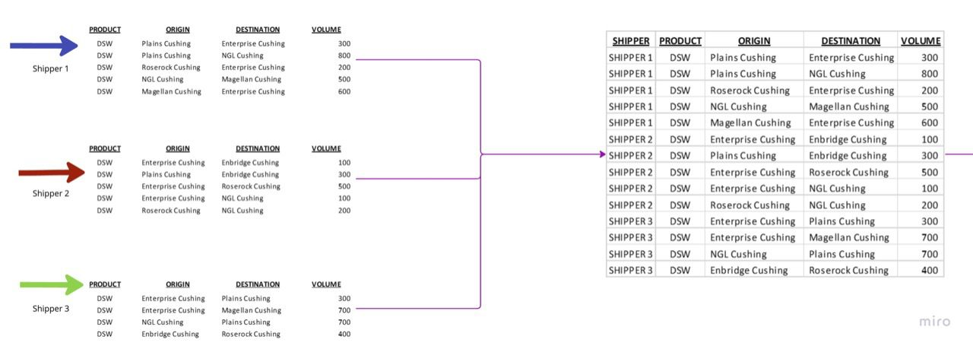
Shippers | Terminales | Shipper | Origen | Destino | Volumen
Shipper1 | Enterprise | Shipper1 | Plains | Enterprise | 300
Shipper2 | Magellan | Shipper1 | Plains | NGL | 800
Shipper3 | NGL | Shipper1 | RoseRock | Enterprise | 200
 | RoseRock | Shipper1 | NGL | Magellan | 500
 | Enbridge | Shipper1 | Magellan | Enterprise | 600
 | Plains | Shipper2 | Enterprise | Enbridge | 100
 |  | Shipper2 | Plains | Enbridge | 300
 |  | Shipper2 | Enterprise | RoseRock | 500
 |  | Shipper2 | Enterprise | NGL | 100
 |  | Shipper2 | RoseRock | NGL | 200
 |  | Shipper3 | Enterprise | Plains | 300
 |  | Shipper3 | Enterprise | Magellan | 700
 |  | Shipper3 | NGL | Plains | 700
 |  | Shipper4 | Enbridge | RoseRock | 400

