Design Calculator
Note: The components calculated in this worksheet are reasonable starting values for a design using the TPS249x and TPS248x series of Hot-swap Controller. As such, they are not optimized for any particular performance attribute. Tolerances of the components are not included in the calculations. See the Instructions tab for additional information.
Consult the TPS249x datasheet for more detail.
TPS2490/1/2/3 & TPS2480/1/2/3 Hot Swap Design Tool
 | www.ti.com/hotswap

 |  |  | Enter Values in Green Shaded Cells
 |  |  | Calculated Values are shown in White Cells
 |  |  | Yellow and Red cells highlight pottential issues with the design. Red highlights items that are higher risk.

 | Step 0: Calculator Tutorials |  | Note: Before proceeding, please watch the video tutorials listed to ensure accurate results from this tool!

 |  |  | Steps 1 & 2: Operating Conditions, Current Limit, & Circuit Breaker (7:41)
 |  |  | Step 3: MOSFET Selection (9:58)
 |  |  | Step 4: Startup (10:32)
 |  |  | Step 5: UVLO, OVLO & PGD Thresholds (4:20)
 |  |  | TPS2490 Datasheet

 |  |  | I understand and agree to watch the video tutorials if help is needed. (Choose Yes to enable the calculator.) |  |  | Yes
 |  |  | Assure to follow the layout and application guidelines listed on the datasheet. |  |  | Yes
 |  |  | *For additional questions not addressed in the videos, please post on E2E.ti.com

 | Step 1: Operating Conditions |  |  | Minimum Input Operating Voltage: VIN(MIN) | 12 | V
 |  |  |  | Nominal Input Operating Voltage: VIN(NOM) | 48 | V
 |  |  |  | Maximum Input Operating Voltage: VIN(MAX) | 50 | V
 |  |  |  | Maximum Load Current: IOUT(MAX) | 45 | A
 |  |  |  | Maximum Output Load Capacitance: CLOAD | 4000 | µF
 |  |  |  | Maximum Ambient Operating Temperature: TMAX | 55 | oC
 | Steps 1 & 2: Operating Conditions, Current Limit, & Circuit Breaker

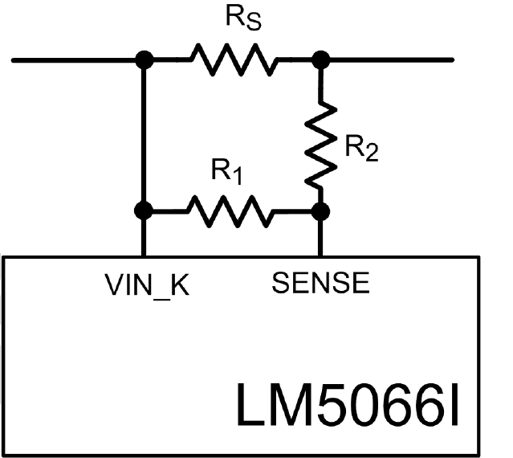
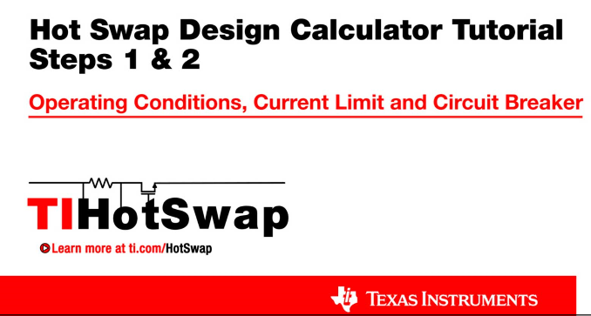
 | Step 2: Current Limit and Circuit Breaker |  |  | Maximum Recommended Value for Rs | 0.99 | mW
 |  |  |  | Use External Resistor Divider to Reduce Effecitve RS | No
 |  |  |  | Enter the Resistance for RS | 0.5 | mW
R_{CL1}
R_{CL2}
 |  |  |  | Recommended Value for RCL1 | NA | W
 |  |  |  | Recommended Value for RCL2 | NA | W
 |  |  |  | Enter value for RCL1 | 10 | W
VCC
SENSE
 |  |  |  | Enter value for RCL2 | 2 | W
 | Steps 1 & 2: Operating Conditions, Current Limit, & Circuit Breaker |  |  | Effective Sense Resistance (RS,EFF) | 0.50 | mW
TPS249x
 |  |  |  | Resulting Minimum Current Limit | 90.0 | A
 |  |  |  | Resulting Typical Current Limit | 100.0 | A
 |  |  |  | Resulting Maximum Current Limit | 110.0 | A
 |  |  |  | Maximum Power Dissipation in RS | 6.1 | W
 | Temp Derated FET SOA (t = Tfault) | Typ Device SOA Limit
0.41666666667 | 1857.9751383 | 100
4.1666666667 | 185.79751383 | 100
8.3333333333 | 92.898756917 | 60.669144981
12.5 | 61.932504611 | 40.446096654
16.666666667 | 46.449378458 | 30.334572491
20.833333333 | 37.159502767 | 24.267657993
25 | 30.966252306 | 20.223048327
29.166666667 | 26.542501976 | 17.334041423
33.333333333 | 23.224689229 | 15.167286245
37.5 | 20.644168204 | 13.482032218
41.666666667 | 18.579751383 | 12.133828996
45.833333333 | 16.890683076 | 11.030753633
50 | 15.483126153 | 10.111524164
54.166666667 | 14.292116449 | 5E-10
58.333333333 | 13.271250988 | 5E-10
62.5 | 12.386500922 | 5E-10
66.666666667 | 11.612344615 | 5E-10
 |  | 0
 |  | 0
 |  | 0
 | Step 3: MOSFET Selection |  |  | Q1 FET Name | PSMN3R7-100BSE

 |  |  |  | Estimated MOSFET RQJA | 30 | oC/W
 |  |  |  | Number of MosFETs | 3 | #
 |  |  |  | MOSFET On resistance @ TJ,DC | 3.95 | mW
 |  |  |  | Maximum FET Junction Temperature | 175 | oC
 |  |  |  | 100ms SOA Current (re-use 1ms data if unavailable) @ VIN(MAX) | 120.0 | A
 |  |  |  | 1ms SOA Current @ VIN(MAX) | 30.0 | A
 | Step 3: MOSFET Selection |  |  | 10ms SOA Current @ VIN(MAX) | 12.0 | A
 |  |  |  | 100ms Current at @ VIN(MAX) (use DC if 100ms not available) | 5.0 | A
 |  |  |  | 1s or DC SOA Current at @ VIN(MAX) (use DC if 1s not available) | 2.0 | A
Max R_{S} = 45 mV
(Max Load Current x 1.01)
The 1.01 factor provides 1% margin from the max. normal load current.
 |  |  |  | FET Power dissapation at full load (per FET) | 0.9 | W
 | Note: TI recommends choosing a FET with SOA current specified for 100ms and/or 1s or DC. If choosing a FET without these parameters, this calculator will estimate the values via extrapolation, which leaves an inherent associated risk. |  |  | Maximum steady state FET Junction Temperature (TJ,DC) | 81.7 | oC
 |  |  |  | Minimum Power Limit to Ensure Vsns > 5mV & Vprog > 0.4V (PLIM,MIN) | 500.0 | W
 |  |  |  | Target Power Limit | 500.0 | W
 |  |  |  | Select R3 | 47.0 | kW
 |  |  |  | Calculated R4 | 6.71 | kW
 |  |  |  | Actual R4 (Select next available std. value) | 6.8 | kW | Note: Hover here to see the 3 values affecting this curve, consult a thermal expert if you are unsure!
 |  |  |  | Actual PLIM | 505.58 | W
ILOAD and IFET vs Vout (VIN = VINMAX)
 | ILOAD | IFET
0 | 0.3 | 3.5592592593
0.48076923077 | 0.3 | 3.5592592593
0.96153846154 | 0.3 | 3.5592592593
1.4423076923 | 0.3 | 3.5592592593
1.9230769231 | 0.3 | 3.5592592593
2.4038461538 | 0.3 | 3.5592592593
2.8846153846 | 0.3 | 3.5592592593
3.3653846154 | 0.3 | 3.5592592593
3.8461538462 | 0.3 | 3.5592592593
4.3269230769 | 0.3 | 3.5592592593
4.8076923077 | 0.3 | 3.5592592593
5.2884615385 | 0.3 | 3.5592592593
5.7692307692 | 0.3 | 3.5592592593
6.25 | 0.3 | 3.5592592593
6.7307692308 | 0.3 | 3.5592592593
7.2115384615 | 0.3 | 3.5592592593
7.6923076923 | 0.3 | 3.5592592593
8.1730769231 | 0.3 | 3.5592592593
8.6538461538 | 0.3 | 3.5592592593
9.1346153846 | 0.3 | 3.5592592593
9.6153846154 | 0.3 | 3.5592592593
10.096153846 | 0.3 | 3.5592592593
10.576923077 | 0.3 | 3.5592592593
11.057692308 | 0.3 | 3.5592592593
11.538461538 | 0.3 | 3.5592592593
12.019230769 | 0.3 | 3.5592592593
12.5 | 0.3 | 3.5592592593
12.980769231 | 0.3 | 3.5592592593
13.461538462 | 0.3 | 3.5592592593
13.942307692 | 0.3 | 3.5592592593
14.423076923 | 0.3 | 3.5592592593
14.903846154 | 0.3 | 3.5592592593
15.384615385 | 0.3 | 3.5592592593
15.865384615 | 0.3 | 3.5592592593
16.346153846 | 0.3 | 3.5592592593
16.826923077 | 0.3 | 3.5592592593
17.307692308 | 0.3 | 3.5592592593
17.788461538 | 0.3 | 3.5592592593
18.269230769 | 0.3 | 3.5592592593
18.75 | 0.3 | 3.5592592593
19.230769231 | 0.3 | 3.5592592593
19.711538462 | 0.3 | 3.5592592593
20.192307692 | 0.3 | 3.5592592593
20.673076923 | 0.3 | 3.5592592593
21.153846154 | 0.3 | 3.5592592593
21.634615385 | 0.3 | 3.5592592593
22.115384615 | 0.3 | 3.5592592593
22.596153846 | 0.3 | 3.5592592593
23.076923077 | 0.3 | 3.5592592593
23.557692308 | 0.3 | 3.5592592593
...
 | Step 4: Startup |  |  | Load Turn-On Threshold | 0 | V

 |  |  |  | Startup Load Type | Constant Current
 |  |  |  | Startup Load Value | 0.3 | A
 |  |  |  | Use External Soft-Start Control | Yes
 |  |  |  | Typical Start Time with Vinmax (Tstart) | 61.36 | ms
 |  |  |  | IFET - ILOAD margin (lowest for Vout range) | 92%
 |  |  |  | Target Fault Timer: Tstart + Margin | 107.39 | ms
 |  |  |  | Target Timer capacitance | 671.16 | nF
 |  |  |  | Selected Timer capacitance | 220 | nF
 | Step 4: Startup |  |  | Final Fault Timer(Tfault) | 35.20 | ms
 |  |  |  | Derated SOA / PLIM | 1.53
 |  |  |  | Can a "hot" board be hotplugged | No
 |  |  |  | Recommended slew Rate (max) | 0.89 | V/ms
 |  |  |  | Recommended slew Rate (min) | 0.09 | V/ms
Start - up: FET Power (VIN = VINMAX)
 | FET power dissipation
-10 | 0
-0.01 | 0
0 | 177.96296296
0.59003496503 | 176.25178063
1.1800699301 | 174.54059829
1.7701048951 | 172.82941595
2.3601398601 | 171.11823362
2.9501748252 | 169.40705128
3.5402097902 | 167.69586895
4.1302447552 | 165.98468661
4.7202797203 | 164.27350427
5.3103146853 | 162.56232194
5.9003496503 | 160.8511396
6.4903846154 | 159.13995726
7.0804195804 | 157.42877493
7.6704545455 | 155.71759259
8.2604895105 | 154.00641026
8.8505244755 | 152.29522792
9.4405594406 | 150.58404558
10.030594406 | 148.87286325
10.620629371 | 147.16168091
11.210664336 | 145.45049858
11.800699301 | 143.73931624
12.390734266 | 142.0281339
12.980769231 | 140.31695157
13.570804196 | 138.60576923
14.160839161 | 136.89458689
14.750874126 | 135.18340456
15.340909091 | 133.47222222
15.930944056 | 131.76103989
16.520979021 | 130.04985755
17.111013986 | 128.33867521
17.701048951 | 126.62749288
18.291083916 | 124.91631054
18.881118881 | 123.20512821
19.471153846 | 121.49394587
20.061188811 | 119.78276353
20.651223776 | 118.0715812
21.241258741 | 116.36039886
21.831293706 | 114.64921652
22.421328671 | 112.93803419
23.011363636 | 111.22685185
23.601398601 | 109.51566952
24.191433566 | 107.80448718
24.781468531 | 106.09330484
25.371503497 | 104.38212251
25.961538462 | 102.67094017
26.551573427 | 100.95975783
27.141608392 | 99.248575499
27.731643357 | 97.537393162
...
 | Note: This is the typical dv/dt rate, but max value can be larger. This is because the gate source current can vary from 16uA to 28uA. Thus TI recommends keeping the overall SOA margin during start-up >1.5 in order to compensate for this. |  |  | dv/dt rate on Vout | 0.25 | V/ms
 |  |  |  | calculated SS capacitance | 88.00 | nF
 |  |  |  | actual SS capacitance | 27 | nF
 |  |  |  | actual dv/dt rate on Vout | 0.81 | V/ms
 |  |  |  | SOA margin during start-up | 1.77
 |  |  |  | Target Fault Time | 0.4 | ms
 |  |  |  | Calculated Timer Capacitance | 2.50 | nF
 |  |  |  | Actual Timer Capacitance (pick one smaller than CT,CALC) | 10 | nF
 |  |  |  | Actual Fault Time (Tfault) | 1.60 | ms
 |  |  |  | SOA margin during "hot-short" or "start-into short" | 1.53
 | Step 5: UVLO, OVLO & PGD Thresholds |  |  | Target Under - Voltage | 30 | V

 |  |  |  | Recommended R2 | 10.00 | kW
 |  |  |  | Actual R2 | 10 | kW
 |  |  |  | Calculated R1 | 212.22 | kW
 |  |  |  | Actual R1 | 212 | kW

 |  | Resulting Thresholds: | Minimum | Typical | Maximum
 | Step 5: UVLO, OVLO & PGD Thresholds | Resulting Upper UVLO Threshold = | 29.30 | 29.97 | 30.64 | V
 |  | Resulting Lower UVLO Threshold = | 27.08 | 27.75 | 28.42 | V

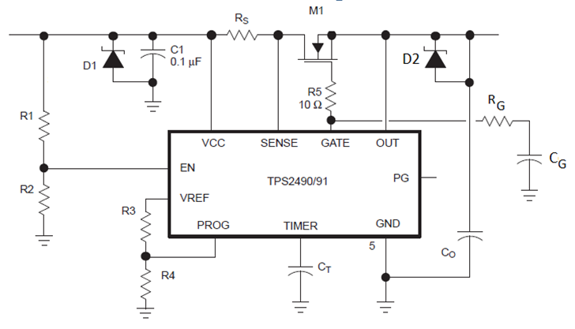
Q₁
 | Design Summary |  |  | RS = | 0.5 | mW
 |  |  |  | RCL1 = | DNP | W
 |  |  |  | RCL2 = | short | W
 |  |  |  | R1 = | 212 | kW |  |  | Typical | Units
 |  |  |  | R2 = | 10 | kW |  | Current limit | 100.0 | A
 |  |  |  | R3 = | 47.0 | kW |  | Power Limit | 506 | W
 |  |  |  | R4 = | 6.8 | kW |  | Fault Timeout | 1.600 | ms
 |  |  |  | CT = | 10.00 | nF |  | Upper UVLO Threshold | 30.0 | V
 |  |  |  | C1 = | 0.10 | µF |  | Lower UVLO Threshold | 27.8 | V
 |  |  |  | Q1 = | PSMN3R7-100BSE
 |  |  |  | RG = | 1 | kW
 |  |  |  | CG = | 27 | nF

 | Notes: | 1. Although not mandatory, CIN provides transient suppression at the VIN pin
 |  | 2. A TVS clamp from VIN to GND is absolutely mandatory to clamp the voltage overshoot upon MOSFET turn-off, e.g. during circuit breaker
 |  | 3. Componet tolerances not accounted for in Min/Max Calculations.

