Material Validation
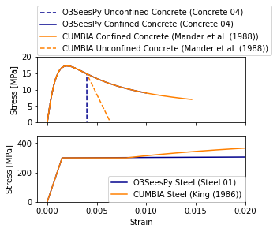
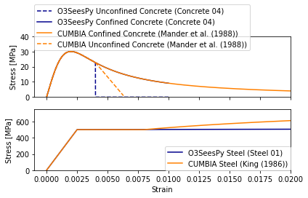

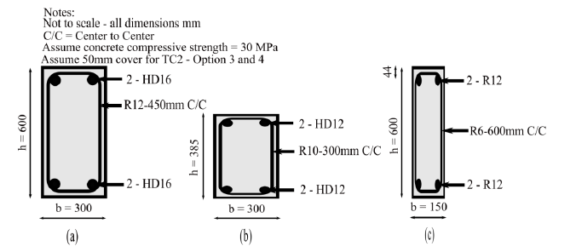
O3SeesPy Concrete 04 and Steel 01 material models are calibrated using the CUMBIA software.
Mander et al., (1988). models for confined and unconfined concrete are used to calibrate the Concrete 04 confined and unconfined concrete fibre elements.
The original King (1986) steel equations which are used in the CUMBIA software as one particular steel model are used to calibrate the stress-strain behaviour of the reinforcement using Steel 01 material in OpenSees. Alternative could be the Raynor model.
Figures below section a), b) and c) are the corresponding material stress-strain behaviour from OpenSees, calibrated from CUMBIA.

