Sheet1
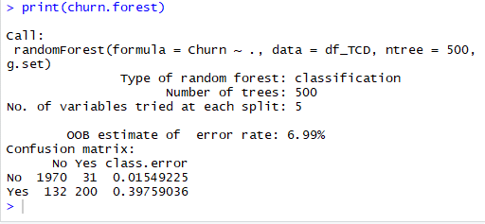
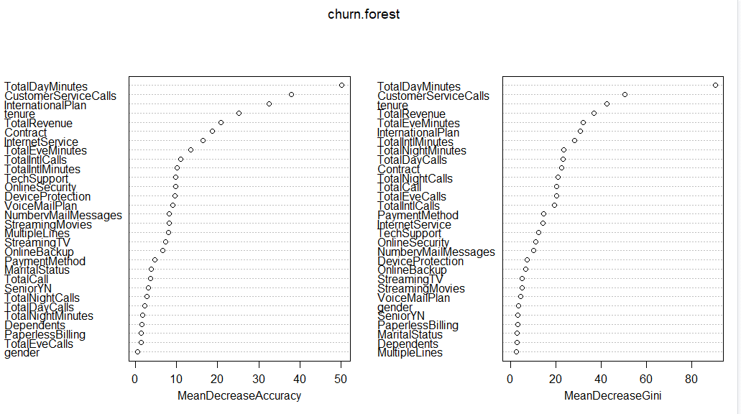
Rpart |  |  |  |  |  |  | tree_model |  |  |  | Random Forest
Actual |  |  |  |  | Actual |  |  |  |  |  | Actual
No | Yes | total |  |  | No | Yes | total |  |  |  | No | Yes | Total
1425 | 242 | 1667 | testing with 50% |  | 1425 | 242 | 1667 | testing with 50% |  |  | 2001 | 232 | 2233 |  | tested with 66% of data

 | Predicted |  |  |  |  | Predicted |  |  |  | Predicted
Actual | No | Yes |  |  |  | Actual | No | Yes | Actual | No | Yes
No | 1409 | 16 |  | 1425 |  | No | 1371 | 54 | No | 1970 | 31 |  | 2001
Yes | 60 | 182 |  | 242 |  | Yes | 68 | 174 | Yes | 132 | 100 |  | 232
 |  |  |  | 1667 |  |  |  |  |  |  |  |  | 2233 | 0.6699669967 | two thirds
 | 1469 | 198 |  |  |  |  | 1439 | 228 |  | 2102 | 131

Manual calc |  | 1591 | correct |  | Manual calc |  | 1545 | correct | Manual calc | 2170 | correct |  | OOB estimate of error rate: 6.99%
Prediction |  | 1667 | Total | 76 | Prediction |  | 1667 | total | Prediction | 2233
Accuracy |  | 95.441% |  |  | Accuracy |  | 92.6815% |  | Accuracy | 97.1787%

Model Summary
Misclassification error rate: 0.05582 = 93 / 1666 |  |  |  |  | Gives variable importance as part of output
Tuning?

Prune? |  |  |  |  | Prune? |  |  |  | #trees | 500 | started
#splits |  |  |  |  | #splits |  |  |  | #splits | 5 | started

