Sheet1
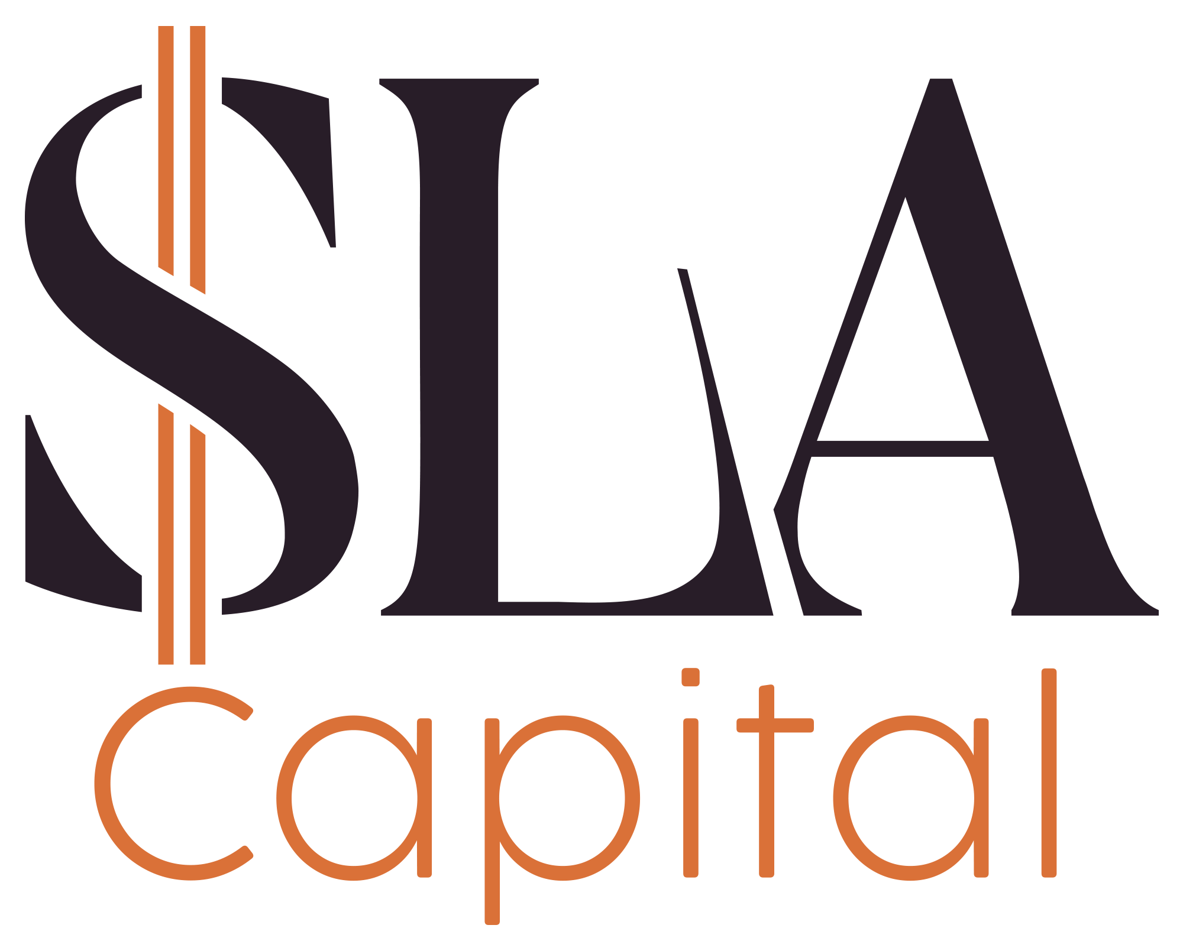
 |  |  | Pricing Terms Sheet

 |  |  | SLA Capital
 |  |  | Chance Luce
 |  |  | chance@slacapital.com
 |  |  | 503-490-1493

Property Address |  | Loan Terms
[Deal title (deal title)] |  | Loan Amount | [Deal Requested Loan Amount - DSCR (deal custom)]
 |  | Interest Rate | [Deal Loan Interest % (deal custom)]%
Borrower & Guarantor |  | Monthly PI | #VALUE!
[Person full name (person name)] |  | Property Taxes | [Deal Annual Taxes - DSCR (deal custom)]
[Organization name (organization name)] |  | Property Insurance | [Deal Annual Insurance (deal custom)]
Property Details |  | HOA |  | $0.00
Loan Type | DSCR - Cashout | Total Payment |  | #VALUE!
Loan Term | 30 Year Fixed | Rent |  | [Deal Monthly Rent - DSCR (deal custom)]
Interest Only? | No | DSCR |  | #VALUE!
Property Type | Single Family | Estimated Lender/Loan Fees
Prepayment | 5-4-3-2-1 | Origination Fee | [Deal Loan Points (deal custom)] | #VALUE!
Credit Score (Estimate) | [Person Estimated Credit Score (person custom)] | Underwriting Fee | $995
Property Value | [Deal Market Value - DSCR (deal custom)] | Doc Prep Fee |  | $700
Requested Loan Amount | [Deal Requested Loan Amount - DSCR (deal custom)] | Legal/Doc Fee | $500
Existing Loan Amount | [Deal Existing Loan Amount (If Refi) (deal custom)] | Desktop Analayis | $120
Cashout (before fees) | #VALUE! | Total Estimated Fees: | #VALUE!
Loan To Value (LTV) | #VALUE! | Total Financing Costs
 |  | Estimated Cash to Close | #VALUE!
*Cashout and Cash to Close estimates do not include title fees or other third party costs. **For rate and term cash to close is wrapped into loan as long as loan remains at or below 80% LTV
We are pleased to issue this NON-BINDING preliminary Letter of Interest concerning your loan request. It is our understanding that you would accept a loan with the above terms. Full consderation of the loan request will commence upon timely receipt of this letter by Borrower. The above terms are subject to underwriting and approval of the property and borrowers creditworthiness.

Accepted and Agreed To By:

 | [Short today's date (datetime today_short)]
Signature | Date

