Sheet1
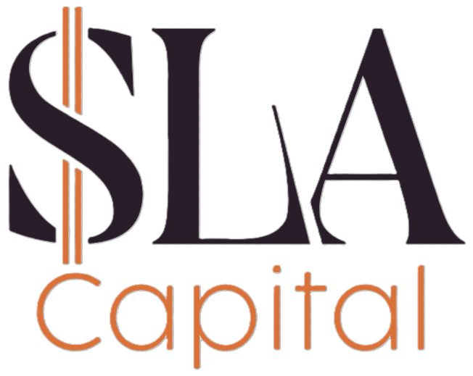
 |  |  |  | Pricing Terms Sheet

 |  |  |  | SLA Capital
 |  |  |  | Chance Luce
 |  |  |  | chance@slacapital.com
 |  |  |  | 503-490-1493

Property Address |  |  | Loan Terms
[Deal title (deal title)] |  |  | Loan Amount | #VALUE!
 |  |  | Interest Rate | [Deal Loan Interest % (deal custom)]%
Borrower & Guarantor |  |  | Monthly Payment | #VALUE!
[Person full name (person name)] |  |  | Interest Type | Dutch
[Organization name (organization name)] |  |  | Cash Reserves Required | #VALUE!
Property Details |  |  | Estimated Lender/Loan Fees
Loan Type |  | Fix and Flip | Loan Points | [Deal Loan Points (deal custom)] | #VALUE!
Loan Term |  | 12 Months | Underwriting Fee | $600
Use of Funds |  | Purchase Only | Doc Prep Fee | $900
Property Type |  | Single Family | Processing Fee |  | $500
Experience Level (Last 36 Months) |  | 10+ | Credit/Background Check |  | $150
Credit Score (Estimate) |  | [Person Estimated Credit Score (person custom)] | Total Estimated Fees: | #VALUE!
Purchase Price |  | [Deal Purchase Price - F&F (deal custom)] | Estimated Cash to Close
Down Payment | 10.0% | #VALUE! | Down Payment | #VALUE!
Renovation Budget |  | [Deal Amount of Rehab Funds F&F (deal custom)] | Total Costs and Fees | #VALUE!
After Repair Value |  | [Deal Property ARV F&F (deal custom)] | Estimated Title and Escrow Costs |  | $2,500
 |  |  | Estimated Cash to Close | #VALUE!
Loan $ of ARV (75 max) |  | #VALUE! | *Does not include prepaid property taxes, insurance, or prepaid interest required to close
Loan to Cost (LTC) |  | #VALUE!

We are pleased to issue this NON-BINDING preliminary Letter of Interest concerning your loan request. It is our understanding that you would accept a loan with the above terms. Full consderation of the loan request will commence upon timely receipt of this letter by Borrower. The above terms are subject to underwriting and approval of the property and borrowers creditworthiness.

Accepted and Agreed To By:

 |  | [Short today's date (datetime today_short)]
Signature |  | Date

