Part 1
Demore - HW1
ECE383

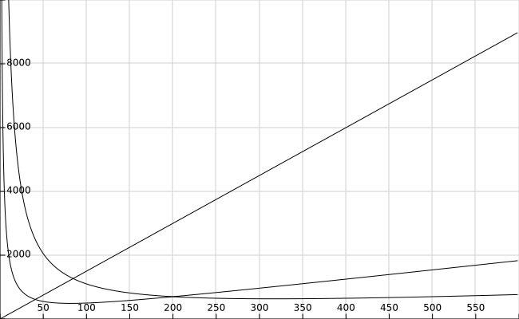
Design | Cost per unit
FPGA | C = 15 + 0/n
Gate Array | C = 3 + 20000/n
Standarad Cell | C = 1 + 100000/n

Design | Minimal PUC | COST
FPGA | n/a, $15/unit
Gate Array | 100, $203/unit
Standard Cell | 100, $1001/unit

 |  |  | UNITS

