Setup
 |  |  |  |  |  |  |  |  |  | FRONT SUSPENSION
NAME: | Maxx |  | DATE: | 2023-07-22 |  | 2 | FF (mm) |  |  |  | SHIM (mm) | CASTER(°) | SHIM (mm)
TRACK: | test |  | RACE: | test |  | 2 | FR (mm) |  |  |  | 0 | 4 | 4.5 |  |  | 17
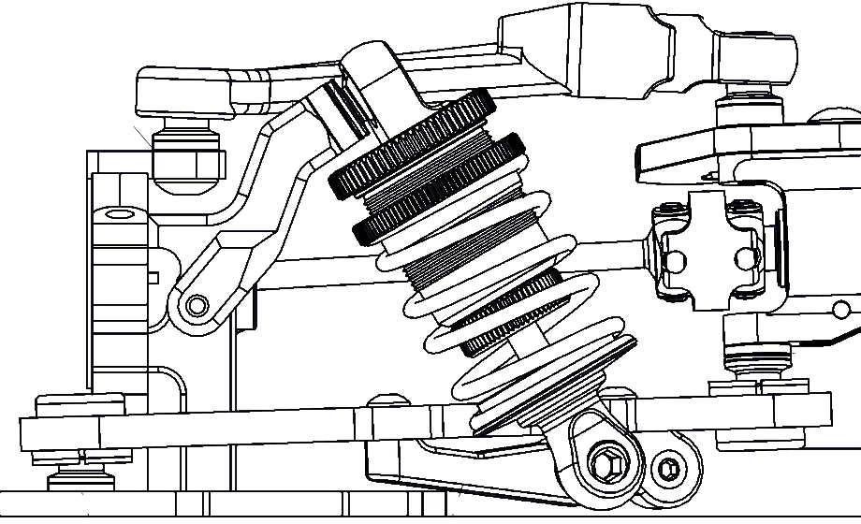
TRACK SURFACE:
LAYOUT: |  |  |  |  |  |  |  |  |  |  |  |  | 0
TRACTION:
 |  | ELECTRONICS |  |  |  |  |  |  |  |  |  |  |  | SHIM (mm)
SERVO: | PowerHD S15 |  | ESC: | XeRun XR10 G2S |  |  |  |  |  |  |  |  |  | 4
BATTERY: | 6400 Shorty |  |  | HW 13.5 / 30° |  |  |  |  |  |  |  |  | HEX (mm) | CAMBER(°)
NOTES: | aaa |  |  |  |  |  |  |  |  |  |  |  | 4 | 1.8
 |  | TIRES |  |  |  |  |  |  |  |  |  |  | SHIM (mm) | TOE (°)
BRAND/TYPE F/R: |  | Matrix 36 |  |  |  | 2 |  |  |  |  |  |  | 1.5 | 1
ADDITIVE F/R: |  | Mightygripper Black |  |  |  | 2 |  |  |  | 17 | 5.4 | 5
ADDITIVE TIMING F/R: |  |  | 15 min + 5 cooldown
WARMER ° F/R: |  | 55° |  |  |  |  |  |  |  | REAR SUSPENSION
 |  | TRANSMISSION |  |  |  | 2 | RR (mm) |  |  |  | SHIM (mm) | CASTER(°) | SHIM (mm)
PINION: | 32 | SPUR: | 109 |  |  | 2 | RF (mm) |  |  |  | 0 | 2.5 | 4
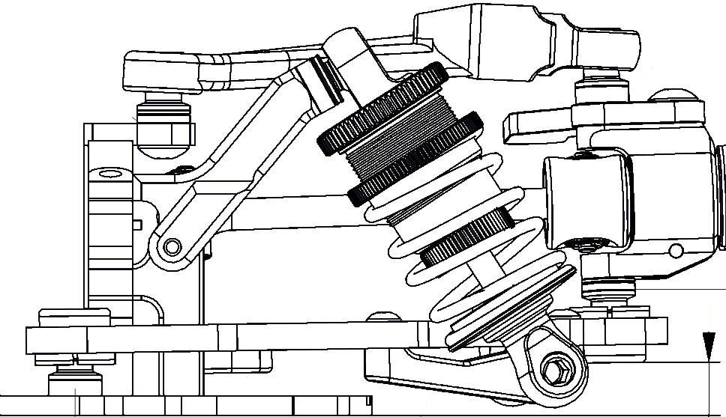
DIFF OIL CST: |  | 6K | OIL WEIGHT (QTY): |  | 1.6
BELT TENSION:
 |  |  | 3 |  | 3
FRONT: |  | SHOCKS |  | REAR:
std |  | SHOCK CASE: |  | std |  |  |  |  |  |  |  |  |  | 3 | SHIM(mm)
4 x 1.1 |  | PISTON: |  | 4 x 1.1 |  |  |  |  |  |  |  |  |  | 4 | HEX (mm)
400 |  | OIL: |  | 400 |  |  |  |  |  |  |  |  |  | 1.5 | SHIM(mm)
6.75P |  | SPRING: |  | 6.5 |  |  |  |  |  |  |  |  |  | 1.8 | CAMBER°
9.5 |  | LENGHT: |  | 9.5 |  | 2 | RR (mm) |  |  |  |  |  |  | 3 | TOE IN°
FRONT: |  | ANTI ROLL BAR |  | REAR: |  | 2 | RF (mm) |  |  |  | 5.6 | 4
1.1 |  |  | 1.1
 | OPTIONAL WEIGHT |  |  |  |  |  |  | CHASSIS/FLEX/WEIGHT DISTRIBUTION
 |  |  |  |  |  |  |  |  |  |  | F/R DISTRIBUTION:
 | BODYSHELL
TYPE: | Speciale |  |  | Speciale
 | center |  |  | 80g
STIFFENER:

 |  |  |  |  |  |  |  | UPPERDECK SETTINGS

 |  |  |  |  |  |  |  |  | OTHER UPPERDECK:

 |  |  |  |  |  | FDR |  | ROLL CENTRE |  |  |  | TRAVEL | 0% | 50% |  | 100%
 |  | 10
 |  |  |  |  |  | 6.47 |  | FRONT |  | -1.24 |  | FRONT | 1.8° | 2.2° |  | 2.6°
 |  |  |  |  |  |  |  | REAR |  | -1.30 |  | REAR | 1.8° | 2.2° |  | 2.6°

Calc F
AB | 61.0000 |  | fixed
BC | 34.3000 |  | Upright + SHIMS + SHIMS + 2 * ball offset
CD | 50.7535
DA | 32.4230
AC | 70.6037

 | X | Y
A | 9.0000 | 13.7000
B | 69.9166 | 16.8889
C | 68.8392 | 51.1720
D | 18.5000 | 44.7000
E | 85.9498 | 32.0000

^a | 2.9966
^b | 7.3262

BF | 14.6000
FE | 16.5000
BE | 22.0320
^FEB | 41.5040

 | X | Y
Interc | -381.6991 | -6.7527
Wheel c. | 85.9498 | 0

Roll Centre | -1.2411

C.Gain 50% | 2.5488
C.Gain 100% | 5.0976

50% | X | Y
B | 69.7145 | 19.59475837

BD | 57.0368
^ABD | 31.6594
^DBC | 61.7201
CAMBER | 2.1659

100% | X | Y
B | 69.3923 | 22.288926694

BD | 55.6083
^ABD | 31.8612
^DBC | 63.6555
CAMBER | 2.5776

