Pro-Forma Invoice
Buyer | Seller |  |  |  | Terms & Details
 | CODRIN GREEN COLOMBIA CI SAS |  |  |  | Invoice Date
 | CRA 2, #11-41 |  |  |  | Country of Origin
 | EDIFICIO TORRE GRUPO AREA OFICINA 1408, BOCAGRANDE |  |  |  | POL
 | BOCAGRANDE, BOLIVAR 130001, COLOMBIA |  |  |  | POD
 | CONTACT : PRIYANK PRADEEP |  |  |  | Shipment Date | On or Before 07-Jan-00
 | PHONE : 321 848 2031 |  |  |  | INCO Terms | CIF
 | EMAIL : PRIYANK@CODRINGROUP.COM |  |  |  | Shipment Size | 0 x 40'

Container Number | Details | Volume | Pieces | Vol Unit | Unit Price | Total Value

Total Payment |  | 0.000 | 0 |  | #DIV/0! | USD -

Value in Words

Pay To : |  |  |  |  | Payment Terms | 100% TT Against Proforma invoice
Bank Details
Beneficiary Bank
Bank Address |  |  |  |  |  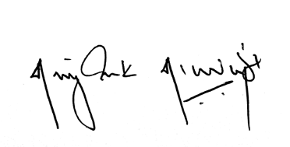 Director
Beneficiary Bank SWIFT Code |  |  |  |  | Priyank Pradeep
Beneficiary Account Number |  |  |  |  | ID: Z6751969

