30181
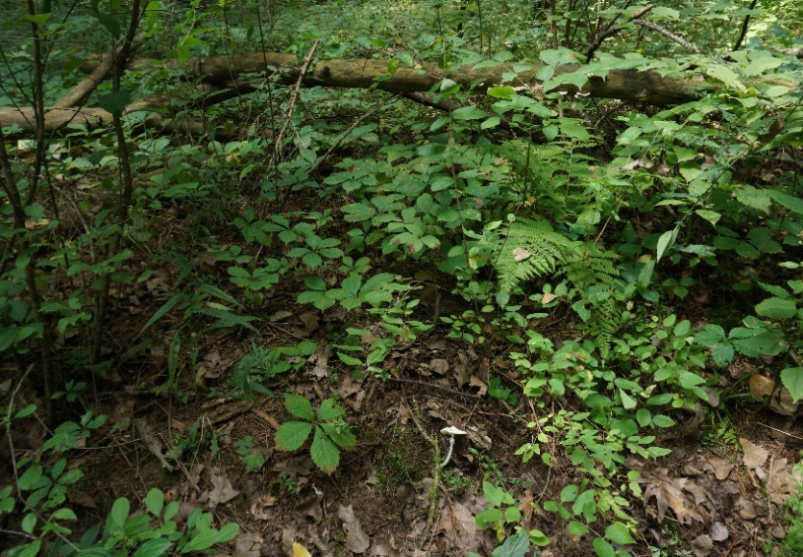
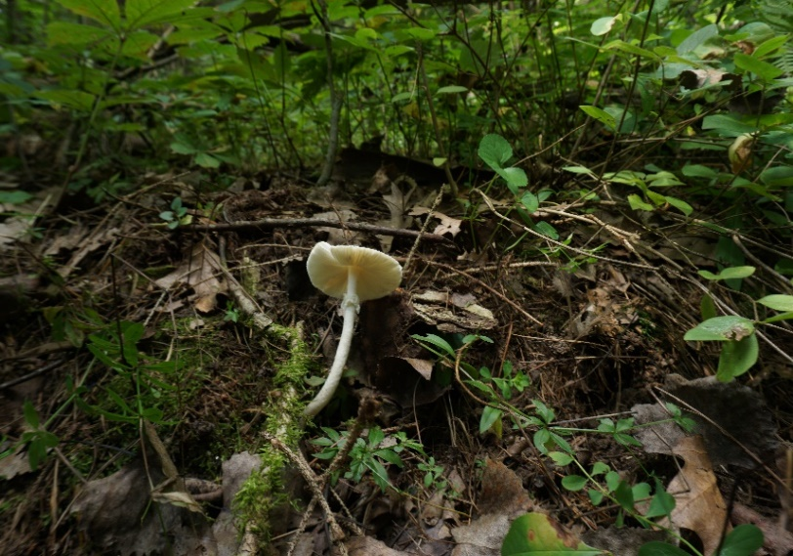
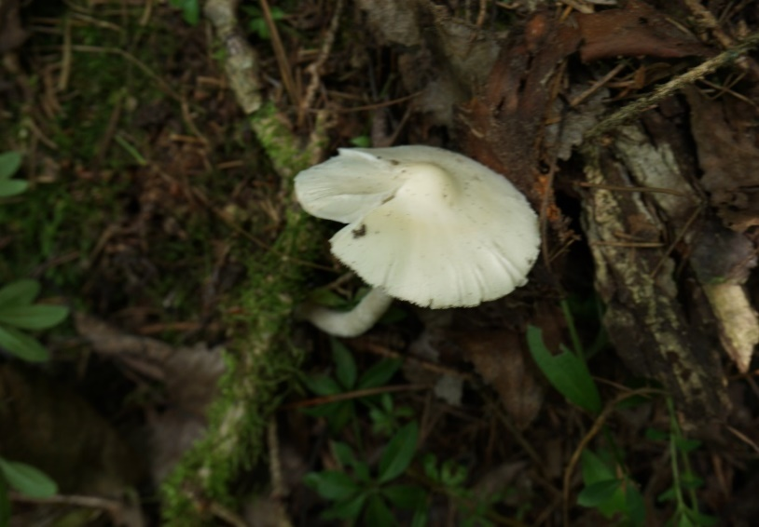
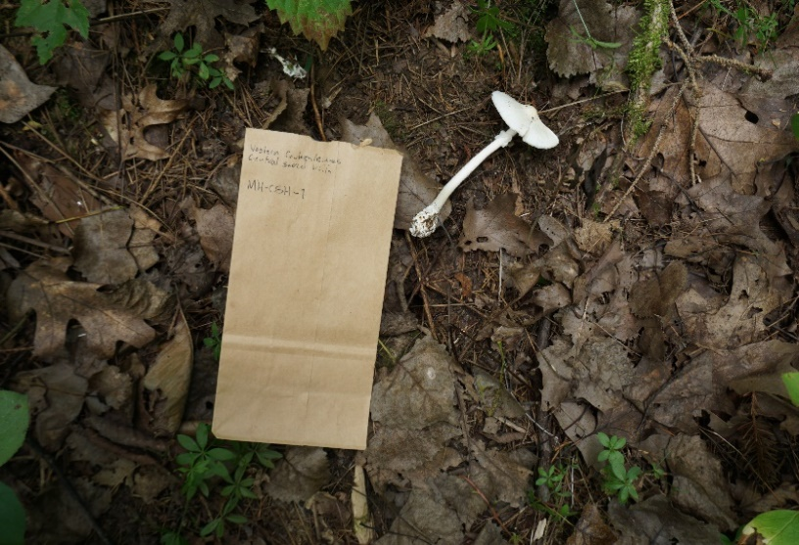
30181 | Species ID:
mhCSH

Field notes:
From field sheet | Collector | Photo 1 | Photo 2 | Photo 3 | Photo 4 | Section ID | Host tree | Host tree | Host tree | Coordinates | County | Site | Date | Notable plants
 | Michael Hensley | DSC06945 | DSC06943 | DSC06944 | DSC06940 | Validae | Picea | N/A | N/A | 43.22821, -89.73302 | Dane | Lower Wisconsin State Riverway | 2024-08-25
Macromorphological features:
Pileus | Diameter (mm) | Thickness (mm) | Center color | Margin color | Shape | Surface texture | Striation length (mm) | Appendiculate? | Appendiculate material | Staining | Universal veil | Context color
 | 52 | 4 | light brownish yellow | White | Plano-convex | Glaborous | N/A | No | N/A | No | Absent | White
Universal veil on pileus | Form | Color | Texture | Attachment | Distribution
 | N/A | N/A | N/A | N/A | N/A
Lamellae | Attachment | Color in masse | Distribution | Staining | Other comment
 | Free | Cream | Semicrowded | no | Wrinkling at margin
Lamellulae | Form | Amount | Distribution
 | Uneven lengths | Plentiful | Uneven
Stipe | Length (mm) | Width (mm) | Color | Shape | Decoration | Staining | Annulus | Universal veil | Context type | Context color | Context stain
 | 93 | 21 | White | Narrowing upward | Floccose |  | Present | Absent
Annulus | Position (mm) | Form | Color | Staining | Remaining % | Condition
 | 20 | Membranous | white | maybe slight brownish | 100 | Collapsed against stipe
Universal veil on stipe base | Type | Texture | Color | Layered? | Tough/flimsy?
 | Saccate | Membranous | White | no | Flimsy
Basal bulb | Length (mm) | Width (mm) | Shape
 | 13 | 11 | Subglobose

Micromorphological features:
GENERAL
Basidiospore | Length | Width | Q (length/width) | Hyaline? | Decoration? | Amyloid | Shape
1 |  |  | #DIV/0!
2 |  |  | #DIV/0!
3 |  |  | #DIV/0!
4 |  |  | #DIV/0!
5 |  |  | #DIV/0!
6 |  |  | #DIV/0!
7 |  |  | #DIV/0!
8 |  |  | #DIV/0!
9 |  |  | #DIV/0!
10 |  |  | #DIV/0!
Avg | #DIV/0! | #DIV/0! | #DIV/0!
Min | 0 | 0 | #DIV/0!
Max | 0 | 0 | #DIV/0!

Basidia (10x) | Length | Width | Sterigma count | Shape | Clamp connection?
1 |  |  |  | Likely clavate
2
3
4
5
6
7
8
9
10
Avg | #DIV/0! | #DIV/0!
Min | 0 | 0
Max | 0 | 0

Inner tissue of volval remnants on stipe | Composition | Filamentous hyphae | Inflated hyphae
 | Longitudinal | Dominant | None
Clamp connections | Occurrence

