Sheet1
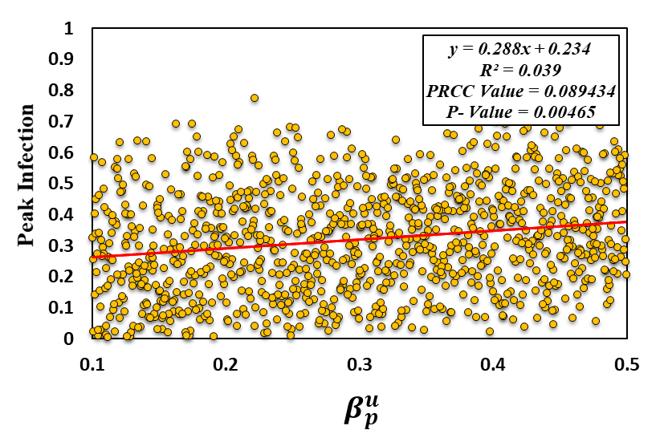
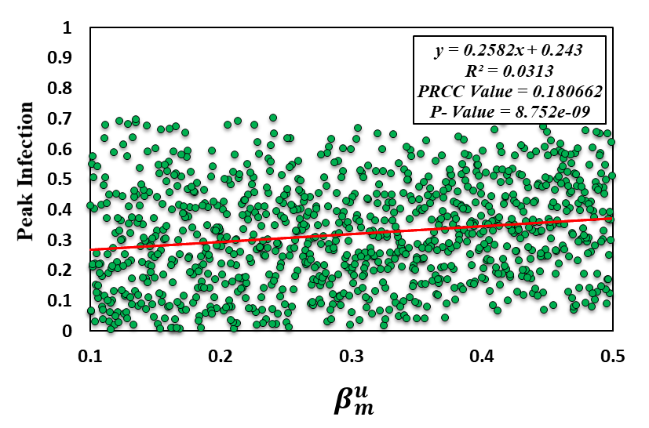
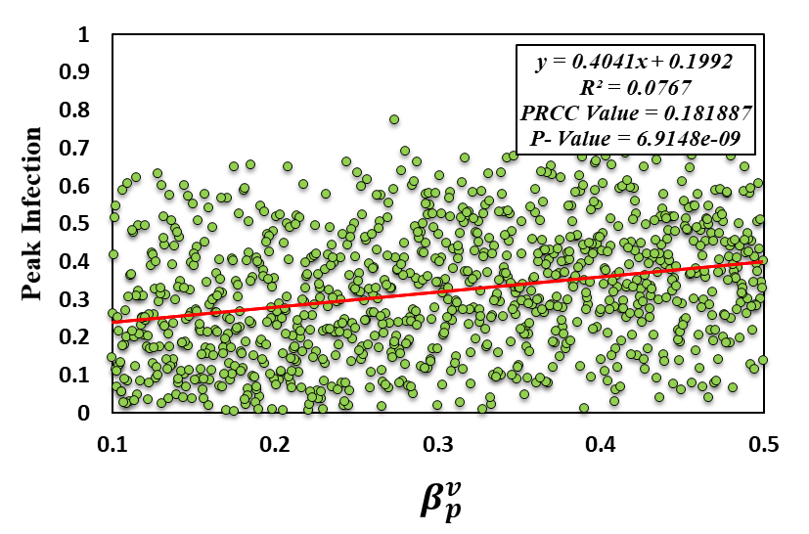
beta_pu | beta_mu | beta_pv | beta_mv | e1 | e2 | x | mu_p | mu_m | peak_infected | mu_m | peak_infected
0.48843152171 | 0.41004805486 | 0.32374283517 | 0.1890084703 | 0.91696093586 | 0.9424966316 | 0.036990442443 | 0.028618853635 | 0.036504967049 | 0.36479727045 | 0.036504967049 | 0.36479727045
0.23085201914 | 0.33667899273 | 0.13940596532 | 0.14312715815 | 0.79858791193 | 0.81424546963 | 0.078812755606 | 0.017101521552 | 0.029113094637 | 0.047929430809 | 0.029113094637 | 0.047929430809
0.30546455946 | 0.22428664689 | 0.44130182858 | 0.32170121436 | 0.8207632604 | 0.91972344719 | 0.020272123465 | 0.0266737241 | 0.044237333643 | 0.48336564257 | 0.044237333643 | 0.48336564257
0.44827626398 | 0.41135153146 | 0.34073231426 | 0.32672228618 | 0.79217680081 | 0.8937392079 | 0.026949771115 | 0.023742100309 | 0.030816784406 | 0.53292411077 | 0.030816784406 | 0.53292411077
0.18857731982 | 0.41778792238 | 0.13826576203 | 0.47255437169 | 0.84413726252 | 0.87946538327 | 0.022006433289 | 0.038703464023 | 0.039787067173 | 0.44083453377 | 0.039787067173 | 0.44083453377
0.41940854575 | 0.36330323712 | 0.23308423998 | 0.3328960332 | 0.72206957814 | 0.79242055792 | 0.06525621482 | 0.04004248796 | 0.016961773218 | 0.32473472157 | 0.016961773218 | 0.32473472157
0.37749954586 | 0.48477905535 | 0.21753835437 | 0.38538826711 | 0.91707208061 | 0.73210507142 | 0.040441833516 | 0.02451102614 | 0.017629743263 | 0.60525712834 | 0.017629743263 | 0.60525712834
0.37178779472 | 0.194269938 | 0.31523049837 | 0.48371678831 | 0.92599166417 | 0.77021499361 | 0.074581967027 | 0.01065775747 | 0.01654108678 | 0.54321449185 | 0.01654108678 | 0.54321449185
 | peak_infected
0.036504967049 | 0.36479727045
0.029113094637 | 0.047929430809
0.044237333643 | 0.48336564257
0.030816784406 | 0.53292411077
0.039787067173 | 0.44083453377
0.016961773218 | 0.32473472157
0.017629743263 | 0.60525712834
0.01654108678 | 0.54321449185
0.019957624582 | 0.37733306651
0.027664608462 | 0.0083905711397
0.010738912754 | 0.47789708717
0.016104544614 | 0.46355465772
0.014377703168 | 0.18482034461
0.023690189624 | 0.68648942447
0.022351095964 | 0.10172943259
0.016498013992 | 0.298940933
0.013255632427 | 0.33080169848
0.038359104352 | 0.10320650369
0.032406355279 | 0.079733378008
0.048668099427 | 0.18839715518
0.040113744867 | 0.29071234576
0.024296661717 | 0.54648643719
0.044844286495 | 0.0094388195515
0.040256849038 | 0.17179465622
0.049853719368 | 0.10785944671
0.022785892286 | 0.16923280361
0.040906498223 | 0.029742697239
0.039723476032 | 0.34881864601
0.032068224966 | 0.26485858074
0.021116394462 | 0.22640052247
0.022218467832 | 0.51485113672
0.032491408205 | 0.50686092809
0.02707668502 | 0.068967216951
0.036531537921 | 0.50119477624
0.025343571842 | 0.35494996509
0.026921349517 | 0.31156587431
0.046548623814 | 0.16070825115
0.019970169273 | 0.60936072044
0.018263344937 | 0.07991853888
0.02377689474 | 0.35155074459
0.045426543496 | 0.46821261442
0.044834518279 | 0.28848532971
0.030144787152 | 0.40941794909
0.015746636866 | 0.14679319702
0.035344510366 | 0.14989232706
0.041797605241 | 0.60723028016
0.021424310554 | 0.44507775059
0.036259046029 | 0.32299836642
0.018180319221 | 0.62290281393
0.048912744608 | 0.30008396354
...
$$μ_{m}$$
0.11764109267 | 0.31492369834 | 0.47401867316 | 0.35131100098 | 0.71505802138 | 0.93480910579 | 0.050505582133 | 0.030442149545 | 0.019957624582 | 0.37733306651 | 0.019957624582 | 0.37733306651
0.12841656056 | 0.21052759781 | 0.22034506983 | 0.40148435113 | 0.86561761747 | 0.94584310647 | 0.075542171183 | 0.04334423704 | 0.027664608462 | 0.0083905711397 | 0.027664608462 | 0.0083905711397
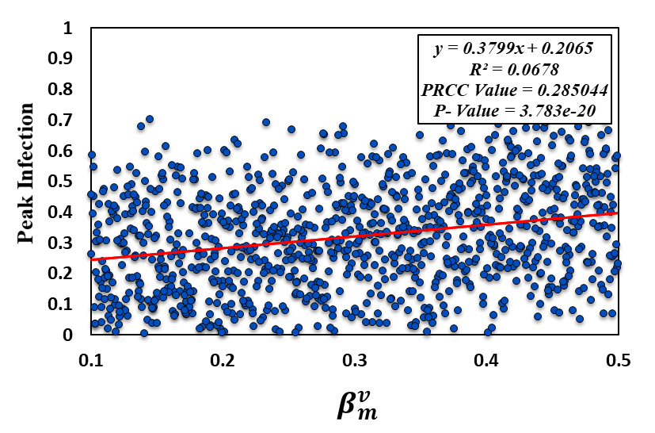
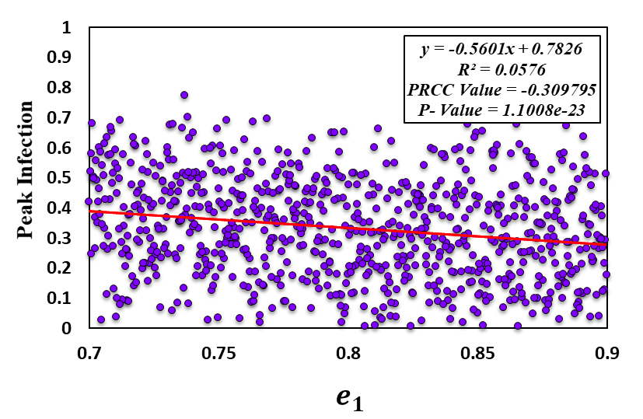
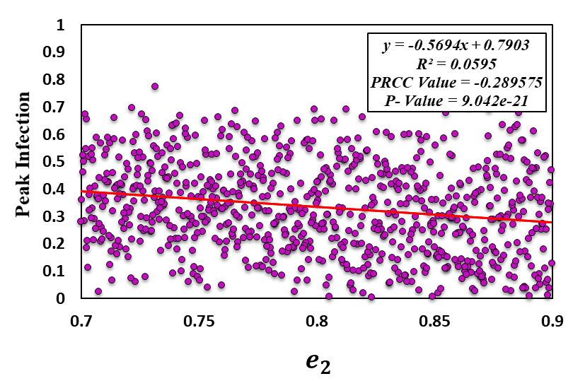
0.21825784202 | 0.16702959584 | 0.32322507288 | 0.35934407851 | 0.77711226422 | 0.80395610843 | 0.079763737351 | 0.018190428862 | 0.010738912754 | 0.47789708717 | 0.010738912754 | 0.47789708717
0.20757904771 | 0.1783197106 | 0.39856195212 | 0.33785720441 | 0.74989883217 | 0.83358017637 | 0.074875618502 | 0.020695993608 | 0.016104544614 | 0.46355465772 | 0.016104544614 | 0.46355465772
0.26445241301 | 0.17931109228 | 0.16985626386 | 0.12935830527 | 0.86654857073 | 0.70214619106 | 0.047235273279 | 0.035292602456 | 0.014377703168 | 0.18482034461 | 0.014377703168 | 0.18482034461
0.48020461111 | 0.13511690138 | 0.41480724966 | 0.40901489839 | 0.76315555709 | 0.76548799198 | 0.066458148898 | 0.010123080584 | 0.023690189624 | 0.68648942447 | 0.023690189624 | 0.68648942447
0.43923538621 | 0.11737083087 | 0.33424898491 | 0.44074521699 | 0.88281600034 | 0.86297139354 | 0.073154693914 | 0.045053231358 | 0.022351095964 | 0.10172943259 | 0.022351095964 | 0.10172943259
0.19033717472 | 0.26791834497 | 0.30663332182 | 0.35173999495 | 0.75661346651 | 0.93173209604 | 0.037043524967 | 0.024277717898 | 0.016498013992 | 0.298940933 | 0.016498013992 | 0.298940933
0.43288393614 | 0.15151856051 | 0.21881272192 | 0.16656077229 | 0.84247679233 | 0.75945476923 | 0.069524696874 | 0.012388362053 | 0.013255632427 | 0.33080169848 | 0.013255632427 | 0.33080169848
0.31218860821 | 0.48639313881 | 0.14414865037 | 0.309576295 | 0.8672890674 | 0.93766395232 | 0.067986082851 | 0.025285216528 | 0.038359104352 | 0.10320650369 | 0.038359104352 | 0.10320650369
0.24742096744 | 0.15969657173 | 0.36753046591 | 0.46524697425 | 0.94533429229 | 0.92050906553 | 0.037907559795 | 0.028165016844 | 0.032406355279 | 0.079733378008 | 0.032406355279 | 0.079733378008
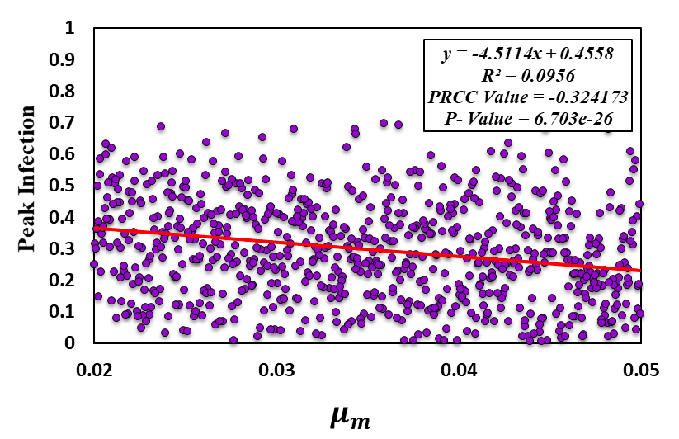
0.13043715037 | 0.45626907888 | 0.1818699854 | 0.25154187345 | 0.78482194846 | 0.71635966883 | 0.058987542635 | 0.033032106599 | 0.048668099427 | 0.18839715518 | 0.048668099427 | 0.18839715518
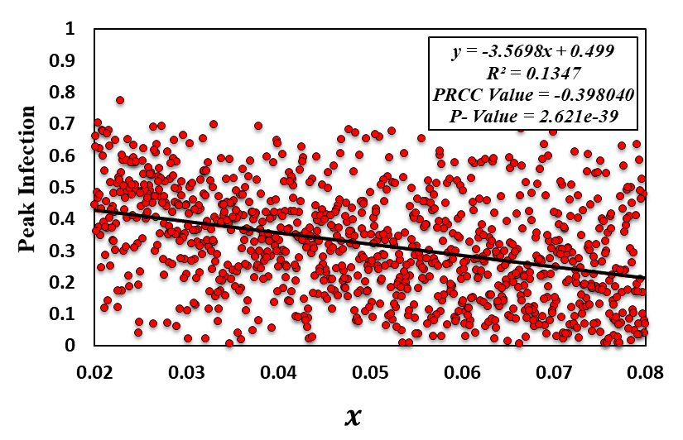
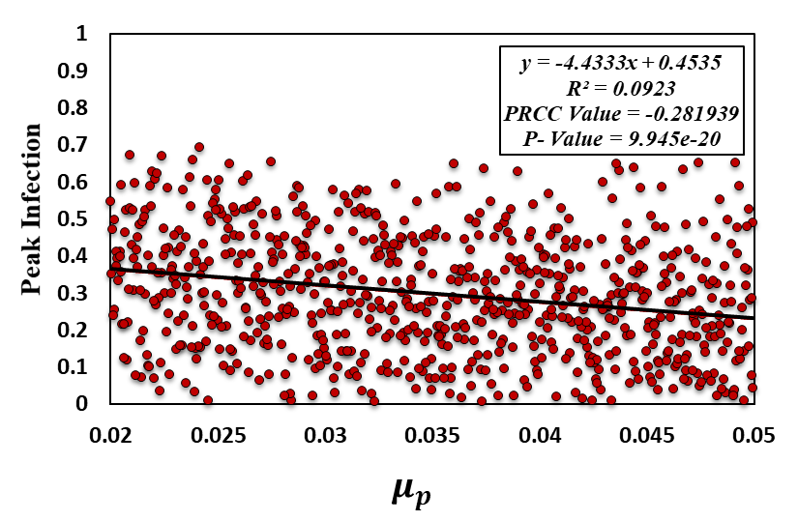
0.22399375215 | 0.33712034656 | 0.48597858213 | 0.26272306641 | 0.78952881283 | 0.70569362859 | 0.043639170093 | 0.032019477276 | 0.040113744867 | 0.29071234576 | 0.040113744867 | 0.29071234576
0.4419639444 | 0.25472182244 | 0.465852951 | 0.16580344799 | 0.87173845701 | 0.76307181936 | 0.041191179988 | 0.013363736212 | 0.024296661717 | 0.54648643719 | 0.024296661717 | 0.54648643719
0.17280880104 | 0.16361230357 | 0.19855059893 | 0.35495355738 | 0.94091023515 | 0.93574195959 | 0.053565164516 | 0.028452122108 | 0.044844286495 | 0.0094388195515 | 0.044844286495 | 0.0094388195515
0.28756426251 | 0.1427088128 | 0.15726645434 | 0.27194011455 | 0.71669769281 | 0.7126734194 | 0.078884418408 | 0.021390522604 | 0.040256849038 | 0.17179465622 | 0.040256849038 | 0.17179465622
0.13905078607 | 0.46942205824 | 0.25884567907 | 0.17255229278 | 0.79335512054 | 0.81301204407 | 0.0597102808 | 0.032895739397 | 0.049853719368 | 0.10785944671 | 0.049853719368 | 0.10785944671
0.13032493814 | 0.49598405918 | 0.4289472125 | 0.13685222723 | 0.74895379337 | 0.94151534879 | 0.075841814213 | 0.042748588279 | 0.022785892286 | 0.16923280361 | 0.022785892286 | 0.16923280361
0.24938233262 | 0.28167267729 | 0.11054205964 | 0.19128053652 | 0.88170622289 | 0.84356121665 | 0.057807916253 | 0.04169957344 | 0.040906498223 | 0.029742697239 | 0.040906498223 | 0.029742697239
0.27743786055 | 0.18983565425 | 0.38244726792 | 0.27001139967 | 0.92376366028 | 0.85358884535 | 0.020654358431 | 0.024189340957 | 0.039723476032 | 0.34881864601 | 0.039723476032 | 0.34881864601
0.45175054924 | 0.43879658946 | 0.14837575266 | 0.35269321881 | 0.76992314806 | 0.87920955533 | 0.072097662708 | 0.011789126104 | 0.032068224966 | 0.26485858074 | 0.032068224966 | 0.26485858074
0.46694119349 | 0.32864390473 | 0.37641059281 | 0.40707129121 | 0.87525214153 | 0.92803185198 | 0.068851837437 | 0.025012178377 | 0.021116394462 | 0.22640052247 | 0.021116394462 | 0.22640052247
0.47337839225 | 0.41932778444 | 0.45220264911 | 0.19244410659 | 0.89545398149 | 0.84237845976 | 0.022713344405 | 0.037220309161 | 0.022218467832 | 0.51485113672 | 0.022218467832 | 0.51485113672
0.26507261468 | 0.22548146445 | 0.35167508846 | 0.1788995003 | 0.77209429532 | 0.70503103597 | 0.044805308986 | 0.014416614784 | 0.032491408205 | 0.50686092809 | 0.032491408205 | 0.50686092809
0.11329187205 | 0.3292519675 | 0.10300437303 | 0.17723748981 | 0.72737204928 | 0.83534816305 | 0.060352820578 | 0.035899182155 | 0.02707668502 | 0.068967216951 | 0.02707668502 | 0.068967216951
0.39006391312 | 0.25926178257 | 0.20737627985 | 0.14115825818 | 0.73916979726 | 0.70113713486 | 0.032906833434 | 0.015822995863 | 0.036531537921 | 0.50119477624 | 0.036531537921 | 0.50119477624
0.47813446884 | 0.40325552937 | 0.30448685428 | 0.46992622652 | 0.80842717998 | 0.89513284648 | 0.059013798512 | 0.022404032768 | 0.025343571842 | 0.35494996509 | 0.025343571842 | 0.35494996509
0.32210325587 | 0.15047377428 | 0.13288499294 | 0.19164966085 | 0.8927152221 | 0.90381536149 | 0.032487222806 | 0.012232106586 | 0.026921349517 | 0.31156587431 | 0.026921349517 | 0.31156587431
0.48541629 | 0.16342625308 | 0.27125232647 | 0.20631147448 | 0.86166629898 | 0.83893481624 | 0.062984220269 | 0.035475351289 | 0.046548623814 | 0.16070825115 | 0.046548623814 | 0.16070825115
0.49361261865 | 0.41407490309 | 0.31462073543 | 0.32944204089 | 0.85747749356 | 0.82551555418 | 0.026707901442 | 0.015212721408 | 0.019970169273 | 0.60936072044 | 0.019970169273 | 0.60936072044
0.31729535409 | 0.20845574081 | 0.36061580399 | 0.37861577814 | 0.9313319319 | 0.91018792741 | 0.060958684737 | 0.027388782872 | 0.018263344937 | 0.07991853888 | 0.018263344937 | 0.07991853888
0.3712792542 | 0.42483142722 | 0.42257584227 | 0.30416104828 | 0.87437636789 | 0.82436811389 | 0.0478065231 | 0.02831440355 | 0.02377689474 | 0.35155074459 | 0.02377689474 | 0.35155074459
0.42358621195 | 0.17456734037 | 0.38501038055 | 0.14907590573 | 0.90095875666 | 0.73012876887 | 0.027247304278 | 0.023219589651 | 0.045426543496 | 0.46821261442 | 0.045426543496 | 0.46821261442
0.46463314753 | 0.24398092804 | 0.4499240572 | 0.40613945298 | 0.86526512886 | 0.73331227127 | 0.051351396591 | 0.03598175525 | 0.044834518279 | 0.28848532971 | 0.044834518279 | 0.28848532971
0.16743542984 | 0.25544091288 | 0.27402851103 | 0.40950226835 | 0.93884790997 | 0.70580370355 | 0.071851011304 | 0.02565489967 | 0.030144787152 | 0.40941794909 | 0.030144787152 | 0.40941794909
0.44045262254 | 0.38355158364 | 0.27212055073 | 0.17336532752 | 0.94585463975 | 0.92502302438 | 0.064596070637 | 0.023081161125 | 0.015746636866 | 0.14679319702 | 0.015746636866 | 0.14679319702
0.1636344995 | 0.27604284935 | 0.31129045317 | 0.11229125473 | 0.79935114814 | 0.83203239329 | 0.073543017396 | 0.029950764173 | 0.035344510366 | 0.14989232706 | 0.035344510366 | 0.14989232706
0.45468447151 | 0.28299333461 | 0.49703553423 | 0.27466714892 | 0.71785380499 | 0.78322858314 | 0.046780680349 | 0.022087893396 | 0.041797605241 | 0.60723028016 | 0.041797605241 | 0.60723028016
0.32069806051 | 0.12502373141 | 0.2445198678 | 0.41040068666 | 0.78995025843 | 0.73721249203 | 0.0740245562 | 0.014896404283 | 0.021424310554 | 0.44507775059 | 0.021424310554 | 0.44507775059
0.26523337951 | 0.424397761 | 0.2505024215 | 0.14990010201 | 0.81221064483 | 0.88353344802 | 0.031677394832 | 0.01584869822 | 0.036259046029 | 0.32299836642 | 0.036259046029 | 0.32299836642
0.38311786768 | 0.49939217146 | 0.11459211628 | 0.31455839149 | 0.81671633378 | 0.90645223966 | 0.020591513967 | 0.01225414236 | 0.018180319221 | 0.62290281393 | 0.018180319221 | 0.62290281393
0.3687275412 | 0.36303387767 | 0.35423226299 | 0.44460558738 | 0.90597825009 | 0.81945601665 | 0.040284099826 | 0.022524927745 | 0.048912744608 | 0.30008396354 | 0.048912744608 | 0.30008396354
0.46755723465 | 0.14030309532 | 0.38370336912 | 0.39595078989 | 0.87323476079 | 0.76355522808 | 0.03869611263 | 0.035026312084 | 0.030096488466 | 0.35064289968 | 0.030096488466 | 0.35064289968
0.45854631629 | 0.18411831175 | 0.17138872174 | 0.46401153667 | 0.80294349968 | 0.79714339045 | 0.05596605772 | 0.042400721333 | 0.021460229106 | 0.20879166327 | 0.021460229106 | 0.20879166327
0.45348127734 | 0.30569540656 | 0.22288751256 | 0.14025829745 | 0.91033483183 | 0.86242817993 | 0.058584850408 | 0.010520725213 | 0.043018664395 | 0.25935435665 | 0.043018664395 | 0.25935435665
0.18296408838 | 0.28208844629 | 0.22231636738 | 0.35434767072 | 0.85458072396 | 0.71488478239 | 0.054696522721 | 0.023132283893 | 0.026268676619 | 0.41140739784 | 0.026268676619 | 0.41140739784
0.17818598378 | 0.49604827034 | 0.17485085807 | 0.40643766195 | 0.84945162291 | 0.80733895448 | 0.023637111848 | 0.049139630062 | 0.019307970461 | 0.65013601166 | 0.019307970461 | 0.65013601166
0.28619068888 | 0.39486162168 | 0.21663225889 | 0.26970287783 | 0.77246039434 | 0.8278958538 | 0.07305011753 | 0.019355784395 | 0.035404357031 | 0.16139191827 | 0.035404357031 | 0.16139191827
0.46668627324 | 0.29354759281 | 0.28418003079 | 0.49046182132 | 0.70364134134 | 0.8588104052 | 0.057605896933 | 0.012105405566 | 0.044926572581 | 0.602599774 | 0.044926572581 | 0.602599774
0.3478033301 | 0.16813314367 | 0.26939658299 | 0.28692382085 | 0.78454026349 | 0.71721906096 | 0.065973369693 | 0.016581003719 | 0.01615241797 | 0.41694538471 | 0.01615241797 | 0.41694538471
0.25194575853 | 0.3381088507 | 0.41243077585 | 0.41467467582 | 0.82074073853 | 0.8028661579 | 0.072751612435 | 0.03483640954 | 0.030198482754 | 0.27518307227 | 0.030198482754 | 0.27518307227
0.35331983767 | 0.14395754107 | 0.35952665844 | 0.18070767703 | 0.84736099111 | 0.84686761445 | 0.033829019058 | 0.010181734621 | 0.02225316523 | 0.59118807178 | 0.02225316523 | 0.59118807178
0.23792963945 | 0.23783116283 | 0.3442723683 | 0.38421930035 | 0.92642459696 | 0.75310720557 | 0.028245485356 | 0.038659190475 | 0.016703545615 | 0.52634761122 | 0.016703545615 | 0.52634761122
0.21398569469 | 0.386195854 | 0.37009497523 | 0.43859941893 | 0.94108610797 | 0.78481582924 | 0.07744971885 | 0.043709973982 | 0.011503617993 | 0.62959591807 | 0.011503617993 | 0.62959591807
0.40063731151 | 0.2946551151 | 0.43977329947 | 0.31560916074 | 0.89580919959 | 0.89239201746 | 0.047519838718 | 0.016534156898 | 0.014426385645 | 0.39122617181 | 0.014426385645 | 0.39122617181
0.4188818634 | 0.17686982791 | 0.17342950537 | 0.34741913148 | 0.73137661531 | 0.722542574 | 0.047366391692 | 0.015932988687 | 0.046489407346 | 0.40866876744 | 0.046489407346 | 0.40866876744
0.42237604995 | 0.19136480521 | 0.29542559401 | 0.47040351774 | 0.87356182237 | 0.83429251051 | 0.062045113352 | 0.03121728209 | 0.045138408468 | 0.14282106042 | 0.045138408468 | 0.14282106042
0.46899740512 | 0.28987471299 | 0.19124751083 | 0.31046622 | 0.84096798757 | 0.91383205539 | 0.058878626362 | 0.029668264886 | 0.028701114551 | 0.18487708869 | 0.028701114551 | 0.18487708869
0.25694378644 | 0.39207068368 | 0.21933102471 | 0.31219808326 | 0.89047590687 | 0.70028491372 | 0.047963457622 | 0.049714902578 | 0.033803690698 | 0.36108333346 | 0.033803690698 | 0.36108333346
0.22244969634 | 0.20671083173 | 0.33902689594 | 0.20669556645 | 0.8732715297 | 0.8178090744 | 0.076057435938 | 0.046358185877 | 0.017763410141 | 0.10177371823 | 0.017763410141 | 0.10177371823
0.25052450102 | 0.32398355574 | 0.25290271259 | 0.47813184775 | 0.83198112827 | 0.72341212164 | 0.069454239622 | 0.042969760608 | 0.017671017217 | 0.59909528714 | 0.017671017217 | 0.59909528714
0.47071461104 | 0.12839454595 | 0.26495537409 | 0.39436999023 | 0.7074376508 | 0.77255730962 | 0.061385347255 | 0.013033489325 | 0.030312677843 | 0.57666292509 | 0.030312677843 | 0.57666292509
0.38181714595 | 0.48058696391 | 0.33837186314 | 0.49844789337 | 0.79131608957 | 0.85680028534 | 0.070458682712 | 0.031928424878 | 0.030589629358 | 0.29309325764 | 0.030589629358 | 0.29309325764
0.48053041492 | 0.45746306227 | 0.48475114427 | 0.36576168537 | 0.79791386433 | 0.9158588464 | 0.036434988591 | 0.025445345495 | 0.040724754045 | 0.50123472594 | 0.040724754045 | 0.50123472594
0.30357306061 | 0.22018305212 | 0.32917622946 | 0.45767704966 | 0.72493384329 | 0.94622116279 | 0.031950781279 | 0.017553097666 | 0.04355333085 | 0.55030482797 | 0.04355333085 | 0.55030482797
0.26040223955 | 0.40605217767 | 0.17191371816 | 0.25535446807 | 0.70955776639 | 0.90932364473 | 0.074992307769 | 0.037611440096 | 0.014498119698 | 0.13109339853 | 0.014498119698 | 0.13109339853
0.16122379278 | 0.28606356785 | 0.20226851876 | 0.35337328281 | 0.92788041597 | 0.87032074462 | 0.043294787396 | 0.044472170126 | 0.041571304481 | 0.088824330718 | 0.041571304481 | 0.088824330718
0.30459469695 | 0.36932569307 | 0.15685989871 | 0.3371282032 | 0.83702332285 | 0.8101939222 | 0.024399671414 | 0.031593548884 | 0.014108436329 | 0.57929694728 | 0.014108436329 | 0.57929694728
0.15850926661 | 0.2766841334 | 0.42296694205 | 0.46009614248 | 0.77574202886 | 0.85972988403 | 0.021179413114 | 0.041486073715 | 0.045036378135 | 0.28623647607 | 0.045036378135 | 0.28623647607
0.18790391498 | 0.48667721594 | 0.23235211371 | 0.28772187119 | 0.79410045616 | 0.92342155229 | 0.039257124924 | 0.033856279503 | 0.039490014813 | 0.2821491404 | 0.039490014813 | 0.2821491404
0.15163365082 | 0.10688924625 | 0.41022653502 | 0.27589324244 | 0.92557364714 | 0.88409285225 | 0.022573392976 | 0.024015991328 | 0.024672291492 | 0.12226221266 | 0.024672291492 | 0.12226221266
0.45116464689 | 0.36975090693 | 0.49556640399 | 0.10151974634 | 0.84711125107 | 0.76052860281 | 0.032306277629 | 0.047287428862 | 0.020834278409 | 0.39406068681 | 0.020834278409 | 0.39406068681
0.27867175018 | 0.44029383665 | 0.18623656977 | 0.244576658 | 0.88216493292 | 0.88604956536 | 0.036852360938 | 0.031338106667 | 0.023323739199 | 0.35863098474 | 0.023323739199 | 0.35863098474
0.20043303942 | 0.44427514151 | 0.12622753979 | 0.14331073727 | 0.84197992309 | 0.72083171803 | 0.032982131476 | 0.027144784599 | 0.040668450928 | 0.32730339064 | 0.040668450928 | 0.32730339064
0.39999185607 | 0.26966732088 | 0.23700719913 | 0.47380940942 | 0.81624051003 | 0.82049585876 | 0.061240519695 | 0.038754097088 | 0.040069965257 | 0.15219239966 | 0.040069965257 | 0.15219239966
0.14035177423 | 0.26150883185 | 0.11600404045 | 0.43458648682 | 0.75755454671 | 0.72916994098 | 0.029142623635 | 0.033732919268 | 0.027252922791 | 0.49456989793 | 0.027252922791 | 0.49456989793
0.21633831602 | 0.43575337549 | 0.2416312575 | 0.34817967099 | 0.86365937477 | 0.82987037709 | 0.027591310958 | 0.01106043481 | 0.030897410201 | 0.47124329769 | 0.030897410201 | 0.47124329769
0.19387935112 | 0.15708830872 | 0.26286297647 | 0.30298343132 | 0.89744880075 | 0.85573686011 | 0.022231279192 | 0.013164572748 | 0.047789432422 | 0.30229927131 | 0.047789432422 | 0.30229927131
0.14060413144 | 0.29137235086 | 0.10216857172 | 0.12686844114 | 0.81552818394 | 0.85581046539 | 0.029310144184 | 0.017417633083 | 0.046575280444 | 0.11608206062 | 0.046575280444 | 0.11608206062
0.34220317966 | 0.45188295715 | 0.24850898139 | 0.38905709478 | 0.70135922431 | 0.82891642946 | 0.078416922742 | 0.036742158121 | 0.011224547436 | 0.50124471944 | 0.011224547436 | 0.50124471944
0.40504268065 | 0.10644676465 | 0.33679099044 | 0.14468363276 | 0.85301958108 | 0.75049804071 | 0.057707489043 | 0.046406271742 | 0.048583281364 | 0.10959384853 | 0.048583281364 | 0.10959384853
0.23585536366 | 0.41486583093 | 0.47050757691 | 0.47847163978 | 0.85569384854 | 0.74513737915 | 0.034722153421 | 0.021867438217 | 0.023834879687 | 0.5895005834 | 0.023834879687 | 0.5895005834
0.20382052714 | 0.35725528519 | 0.38676015945 | 0.41715138902 | 0.91843631424 | 0.88428869806 | 0.02010270853 | 0.021963468522 | 0.011767605483 | 0.62708116673 | 0.011767605483 | 0.62708116673
0.20975963513 | 0.16608730717 | 0.31682772897 | 0.43035178269 | 0.9441215049 | 0.72575650133 | 0.048422940818 | 0.020930756411 | 0.010936059168 | 0.67313615293 | 0.010936059168 | 0.67313615293
0.10235664753 | 0.23325574521 | 0.40020339331 | 0.16752868541 | 0.77419127194 | 0.77859882319 | 0.076418990655 | 0.044966210222 | 0.040217183612 | 0.14264662031 | 0.040217183612 | 0.14264662031
0.20137783491 | 0.12110659502 | 0.44956435868 | 0.12809432594 | 0.93090367568 | 0.84038222546 | 0.069096466684 | 0.018941933236 | 0.010243422457 | 0.062845690611 | 0.010243422457 | 0.062845690611
0.29021977442 | 0.18881588405 | 0.33366332486 | 0.31021289356 | 0.93873428555 | 0.73962759931 | 0.056761143013 | 0.032159420536 | 0.027862203968 | 0.25879281226 | 0.027862203968 | 0.25879281226
0.21876618942 | 0.21299310558 | 0.27967119146 | 0.31995061696 | 0.81878686334 | 0.91796608499 | 0.031056644522 | 0.042323366041 | 0.027907158233 | 0.12884819401 | 0.027907158233 | 0.12884819401
0.48418937389 | 0.14457392601 | 0.17607774555 | 0.3422838675 | 0.86249672271 | 0.74006765412 | 0.043967390196 | 0.045133108457 | 0.046464877825 | 0.22034026189 | 0.046464877825 | 0.22034026189
0.32391729239 | 0.27929906582 | 0.10754190649 | 0.19216322629 | 0.86219958422 | 0.84158360628 | 0.040594967878 | 0.047941502806 | 0.015614724938 | 0.18026692517 | 0.015614724938 | 0.18026692517
0.29499928184 | 0.11841108624 | 0.31065616236 | 0.19737678359 | 0.81404302801 | 0.78164422972 | 0.051139430134 | 0.037145073841 | 0.037301310311 | 0.13125187119 | 0.037301310311 | 0.13125187119
0.11037476694 | 0.22339821475 | 0.17863655617 | 0.30777194279 | 0.89491240076 | 0.82847275066 | 0.073460673692 | 0.032108565966 | 0.0216669684 | 0.22780501747 | 0.0216669684 | 0.22780501747
0.10284691229 | 0.1359981661 | 0.2927220906 | 0.34890702912 | 0.93602028232 | 0.77527427893 | 0.034972412121 | 0.039526260598 | 0.017483900979 | 0.44952382511 | 0.017483900979 | 0.44952382511
0.27685913908 | 0.21264779203 | 0.10861184163 | 0.18425086607 | 0.82827032691 | 0.7072422878 | 0.06698071599 | 0.028407569648 | 0.046850979185 | 0.026492941533 | 0.046850979185 | 0.026492941533
0.36198441799 | 0.15492654992 | 0.39405515292 | 0.21748815585 | 0.9006607607 | 0.84614583285 | 0.065111075203 | 0.029570355582 | 0.033282365003 | 0.096676192618 | 0.033282365003 | 0.096676192618
0.13273817393 | 0.42858048135 | 0.23906167743 | 0.29822500495 | 0.91299160847 | 0.77931925008 | 0.045237376518 | 0.047208717954 | 0.048046469225 | 0.23213342295 | 0.048046469225 | 0.23213342295
0.20590230784 | 0.25866494085 | 0.21595257998 | 0.4408906329 | 0.72056960849 | 0.81736578013 | 0.053909383734 | 0.049436243361 | 0.036785367129 | 0.19969493934 | 0.036785367129 | 0.19969493934
0.46092680806 | 0.13835425889 | 0.39397395419 | 0.12041572035 | 0.88709812685 | 0.84431939805 | 0.028567872932 | 0.018677439996 | 0.023921140687 | 0.53698664326 | 0.023921140687 | 0.53698664326
0.47487787597 | 0.23073064493 | 0.32211726213 | 0.38705621674 | 0.75482958576 | 0.80704749225 | 0.050823457582 | 0.04639528686 | 0.03736561322 | 0.28002863612 | 0.03736561322 | 0.28002863612
0.36826002136 | 0.40832483873 | 0.10964508824 | 0.12439280569 | 0.73419445583 | 0.83759347563 | 0.076544693633 | 0.026454899948 | 0.024066704643 | 0.08450810874 | 0.024066704643 | 0.08450810874
0.42583722359 | 0.47245694683 | 0.11308330207 | 0.38140350005 | 0.71629412538 | 0.89329259019 | 0.035860311895 | 0.045821385522 | 0.012925947922 | 0.47776128677 | 0.012925947922 | 0.47776128677
0.18091688329 | 0.11555218662 | 0.40883256653 | 0.11378647446 | 0.91393323048 | 0.74567073993 | 0.028971597631 | 0.046921742091 | 0.016952789897 | 0.061478954621 | 0.016952789897 | 0.061478954621
0.2232222134 | 0.15605309506 | 0.41055957443 | 0.46594456224 | 0.93473589279 | 0.75455501545 | 0.039271700851 | 0.034041380534 | 0.032358137219 | 0.33432441221 | 0.032358137219 | 0.33432441221
0.27677693847 | 0.26208664505 | 0.30065795431 | 0.41742183855 | 0.81587135154 | 0.89934763018 | 0.048303936796 | 0.018100096037 | 0.016598856978 | 0.34653543849 | 0.016598856978 | 0.34653543849
0.28026333749 | 0.41231674082 | 0.37421780749 | 0.21010850041 | 0.77171167749 | 0.73116673971 | 0.04916687981 | 0.02364325091 | 0.024567616015 | 0.37026525028 | 0.024567616015 | 0.37026525028
0.41858331528 | 0.3003273493 | 0.24777509168 | 0.30274559872 | 0.88815988539 | 0.88136788432 | 0.058794614082 | 0.018999385288 | 0.03161298453 | 0.19541882445 | 0.03161298453 | 0.19541882445
0.31614052785 | 0.18560900164 | 0.22502000184 | 0.26737283153 | 0.85854118478 | 0.71522953486 | 0.044384975892 | 0.027186693851 | 0.040390696943 | 0.1631465865 | 0.040390696943 | 0.1631465865
0.28536248624 | 0.11206321713 | 0.47527616923 | 0.15495127047 | 0.72562803076 | 0.81169939439 | 0.071967250129 | 0.024547656802 | 0.04291814098 | 0.50653955256 | 0.04291814098 | 0.50653955256
0.26296951911 | 0.11372662818 | 0.28317995661 | 0.25400694552 | 0.8668716121 | 0.80145579548 | 0.034555445536 | 0.020205304954 | 0.049101092983 | 0.25389153594 | 0.049101092983 | 0.25389153594
0.38396140052 | 0.45089407204 | 0.36779534169 | 0.15996141722 | 0.86790174196 | 0.89397733398 | 0.041179053381 | 0.024314270677 | 0.018224737941 | 0.36993042295 | 0.018224737941 | 0.36993042295
0.33357155355 | 0.36874114015 | 0.35577962314 | 0.20855950665 | 0.81954646928 | 0.94895307822 | 0.047611431178 | 0.035249543064 | 0.02443346812 | 0.20948148115 | 0.02443346812 | 0.20948148115
0.15235275491 | 0.11476509819 | 0.40870145229 | 0.3431427753 | 0.83945762767 | 0.91853598466 | 0.06044675693 | 0.048686775324 | 0.038269815071 | 0.031092014888 | 0.038269815071 | 0.031092014888
0.15609168209 | 0.21766227015 | 0.13511545562 | 0.20025925374 | 0.7436732022 | 0.73384170933 | 0.048941974782 | 0.038296421815 | 0.026234566026 | 0.17466928026 | 0.026234566026 | 0.17466928026
0.48179060243 | 0.35097154212 | 0.16005056267 | 0.41960835423 | 0.7193168175 | 0.93638468321 | 0.038563140162 | 0.048028887516 | 0.045934725215 | 0.28720587922 | 0.045934725215 | 0.28720587922
0.27469714832 | 0.3029795653 | 0.41889087968 | 0.37394493128 | 0.74439331491 | 0.80596437101 | 0.034415731134 | 0.035106455434 | 0.019749916016 | 0.45197776957 | 0.019749916016 | 0.45197776957
0.4641992282 | 0.33032677191 | 0.2375235859 | 0.2443031471 | 0.90682658882 | 0.77789911062 | 0.05331517474 | 0.036460475492 | 0.019840481209 | 0.21488366333 | 0.019840481209 | 0.21488366333
0.29297918266 | 0.14413309847 | 0.33711973727 | 0.45890104263 | 0.9226358445 | 0.82272266558 | 0.063194506404 | 0.027999230553 | 0.03638456454 | 0.15998203492 | 0.03638456454 | 0.15998203492
0.15764335968 | 0.48430676188 | 0.45600250432 | 0.45184182979 | 0.94735944086 | 0.92295049405 | 0.076705534703 | 0.017507828175 | 0.040986466393 | 0.080104253619 | 0.040986466393 | 0.080104253619
0.47437260808 | 0.2751502379 | 0.45730356125 | 0.26412277325 | 0.73441077584 | 0.77189441137 | 0.056044070782 | 0.032776801001 | 0.034523582465 | 0.45556182158 | 0.034523582465 | 0.45556182158
0.34311616152 | 0.11931921771 | 0.35743188871 | 0.13645759306 | 0.80313469218 | 0.75425960479 | 0.024718298816 | 0.047898700034 | 0.01604214782 | 0.32161863052 | 0.01604214782 | 0.32161863052
0.22911997808 | 0.35180958638 | 0.3096129468 | 0.430860796 | 0.72134453519 | 0.88907632633 | 0.050705522532 | 0.024340171972 | 0.013092721093 | 0.43250365398 | 0.013092721093 | 0.43250365398
0.28896131538 | 0.23490616931 | 0.48416826067 | 0.15780758721 | 0.92363947209 | 0.79784638037 | 0.02234815241 | 0.02460738126 | 0.020242656565 | 0.38539539394 | 0.020242656565 | 0.38539539394
0.36981749123 | 0.27359645453 | 0.42363135382 | 0.39624978511 | 0.746016964 | 0.91111604746 | 0.078260983139 | 0.027540643646 | 0.019501414208 | 0.40954528322 | 0.019501414208 | 0.40954528322
0.22514212009 | 0.10408781753 | 0.15355868391 | 0.42035342594 | 0.83894407698 | 0.80868671708 | 0.066703268384 | 0.02643538212 | 0.031726654057 | 0.22280107308 | 0.031726654057 | 0.22280107308
0.12259404723 | 0.35216010182 | 0.46794098192 | 0.40861221263 | 0.89397016446 | 0.84087215233 | 0.069157459646 | 0.040713554474 | 0.013856787041 | 0.47414817123 | 0.013856787041 | 0.47414817123
0.39280698366 | 0.32974363901 | 0.46841326297 | 0.16900053538 | 0.87065592491 | 0.80803545827 | 0.055421557024 | 0.028054898132 | 0.031988423254 | 0.25817720863 | 0.031988423254 | 0.25817720863
0.25083504968 | 0.19185963131 | 0.27044634812 | 0.39088553347 | 0.82217352036 | 0.81642168135 | 0.072412795615 | 0.040329206408 | 0.026300159726 | 0.23856776558 | 0.026300159726 | 0.23856776558
0.31193386548 | 0.16076245114 | 0.26623071736 | 0.28340677221 | 0.73839133932 | 0.82214624923 | 0.068000244571 | 0.04812521508 | 0.035235706344 | 0.082492387506 | 0.035235706344 | 0.082492387506
0.30970597068 | 0.30833923577 | 0.21314047599 | 0.42087114174 | 0.70045596273 | 0.89706712058 | 0.059513258394 | 0.010401961655 | 0.013169204854 | 0.5204719729 | 0.013169204854 | 0.5204719729
0.45409181489 | 0.4881879074 | 0.1045177262 | 0.17133030389 | 0.9160278814 | 0.81129198547 | 0.076581442537 | 0.010990957409 | 0.040401896284 | 0.12910958891 | 0.040401896284 | 0.12910958891
0.34443350825 | 0.28814092747 | 0.41383157207 | 0.30183409653 | 0.89704387047 | 0.76727990716 | 0.038878379642 | 0.039798613781 | 0.023416923699 | 0.29635331496 | 0.023416923699 | 0.29635331496
0.41677310543 | 0.3966479847 | 0.19118041939 | 0.2908633766 | 0.74693585199 | 0.7019314545 | 0.022928039513 | 0.020002377808 | 0.037633587839 | 0.54760939904 | 0.037633587839 | 0.54760939904
0.31492207759 | 0.20687948662 | 0.14038769386 | 0.24750222651 | 0.90875492101 | 0.8694277745 | 0.048535605962 | 0.031157318853 | 0.02122305297 | 0.079096916488 | 0.02122305297 | 0.079096916488
0.30416455914 | 0.26115203691 | 0.37877316486 | 0.42453081043 | 0.8322061022 | 0.70392059789 | 0.024638523261 | 0.029123060237 | 0.049790641882 | 0.4022806065 | 0.049790641882 | 0.4022806065
0.13215310634 | 0.42209802446 | 0.31951041823 | 0.13065230505 | 0.8928850957 | 0.93669081332 | 0.029582751657 | 0.030840821732 | 0.02732213815 | 0.3458192458 | 0.02732213815 | 0.3458192458
0.44960424334 | 0.21112418618 | 0.49158776044 | 0.42738483446 | 0.75167865556 | 0.91410985062 | 0.063404158671 | 0.019540519392 | 0.045745434156 | 0.58139027972 | 0.045745434156 | 0.58139027972
0.43240697067 | 0.31090069005 | 0.49343531034 | 0.49923967458 | 0.93017393198 | 0.93410860729 | 0.072470926475 | 0.016123839765 | 0.03048036416 | 0.21922511767 | 0.03048036416 | 0.21922511767
0.28113489854 | 0.44662346243 | 0.34978282705 | 0.26598057134 | 0.90667360337 | 0.9152878082 | 0.067926064755 | 0.042500288556 | 0.022035175993 | 0.12532319072 | 0.022035175993 | 0.12532319072
0.19795055483 | 0.46261847765 | 0.17047101753 | 0.39903057129 | 0.83748608217 | 0.71228487955 | 0.066578788232 | 0.031454937674 | 0.019225876753 | 0.56911542834 | 0.019225876753 | 0.56911542834
0.31452150746 | 0.42787076663 | 0.2883468474 | 0.2969215619 | 0.85251587959 | 0.88297957171 | 0.068103304985 | 0.041126347847 | 0.010896422865 | 0.34037013895 | 0.010896422865 | 0.34037013895
0.42092603514 | 0.30124392104 | 0.40578969653 | 0.47420755071 | 0.84904671002 | 0.87246134194 | 0.02510704723 | 0.044931657324 | 0.012735202893 | 0.44046040133 | 0.012735202893 | 0.44046040133
0.29858864064 | 0.434573745 | 0.1613484512 | 0.3211558322 | 0.77732958137 | 0.82933767208 | 0.024532058231 | 0.011313447777 | 0.032788155867 | 0.49169929316 | 0.032788155867 | 0.49169929316
0.12149067647 | 0.49298274085 | 0.30029654376 | 0.45353249602 | 0.7798800162 | 0.7702719446 | 0.064245216237 | 0.035220833733 | 0.02584315749 | 0.47160803754 | 0.02584315749 | 0.47160803754
0.28245204886 | 0.37203971053 | 0.19015997742 | 0.18761677033 | 0.76602008512 | 0.88803557087 | 0.075147392605 | 0.049922469637 | 0.029937139456 | 0.042640022823 | 0.029937139456 | 0.042640022823
0.48689497599 | 0.21546869767 | 0.168269487 | 0.25644322392 | 0.86317833804 | 0.87556173536 | 0.049791197614 | 0.046178676633 | 0.048732030102 | 0.17258209051 | 0.048732030102 | 0.17258209051
0.19873923618 | 0.2140539579 | 0.12919629312 | 0.4596848438 | 0.77856349654 | 0.85219979614 | 0.022955291966 | 0.036522281758 | 0.047281380389 | 0.17503059955 | 0.047281380389 | 0.17503059955
0.3136405358 | 0.46710583503 | 0.20827556772 | 0.44879220256 | 0.89765180943 | 0.91897377664 | 0.03308239274 | 0.049240574404 | 0.027469829294 | 0.40658520328 | 0.027469829294 | 0.40658520328
0.34715939344 | 0.27417726863 | 0.22919338936 | 0.29622878726 | 0.72340644789 | 0.93226884886 | 0.034237829129 | 0.048856320892 | 0.046306280486 | 0.2171071123 | 0.046306280486 | 0.2171071123
0.22118300306 | 0.39946189935 | 0.44259314818 | 0.23005600329 | 0.71586468522 | 0.71785560575 | 0.077887411175 | 0.025958265687 | 0.04262278315 | 0.38023511144 | 0.04262278315 | 0.38023511144
0.23290616496 | 0.22859095201 | 0.30193797462 | 0.33358501766 | 0.71893747573 | 0.82727369275 | 0.036267960655 | 0.020478183749 | 0.039715473353 | 0.41165112922 | 0.039715473353 | 0.41165112922
0.2220718692 | 0.21600798915 | 0.10114012439 | 0.36407700729 | 0.88087186356 | 0.83178903768 | 0.049149936086 | 0.01470422084 | 0.014464718541 | 0.41911508885 | 0.014464718541 | 0.41911508885
0.20610554714 | 0.32032206976 | 0.42633560506 | 0.48691030947 | 0.79350637448 | 0.75232433937 | 0.04692166479 | 0.047405125999 | 0.013588745805 | 0.65137192756 | 0.013588745805 | 0.65137192756
0.42612486185 | 0.22609290274 | 0.40332852251 | 0.13834609649 | 0.86502281096 | 0.8549439345 | 0.020818584873 | 0.010878151135 | 0.03098109614 | 0.6801030443 | 0.03098109614 | 0.6801030443
0.29049745063 | 0.35313232242 | 0.30741178689 | 0.41947721677 | 0.85676519577 | 0.77810615003 | 0.061125586874 | 0.022676087607 | 0.012994225452 | 0.58276199541 | 0.012994225452 | 0.58276199541
0.28412714234 | 0.3774028103 | 0.13902917129 | 0.47598355242 | 0.94961425227 | 0.90660731765 | 0.035431835225 | 0.03835919211 | 0.011759254551 | 0.48901595121 | 0.011759254551 | 0.48901595121
0.17274867963 | 0.31026906155 | 0.30335156736 | 0.19449981981 | 0.79073144842 | 0.75865553637 | 0.058105811142 | 0.036114894344 | 0.022516195311 | 0.20660566845 | 0.022516195311 | 0.20660566845
0.29988389552 | 0.10108442435 | 0.18338201764 | 0.4055833651 | 0.90910193837 | 0.93437342555 | 0.060850846434 | 0.017295769403 | 0.010359732339 | 0.064008948412 | 0.010359732339 | 0.064008948412
0.32269577535 | 0.26539862177 | 0.49853875453 | 0.34138841935 | 0.78205973046 | 0.93108974835 | 0.042501222915 | 0.04085881135 | 0.012226481278 | 0.3452703031 | 0.012226481278 | 0.3452703031
0.11614705647 | 0.3339840787 | 0.12676599653 | 0.1683867391 | 0.71454700559 | 0.82286526331 | 0.041898174606 | 0.042779654732 | 0.045374814785 | 0.093862559632 | 0.045374814785 | 0.093862559632
0.21202105288 | 0.21208561666 | 0.37215781415 | 0.2682447403 | 0.72153999916 | 0.93053651927 | 0.038971162919 | 0.045367729818 | 0.035030729256 | 0.21712776596 | 0.035030729256 | 0.21712776596
0.47267410545 | 0.23629935959 | 0.49008726099 | 0.31516935997 | 0.87702278019 | 0.74596938525 | 0.040530755586 | 0.04705652697 | 0.041421001437 | 0.30086818538 | 0.041421001437 | 0.30086818538
0.18018984973 | 0.33997688652 | 0.18641495848 | 0.11828065368 | 0.92922485232 | 0.84118152383 | 0.057247116378 | 0.035932736018 | 0.01789851816 | 0.097101959531 | 0.01789851816 | 0.097101959531
0.43223373714 | 0.17492489829 | 0.42046713947 | 0.28542017537 | 0.83315903109 | 0.75921806641 | 0.065200433904 | 0.010247322213 | 0.038461731518 | 0.59456319071 | 0.038461731518 | 0.59456319071
0.151479504 | 0.34939986084 | 0.12379727931 | 0.36050555495 | 0.85421123025 | 0.7519188351 | 0.044705221032 | 0.01556059132 | 0.029370735423 | 0.39110533318 | 0.029370735423 | 0.39110533318
0.18341935994 | 0.43177947197 | 0.18008793155 | 0.2725760751 | 0.8782403474 | 0.89121837876 | 0.067520528503 | 0.020760227048 | 0.02635760112 | 0.11896198837 | 0.02635760112 | 0.11896198837
0.27083377653 | 0.38996627818 | 0.43838862942 | 0.30499978182 | 0.70824037565 | 0.88747289208 | 0.059248569329 | 0.013806205263 | 0.026529152082 | 0.57778395673 | 0.026529152082 | 0.57778395673
0.23965934549 | 0.27960701246 | 0.26404970996 | 0.26174768727 | 0.73373626695 | 0.88826026136 | 0.059847926247 | 0.01138758929 | 0.022924595014 | 0.50482425711 | 0.022924595014 | 0.50482425711
0.4694398613 | 0.25361747214 | 0.20639090944 | 0.24904671146 | 0.85953375478 | 0.88342068374 | 0.040268590833 | 0.03921026536 | 0.036353265101 | 0.27160314455 | 0.036353265101 | 0.27160314455
0.13570233016 | 0.39466519459 | 0.44526969809 | 0.21586019088 | 0.7346675816 | 0.8446604848 | 0.02816275983 | 0.044585780517 | 0.032897892075 | 0.35751951179 | 0.032897892075 | 0.35751951179
0.236198198 | 0.35820061383 | 0.35816062954 | 0.22418101113 | 0.88554955447 | 0.92189639884 | 0.054908837199 | 0.01000112296 | 0.017037772913 | 0.28548947658 | 0.017037772913 | 0.28548947658
0.41108776001 | 0.4414807834 | 0.14773588529 | 0.31150565483 | 0.76762676254 | 0.85813393052 | 0.048132257166 | 0.048280908328 | 0.01892444339 | 0.32470273443 | 0.01892444339 | 0.32470273443
0.25411925353 | 0.33227427323 | 0.45448305218 | 0.45112198699 | 0.90171890749 | 0.77402236275 | 0.039826616729 | 0.043602350028 | 0.011947804076 | 0.64806317006 | 0.011947804076 | 0.64806317006
0.18603923606 | 0.16421847318 | 0.47361818511 | 0.43200053628 | 0.75590230164 | 0.83170395334 | 0.06347870366 | 0.015012595375 | 0.019014995413 | 0.59137311502 | 0.019014995413 | 0.59137311502
0.49320736878 | 0.29741202586 | 0.24430492414 | 0.33443653752 | 0.90766365572 | 0.86526646496 | 0.067464467786 | 0.014754978695 | 0.041345322381 | 0.20929985652 | 0.041345322381 | 0.20929985652
0.25622245618 | 0.2204695725 | 0.26049724187 | 0.42373339928 | 0.757339215 | 0.73747833145 | 0.058489922746 | 0.018429303205 | 0.031027402693 | 0.38362259628 | 0.031027402693 | 0.38362259628
0.11822658431 | 0.49881115338 | 0.22628143065 | 0.27906699245 | 0.94269095702 | 0.87685862957 | 0.031315653753 | 0.046140750153 | 0.04342094421 | 0.36756995884 | 0.04342094421 | 0.36756995884
0.1090401497 | 0.20760950726 | 0.46115652619 | 0.27848256212 | 0.73521714619 | 0.81523311543 | 0.050005953421 | 0.021359370676 | 0.042117314562 | 0.48386952095 | 0.042117314562 | 0.48386952095
0.13529059559 | 0.17621113452 | 0.45118195374 | 0.32316345756 | 0.72580747933 | 0.91066206549 | 0.042037961335 | 0.04716737723 | 0.021622554096 | 0.24541326025 | 0.021622554096 | 0.24541326025
0.15584584694 | 0.13454759705 | 0.19363893112 | 0.44729717808 | 0.94837126941 | 0.85987361239 | 0.063882245232 | 0.046887951858 | 0.032086489253 | 0.13068188463 | 0.032086489253 | 0.13068188463
0.35123017584 | 0.45400480738 | 0.17596344977 | 0.35441634876 | 0.93982198487 | 0.77335113237 | 0.072991542576 | 0.011652280079 | 0.02661707846 | 0.34906810987 | 0.02661707846 | 0.34906810987
0.42852872287 | 0.47574942912 | 0.45685051714 | 0.3161341529 | 0.7544163593 | 0.87821654534 | 0.066082198172 | 0.044806212515 | 0.02264224365 | 0.30301779864 | 0.02264224365 | 0.30301779864
0.13638616856 | 0.23476279248 | 0.14910015734 | 0.32431730233 | 0.90292301392 | 0.89880799126 | 0.071614187992 | 0.010955222014 | 0.02490277227 | 0.039223470188 | 0.02490277227 | 0.039223470188
0.18539634346 | 0.31835183639 | 0.11137202386 | 0.48131774928 | 0.8618054128 | 0.88724595626 | 0.031035640438 | 0.041442828749 | 0.024763401754 | 0.36504732408 | 0.024763401754 | 0.36504732408
0.2416661439 | 0.28935011421 | 0.21445554344 | 0.1899356351 | 0.932462045 | 0.79344266921 | 0.049472192884 | 0.010707571961 | 0.035855811049 | 0.10725440249 | 0.035855811049 | 0.10725440249
0.18933990644 | 0.13634320971 | 0.28626600165 | 0.48930443764 | 0.9260733019 | 0.72237873467 | 0.075956609309 | 0.039417123417 | 0.038284755258 | 0.35729782054 | 0.038284755258 | 0.35729782054
0.19579780003 | 0.4437954435 | 0.46416527047 | 0.26327181087 | 0.77190710653 | 0.80047946834 | 0.077733263433 | 0.019146288344 | 0.034752780486 | 0.35967089019 | 0.034752780486 | 0.35967089019
0.15683315106 | 0.3819041009 | 0.43091524342 | 0.33843376505 | 0.75603444788 | 0.76126470539 | 0.054517268028 | 0.031772956791 | 0.030610338085 | 0.33631473545 | 0.030610338085 | 0.33631473545
0.32934535081 | 0.34087146945 | 0.28487074019 | 0.47111639141 | 0.84997070898 | 0.89490306461 | 0.078181511665 | 0.037767913753 | 0.043631847482 | 0.052719257372 | 0.043631847482 | 0.052719257372
0.16250043496 | 0.37019415052 | 0.41404519609 | 0.17024708401 | 0.86012798921 | 0.8266193131 | 0.057001597407 | 0.033816708743 | 0.01259962959 | 0.27628254985 | 0.01259962959 | 0.27628254985
0.25741540401 | 0.26192061488 | 0.36426676341 | 0.20779651208 | 0.71902252374 | 0.78712254504 | 0.02129879425 | 0.025795795932 | 0.040352895046 | 0.45587557747 | 0.040352895046 | 0.45587557747
0.36378304537 | 0.17258441273 | 0.34085109814 | 0.32752399755 | 0.77922206076 | 0.76677196718 | 0.027628776753 | 0.038907523555 | 0.030858875814 | 0.38516665222 | 0.030858875814 | 0.38516665222
0.21070006496 | 0.33591215327 | 0.11676113651 | 0.28293447014 | 0.94937760137 | 0.83036665436 | 0.073765812388 | 0.010085542975 | 0.016304575644 | 0.31066268745 | 0.016304575644 | 0.31066268745
0.16334383009 | 0.1866129833 | 0.23794016378 | 0.35077981133 | 0.89927789664 | 0.86355292004 | 0.062715088077 | 0.027050797856 | 0.015594803332 | 0.29306270963 | 0.015594803332 | 0.29306270963
0.15405837994 | 0.32104332919 | 0.21391994084 | 0.4299495491 | 0.80440266315 | 0.76454253989 | 0.069040564775 | 0.033252854879 | 0.043859838258 | 0.22623022713 | 0.043859838258 | 0.22623022713
0.26608935855 | 0.10509837397 | 0.1040253787 | 0.43354880626 | 0.74744756698 | 0.86893197722 | 0.070083128737 | 0.019094961215 | 0.025809228774 | 0.12626997552 | 0.025809228774 | 0.12626997552
0.1172421548 | 0.46867876758 | 0.14943304076 | 0.16141629968 | 0.76103670347 | 0.93945669573 | 0.021094890895 | 0.024875628373 | 0.018283606764 | 0.55289446987 | 0.018283606764 | 0.55289446987
0.11241113524 | 0.24188927935 | 0.10059857683 | 0.40769346577 | 0.80737516641 | 0.82649379415 | 0.078574034129 | 0.028332778079 | 0.026513366269 | 0.26207749818 | 0.026513366269 | 0.26207749818
0.25454824076 | 0.10141092684 | 0.39821528156 | 0.45705931178 | 0.81781732329 | 0.88092039201 | 0.03191856824 | 0.013746667596 | 0.0496211742 | 0.55106518555 | 0.0496211742 | 0.55106518555
0.22802267412 | 0.34388051721 | 0.4634134903 | 0.39684268189 | 0.74210570271 | 0.84818815721 | 0.0454164776 | 0.019663243648 | 0.017839628695 | 0.49802441901 | 0.017839628695 | 0.49802441901
0.22877131695 | 0.32487041203 | 0.26560304142 | 0.24001528631 | 0.90826701161 | 0.90000721149 | 0.078442830975 | 0.036380551689 | 0.045636791312 | 0.017033897547 | 0.045636791312 | 0.017033897547
0.21885703917 | 0.13971298739 | 0.35389235796 | 0.35081146911 | 0.74490847242 | 0.7936238689 | 0.069685347541 | 0.037088307966 | 0.033424861087 | 0.22700249286 | 0.033424861087 | 0.22700249286
0.28987565099 | 0.32339474547 | 0.4249838757 | 0.23138108388 | 0.93522303073 | 0.93536962342 | 0.031214089043 | 0.043731912119 | 0.010556768171 | 0.32757302521 | 0.010556768171 | 0.32757302521
0.19348738182 | 0.3269913081 | 0.36827413236 | 0.21282754439 | 0.7409662187 | 0.87366708134 | 0.02672228924 | 0.026563099522 | 0.018704386368 | 0.40658511044 | 0.018704386368 | 0.40658511044
0.24210796298 | 0.25615926805 | 0.21343116106 | 0.25614354807 | 0.90987297418 | 0.93740332624 | 0.039593302559 | 0.041434592061 | 0.012478536807 | 0.13721383451 | 0.012478536807 | 0.13721383451
0.37911754387 | 0.41444345278 | 0.29750061553 | 0.13086015642 | 0.83579349174 | 0.9456005786 | 0.023551560189 | 0.037045461592 | 0.014985196803 | 0.49069966512 | 0.014985196803 | 0.49069966512
0.42038685684 | 0.21919662352 | 0.20341096449 | 0.26315120109 | 0.9230422018 | 0.91677895666 | 0.060404699684 | 0.025897513035 | 0.038535496699 | 0.10907984612 | 0.038535496699 | 0.10907984612
0.32909198675 | 0.23681445939 | 0.49241918037 | 0.18755479806 | 0.76933855247 | 0.76340415355 | 0.028728304228 | 0.034083800195 | 0.036959637432 | 0.45430108819 | 0.036959637432 | 0.45430108819
0.1201425517 | 0.17164964802 | 0.4270506904 | 0.11864919369 | 0.89058659168 | 0.86425195656 | 0.032442613415 | 0.045507942902 | 0.010360833663 | 0.11608648866 | 0.010360833663 | 0.11608648866
0.25981783626 | 0.13718572397 | 0.36651829885 | 0.22274149238 | 0.81807024933 | 0.92660314093 | 0.052438532178 | 0.047366332794 | 0.013003475387 | 0.083083925889 | 0.013003475387 | 0.083083925889
0.16214357251 | 0.19104269335 | 0.45242759398 | 0.28437509064 | 0.87890060304 | 0.8449924955 | 0.02169733529 | 0.037470103461 | 0.024844753823 | 0.25086728462 | 0.024844753823 | 0.25086728462
0.49298267032 | 0.38852389101 | 0.12856739552 | 0.16533552731 | 0.77809977907 | 0.85791915251 | 0.058525807759 | 0.014302033148 | 0.029456540379 | 0.29421673812 | 0.029456540379 | 0.29421673812
0.19690802004 | 0.35267114597 | 0.43695512679 | 0.29567200739 | 0.7240432875 | 0.84555044639 | 0.023506257583 | 0.04019404684 | 0.032017816898 | 0.40237344501 | 0.032017816898 | 0.40237344501
0.47145226099 | 0.2503955528 | 0.32489779889 | 0.12478502755 | 0.73154628117 | 0.83069071284 | 0.058267294799 | 0.02350709488 | 0.046213421987 | 0.45103445337 | 0.046213421987 | 0.45103445337
0.42691466464 | 0.19801683014 | 0.36940960344 | 0.21060543554 | 0.85670266324 | 0.79843516822 | 0.063818498312 | 0.022267618736 | 0.041270834409 | 0.28545198528 | 0.041270834409 | 0.28545198528
0.19552238666 | 0.36244385186 | 0.47946679065 | 0.42803645727 | 0.83288801124 | 0.73584757521 | 0.044050712432 | 0.027778083241 | 0.031698805879 | 0.44216394327 | 0.031698805879 | 0.44216394327
0.48264062578 | 0.2868486328 | 0.25876333035 | 0.24219127565 | 0.93940789932 | 0.73765774284 | 0.049914269193 | 0.024402268787 | 0.023039969804 | 0.26549455928 | 0.023039969804 | 0.26549455928
0.18369561033 | 0.25739656273 | 0.43530002329 | 0.43504933353 | 0.75325586059 | 0.74679556152 | 0.045675189789 | 0.036894514386 | 0.042234715526 | 0.29822450262 | 0.042234715526 | 0.29822450262
0.20932048247 | 0.34020143357 | 0.46445243022 | 0.39988242592 | 0.84153747212 | 0.76779288949 | 0.039195197959 | 0.040519585545 | 0.025115510603 | 0.45524730426 | 0.025115510603 | 0.45524730426
0.13837675901 | 0.44084001475 | 0.31283577396 | 0.16850169533 | 0.70798223235 | 0.76859741999 | 0.061328343059 | 0.012745971316 | 0.013058232338 | 0.42798506247 | 0.013058232338 | 0.42798506247
0.25540747783 | 0.24608563589 | 0.23190431093 | 0.15616943523 | 0.89435914851 | 0.74830798123 | 0.027553971411 | 0.023171173148 | 0.041805423808 | 0.22234304738 | 0.041805423808 | 0.22234304738
0.34080888598 | 0.18805598373 | 0.37126375521 | 0.29759391211 | 0.87991932528 | 0.91319257715 | 0.037601137686 | 0.014771021093 | 0.029633203486 | 0.42000194222 | 0.029633203486 | 0.42000194222
0.37706753906 | 0.16856912621 | 0.41543419173 | 0.21390288989 | 0.83558791543 | 0.8953456663 | 0.036677512684 | 0.047465575784 | 0.042655806955 | 0.25279475011 | 0.042655806955 | 0.25279475011
0.39254841849 | 0.21186285133 | 0.49766861885 | 0.41775750477 | 0.81774173343 | 0.85139120448 | 0.073933666253 | 0.03356507547 | 0.021481155287 | 0.30107733754 | 0.021481155287 | 0.30107733754
0.30702883638 | 0.46910023888 | 0.1159204153 | 0.30621476254 | 0.75279621384 | 0.79514978544 | 0.047883968908 | 0.012400650755 | 0.036456810651 | 0.32244074921 | 0.036456810651 | 0.32244074921
0.40182669005 | 0.39687547051 | 0.45661855775 | 0.21860748202 | 0.70998529169 | 0.79687584321 | 0.02619139448 | 0.026812422514 | 0.045319582337 | 0.54719644197 | 0.045319582337 | 0.54719644197
0.29704076245 | 0.27168033219 | 0.17748610861 | 0.11153555959 | 0.71498322251 | 0.88121636524 | 0.036065940663 | 0.021095957205 | 0.033915830629 | 0.30633081726 | 0.033915830629 | 0.30633081726
0.43566481887 | 0.42726586404 | 0.49900059677 | 0.32491137134 | 0.94141209043 | 0.79288544506 | 0.050747885745 | 0.032685107752 | 0.025520670808 | 0.32926908959 | 0.025520670808 | 0.32926908959
0.17657515166 | 0.14879082926 | 0.37788972299 | 0.46487134743 | 0.86455176271 | 0.70664779573 | 0.046084625726 | 0.016468619796 | 0.037715921586 | 0.37277709897 | 0.037715921586 | 0.37277709897
0.12686063311 | 0.25885762186 | 0.37590471423 | 0.38620879395 | 0.89464948737 | 0.75617840915 | 0.025560692267 | 0.021782078164 | 0.032683040374 | 0.4004730627 | 0.032683040374 | 0.4004730627
0.30797244498 | 0.30985824475 | 0.3718441156 | 0.43193331211 | 0.79255621924 | 0.94648360232 | 0.07466980838 | 0.035436175429 | 0.041202827732 | 0.18627600691 | 0.041202827732 | 0.18627600691
0.40953016614 | 0.1106185642 | 0.19894843903 | 0.44836059293 | 0.76822878223 | 0.73566366346 | 0.067625128115 | 0.018608351426 | 0.012396716587 | 0.48119972661 | 0.012396716587 | 0.48119972661
0.36344266508 | 0.383698383 | 0.22405910268 | 0.21202366395 | 0.92868758516 | 0.71539160545 | 0.035698303043 | 0.036789500032 | 0.01945627146 | 0.41645306879 | 0.01945627146 | 0.41645306879
0.4660206395 | 0.22741992394 | 0.17815070933 | 0.26528083894 | 0.83983319778 | 0.84265360186 | 0.038519961849 | 0.042805075801 | 0.032633127391 | 0.26791310089 | 0.032633127391 | 0.26791310089
0.32862456754 | 0.38640298304 | 0.248359563 | 0.23662101157 | 0.72702607219 | 0.85831837517 | 0.032286619532 | 0.025866480079 | 0.04585566998 | 0.33411685574 | 0.04585566998 | 0.33411685574
0.36570942844 | 0.47904786043 | 0.3965010131 | 0.45735098754 | 0.93777131837 | 0.71392030472 | 0.051019706497 | 0.023853058356 | 0.015523404054 | 0.66021947698 | 0.015523404054 | 0.66021947698
0.41733691131 | 0.47129916827 | 0.48767326162 | 0.2593119949 | 0.79644273377 | 0.81750206684 | 0.023068508554 | 0.035799236969 | 0.020312675524 | 0.58615609098 | 0.020312675524 | 0.58615609098
0.22033013076 | 0.36765650763 | 0.40970392808 | 0.14246623843 | 0.76859283725 | 0.84207668033 | 0.030751189293 | 0.010884615647 | 0.038178096937 | 0.36300866753 | 0.038178096937 | 0.36300866753
0.40771176005 | 0.14297220793 | 0.16557722174 | 0.455251415 | 0.80621463054 | 0.86185407129 | 0.07474827664 | 0.033972038682 | 0.031584362169 | 0.071973862215 | 0.031584362169 | 0.071973862215
0.15669719635 | 0.11886030926 | 0.24224215583 | 0.1130118889 | 0.84432693718 | 0.81977988176 | 0.032104373795 | 0.038820555616 | 0.048185742376 | 0.021579795484 | 0.048185742376 | 0.021579795484
0.40312360273 | 0.17296061946 | 0.36970914263 | 0.27693448968 | 0.79848841592 | 0.72750170683 | 0.031812985522 | 0.011453552955 | 0.029231783799 | 0.65371803216 | 0.029231783799 | 0.65371803216
0.46050421484 | 0.24644195004 | 0.23091286987 | 0.28587537914 | 0.7652907681 | 0.93130590461 | 0.030163423738 | 0.043085406255 | 0.038150618682 | 0.37854924083 | 0.038150618682 | 0.37854924083
0.41964735068 | 0.21691932138 | 0.40235095725 | 0.45229881533 | 0.78004397766 | 0.78456646732 | 0.056174554745 | 0.033385083948 | 0.013137439684 | 0.38177764009 | 0.013137439684 | 0.38177764009
0.45511832721 | 0.48719868571 | 0.20904854845 | 0.30006651438 | 0.84774505796 | 0.8260160735 | 0.026019297041 | 0.049961195389 | 0.028108214589 | 0.4908023847 | 0.028108214589 | 0.4908023847
0.16535595846 | 0.10947323345 | 0.46996569865 | 0.23371045624 | 0.90627980259 | 0.72706042861 | 0.079847432749 | 0.022763295679 | 0.049658917007 | 0.078870179935 | 0.049658917007 | 0.078870179935
0.46865027298 | 0.25262517522 | 0.43772697833 | 0.47885154871 | 0.72756323272 | 0.82112309779 | 0.026240452468 | 0.039704535794 | 0.011369703524 | 0.54017351639 | 0.011369703524 | 0.54017351639
0.37571233625 | 0.42991659282 | 0.27921056244 | 0.32213017065 | 0.92162075691 | 0.74451781152 | 0.034101264391 | 0.014113522818 | 0.043593140575 | 0.41119411251 | 0.043593140575 | 0.41119411251
0.12732090817 | 0.42522018091 | 0.33933266266 | 0.23184445859 | 0.8361120851 | 0.71767448361 | 0.062096395892 | 0.023380269821 | 0.010472215324 | 0.57913375853 | 0.010472215324 | 0.57913375853
0.39814827329 | 0.42166256078 | 0.14666108401 | 0.37803873281 | 0.93901100886 | 0.76107488913 | 0.07492411098 | 0.036212455498 | 0.046016988403 | 0.17821590532 | 0.046016988403 | 0.17821590532
0.32597302723 | 0.32805432269 | 0.27451212192 | 0.16985032491 | 0.81232053593 | 0.79539090674 | 0.076106046276 | 0.03246620212 | 0.012769267583 | 0.20488911089 | 0.012769267583 | 0.20488911089
0.39674932151 | 0.10577616908 | 0.45421104529 | 0.49788555076 | 0.82928308567 | 0.82147364869 | 0.025331216098 | 0.024775200848 | 0.027196326354 | 0.54225690362 | 0.027196326354 | 0.54225690362
0.43153273502 | 0.28147700198 | 0.32695565679 | 0.36388597843 | 0.90511490636 | 0.78261005496 | 0.023976646127 | 0.013547536527 | 0.019697960617 | 0.5852893976 | 0.019697960617 | 0.5852893976
0.23885561017 | 0.31733239799 | 0.30852852881 | 0.19089636242 | 0.73322407565 | 0.90498218741 | 0.064307459582 | 0.031557898265 | 0.015969568206 | 0.24417023857 | 0.015969568206 | 0.24417023857
0.45742178498 | 0.28867328697 | 0.46920326056 | 0.33159116075 | 0.79088900989 | 0.87647223171 | 0.061185007073 | 0.026063388329 | 0.010860956544 | 0.45340411096 | 0.010860956544 | 0.45340411096
0.36492977215 | 0.12633122543 | 0.10554965866 | 0.35237714165 | 0.90219022619 | 0.8307772043 | 0.063702048381 | 0.02354649938 | 0.046099717247 | 0.056338388702 | 0.046099717247 | 0.056338388702
0.18409285885 | 0.27200874448 | 0.37725690014 | 0.48526043511 | 0.81474405331 | 0.92362455407 | 0.038451448676 | 0.025411282346 | 0.048779180429 | 0.20911932503 | 0.048779180429 | 0.20911932503
0.4764055437 | 0.10299885881 | 0.32474698928 | 0.17762168525 | 0.79650962333 | 0.90725377133 | 0.030441666054 | 0.027754703314 | 0.027801646694 | 0.50666657184 | 0.027801646694 | 0.50666657184
0.4401896232 | 0.46207325484 | 0.40830684066 | 0.43280037676 | 0.93287496952 | 0.74721618759 | 0.064172721182 | 0.038990191885 | 0.044697636159 | 0.28224092154 | 0.044697636159 | 0.28224092154
0.18700650511 | 0.18020599807 | 0.25617669815 | 0.37324091088 | 0.75531658983 | 0.93398884583 | 0.055785776642 | 0.013149683712 | 0.012169223325 | 0.45648118779 | 0.012169223325 | 0.45648118779
0.24536190425 | 0.26895801028 | 0.19963270775 | 0.2021531367 | 0.77525692423 | 0.82418328715 | 0.059214894771 | 0.039869058574 | 0.023052679566 | 0.089657155368 | 0.023052679566 | 0.089657155368
0.45976714257 | 0.14234829401 | 0.31112657721 | 0.12396040696 | 0.86134050353 | 0.88074387954 | 0.04667667194 | 0.029507638307 | 0.02913539516 | 0.29675735413 | 0.02913539516 | 0.29675735413
0.10006383808 | 0.33491314577 | 0.30401425628 | 0.40313671144 | 0.71956045025 | 0.89852993416 | 0.043138017732 | 0.015622944723 | 0.01915900597 | 0.3250872156 | 0.01915900597 | 0.3250872156
0.49501435051 | 0.15241337017 | 0.45795623707 | 0.1298934753 | 0.81478187545 | 0.81493475377 | 0.074816479945 | 0.015162192694 | 0.040959233044 | 0.54718122863 | 0.040959233044 | 0.54718122863
0.1366147815 | 0.2707322389 | 0.3781957404 | 0.17065950645 | 0.93123216604 | 0.82172019155 | 0.032570494246 | 0.036948527339 | 0.028314866586 | 0.1714963744 | 0.028314866586 | 0.1714963744
0.39157503215 | 0.19071772648 | 0.31216637276 | 0.26078359005 | 0.85911530648 | 0.94090709256 | 0.076219023808 | 0.011433549673 | 0.027787422683 | 0.40837975286 | 0.027787422683 | 0.40837975286
0.45137351543 | 0.48951179581 | 0.40122625752 | 0.47747882863 | 0.73202122087 | 0.87584916894 | 0.036130860438 | 0.049235237361 | 0.024223627647 | 0.47542056459 | 0.024223627647 | 0.47542056459
0.17965329844 | 0.45367973653 | 0.18891287169 | 0.27336601335 | 0.85715646286 | 0.83788311196 | 0.024149094017 | 0.034558392412 | 0.043730727312 | 0.41142131865 | 0.043730727312 | 0.41142131865
0.46582832211 | 0.14634516412 | 0.36906887614 | 0.25292522063 | 0.94724046465 | 0.84946564998 | 0.051586611999 | 0.01450348078 | 0.045169201991 | 0.28519245053 | 0.045169201991 | 0.28519245053
0.31836573165 | 0.31302332999 | 0.49735803452 | 0.14206100665 | 0.79812404823 | 0.75475914292 | 0.020731291691 | 0.042297724193 | 0.027963865771 | 0.43321468844 | 0.027963865771 | 0.43321468844
0.49606636356 | 0.24120997261 | 0.14177659928 | 0.27787302998 | 0.77255381999 | 0.76242381159 | 0.052068701327 | 0.017851720009 | 0.020417164536 | 0.34756001011 | 0.020417164536 | 0.34756001011
0.25223007415 | 0.42158118733 | 0.14276702123 | 0.34606762514 | 0.8502356293 | 0.79020694197 | 0.054022148409 | 0.044061205706 | 0.049234942782 | 0.18479367493 | 0.049234942782 | 0.18479367493
0.21011859093 | 0.23668277892 | 0.30682483242 | 0.31900755484 | 0.87007956969 | 0.70821822601 | 0.046113482921 | 0.040429901248 | 0.013688315355 | 0.56767328922 | 0.013688315355 | 0.56767328922
0.43726154937 | 0.29312035374 | 0.27539556832 | 0.43585345368 | 0.82545814876 | 0.70692146397 | 0.032054072084 | 0.041358985275 | 0.036820037252 | 0.37662885175 | 0.036820037252 | 0.37662885175
0.11710958178 | 0.15203014065 | 0.2208370731 | 0.25801137488 | 0.94678708816 | 0.9302140103 | 0.030208423626 | 0.029449917458 | 0.02897780677 | 0.022065809152 | 0.02897780677 | 0.022065809152
0.20036274141 | 0.12676350185 | 0.15454777994 | 0.1384155351 | 0.86703601484 | 0.74797637226 | 0.045930202585 | 0.019696787026 | 0.014069808222 | 0.11557965817 | 0.014069808222 | 0.11557965817
0.1772290292 | 0.12475986736 | 0.16242084355 | 0.35308995385 | 0.78867004078 | 0.74349693059 | 0.056397953007 | 0.024360516174 | 0.028935391613 | 0.30289475705 | 0.028935391613 | 0.30289475705
0.16307310385 | 0.41655968748 | 0.28016621505 | 0.47774357611 | 0.92120564196 | 0.79888645044 | 0.027332995106 | 0.024141832955 | 0.013493960806 | 0.6919153929 | 0.013493960806 | 0.6919153929
0.15269385922 | 0.20242324542 | 0.27000401087 | 0.17238197348 | 0.77085946429 | 0.71316523107 | 0.058437983061 | 0.046743532685 | 0.033333626065 | 0.066485465229 | 0.033333626065 | 0.066485465229
0.39954260809 | 0.41715125743 | 0.23270808082 | 0.31090210075 | 0.94613769803 | 0.80666804765 | 0.030265243907 | 0.046984026374 | 0.026743960854 | 0.41712618262 | 0.026743960854 | 0.41712618262
0.29439605443 | 0.2383405309 | 0.45002438884 | 0.38871422129 | 0.86615349207 | 0.7281397793 | 0.07235482702 | 0.013269192248 | 0.011900810844 | 0.61225260863 | 0.011900810844 | 0.61225260863
0.14280198027 | 0.3744430982 | 0.34803598392 | 0.46301784469 | 0.71448873682 | 0.80798543435 | 0.052201895073 | 0.049457121547 | 0.042003503664 | 0.26069391495 | 0.042003503664 | 0.26069391495
0.28830977664 | 0.15855079618 | 0.41080114917 | 0.37983900995 | 0.70278482819 | 0.74922008888 | 0.051845180742 | 0.024693458622 | 0.039172705879 | 0.49219050076 | 0.039172705879 | 0.49219050076
0.23397565639 | 0.3826954195 | 0.25996080904 | 0.23586390836 | 0.84628003365 | 0.72029178509 | 0.055107035318 | 0.023573756792 | 0.025997654675 | 0.31442659079 | 0.025997654675 | 0.31442659079
0.45317456702 | 0.30762121661 | 0.48638825832 | 0.13285945814 | 0.78906602634 | 0.75776558527 | 0.061817358791 | 0.036998211424 | 0.037256464258 | 0.34159570184 | 0.037256464258 | 0.34159570184
0.37431406072 | 0.35864390849 | 0.39743454867 | 0.39447081152 | 0.75722729135 | 0.92463430014 | 0.029999902093 | 0.036491726897 | 0.021262397778 | 0.44607556764 | 0.021262397778 | 0.44607556764
0.12409757187 | 0.13191689344 | 0.15992609549 | 0.27820450326 | 0.76254704349 | 0.91221659288 | 0.054933603947 | 0.016975568143 | 0.022706541535 | 0.087977794166 | 0.022706541535 | 0.087977794166
0.14328575905 | 0.3724739732 | 0.45921967812 | 0.44535616595 | 0.87035178114 | 0.81610705847 | 0.060132615319 | 0.017044698772 | 0.017709036404 | 0.48934853926 | 0.017709036404 | 0.48934853926
0.10836309532 | 0.35991117165 | 0.21786769133 | 0.40592290529 | 0.71837912606 | 0.70423873177 | 0.072073109897 | 0.043367724733 | 0.043798169933 | 0.29363815011 | 0.043798169933 | 0.29363815011
0.35276135473 | 0.24763975875 | 0.24674488093 | 0.21428187561 | 0.76158834058 | 0.80264832621 | 0.050265778344 | 0.045962725033 | 0.036852397331 | 0.13709756904 | 0.036852397331 | 0.13709756904
0.2173606796 | 0.31940689129 | 0.47653219716 | 0.10198053441 | 0.78643905524 | 0.91554640319 | 0.056602285455 | 0.021281407881 | 0.01114824935 | 0.45121502524 | 0.01114824935 | 0.45121502524
0.39220269882 | 0.17564080295 | 0.38578172821 | 0.26918886399 | 0.82116087464 | 0.86002402231 | 0.077836247686 | 0.029367414802 | 0.035250454739 | 0.23899196345 | 0.035250454739 | 0.23899196345
0.29592192142 | 0.27087551198 | 0.47101505476 | 0.30066160473 | 0.90942736547 | 0.83727049654 | 0.056707851187 | 0.031382688899 | 0.048982991606 | 0.086359475218 | 0.048982991606 | 0.086359475218
0.3086121888 | 0.47108445281 | 0.43669994107 | 0.16459178468 | 0.75191776381 | 0.77398706471 | 0.027722748099 | 0.012538662545 | 0.027549908482 | 0.51817672774 | 0.027549908482 | 0.51817672774
0.17714368851 | 0.37814725554 | 0.26141978915 | 0.22002078731 | 0.80166579039 | 0.88511383795 | 0.065136610799 | 0.016743825921 | 0.017285249687 | 0.2051689082 | 0.017285249687 | 0.2051689082
0.15724983223 | 0.48539426661 | 0.19049199079 | 0.39153814707 | 0.74636848204 | 0.84398386899 | 0.044257798682 | 0.038637775164 | 0.028405001391 | 0.39549595244 | 0.028405001391 | 0.39549595244
0.46342982106 | 0.40301197482 | 0.31764184982 | 0.22712361085 | 0.76087950494 | 0.85755596636 | 0.031591066262 | 0.021616899712 | 0.042308049342 | 0.52242322186 | 0.042308049342 | 0.52242322186
0.39712604424 | 0.33043831552 | 0.1315494958 | 0.43616615708 | 0.93847054378 | 0.7325120748 | 0.023773343541 | 0.017817772365 | 0.029409903165 | 0.51990212262 | 0.029409903165 | 0.51990212262
0.25957079905 | 0.31457678018 | 0.15119547528 | 0.31869684036 | 0.78167828546 | 0.84846157511 | 0.068619815832 | 0.012183187244 | 0.019185257054 | 0.273203742 | 0.019185257054 | 0.273203742
0.11535051662 | 0.17535656329 | 0.40296603728 | 0.40033653802 | 0.85805366516 | 0.70952830234 | 0.055894627336 | 0.010051962978 | 0.033127009208 | 0.37583662026 | 0.033127009208 | 0.37583662026
0.17760462378 | 0.1788595599 | 0.43432774913 | 0.2695734538 | 0.86261426693 | 0.92160642315 | 0.042869712956 | 0.037259864451 | 0.049973572495 | 0.092346403745 | 0.049973572495 | 0.092346403745
0.48644103872 | 0.43307254407 | 0.30247975322 | 0.24923982754 | 0.93344646899 | 0.8878803321 | 0.048486041754 | 0.026689534382 | 0.016736495548 | 0.31789874635 | 0.016736495548 | 0.31789874635
0.14748449112 | 0.17065031456 | 0.46242533315 | 0.31787777248 | 0.91102784986 | 0.93902507572 | 0.074383186886 | 0.022045486298 | 0.012289862523 | 0.068331512505 | 0.012289862523 | 0.068331512505
0.14892654696 | 0.21837489283 | 0.39073470554 | 0.15821583283 | 0.8152148952 | 0.82097032993 | 0.031541168325 | 0.012623209032 | 0.029691592962 | 0.43204351052 | 0.029691592962 | 0.43204351052
0.17937500143 | 0.47355936073 | 0.13018972398 | 0.40449983159 | 0.84307865786 | 0.84338613889 | 0.020876732091 | 0.011586977672 | 0.024729765382 | 0.60041695912 | 0.024729765382 | 0.60041695912
0.20081579615 | 0.45691506693 | 0.42342175876 | 0.10045435764 | 0.70723504163 | 0.75890292539 | 0.062516841098 | 0.033192656436 | 0.034067967942 | 0.26445321296 | 0.034067967942 | 0.26445321296
0.21982975606 | 0.11817813772 | 0.18077960438 | 0.3255247914 | 0.86896312568 | 0.71127627394 | 0.079316173742 | 0.045726503165 | 0.012684599262 | 0.58743156392 | 0.012684599262 | 0.58743156392
0.12338348102 | 0.3872338003 | 0.2244345624 | 0.49161551352 | 0.78712710102 | 0.76843440336 | 0.056498560094 | 0.029547870995 | 0.024925207726 | 0.49467212541 | 0.024925207726 | 0.49467212541
0.40396396728 | 0.30545044792 | 0.1250036495 | 0.49283457363 | 0.7888322804 | 0.91099782561 | 0.072895639393 | 0.04325531644 | 0.021527782951 | 0.1328103443 | 0.021527782951 | 0.1328103443
0.10278367541 | 0.47741849416 | 0.17714119294 | 0.44022254534 | 0.78050313483 | 0.87340175395 | 0.044228449743 | 0.047595056336 | 0.033541233737 | 0.33918153764 | 0.033541233737 | 0.33918153764
0.21248516995 | 0.37384105928 | 0.19287916477 | 0.21461743049 | 0.73712718681 | 0.88627018864 | 0.028090371663 | 0.012031480735 | 0.025685359124 | 0.37775988708 | 0.025685359124 | 0.37775988708
0.36695407323 | 0.37436475349 | 0.38545565664 | 0.43416994837 | 0.74172158951 | 0.89958030114 | 0.077234938641 | 0.020104419 | 0.017192396209 | 0.47120417645 | 0.017192396209 | 0.47120417645
0.38004341708 | 0.474111994 | 0.43630881105 | 0.15550872783 | 0.73346823415 | 0.94071308579 | 0.038646890505 | 0.022722857929 | 0.045359645074 | 0.42202487235 | 0.045359645074 | 0.42202487235
0.22142276872 | 0.44213122884 | 0.27322355818 | 0.4729125612 | 0.73677423749 | 0.73141159837 | 0.02278614977 | 0.01036956941 | 0.011998551026 | 0.77401813443 | 0.011998551026 | 0.77401813443
0.29923060085 | 0.37291304035 | 0.15295143858 | 0.14796093173 | 0.71528500341 | 0.89444723081 | 0.065373084566 | 0.032640447878 | 0.021858012562 | 0.091411761983 | 0.021858012562 | 0.091411761983
0.29742593866 | 0.24455001463 | 0.34722386488 | 0.38285493953 | 0.83795383807 | 0.70149253571 | 0.06814967009 | 0.023613604746 | 0.040776744864 | 0.2846125362 | 0.040776744864 | 0.2846125362
0.30937078934 | 0.36911008803 | 0.45909697126 | 0.47137931458 | 0.73602217298 | 0.89090467102 | 0.032726728274 | 0.044846116734 | 0.033707740002 | 0.36801428763 | 0.033707740002 | 0.36801428763
0.1044894143 | 0.18517962721 | 0.32749043005 | 0.20109165448 | 0.94671108886 | 0.93464712315 | 0.054245034856 | 0.012479322096 | 0.039947321823 | 0.0093123678975 | 0.039947321823 | 0.0093123678975
0.3336560693 | 0.27376742902 | 0.27605916788 | 0.37793442263 | 0.94863676326 | 0.87614613874 | 0.043851094383 | 0.048758312376 | 0.023292036142 | 0.1670049247 | 0.023292036142 | 0.1670049247
0.13842534981 | 0.14047057759 | 0.32965297948 | 0.22678894016 | 0.74124921713 | 0.92389015892 | 0.04620710325 | 0.040134031904 | 0.032924095774 | 0.1749013842 | 0.032924095774 | 0.1749013842
0.43646789471 | 0.10906874189 | 0.27361960813 | 0.48068035185 | 0.88601617761 | 0.74065942071 | 0.074244437372 | 0.048178490709 | 0.047891172198 | 0.18136694138 | 0.047891172198 | 0.18136694138
0.24011468138 | 0.4377655765 | 0.173010892 | 0.10727419915 | 0.90260855262 | 0.88853818432 | 0.049697746056 | 0.016314064253 | 0.030527429333 | 0.17219945024 | 0.030527429333 | 0.17219945024
0.46537613008 | 0.21389890197 | 0.31609129455 | 0.22815787686 | 0.70181259266 | 0.87262137285 | 0.025970229742 | 0.038455558303 | 0.032730698183 | 0.50464447039 | 0.032730698183 | 0.50464447039
0.43486716037 | 0.49862153134 | 0.16183759514 | 0.25865084789 | 0.77139715332 | 0.78389661124 | 0.075722021304 | 0.043659855858 | 0.019915124448 | 0.29959722146 | 0.019915124448 | 0.29959722146
0.23824797648 | 0.12784273661 | 0.15558366935 | 0.35970718526 | 0.92035717116 | 0.90819659604 | 0.062603707273 | 0.010750094323 | 0.017380486554 | 0.061845848431 | 0.017380486554 | 0.061845848431
0.30392199765 | 0.12077768112 | 0.39761383377 | 0.12351632487 | 0.85293662662 | 0.91934947904 | 0.03003903654 | 0.043506820149 | 0.034622029829 | 0.22603829925 | 0.034622029829 | 0.22603829925
0.35927959399 | 0.48343563946 | 0.19629858667 | 0.11334554627 | 0.94180404091 | 0.8056496949 | 0.031250679211 | 0.016767515945 | 0.028234675533 | 0.42610478695 | 0.028234675533 | 0.42610478695
0.18517296976 | 0.45964755103 | 0.35849938372 | 0.36786690152 | 0.81726265661 | 0.93093912942 | 0.02982949242 | 0.044539693599 | 0.039092852547 | 0.35331322966 | 0.039092852547 | 0.35331322966
0.34173913715 | 0.10857748841 | 0.4622919916 | 0.48973020042 | 0.82727150191 | 0.86103127891 | 0.076259878867 | 0.019865136614 | 0.046062121221 | 0.41685655308 | 0.046062121221 | 0.41685655308
0.10852758458 | 0.35463599895 | 0.34622219467 | 0.27150653493 | 0.94472837399 | 0.89568773177 | 0.027463373066 | 0.031188959856 | 0.038010687311 | 0.27347046214 | 0.038010687311 | 0.27347046214
0.22431100514 | 0.41607030046 | 0.18568329529 | 0.44656760178 | 0.83533169753 | 0.78689698542 | 0.059826949317 | 0.040614615538 | 0.047081608197 | 0.23631525078 | 0.047081608197 | 0.23631525078
0.27241125906 | 0.43657185167 | 0.14488896867 | 0.36335656687 | 0.8401000614 | 0.78962706267 | 0.075393873104 | 0.029841413825 | 0.040020405258 | 0.18748474763 | 0.040020405258 | 0.18748474763
0.32406194458 | 0.47485661383 | 0.12041004156 | 0.28982743342 | 0.88863669472 | 0.74227729581 | 0.054577372939 | 0.048781771768 | 0.017216113517 | 0.49652562687 | 0.017216113517 | 0.49652562687
0.43973166056 | 0.20588217758 | 0.46625693296 | 0.4827275327 | 0.71144703761 | 0.88936161187 | 0.030422657805 | 0.041364753949 | 0.037807629156 | 0.49886029827 | 0.037807629156 | 0.49886029827
0.37065064641 | 0.44968737672 | 0.40694510541 | 0.29175048523 | 0.70861416249 | 0.80199628932 | 0.049586553349 | 0.012853861949 | 0.010295772226 | 0.65464930121 | 0.010295772226 | 0.65464930121
0.15335818527 | 0.15542415707 | 0.29349128266 | 0.32792373717 | 0.80242609146 | 0.84541822207 | 0.060657471528 | 0.030110766901 | 0.041380590559 | 0.11997293032 | 0.041380590559 | 0.11997293032
0.41299513641 | 0.48576615564 | 0.31679891059 | 0.22954338402 | 0.83644948551 | 0.8669541019 | 0.040347231041 | 0.034404447925 | 0.026830616568 | 0.37327097832 | 0.026830616568 | 0.37327097832
0.25778691725 | 0.46297252411 | 0.38972367594 | 0.20517364555 | 0.80576862733 | 0.86726095739 | 0.041930485573 | 0.0293017966 | 0.022191876593 | 0.35112892042 | 0.022191876593 | 0.35112892042
0.40341768198 | 0.26576484266 | 0.44757633006 | 0.17679915433 | 0.92220974907 | 0.92221710072 | 0.054408051512 | 0.02082304844 | 0.047624803132 | 0.21979169422 | 0.047624803132 | 0.21979169422
0.45767272546 | 0.18193110916 | 0.34784786632 | 0.26022755906 | 0.92547787997 | 0.73240065362 | 0.065558741976 | 0.010811761489 | 0.02347526404 | 0.3186826235 | 0.02347526404 | 0.3186826235
0.43839107879 | 0.11416427881 | 0.41291684114 | 0.13542447717 | 0.84778265128 | 0.92587244405 | 0.073295082846 | 0.033648565712 | 0.04933176456 | 0.19118480921 | 0.04933176456 | 0.19118480921
0.34956370806 | 0.19967749535 | 0.30638727651 | 0.22505479027 | 0.87849840323 | 0.81096795272 | 0.05164397257 | 0.013439548829 | 0.047687852529 | 0.33168856433 | 0.047687852529 | 0.33168856433
0.22177481647 | 0.34212688668 | 0.1434652217 | 0.34663211802 | 0.81641707668 | 0.91721674887 | 0.079912626517 | 0.015448892339 | 0.033739996483 | 0.041580578787 | 0.033739996483 | 0.041580578787
...

