Sheet1
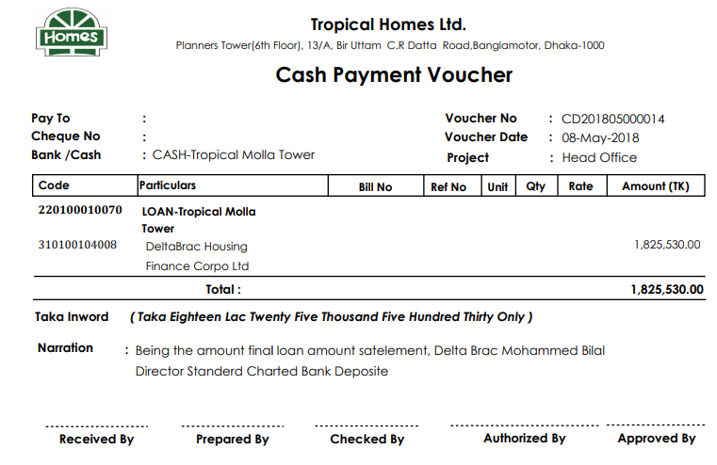
Voucher Entry System

Credit Purchase Entry

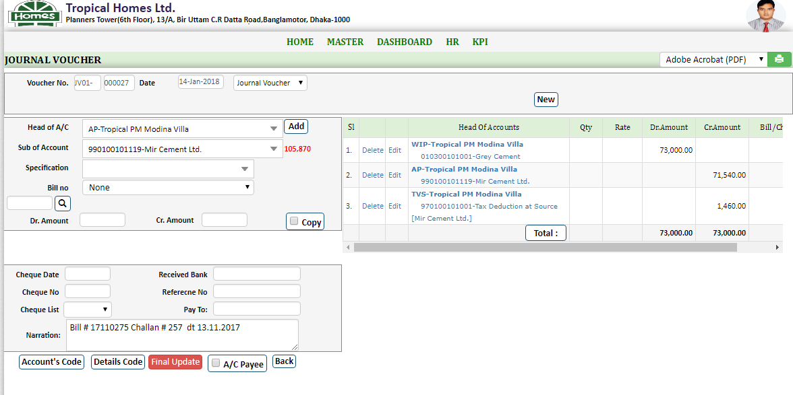
 | 1 | Select Date
 | 2 | Select Journal Voucher
 | 3 | Select Head of A/C: Wip-Project Name
 | 4 | Select Sub of Account: Material Name
 | 5 | Click Add Menu

 | 1 | Select Head of A/C: AP-Project Name
 | 2 | Select Sub of Account: Supplier Name
 | 3 | Click Add Menu

 | If there is TDS

 | 1 | Select Head of A/C: TVS-Project Name
 | 2 | Select Sub of Account: Tax Deduction at Source
 | 3 | Select Specification: Supplier Name
 | 4 | Click Add Menu

 |  | * Type Narration
 |  | Select Final Update

Cash Purchase Entry
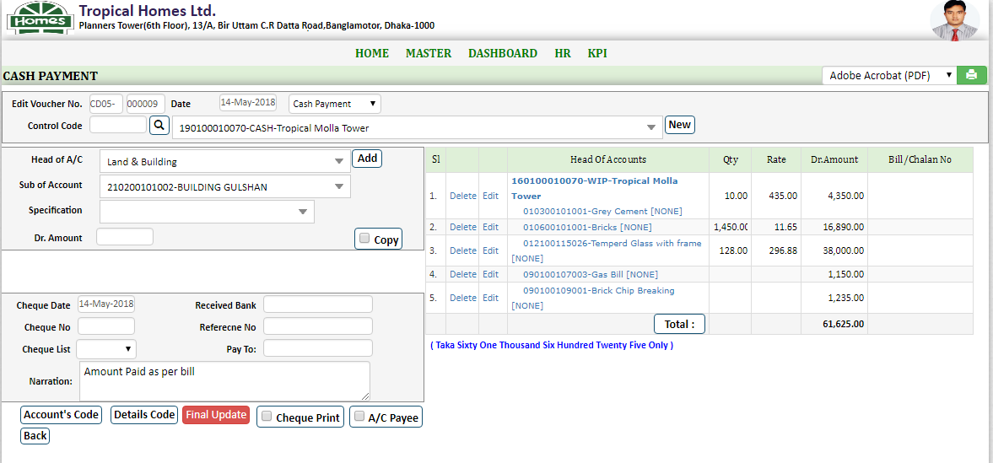
 | 1 | Select Date
 | 2 | Select Bank Payment / Cash Payment
 | 3 | Select Head of A/C: Wip-Project Name
 | 4 | Select Sub of Account: Material Name
 | 5 | Click Add Menu

 |  | * Type Narration
 |  | Select Final Update

Payment Voucher Entry
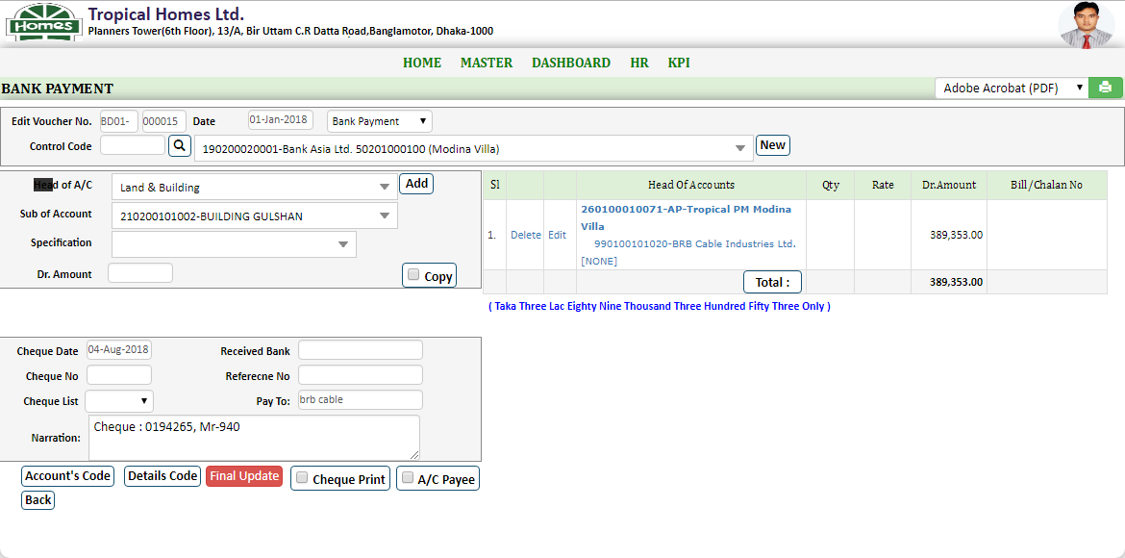
 | 1 | Select Date
 | 2 | Select Bank Payment / Cash Payment
 | 3 | Control Code: Select Bank Name / Cash -Project Name
 | 4 | Select Head of A/C: Select Code 26 AP-Project Name
 | 5 | Select Sub of Account: 99 Supplier /98 Sub-cont.
 | 6 | Click Add Menu
 | 7 | Type Narration
 | 8 | Select Final Update

Receipt From Another Project
 |  | Example: Tropical PM Modina Villa Receipt From Tropical Wahid Center
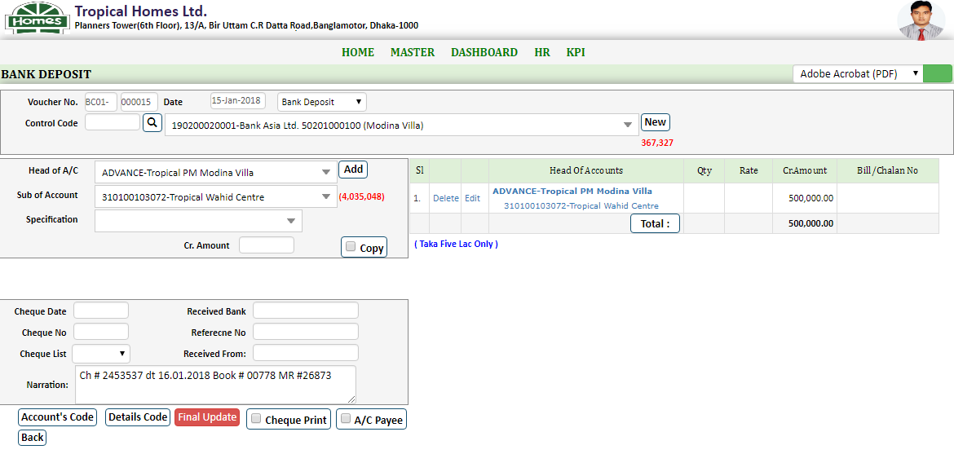
 | 1 | Select Date
 | 2 | Select Cash Deposit/Bank Deposit
 | 3 | Select Control Code: Cash/Bank-Tropical PM Modina Villa
 | 4 | Select Head of A/C: 13-Advanced-Tropical PM Modina Villa
 | 5 | Select Sub of Account: 31- Tropical Wahid Center
 | 6 | Click Add Menu

 |  | * Type Narration
 |  | Select Final Update

payment to Another Project
 |  | Example: Tropical Bhuyan Tower Payment To Tropical Molla Tower
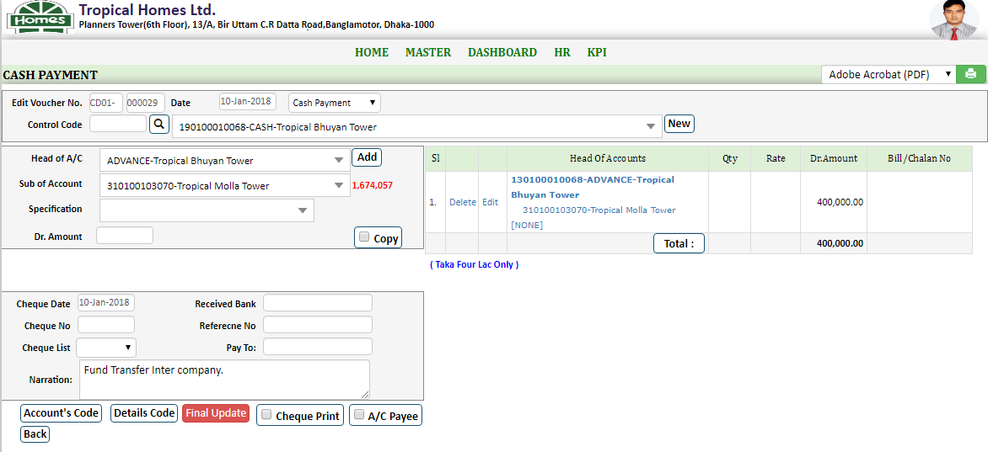
 | 1 | Select Date
 | 2 | Select Cash Payment/Bank Payment
 | 3 | Select Control Code: Cash/Bank- Tropical Bhuyan Tower
 | 4 | Select Head of A/C: 13-Advanced-Tropical Bhuyan Tower
 | 5 | Select Sub of Account: 31-Tropical Molla Tower
 | 6 | Click Add Menu

 |  | * Type Narration
 |  | Select Final Update

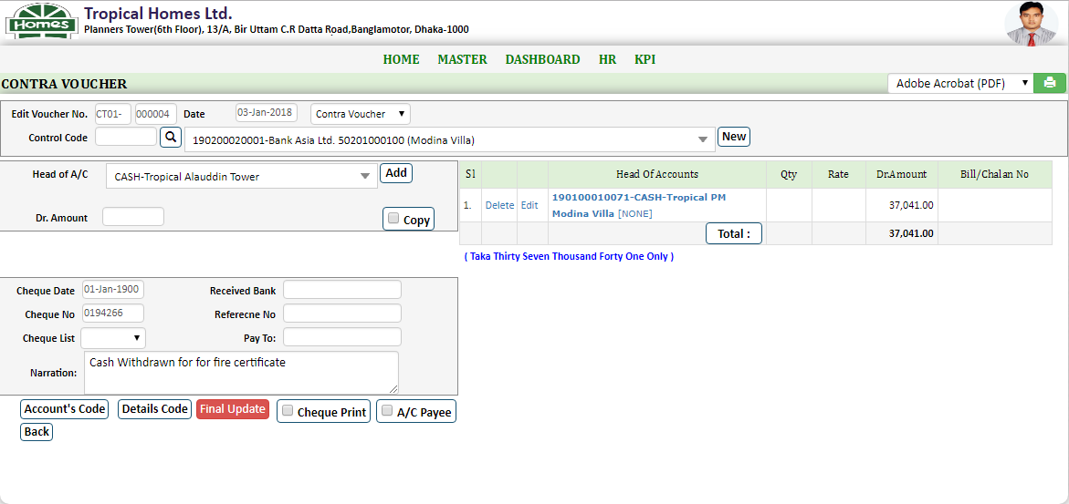
Contra Voucher Entry
 |  | Example: Fund Transfer Bank Asia (Modina Villa to Cash Tropical modina villa)
 | 1 | Select Date
 | 2 | Select Contra Voucher
 | 3 | Select Control Code: Asia Bank (Modina Villa)
 | 4 | Select Head of A/C: 19 Cash Tropical modina villa
 | 6 | Click Add Menu
 | 7 | Type Narration
 | 8 | Select Final Update

TVS Payment Voucher

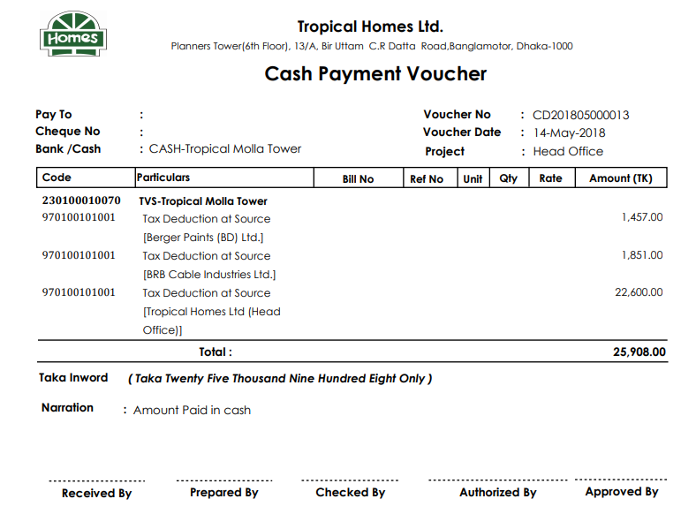

loan amount satelement

