TOC Gallery
True|True|3|Medium|Medium|False
 | Table of Contents

INDEX MATCH Benefits
VLOOKUP Breaks
VLOOKUP to Left

MATCH Definition
Match Example
Match Column Example

INDEX Definition
INDEX Example
INDEX MATCH Example

INDEX MATCH vs VLOOKUP
Lookup to the Left
Match Row and Col

Most Common Error
Sales Data
Region

Region Table
Source

MATCH Definition
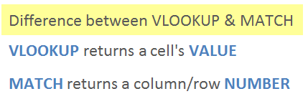
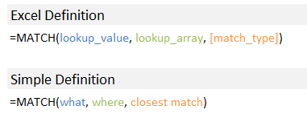
MATCH Definition

INDEX Definition

INDEX Definition

INDEX Returns a Cell's Value based on the intersection of the row and column number of a range.

