Sheet7
decile | predicted_resp | actual_resp | error | avg error |  | Coefficients | Estimate Std. Error | z value | Pr(>|z|)
1 | 0.001045591 | 0.0007593014 | 0.0002862896 | 0.0263% | (Intercept) | -6.10671 | 0.07907 | -77.229 | < 2e-16 ***
2 | 0.001266883 | 0.0016453613 | 0.0003784783 |  | CR_Penetration_Pct | 0.18365 | 0.04513 | 4.069 | 4.72e-05 *** |  | Chisq | PR(>Chisq)
3 | 0.00151932 | 0.0010125301 | 0.0005067899 |  | comp_distance_flag | 0.1819 | 0.08543 | 2.129 | 0.0332 * | CR_Penetration_Pct | 16.55693 | 0.000047211
4 | 0.001781745 | 0.0013920526 | 0.0003896924 |  | X_3yr_Resp | 0.31969 | 0.05715 | 5.593 | 2.23e-08 *** | comp_distance_flag | 4.53303 | 0.033246699
5 | 0.002037908 | 0.0025313251 | 0.0004934171 |  | Signif. codes: 0 ‘***’ 0.001 ‘**’ 0.01 ‘*’ 0.05 ‘.’ 0.1 ‘ ’ 1 |  |  |  |  | X_3yr_Resp | 31.28716 | 0.000000022
6 | 0.002299461 | 0.0024047589 | 0.0001052979 |  | AIC: 2750.8 |  |  |  |  | Total | 52.37712
7 | 0.002660972 | 0.002657555 | 0.000003417
8 | 0.00308811 | 0.0030375902 | 5.05198E-05
9 | 0.003819676 | 0.0041766865 | 0.0003570105
10 | 0.005878026 | 0.0058220478 | 5.59782E-05
Model w/ Outliers Removed
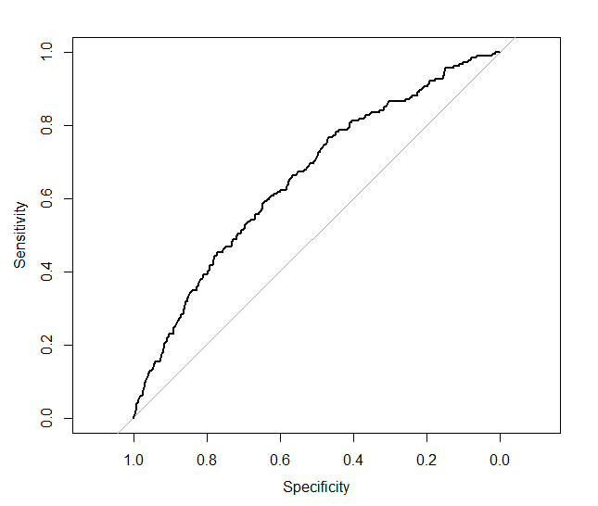

 |  |  |  |  |  |  | Area under the curve: 0.6548

