Sheet1
Chapter Name/Number | Page Number | Figure Number | Caption | Thumbnail | Category | Alt Text | Character Count | Comments
Chapter 6 |  |  |  |  | 1 | A C T scan shows the lateral view of spinal cord. An axial C T scan in the middle shows an abdomen. A radiograph on the right shows the anterior view of the chest. | 163
Chapter 6 | 3 | Fig. 6.1 | The hepatobiliary system and the pancreas. (From Thibodeau, G.A., Patton, K.T. (2009). Anatomy & physiology. (7th ed.). St. Louis: Mosby.) | 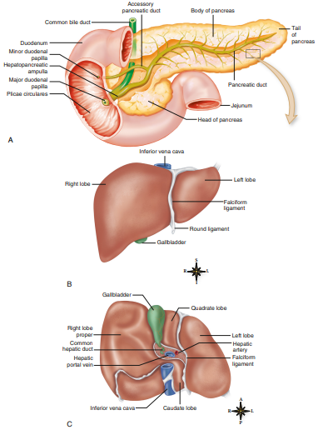 | 3 | (A) shows an anterior view of stomach and pancreas. From top to lower right in an anticlockwise direction, the labels are as follows: Duodenum, minor duodenal papilla, hepatopancreatic ampulla, major duodenal papilla, plicae circulares, head of pancreas, and jejunum. From left to right, the labels on the top are as follows: Common bile duct, accessory pancreatic duct, body of pancreas, tail of pancreas, and pancreatic duct. (B) shows an anterior view of liver. A large left lobe is labeled right lobe. From top to bottom, in a clockwise manner, the labels on the right are as follows: Inferior vena cava, left lobe, falciform ligament, round ligament, and gallbladder. A compass is shown on the lower right. From top to left in a clockwise manner, the directions are marked as follows: S, L, I, and R. (C) shows an inferior view of the liver. From top to bottom in an counterclockwise manner, the labels on the left are as follows: Gallbladder, right lobe proper, common hepatic duct, hepatic portal vein, and inferior vena cava. From top to bottom in a clockwise manner, the labels on the right are as follows: Quadrate lobe, left lobe, hepatic artery, falciform ligament, and caudate lobe. A compass is shown on the lower right. From top to left in a clockwise manner, the directions are marked as follows: A, L, P, and R. | 1328 | ok
Chapter 6 | 5 | Fig. 6.2 | Axial contrast-enhanced CT images of the eight hepatic segments. Segment I (B) is the caudate lobe and it is located posteriorly. Segments II, III, and IV are in the left lobe of the liver (A & B). Anterior segments V (C & D) and VIII (A & B) and posterior segments VI (C & D) and VII (A & B) are in the right lobe of the liver. (FromBoland, G.W.L. (2014). Gastrointestinal imaging: The requisites. (4th ed.). Philadelphia: Saunders. P. 218, Figure 6-2.) | 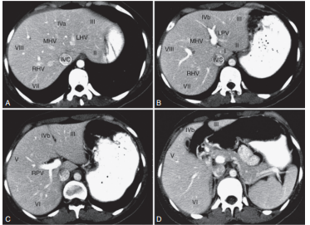 | 3 | (A) shows a radiograph of liver. An anterior view of liver shows liver segments. From lower left to upper right in a clockwise direction, the segments on the left lobe of the liver are marked as follows: Roman numeral seven, R H V, Roman numeral eight, M H V, Roman numeral four a, Roman numeral three, and Roman numeral two. The central lobe segment is marked Roman numeral four C. (B) shows a radiograph of liver. An anterior view of liver shows liver segments. From lower left to upper right in a clockwise direction, the segments on the left lobe of the liver are marked as follows: Roman numeral seven, R H V, Roman numeral eight, M H V, Roman numeral four a, Roman numeral three, L P V, Roman numeral two, and Roman numeral one. The central lobe segment is marked Roman numeral four C. (C) shows a radiograph of liver. A posterior view of liver shows liver segments. From lower left to upper right in a clockwise direction, the segments on the right lobe of the liver are marked as follows: Roman numeral six, R P V, Roman numeral five, Roman numeral four b, and Roman numeral three. (D) shows a radiograph of liver. A posterior view of liver shows liver segments. From lower left to upper right in a clockwise direction, the segments on the right lobe of the liver are marked as follows: Roman numeral six, Roman numeral five, Roman numeral four b, and Roman numeral three. | 1381 | These are not radiograhs. These are axial C T scan views. Refer to captions for type of scans. For example, radiograph, C T scan, M R scan, etc. Make the changes globally. Also, start alt text like (A) An axial C T scan shows,………….
Chapter 6 | 6 | Fig. 6.3 | The biliary system. (From Thibodeau, G.A., Patton, K.T. (2009). Anatomy & physiology. (7th ed.). St. Louis: Mosby.) | 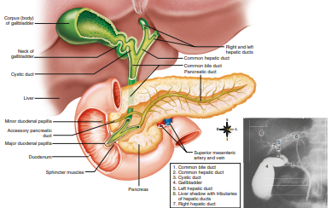 | 3 | An anterior view of the bile duct attached to the pancreas and stomach. From top to bottom, the labels on the left are as follows: Corpus (body) of the gallbladder, neck of gallbladder, cystic duct, liver, minor duodenal papilla, accessory pancreatic duct, major duodenal papilla, duodenum, and sphincter muscles. From top to bottom, the labels on the right are as follows: Right and left hepatic ducts, common hepatic duct, common bile duct, pancreatic duct, superior mesenteric artery and vein, and pancreas. A compass is shown on the right. From top to left in a clockwise manner, the directions are marked as follows: S, L, I, and R. A radiograph on the lower right shows an anterior view of vessels of the biliary system. A small tube emerging from the right marked 1 merges into a duct on the left marked 4. A small tube emerging from the mark 4 is marked 3. From bottom to top, a network of tubes emerging from tube marked 3 is marked as follows: 2, 7, and 5. Two tubes emerging each on the left and right from mark 7 are marked 6. A table on the left enlists the ducts of the radiograph as follows: 1. Common bile duct 2. Common hepatic duct 3. Cystic duct 4. Gallbladder 5. Left hepatic duct 6. Liver shadow with tributaries of hepatic ducts 7. Right hepatic duct | 1273
Chapter 6 | 7 | Fig. 6.4 | Image of a normal-appearing biliary tree and pancreatic duct as visualized during an endoscopic retrograde cholangiopancreatogram (ERCP) examination with retrograde contrast injection of the ducts. The anatomy is labeled as follows: (A) Gallbladder, (B) cystic duct, (C) right hepatic ducts, (D) left hepatic ducts, (E) common hepatic duct, (F) common bile duct, (G) pancreatic duct, (H) hepatopancreatic ampulla, and (I) duodenum. (From The Ohio State University Wexner Medical Center, Columbus, Ohio.) | 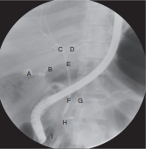 | 2 | A radiograph shows the biliary system. A small sac-like structure on the left is labeled A. A duct adjacent to A is labeled B. A narrow duct emerging from B is labeled E. Two tubes each emerging on the left and right from E are labeled C and D, respectively. An inferior end of E is labeled F. A duct adjacent to F is labeled G. An adjacent part inferior to F is labeled H. A small muscular opening inferior to H is labeled I. | 426
Chapter 6 | 7 | Fig. 6.5 | The common bile duct and pancreatic duct. (From Lampignano, J.P., Kendrick, L.E. (2018). Bontrager’s textbook of radiographic positioning and related anatomy. (9th ed.). St. Louis: Elsevier, p. 447, Fig. 12.5.) | 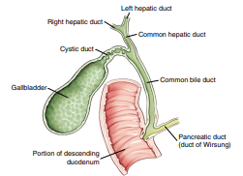 | 2 | An anterior view of the bile duct and pancreatic duct. From top to bottom, the labels on the left are as follows: Right hepatic duct, cystic duct, gallbladder, and portion of descending duodenum. From top to bottom, the labels on the right are as follows: Left hepatic duct, common hepatic duct, common bile duct, and pancreatic duct (duct of Wirsung). | 352
Chapter 6 | 8 | Fig. 6.6 | Anteroposterior abdominal radiograph of the upper abdomen demonstrating multiple large gallstones (white arrows) that are radiopaque in their composition. (From The Ohio State University Wexner Medical Center, Columbus, Ohio.) | 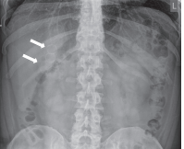 | 1 | A radiograph of an upper abdomen. Several large irregular stone-like structures are present throughout the abdomen—two arrows on the left point these stones. | 157
Chapter 6 | 8 | Fig. 6.7 | Abdominal radiograph with visualization of pneumobilia shown as a gas-filled biliary tree with the arrow pointing toward the common bile duct segment. Cholecystectomy clips are also seen in the right-upper quadrant. (From The Ohio State University Wexner Medical Center, Columbus, Ohio.) | 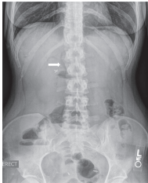 | 1 | A radiograph of the lower abdomen shows an enlarged biliary system. An arrow on the left points to the common bile duct. | 120
Chapter 6 | 8 | Fig. 6.8 | Anteroposterior radiograph of the upper abdomen showing hepatomegaly. Note the long craniocaudal length of the liver (bracket), which extends well below the inferior pole of the right kidney (dashes) and into the right lower quadrant. (From The Ohio State University Wexner Medical Center, Columbus, Ohio.) | 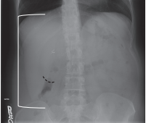 | 1 | A radiograph of the upper abdomen shows a severely enlarged liver touching the diaphragm. A dashed curve is shown on the kidney lobe. | 133
Chapter 6 | 8 | Fig. 6.9 | Demonstration of the biliary system via a percutaneous transhepatic cholangiogram. (From The Ohio State University Wexner Medical Center, Columbus, Ohio.) | 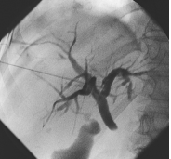 | 1 | A radiograph shows ducts of the biliary system. | 47
Chapter 6 | 9 | Fig. 6.10 | Percutaneous transhepatic cholangiogram examination with placement of an internal–external biliary drainage catheter, which is used to bypass an obstruction within the biliary tree. In this case the cause of the obstruction is a large gallstone (arrow) within the distal common bile duct. (From The Ohio State University Wexner Medical Center, Columbus, Ohio.) | 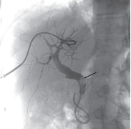 | 1 | A radiograph shows ducts of the biliary system. An arrow points to a large irregular stone-like structure in the right duct. | 124
Chapter 6 | 9 | Fig. 6.11 | Spot images from an ERCP showing normal anatomy of the biliary ductal system and pancreatic duct. (A) The endoscope (E) is positioned in the second segment of the C-loop of the duodenum and a small catheter (arrow) extends into the pancreatic duct (PD), which is opacified following an injection of iodinated contrast. (B) The catheter (arrow) is positioned within the common bile duct (CBD) and injection of iodinated contrast results in retrograde filling of the CBD, common hepatic duct (CHD), cystic duct (CD), and gallbladder (G), as well as the unlabeled right and left common hepatic ducts and numerous intrahepatic ducts. (From The Ohio State University Wexner Medical Center, Columbus, Ohio.) | 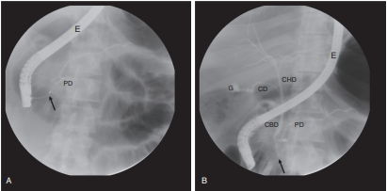 | 2 | (A) shows a radiograph of the biliary duct. A small narrow duct is labeled P D. A long narrow tube labeled E emerging from the upside enters into P D. An arrow points to a small connecting tube between E and P D. (B) shows a radiograph of the biliary duct. A small narrow duct is labeled P D. A long narrow tube labeled E emerges from the upside. An arrow points to a small tube in a tube labeled C B D. A duct-like structure on the upper left of C B D is labeled G. An adjacent small narrow tube is labeled C D. A network of tubes emerging from an adjacent C H D. | 564
Chapter 6 | 10 | Fig. 6.12 | A digital image of an operative cholangiogram captured by a portable fluoroscopic C-arm during surgery. (From The Ohio State University Wexner Medical Center, Columbus, Ohio.) | 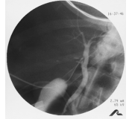 | 1 | A radiograph shows a needle injected into a common bile duct. | 61
Chapter 6 | 10 | Fig. 6.13 | Fluoroscopic scout image of a T-tube (black arrow). A surgical drain (white arrow) is also present in the field of view. (From The Ohio State University Wexner Medical Center, Columbus, Ohio.) | 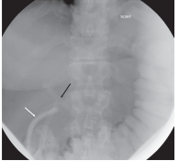 | 1 | A radiograph shows a T-shaped tube injected into a common bile duct. A black arrow points to the needle and a white arrow points to the drainage of the duct. | 157
Chapter 6 | 10 | Fig. 6.14 | T-tube cholangiogram image with contrast filling the biliary tree and flowing into the duodenum indicating patency of the sphincter of Oddi. (From The Ohio State University Wexner Medical Center, Columbus, Ohio.) | 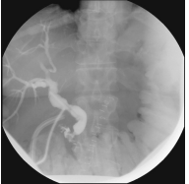 | 1 | A radiograph of the biliary ducts with duodenum. A small narrow tube inserted into the duodenum. | 96
Chapter 6 | 11 | Fig. 6.15 | A sagittal sonographic view of the gallbladder demonstrating choleliths (arrow). (From The Ohio State University Wexner Medical Center, Columbus, Ohio.) | 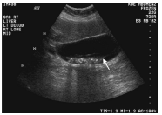 | 1 | A radiograph of the gallbladder. An arrow points to several irregularly shaped stone-like structures in the gallbladder. | 120
Chapter 6 | 11 | Fig. 6.16 | Sonogram depicting multiple choleliths (arrows) within the gallbladder. Note the dark area of shadowing below the stones. (From The Ohio State University Wexner Medical Center, Columbus, Ohio.) | 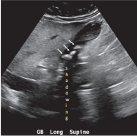 | 1 | A radiograph of the gallbladder. Three arrows point to three irregularly shaped stone-like structures in the gallbladder. | 121
Chapter 6 | 12 | Fig. 6.17 | Cholelithiasis as seen on (A) axial CT image (arrow) and (B) coronal CT image (arrow). (From The Ohio State University Wexner Medical Center, Columbus, Ohio.) | 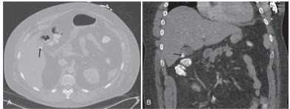 | 2 | (A) shows a radiograph of the liver. A superior view of the liver shows small irregularly shaped stone-like structures. An arrow points to a stone-like structure on the axial side of the liver. (B) shows a radiograph of the liver. A lateral view of the liver shows small irregularly shaped stone-like structures near the gallbladder. An arrow points to a stone-like structure on the inferior side of the liver. | 410
Chapter 6 | 13 | Fig. 6.18 | (A and B) Three-phase CT of the liver following a bolus injection of intravenous contrast, demonstrating the arterial circulation. (C and D) Three-phase CT of the liver, delayed images demonstrating the portal venous flow. (From The Ohio State University Wexner Medical Center, Columbus, Ohio.) | 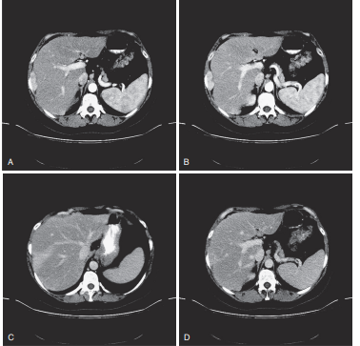 | 1 | (A) shows a radiograph of the abdomen. (B) shows a radiograph of the abdomen. A superior view of the liver shows fluid in the hepatic artery. (C) shows a radiograph of the abdomen. (B) shows a radiograph of the abdomen. A superior view of the liver shows fluid in the hepatic vein. | 281
Chapter 6 | 14 | Fig. 6.19 | CT of a 39-year-old female after a car accident reveals large lacerations of the liver. (From Riverside Methodist Hospital, Columbus, Ohio.) | 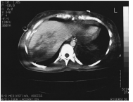 | 1 | A radiograph of the liver shows scars on the right lobe of the liver. | 69
Chapter 6 | 14 | Fig. 6.20 | CT-guided biopsy clearly demonstrates the needle in the liver. (From Riverside Methodist Hospital, Columbus, Ohio.) | 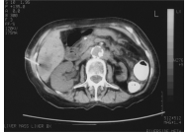 | 1 | A radiograph of the abdomen shows a needle injected into the liver. | 67
Chapter 6 | 14 | Fig. 6.21 | NM HIDA scan demonstrates ready ejection of the radionuclide from the gallbladder through sequential images into the duodenum. (From The Ohio State University Wexner Medical Center, Columbus, Ohio.) | 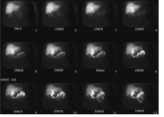 | 1 | A set of twelve radiographs of the liver. From 1 to 12, the radiographs are labeled as follows: 5 minutes, 10 minutes, 15 minutes, 20 minutes, 25 minutes, 30 minutes, 35 minutes, 40 minutes, 45 minutes, 50 minutes, 55 minutes, and 60 minutes. From radiographs 1 to 12 the duodenum appears clearly. | 297 | There are some variabtions in the scan along with time. Only time labeling does not work here.
Chapter 6 | 15 | Fig. 6.22 | (A) Axial contrast-enhanced CT and (B) PET images of a 50-year-old male with multiple metastatic liver lesions associated with colon metastases. (From Boland, G.W.L. (2014). Gastrointestinal imaging: The requisites. (4th ed.). Philadelphia: Saunders, p 225, Figure 6-14.) | 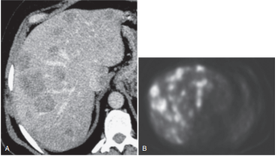 | 1 | (A) shows a radiograph of the liver with several lesions on it. (B) shows a radiograph of the liver with several irregular lesions on the liver. | 144
Chapter 6 | 15 | Fig. 6.23 | T2-weighted coronal half-Fourier acquisition singleshot turbo spin echo (HASTE) MR image of the liver in a patient with cirrhosis and abdominal and peritoneal ascites. Also note enlarged right side of heart. (From Forsyth Technical Community College, Winston–Salem, NC.) | 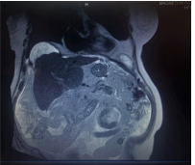 | 1 | A radiograph shows an enlarged heart and liver with severe lesions and scars on the liver. | 90
Chapter 6 | 15 | Fig. 6.24 | T2-weighted true fast imaging with steady-state precession (TrueFISP) axial MR image of the abdomen demonstrating a retroperitoneal hemorrhage as bright, high-signal fluid. (From Riverside Methodist Hospital, Columbus, Ohio.) | 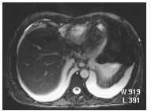 | 1 | A radiograph shows an abdomen filled with fluid. | 48
Chapter 6 | 16 | Fig. 6.25 | MRCP image demonstrating common bile duct and intrahepatic duct dilatation caused by an impacted stone (arrow) at the ampulla of Vater. (From Boland, G.W.L. (2014). Gastrointestinal imaging: The requisites. (4th ed.). Philadelphia: Saunders, p 322, Figure 8-22.) | 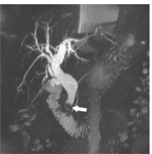 | 1 | A radiograph shows the biliary system with an enlarged bile duct. An arrow at the end of the duct points to a small irregularly shaped stone. | 141
Chapter 6 | 16 | Fig. 6.26 | Radiograph obtained after contrast injection of a cholecystostomy tube placed within the gallbladder for bile drainage in a nonsurgical candidate. (From The Ohio State University Wexner Medical Center, Columbus, Ohio.) | 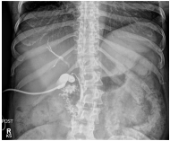 | 1 | A radiograph shows a tube inserted into a gallbladder. | 54
Chapter 6 | 17 | Fig. 6.27 | A) In-phase and (B) out-of-phase MR images demonstrating signal loss on the out-of-phase image caused by a diffuse fatty liver. (From Boland, G.W.L. (2014). Gastrointestinal imaging: The requisites. (4th ed.). Philadelphia: Saunders; p 229, Figure 6-26.) | 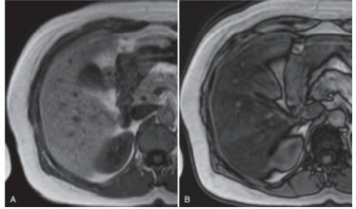 | 1 | (A) shows a radiograph of a fatty liver with fat brighter than the liver. (B) shows a radiograph of a fatty liver with fat darker than the liver. | 145
Chapter 6 | 17 | Fig. 6.28 | CT showing fatty liver infiltration. (From The Ohio State University Wexner Medical Center, Columbus, Ohio.) | 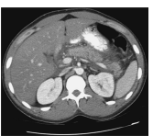 | 1 | A radiograph shows a liver with densely deposited fat throughout the liver. | 75
Chapter 6 | 17 | Fig. 6.29 | Varices related to portal hypertension. (From McCance, K.L., Huether, S.E. (2010). Pathophysiology: The biologic basis for disease in adults and children. (6th ed.). St. Louis: Mosby.) | 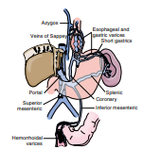 | 2 | An illustration shows an anterior view varices. From top to bottom, the labels on the left are as follows: Azygos, veins of Sappey, portal, superior mesenteric, and hemorrhoidal varices. From top to bottom, the labels on the right are as follows: Esophageal and gastric varices, short gastrics, splenic, coronary, and inferior mesenteric. | 338
Chapter 6 | 18 | Fig. 6.30 | (A) Axial and (B) coronal images from a contrast-enhanced CT demonstrating cirrhosis, ascites (arrowhead), splenic varices (arrows), and splenomegaly. (From Boland, G.W.L. (2014). Gastrointestinal imaging: The requisites. (4th ed.). Philadelphia: Saunders; p 295, Figure 7-9.) | 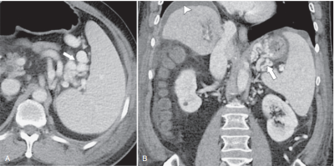 | 2 | (A) shows a radiograph of the liver with an enlarged liver and spleen. An arrow points to the varices of the spleen. (B) shows a radiograph of the liver with enlarged liver and spleen. An arrowhead on the upper left points to the enlarged fluid-filled abdominal cavity. An arrow on the right points to the varices of the spleen. | 328
Chapter 6 | 18 | Fig. 6.31 | T2-weighted coronal half-Fourier acquisition single-shot turbo spin echo (HASTE) MR image of the liver. The diagnosis is cholelithiasis and a dilated common bile duct. (From Forsyth Technical Community College, Winston–Salem, NC.) | 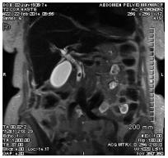 | 1 | A radiograph shows an enlarged bile duct and small irregular stones in the gallbladder. | 87
Chapter 6 | 19 | Fig. 6.32 | Cirrhosis of the liver as indicated on this CT scan showing a shrunken liver with significant ascites around it within the abdomen. (From Riverside Methodist Hospital, Columbus, Ohio.) | 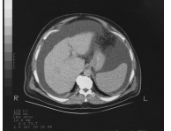 | 1 | A radiograph shows a shrunken liver filled with fluid in the abdominal cavity. | 78
Chapter 6 | 19 | Fig. 6.33 | Supine abdominal radiograph of the lower abdomen and pelvis, demonstrating the gray and hazy appearance caused by abdominal ascites. (From The Ohio State University Wexner Medical Center, Columbus, Ohio.) | 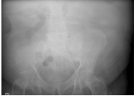 | 1 | A radiograph of the lower abdomen shows fluid fluid-filled abdominal cavity. | 76
Chapter 6 | 21 | Fig. 6.34 | (A) Digital subtraction angiographic view of a normal transjugular intrahepatic portosystemic shunt procedure with iatrogenic fistula creation between the portal vein (long arrow) and the hepatic vein (short arrow). (B) Coronal contrast-enhanced CT image demonstrating the metallic stent (arrow). (From Boland, G.W.L. (2014). Gastrointestinal imaging: The requisites. (4th ed.). Philadelphia: Saunders; p 287, Figure 6-179.) | 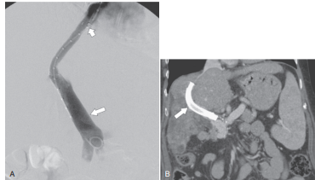 | 1 | (A) shows a radiograph of the liver. A short arrow above points to a small narrow tube. A long arrow below points to a long wide tube. (B) shows a radiograph of the liver. An arrow points to a tube inside the hepatic vein. | 222
Chapter 6 | 22 | Fig. 6.35 | Coronal contrast-enhanced CT image in a patient with acute viral hepatitis, mild hepatomegaly, portal tract edema (arrow), and diffuse gallbladder wall thickening (small arrow). An incidental simple hepatic cyst (arrowhead) and a gallstone (curved arrow) can also be seen. (From Boland, G.W.L. (2014). Gastrointestinal imaging: The requisites. (4th ed.). Philadelphia: Saunders; p 228, Figure 6-22.) | 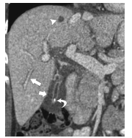 | 2 | A radiograph shows an enlarged liver. An arrowhead on the top points to a small stone-like structure on the top. A long arrow on the left points to swelling in the liver. A short arrow on the right points to the thickened wall of the gallbladder. A curved arrow adjacent to the liver points to a small cyst. | 307
Chapter 6 | 23 | Fig. 6.36 | Image obtained during a contrast injection of a cholecystostomy tube showing a patent cystic duct and the presence of many filling defects within the common bile duct, which is consistent with choledocholithiasis. (From The Ohio State University Wexner Medical Center, Columbus, Ohio.) | 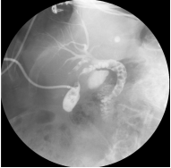 | 1 | A radiograph shows an enlarged duct with several irregular cysts connected to the gallbladder filled with fluids. | 113
Chapter 6 | 24 | Fig. 6.37 | Abdominal radiograph with the patient placed in an oblique position separating the liver border (white dashed line) from the upper renal margin (black dashed line), allowing for the small calcifications to be projected anterior to the kidney and thereby confirming that they are gallstones and not kidney stones. (From The Ohio State University Wexner Medical Center, Columbus, Ohio.) | 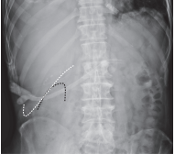 | 1 | A radiograph shows the upper abdomen. A white dashed tick mark line shows the inferior margin of the right lobe of the liver. A black dashed curved line shows the upper lobe of the kidney adjacent to the liver. | 210
Chapter 6 | 24 | Fig. 6.38 | A sagittal sonographic image of a dilated gallbladder containing stones (arrow). (From The Ohio State University Wexner Medical Center, Columbus, Ohio.) | 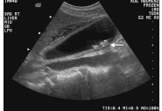 | 1 | A radiograph of the gallbladder. An arrow points to several irregularly shaped stone-like structures in the gallbladder. | 120
Chapter 6 | 24 | Fig. 6.39 | Spot image from an ERCP showing multiple filling defects in the common bile duct consistent with choledocholithiasis. In this case there is biliary obstruction, as evidenced by diffuse dilation of the visible biliary tree. (From The Ohio State University Wexner Medical Center, Columbus, Ohio.) | 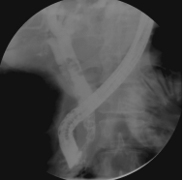 | 1 | A radiograph shows the biliary tree with an enlarged common bile duct. | 70
Chapter 6 | 24 | Fig. 6.40 | Sonogram demonstrating a thickened wall of the gallbladder (arrow), often indicative of cholecystitis. (From The Ohio State University Wexner Medical Center, Columbus, Ohio.) | 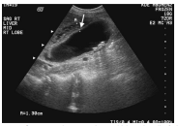 | 1 | A radiograph of the gallbladder. A downward arrow on the top points to a thick wall of the gallbladder. | 103
Chapter 6 | 25 | Fig. 6.41 | (A) Axial and (B) coronal contrast-enhanced CT scan of an inflamed gallbladder. Pericholecystic edema (large arrows) and wall thickening are caused by acute cholecystitis. (C) On the patient’s hepatobiliary iminodiacetic acid scan, there is no gallbladder filling (small arrow) of Tc-99m at 60min because of an obstructed cystic duct. The isotope passes directly into the duodenum (arrowhead). (From Boland, G.W.L. (2014). Gastrointestinal imaging: The requisites. (4th ed.). Philadelphia: Saunders; p 329, Figure 8-36.) |  | 2 | (A) shows a radiograph of the liver with several irregular cysts. A downward arrow on the top points to a large cyst. (B) shows a radiograph of the liver with a thickened wall and several irregular cysts. An arrow inferior to the liver adjacent to the gallbladder points to a large cyst. (C) shows a radiograph of the liver with a blocked gall bladder. An arrow on the left points to the cystic duct blocking the gallbladder. An arrowhead points to the duodenum adjacent to the liver. | 484
Chapter 6 | 26 | Fig. 6.42 | (A) Axial and (B) coronal contrast-enhanced CT image shows a well-contained 10-cm encapsulated fluid collection (arrows) representing a pancreatic pseudocyst. (From Boland, G.W.L. (2014). Gastrointestinal imaging: The requisites. (4th ed.). Philadelphia: Saunders, p 354, Figure 9-28.) | 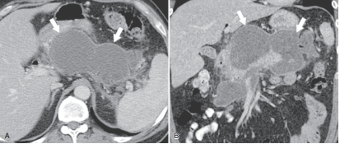 | 1 | (A) shows a radiograph of the liver and pancreas with an enlarged bilobed pancreas. An arrow points to each lobe of the pancreas. (B) shows a radiograph of the liver and pancreas with an enlarged cystic bilobed pancreas. An arrow points to each lobe of the pancreas. | 266
Chapter 6 | 27 | Fig. 6.43 | (A) MR axial T2-weighted half-Fourier acquisition single-shot turbo spin echo (HASTE) sequence demonstrating a 4 × 4.8-cm pancreatic pseudocyst in the head of the pancreas in a patient with chronic pancreatitis. (B) Magnetic resonance axial T1-weighted volumetric interpolated breath-hold examination (VIBE) with fat-suppression sequence immediately postcontrast IV administration of 15mL Multihance, demonstrating a pancreatic pseudocyst in a patient with chronic pancreatitis. (From Forsyth Technical Community College, Winston–Salem, NC.) | 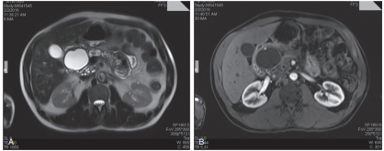 | 1 | (A) shows a radiograph of the pancreas with an enlarged irregular cyst in the head. (B) shows a radiograph of the pancreas with fluid-filled sacs. | 146
Chapter 6 | 27 | Fig. 6.44 | Abdominal radiograph shows chronic pancreatitis and diffuse pancreatic calcification (large arrows). A biliary stent (small arrow) is present because of an inflammatory biliary stricture. (From Boland, G.W.L. (2014). Gastrointestinal imaging: The requisites. (4th ed.). Philadelphia: Saunders, p 354, Figure 9-30.) | 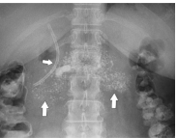 | 1 | A radiograph shows the upper abdomen. Two upward arrows on the left and right point to diffused cysts on the pancreas. A small arrow on the left points to an enlarged tube of the biliary system. | 194
Chapter 6 | 28 | Fig. 6.45 | (A) Transverse sonogram of acute pancreatitis. The pancreas is enlarged (arrows) and there is an anterior peripancreatic acute fluid collection (small arrows). CT confirms pancreatitis. (B) Axial and (C) coronal slices showing the peripancreatic fluid collection (small arrows) as well as near-complete pancreatic necrosis (arrowheads) with sparing of the pancreatic tail (thin arrows). (From Boland, G.W.L. (2014). Gastrointestinal imaging: The requisites. (4th ed.). Philadelphia: Saunders, p 352, Figure 9-25.) |  | 3 | (A) shows a radiograph of an enlarged pancreas. Two arrows each on the upper left and upper right point to the enlarged margin of the pancreas. A small arrow on the top points to fluid surrounded by the pancreas in the abdominal cavity. (B) shows a radiograph of an enlarged pancreas. Two small arrows on the top point to the enlarged margin of the pancreas. Two arrowheads on the inferior border of the pancreas point to lesions on the pancreas. A thin arrow at the inferior end of the pancreas points to the extended pancreatic tail. (C) shows a radiograph of an enlarged pancreas. An arrowhead on the inferior border of the pancreas points to lesions on the pancreas. A thin arrow at the inferior end of the pancreas points to the extended pancreatic tail. | 760
Chapter 6 | 29 | Fig. 6.46 | A sagittal sonographic image demonstrating a stone (arrow) lodged in the distal portion of the common bile duct close to the ampulla of Vater (A), resulting in dilation and obstruction of the common bile duct. (From The Ohio State University Wexner Medical Center, Columbus, Ohio.) | 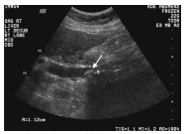 | 1 | A radiograph of the gallbladder. A downward arrow labeled A points to a small irregular stone in the bile duct. Note: A equals 1.12 centimeters is mentioned on the lower left of the radiograph. | 193
Chapter 6 | 30 | Fig. 6.47 | A sagittal sonogram demonstrating simple cysts (arrows) as smooth-walled and anechoic, with posterior acoustic shadowing (arrowheads). (From Boland, G.W.L. (2014). Gastrointestinal imaging: The requisites. (4th ed.). Philadelphia: Saunders, p 241, Figure 6-57.) | 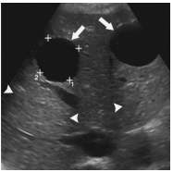 | 2 | A radiograph of the liver with cysts. Two arrows on the top of each point to a smooth cyst. The upper right and upper left corners are marked with a plus sign. The lower right corner is marked plus subscript 1. The lower left corner is marked plus subscript 2. Two arrowheads below the cyst on the left and an arrowhead on the right below the cyst point to shadows of hepatic cysts. | 382
Chapter 6 | 30 | Fig. 6.48 | (A) Axial T2-weighted, (B) in-phase, (C) out-of-phase, (D) arterial, and (E) 20-minute delayed hepatobiliary contrast MR imaging study in a female with hepatic adenoma. The lesion demonstrates mild T2- weighted hyperintensity (arrows) and fat, as shown by signal drop-off on out-of-phase images (small arrow). It avidly enhances during arterial-phase imaging and demonstrates a capsule and slight internal retention of hepatobiliary contrast agent at 20min. These features are diagnostic of adenoma. (From Boland, G.W.L. (2014). Gastrointestinal imaging: The requisites. (4th ed.). Philadelphia: Saunders, p 254, Figure 6-91.) | 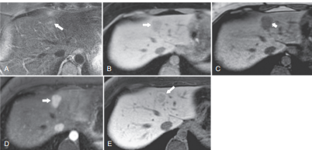 | 2 | (A) shows a radiograph of the liver with a glandular tumor. An arrow points to the tumor. (B) shows a radiograph of the liver with a glandular tumor. An arrow points to the tumor appearing brighter than the liver. (C) shows a radiograph of the liver with a glandular tumor. An arrow points to the tumor appearing brighter than the liver. (D) shows a radiograph with a glandular tumor near the thickened hepatic wall. An arrow points to the tumor. (E) shows a radiograph with a glandular tumor near the thickened hepatic wall. An arrow points to the irregular glandular tumor. | 575
Chapter 6 | 32 | Fig. 6.49 | Coronal T2-weighted half-Fourier acquisition singleshot turbo spin echo (HASTE) sequence demonstrating a 10.4 × 6.1-cm hepatic hemangioma. (From Forsyth Technical Community College, Winston–Salem, NC.) | 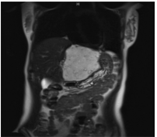 | 1 | A radiograph of the upper abdomen shows an enlarged tumor in the liver with bright lesions on the liver. | 104
Chapter 6 | 33 | Fig. 6.50 | MR axial T1-weighted volumetric interpolated breath-hold examination (VIBE) with fat suppression 20min post administration of 6mL IV Eovist demonstrating a 10.4 × 6.1-cm hepatic hemangioma. (From Forsyth Technical Community College, Winston–Salem, NC.) | 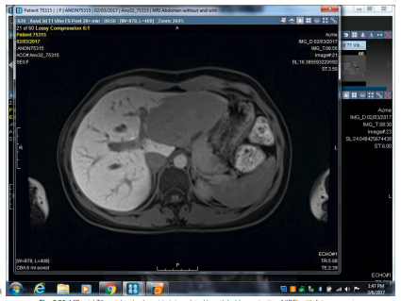 | 1 | A radiograph on the computer screen shows an enlarged liver with a tumor and several fluid-filled lesions. | 106 | This is a screen capture.
Chapter 6 | 34 | Fig. 6.51 | (A) Axial noncontrast, (B) arterial, (C) portal venous phase, and (D) delayed-phase contrast-enhanced CT images of a hepatic hemangioma. The lesion is vaguely identifiable on noncontrast CT, and there is early peripheral arterial enhancement (arrows), nodular peripheral portal venous phase enhancement (small arrows), and almost complete “filling in” with contrast material on delayed imaging (thin arrow). This highly characteristic enhancement pattern is diagnostic for hepatic hemangioma. (From Boland, G.W.L. (2014). Gastrointestinal imaging: The requisites. (4th ed.). Philadelphia: Saunders, p 245, Figure 6-74.) | 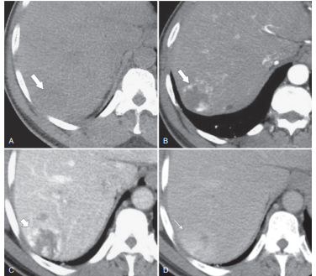 | 2 | (A) shows a radiograph of the liver. An arrow points to a bright lesion. (B) shows a radiograph of a compressed liver. An arrow points to a lesion darker than the liver. (C) shows a radiograph of the liver with lesions. An arrow points to a lesion filled with fluid. (D) shows a radiograph of the liver. A thin arrow points to a fluid-filled lesion brighter than the liver. | 373
Chapter 6 | 35 | Fig. 6.52 | Large, heterogeneous lesion in the liver consistent with hepatoma. (From Riverside Methodist Hospital, Columbus, Ohio.) | 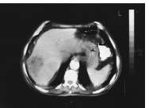 | 1 | A radiograph shows the liver with an irregular tumor on the left lobe. The lesions and the tumor appear darker than the liver. | 126
Chapter 6 | 35 | Fig. 6.53 | A) Axial arterial and (B) delayed contrast-enhanced MR showing two foci of hepatocellular carcinoma (arrows) that washed out on delayed imaging. (From Boland, G.W.L. (2014). Gastrointestinal imaging: The requisites. (4th ed.). Philadelphia: Saunders, p 264, Figure 6-122.) |  | 2 | (A) shows a radiograph of the liver with two irregular tumors on the right lobe. Two arrows on the left point to the center of the tumor appear brighter than the liver. (B) shows a radiograph of the liver with two irregular tumors on the right lobe. Two arrows on the left each point to the center of the tumor. | 311
Chapter 6 | 35 | Fig. 6.54 | CT scan of the liver demonstrating metastatic spread from bronchogenic carcinoma (arrows). (From The Ohio State University Wexner Medical Center, Columbus, Ohio.) |  | 1 | A radiograph shows the liver with several deep lesions and tumors. Seven arrows from upper right to upper left in a clockwise direction each point to the tumor spread throughout the liver. | 188
Chapter 6 | 35 | Fig. 6.55 | CT scan after duodenal cancer resection in a 21-year-old female demonstrates local recurrence and metastasis to the lateral border of the liver in this slice. (From Riverside Methodist Hospital, Columbus, Ohio.) |  | 1 | A radiograph shows the liver with excess cellular growth at the duodenum. | 73
Chapter 6 | 36 | Fig. 6.56 | A “porcelain” gallbladder in a 70-year-old male with a history of recurrent indigestion. (From American College of Radiology, Reston, Virginia.) |  | 1 | A radiograph of lower abdomen shows shell-like gallbladder. | 59
Chapter 6 | 36 | Fig. 6.57 | Gallbladder carcinoma resulting in metastasis to surrounding structures, as seen on this CT. The gallbladder (arrowhead) is surrounded by metastasis, with significant metastasis into the pancreas area and right kidney. (From Riverside Methodist Hospital, Columbus, Ohio.) |  | 1 | A radiograph shows the liver with excess cellular growth near the gallbladder. | 78
Chapter 6 | 36 | Fig. 6.58 | Spot image from a T-tube cholangiogram study on a patient with cholangiocarcinoma. Note the irregular contour of the common hepatic duct and the common bile duct with scattered areas of narrowing and variance in contrast density throughout. (From The Ohio State University Wexner Medical Center, Columbus, Ohio.) |  | 1 | A radiograph shows a T-shaped tube inserted into the hepatic duct. A long irregular tube is adjacent to the hepatic duct. | 121
Chapter 6 | 37 | Fig. 6.59 | Pancreatic carcinoma in the head of the pancreas, as indicated by atrophy of the pancreatic body and tail. Numbers shown are for density sampling, with 10, 20, and 30 in the pancreas. (From Riverside Methodist Hospital, Columbus, Ohio.) |  | 1 | A radiograph of abdomen shows pancreas with several irregular tumors. From head to tail the tumors are spread and marked as follows: 10, 30, 20, and 40. | 152 | Mention thye location of tumors.
Chapter 6 | 38 | Fig. 6.60 | (A) Image obtained during a single contrast upper gastrointestinal (GI) series demonstrates a contour change beginning in the second portion of the duodenum and extending through the remainder of the duodenum and proximal jejunum. There is a long segment of narrowing with a markedly irregular and nodular mucosal pattern. The stomach is also dilated, and fluid filled, as demonstrated by the hazy dilution of the contrast in the gastric body. (B) Axial CT image demonstrating a large pancreatic mass enveloping the duodenum that has a thickened lumen because of tumor invasion. (C) CT image showing the large size of the same pancreatic mass as seen in the coronal plane. Fluid distension of the gastric body, similar to the upper GI image in (A) is also visible. (From The Ohio State University Wexner Medical Center, Columbus, Ohio.) |  | 2 | (A) shows a radiograph of the upper abdomen with irregular nodal excessively grown duodenum and fluid-filled stomach. (B) shows a radiograph of the abdomen. An excessively grown pancreas surrounding the duodenum is highlighted by a circle. (C) shows a radiograph of the upper abdomen. An excessively grown pancreas touching the liver and surrounding the duodenum is highlighted by a circle. | 390

