Publication_Figures
Figure C is used in the main-manuscript file. Figures A and B are retained as additional post-hoc sensitivity grids in the Supplementary Information.
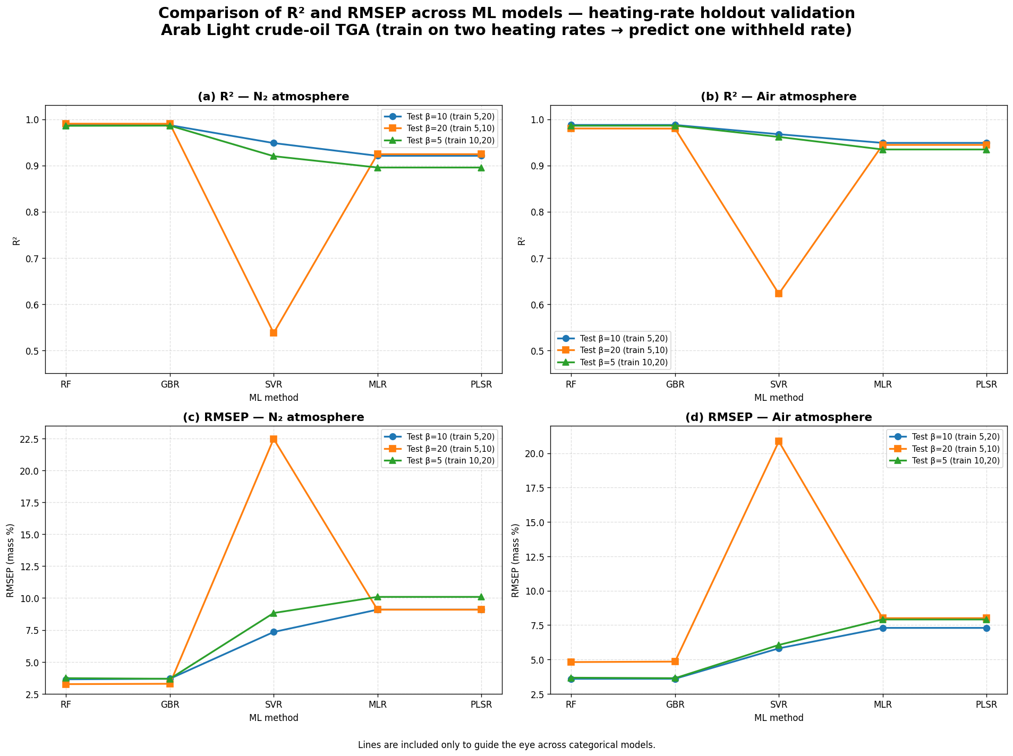

Figure C. Atmosphere-resolved R² and RMSEP values across the three heating-rate holdout cases. The terminology has been updated from “Scenario 2a” to heating-rate holdout validation. Lines guide the eye across categorical algorithms and do not imply a continuous relationship among models.

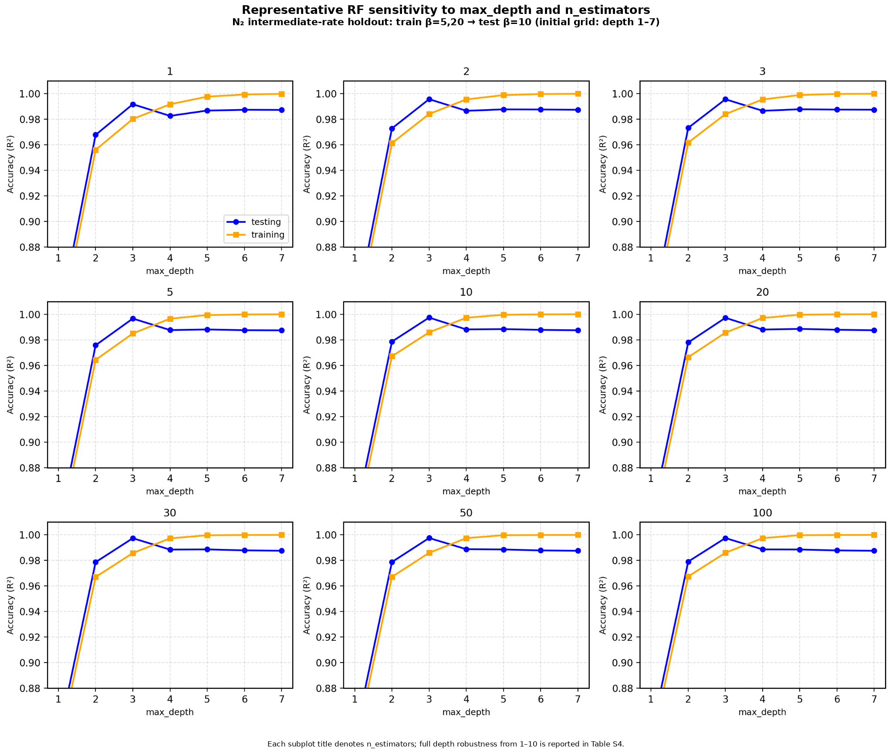

Figure A. Representative RF sensitivity grid for the N₂ intermediate-rate holdout (train β = 5 and 20 °C min⁻¹; test β = 10 °C min⁻¹). This initial grid examines max_depth = 1–7 across multiple tree counts; the full post-hoc depth robustness analysis covering depths 1–10 is reported in the RF_Posthoc_Sensitivity sheet and Table S4.

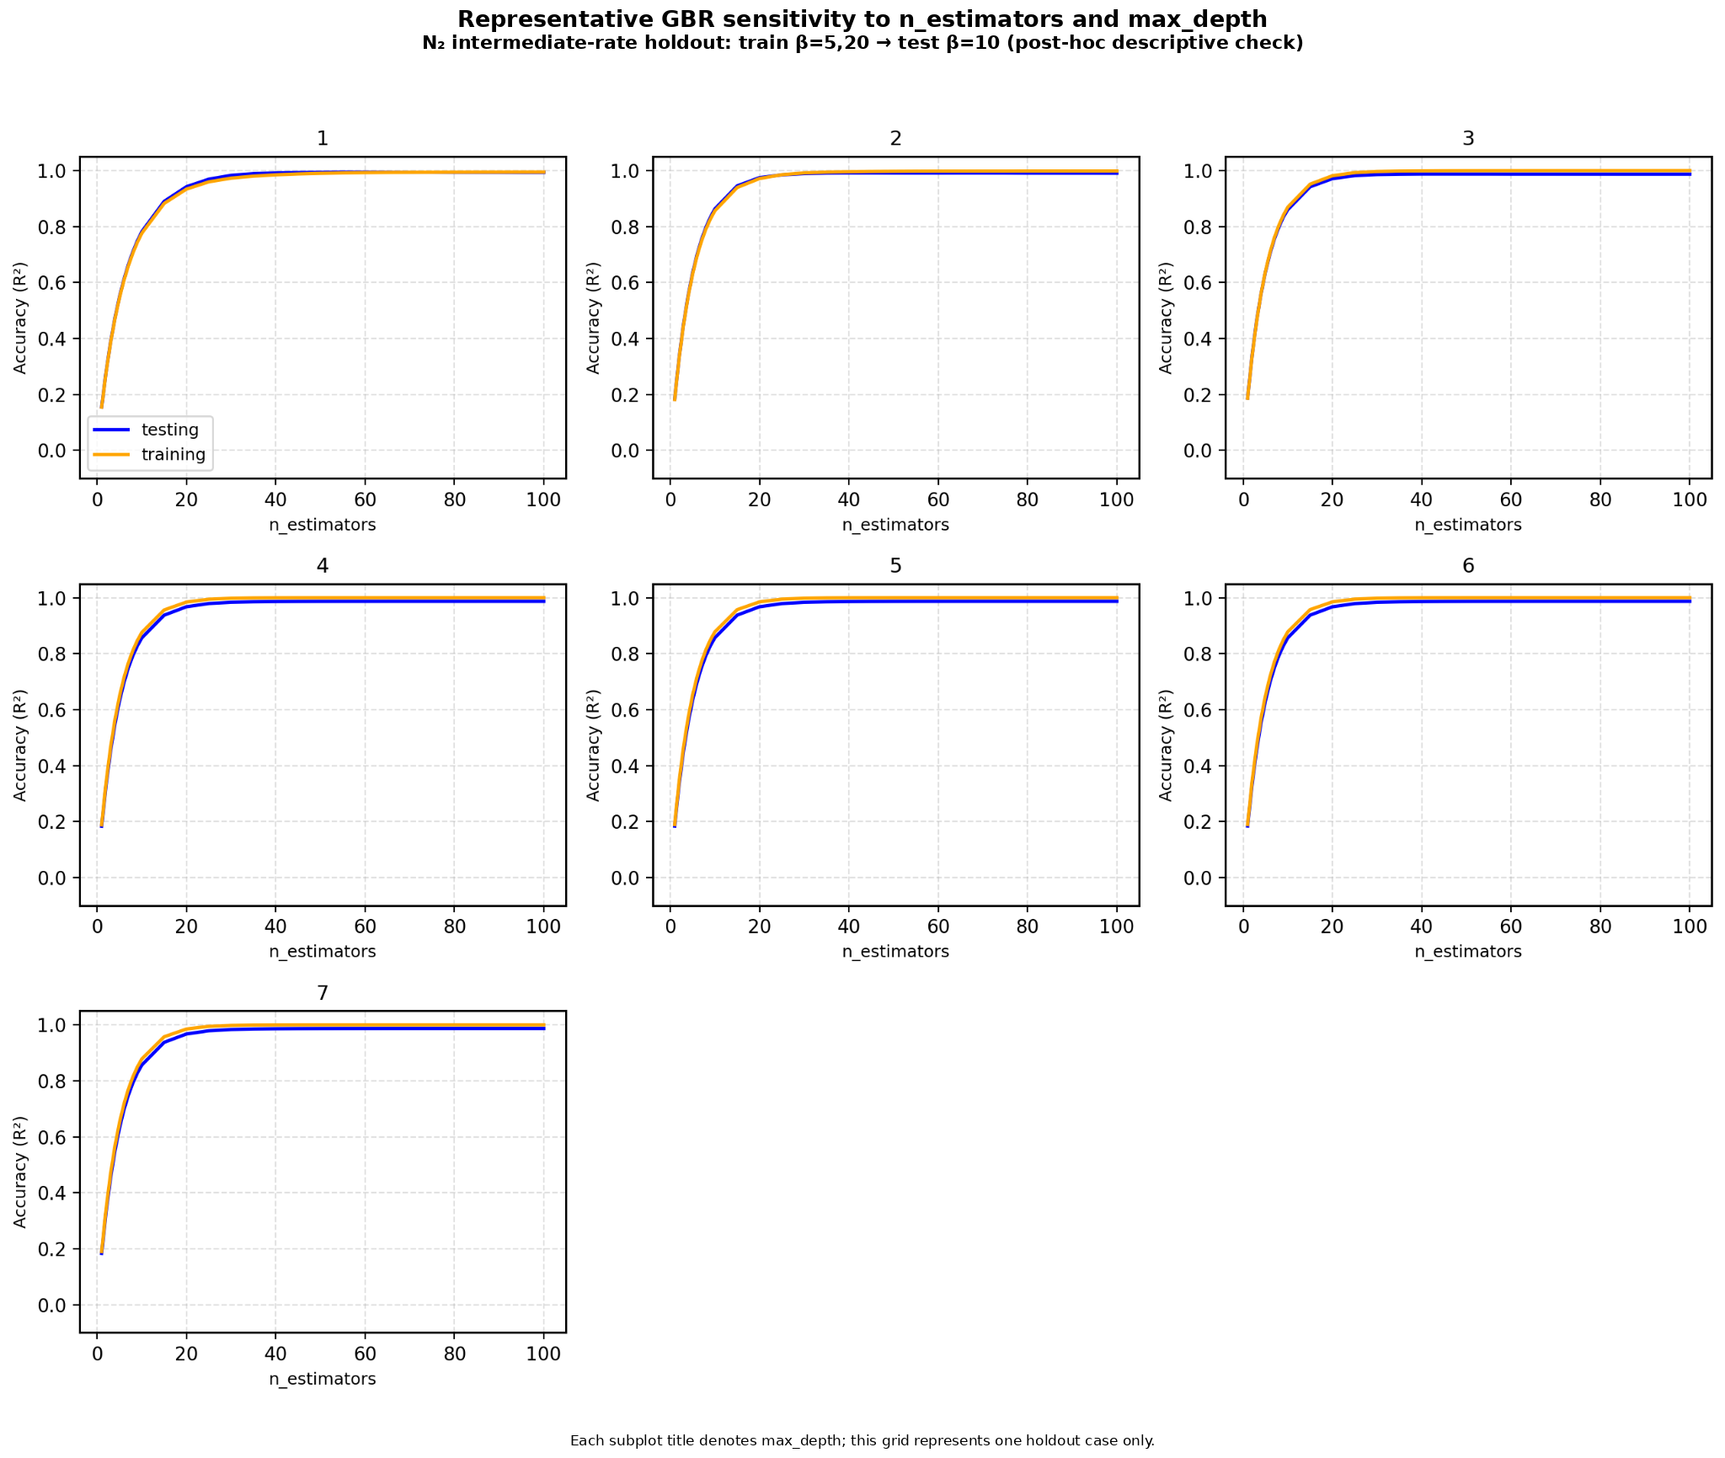

Figure B. Representative GBR sensitivity grid for the N₂ intermediate-rate holdout (train β = 5 and 20 °C min⁻¹; test β = 10 °C min⁻¹). The grid is a post-hoc descriptive check for one holdout case and was not used to tune the final reported holdout scores.

