APR, EAR, Bonds
APR -> EAR |  |  |  |  |  |  |  |  | Bonds |  |  |  |  |  |  |  | Stocks: Divident growth model
APR | m (periods per year) | EAR | Bond price | Face value (principal) | Coupon | Time (periods!!!) | ===> | YTM | YTM |  | Face value (principal) | Coupon | Time (periods!!!) | ===> | Bond price
0.089 | 12.000 | 0.093 | 983.760 | 1000.000 | 61.250 | 4.000 |  | 1004.331 | 0.034 |  | 1000.000 | 37.600 | 23.000 |  | 1056.808 |  | To value an asset:
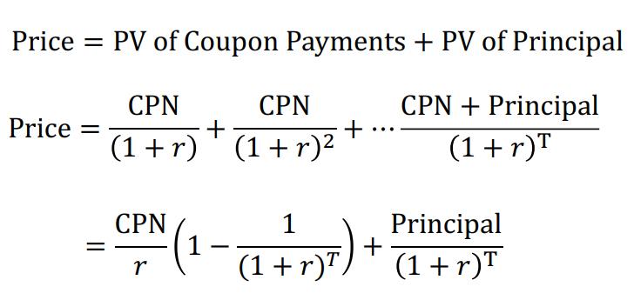
 |  |  |  |  |  |  |  | YTM guess
 |  |  |  |  |  |  |  | 0.060

 |  |  | Goal-seek | (in what-if analysis)
 |  |  | Bond price | Face value (principal) | Coupon | Time (periods!!!) | ===> | YTM
 |  |  | 983.760 | 1000.000 | 61.250 | 4.000 |  | 983.760 |  |  |  |  |  |  |  |  | To value a stock:
 |  |  |  |  |  |  |  | YTM guess |  |  |  |  |  |  |  |  | PV0 = (Price1+Div1)/(1+r)
 |  |  |  |  |  |  |  | 0.066 |  |  |  |  |  |  |  |  |  | =Div1/(1+r)+(Div2+P2)/(1+r)^2 | …

Suppose you invest $100 in this savings account. How much money will you have after one year? |  |  |  |  |  |  |  |  |  |  |  |  |  |  |  |  | Feltéve, hogy D1/D0=Dn/D_(n-1)=1+g
 | -for problems like these, using EAR is correct

 |  |  |  |  |  |  |  |  | YTM |  | Face value (principal) | Coupon | Time (periods!!!) | ===> | Bond price
 |  |  |  |  |  |  |  |  | 0.034 |  | 1000.000 | 40.000 | 8.000 |  | 1041.416
 |  |  |  |  |  |  |  |  |  |  |  |  |  |  |  | Stock prices could change because
 |  |  |  |  |  |  |  |  | Par value/"(at) par" means (at) face value. |  |  |  |  |  |  | § Expected future dividends change ( up D1 up Price)
 |  |  |  |  |  |  |  |  | If something sells at 86% at par, that means its price is 86%*face value. |  |  |  |  |  |  | § Expected growth changes ( up g up Price)
 |  |  |  |  |  |  |  |  | sold at par: Present value equals face value - The coupon rate equals the discount rate (expected). |  |  |  |  |  |  | § Required rate of return changes (up r down price)
 |  |  |  |  |  |  |  |  |  | Such a bond is a bond at par, otherwise it can be a discount or premium bond.

Risk&Return, CAPM
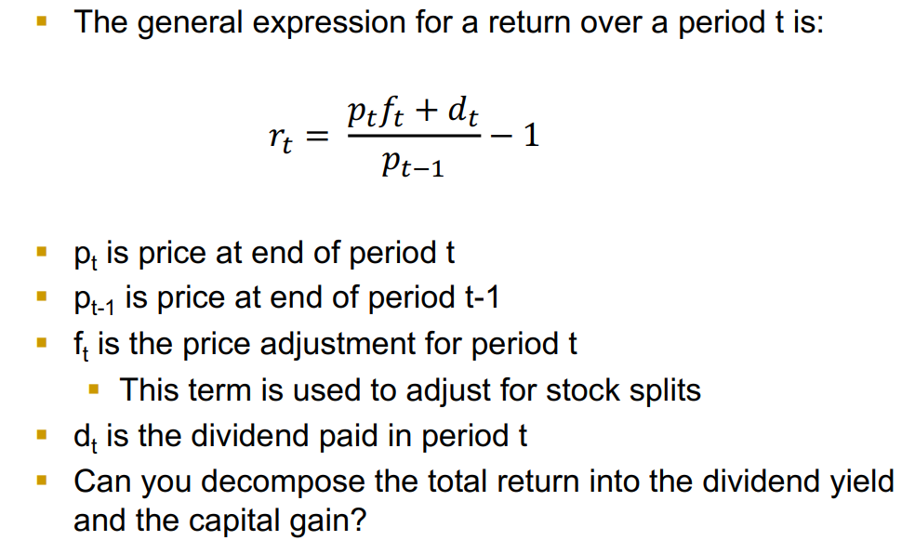
Return calculations |  |  |  |  |  | Stock returns measures |  |  |  |  |  | Risk and return: CAPM
 |  |  |  |  |  |  |  |  |  |  |  | Firm specific risk (unsystematic risk) can be ‘diversified away’
 |  |  |  |  |  | Year | 1 | 2 | 3 | 4 | 5 | Only systematic risk matters
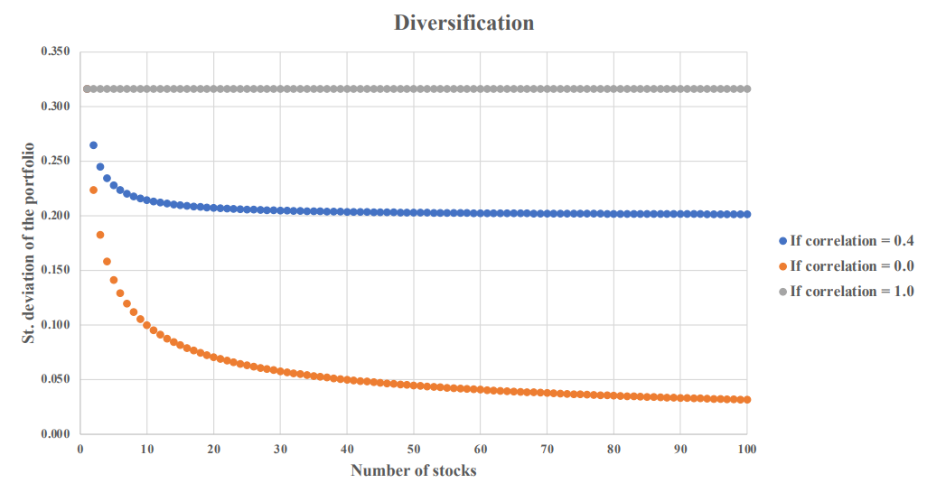
 |  |  |  |  |  | Return (%) | 12.79% | 9.21% | 14.68% | 21.83% | -10.34%

 |  |  |  |  |  | Average (5Y) | 9.63%
 |  |  |  |  |  | Sample Variance (5Y) | 0.014582633 | or *10?
 |  |  |  |  |  | Sample Std (5Y) | 0.12075857319

 |  |  |  |  |  | Holding period return: | 12.79% | 23.18% | 41.26% | 72.10% | 54.30%
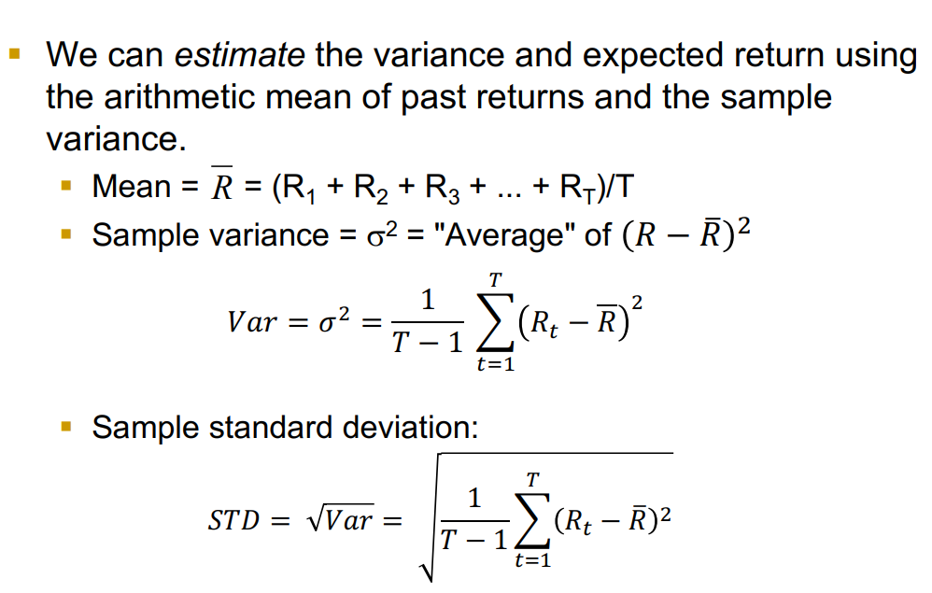
P(t) | 94.82 | 97.18 | 97.3 | 97.18 | 97.18
f(t) | 1 | 1 | 1 | 1 | 1
d(t) |  | 3.1
r(t) Total return |  | 5.76% | 0.12% | -0.12% | 0.00%
Divident yield |  | 3.27% | 0.00% | 0.00% | 0.00%
Capital gain |  | 2.49% | 0.12% | -0.12% | 0.00%

Holding period return: |  | 5.76% | 5.89% | 5.76% | 5.76% |  |  |  |  |  |  | Beta is a measure of sensitivity |  |  | "how strongly the stock return moves with the market"
 |  |  |  |  |  |  |  |  |  |  |  | A stock with Beta=2 will on average go up 20% when the market goes up 10%
P(t) | 76 | 84 | 97.3 | 97.18 | 97.18
f(t) | 1 | 1 | 1 | 1 | 1 |  |  |  |  |  |  | CAPM:
d(t) |  | 1.95
r(t) |  | 13.09% | 15.83% | -0.12% | 0.00%
Divident yield |  | 0.025657894737 | 0 | 0 | 0
Capital gain |  | 10.53% | 15.83% | -0.12% | 0.00%

Holding period return: |  | 13.09% | 31.00% | 30.84% | 30.84%
 |  |  |  |  |  |  |  |  |  |  |  | R_f has to be risk-free return - often we take X year treasury bonds as base for R_f.
 |  |  |  |  |  |  |  |  |  |  |  |  | e.g. 30-year T-bond rate |  |  | E(Rm-Rf) : Market risk premium
 |  |  |  |  |  |  |  |  |  |  |  |  |  |  |  |  | tipikusan5-6%, sok cégből aggregált
 |  |  |  |  |  |  |  |  |  |  |  |  |  |  |  |  | De lehet béta * a kifejezés az? Neem.. Nem lehet, B az firm specific
 |  |  |  |  |  |  |  |  |  |  |  | Rf | Rm | Beta | E(R_i)
 |  |  |  |  |  |  |  |  |  |  |  | 3.80% | 11.10% | 1.15 | 12.20%

 |  |  |  |  |  |  |  |  |  |  |  | Rf | Market premium | Beta | E(R_i)
 |  |  |  |  |  |  |  |  |  |  |  | 3.80% | 7.30% | 1.15 | 12.19%

 |  |  |  |  |  |  |  |  |  |  |  | Rf | Rm | E(Ri) | Beta
 |  |  |  |  |  |  |  |  |  |  |  | 3.80% | 11.10% | 12.20% | 1.15

 |  |  |  |  |  |  |  |  |  |  |  | Rf | Market premium | E(Ri) | Beta
 |  |  |  |  |  |  |  |  |  |  |  | 3.80% | 7.00% | 10.40% | 0.94

FirmVal, Market efficiency
Firm valuation |  |  |  | Price per share |  |  |  |  | Efficient Market Theory
 |  |  |  |  |  |  |  |  |  | If it were possible to make big money simply by finding “the pattern”
All we need for firm valuation: |  |  |  | 1) EV: Enterprise Value calculation |  |  |  |  |  | in the stock price movements, everyone would do it and the profits would be competed away

 |  | (Free cash flows, not CFs) |  | 2) Take away debt |  | Market value of debt (if not given, assume book value) |  |  |  | implications: stock prices should have reflected all available information.
 |  |  |  |  | = Equity value
 |  |  |  | 3) divide by num. of stocks |  |  |  |  | An efficient capital market is one in which stock prices fully reflect available information
 |  |  |  |  |  |  |  |  | Three types:
r: e.g. WACC |  |  |  | Plus: Synergies |  | V(AB)>V(A)+V(B) |  |  | Weak Form §
 |  |  |  |  | in case of M&A |  |  |  |  | Security prices reflect all information found in past prices and volume.
How do we calculate FCF values? |  |  |  | Total value = stand-alone value + value of synergies |  |  |  |  | § Semi-Strong Form §
A common method: FCFs are predicted only for the next 5 years, then assuming constant growth |  |  |  |  | important to conduct a sensitivity analysis |  |  |  |  | Security prices reflect all publicly available information.
 | common growth values: 2%, 3% |  |  | (In the long run, the shareholders of acquiring firms experience below average returns.) |  |  |  |  | § Strong Form §
 | The PV at the time of the start of the constant growth, of all future FCFs: Terminal Value (TV) |  |  | (Hostile acquirers typically perform better.) |  |  |  |  |  | Security prices reflect all information — public and private

 |  |  |  |  |  |  |  |  | Counterargument: behavioural econ pl. (Book: Thinking fast and slow)

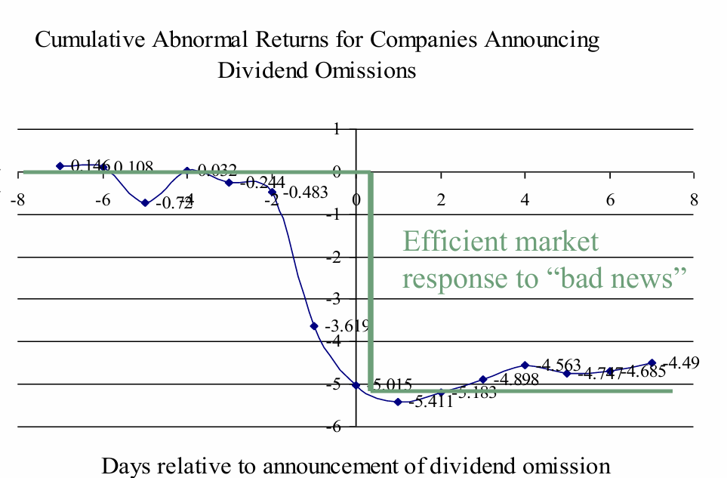
 |  |  |  |  |  |  |  |  | Insider trading

Enterprise value (EV) above - doesn't contain cash (needed for firm value) |  |  | Indirekten benne
TV: instant growth from Y1 - C*(1+g)/(1+r) is the first element-> TVt = FCF_{T+1}/(r-g)=FCF_T*(1+g)/(r-g)

 |  |  |  |  |  |  |  | strong-form efficiency does not seem to be substantiated by the evidence of insider trading

 |  |  |  |  |  |  | If the market is semi-strong-form efficient, then no matter what publicly available information mutual-fund managers
 |  |  |  |  |  |  |  | rely on to pick stocks, their average returns should be the same as those of the average investor in the market as a whole.
 |  |  |  |  |  |  | § We can test efficiency by comparing the performance of professionally managed mutual funds with the performance of a market index
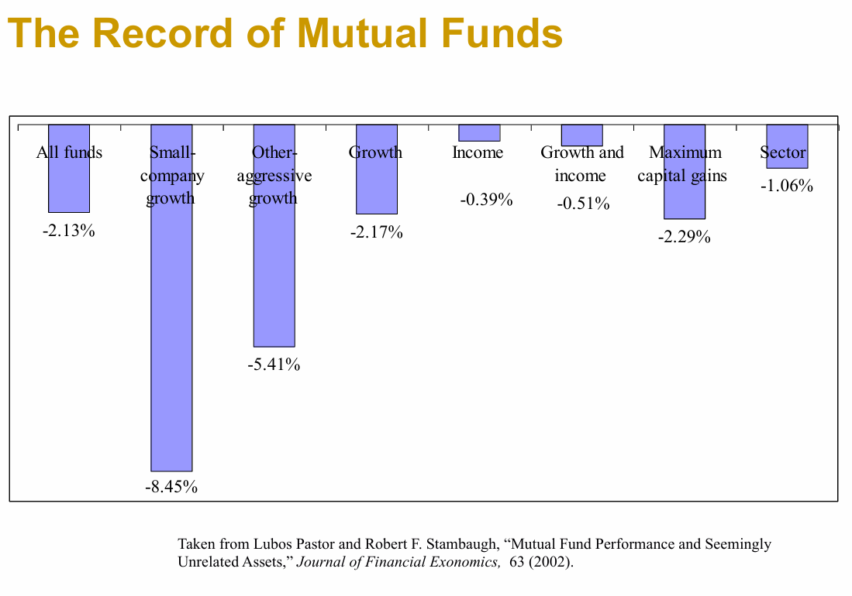

 |  |  |  |  |  |  | Implications of the EMH for Corporate Finance
 |  |  |  |  |  |  | § Because information is reflected in security prices quickly, investors should only expect to obtain a normal rate of return. §
 |  |  |  |  |  |  | Awareness of information when it is released does an investor little good (vs. Insider trading). § The price adjusts before the investor has time to act on it.
 |  |  |  |  |  |  | § Investing in securities is a zero NPV proposition
 |  |  |  |  |  |  | Firms should expect to receive the fair value for securities that they sell.
 |  |  |  |  |  |  | The price of a company’s stock cannot be affected by a change in accounting (but it can be by fraud)

 |  |  |  |  |  |  | Also against bubbles (Eugene Fama)

