工具竞品分析
产品名称 | 产品形态 | 关键功能 | 交互体验 | 课程范例 | 评价 | 其他
AgentCubes | A gentle slope approach allows end users to develop 3D gamesby ﬁrst creating a 2D version of that game and then gradually moving along well-deﬁned stepping-stones towards a 3D version. | 1 Gallery |  |  |  | http://www.academia.edu/2467268/AgentCubes_Incremental_3D_end-user_development
 |  | : The gallery is the project inventorywhere end users create and manage agents. Throughthe gallery, users select agents and access their shapesand behaviors. |  | PDF教案讲如何用AgentCubes制作一个旅途的游戏https://sgd.cs.colorado.edu/wiki/images/3/39/ACO_Journey_Master_v1.0.pdf | 通过2D到3D的渐进难度增长模式，以及可扩展的游戏设计，教学生通过制作3D游戏学习编程。工具内是可视化的编程语言，与美国国家科学基金会联合开发，旨在培养学生的计算思维。
 |  | 2 World
 | Incremental 3D,namely incremental modeling, animation, and programming | : The world contains all the agentsorganized in the agentcube. In the world, users add,select, delete, and copy agents. Using drag and drop,users move agents from one location to another in the same world or even into different worlds. The worldtoolbar includes tools for camera control (e.g. zoom,pan, and rotate), animation control (from running asfast as possible without any animation all the way to animating all transitions that result from moving androtating agents – details in Section 3.2), processcontrol (run, stop, and step simulations) and screencontrol (window mode or full screen mode). Agentscan be piled up in the world as stacks or can bepositioned in suspended layers. | 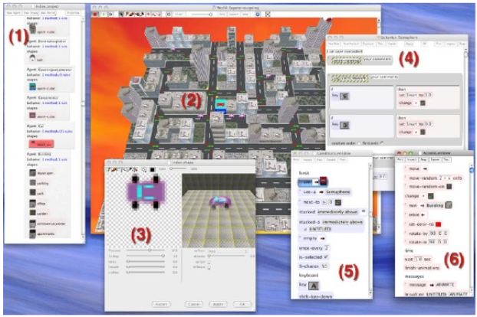 | 视频演示如何利用AgentCubes制作一个青蛙游戏 https://www.youtube.com/watch?v=unDgy6jKpYY | 编程语言是通过"if,then"语句，拖拽条件和行动列表上的模块。把更复杂的游戏结构成几个较简单的规则（结构问题、抽象问题、 算法式思考）。（规则化的编程语言ToonTalk https://toontalk.github.io/ToonTalk/docs/tours/tour1.html?reset=1）
 |  | 3 Inﬂatable Icons Editor
 |  | : The Inﬂatable Icons Editor allows end users to quickly draft 3D shapesby drawing 2D icons, which they render into an organic 3D shape through an inﬂation process.The ability to quickly draft 3D shapes is an important part of the design process
 |  | 4 Behavior Editor
 |  | : Behavior Editors are used to deﬁne, modify and test agent behaviors. VisualAgenTalk 3D (VAT3D) is a conceptual extension of Visual AgentTalk (VAT)[6,8]which is part of Agent-Sheets. VAT3D is a rule-based language based on conditions and actions which end users assemble through a drag and drop mechanism into complete behaviors. Groups of rules can be turned into methods with a name. These methods can then be invoked through actions sending messages spatially, e.g. send an ‘‘impact’’ message to the agent to the right of you,or via more general mechanisms such as broadcasting,e.g. send the ‘‘melt’’ message to all agents anywhere inthe world of type ‘‘candle’’. Like VAT in AgentSheets,VAT3D includes a number of helpful testing anddebugging tools including the ability to test if conditions are true with the currently selected agentor to run actions on the currently selected agent to seewhat they do
 |  | 5 Condition Palette
 |  | : Conditions are language primitives used to test the environment and receive input from users. Basic conditions can check foragents next to the agent that executes them, deal with probability or with timers. Attribute conditions can check and compare the values of agent attributes and simulation properties. User input includes key-board, mouse and game pads. Camera control condi-tions can determine if the world is in bird’s eye or ﬁrst-person view and if there is a camera attached to aspeciﬁc agent.
 |  | 6 Action Palette
 |  | : Actions make agents do things. Basic actions include the ability to move and rotate. Message actions allow agents to send messages to other agents through space or by class association. Sound and speech actions allow agents to play sounds and speak synthesized text. Attribute actions enable agents to set attributes and simulation properties and to plot in 3D visualizations overlaid onthe world.
Flow-based programming
Codio

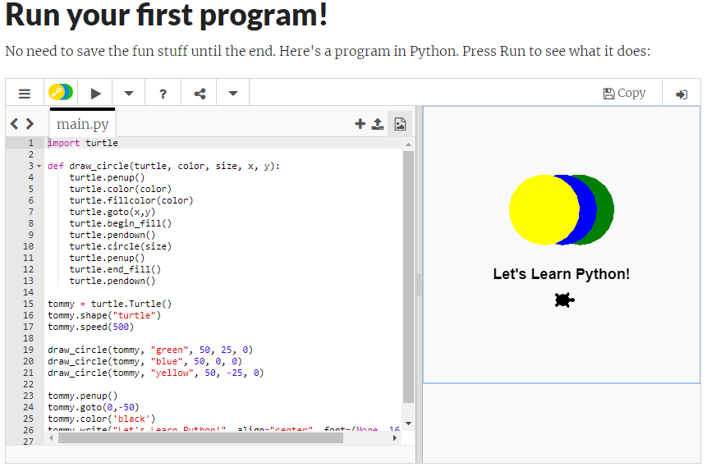
Trinket | 非常简单的小工具，可以在任何浏览器/设备上时时编写并运行代码。现有课程在其上教python, HTML, Scratch等等。 | Share Code from any Device. Trinket lets you run and write code in any browser, on any device.Trinkets work instantly, with no need to log in, download plugins, or install software. Easily share or embed the code with your changes when you're done. |  | https://hourofpython.trinket.io/a-visual-introduction-to-python#/welcome/an-hour-of-code | 最大的优点是简单易用。方便与在日常教学中老师和学生的使用。

教育行业产业链
