Sheet1
past (e.g., last month) |  |  | present (today) |  | future (e.g., next week) |  | farther in the future (e.g., next year)
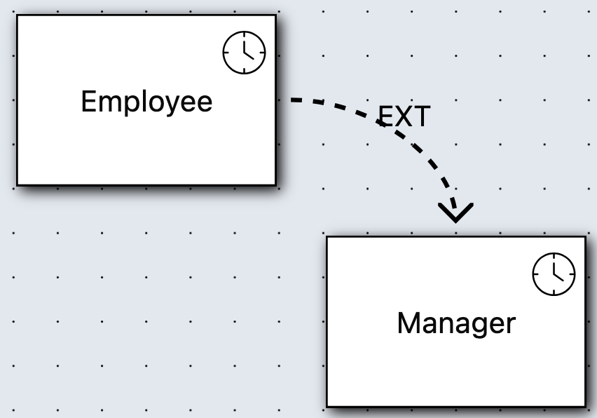
Employee EXT Manager |  | "An employee may also become a manager"
Emp(emp1) |  |  | Emp(emp1) |  | Emp(emp1)
 |  |  |  |  | Man(emp1) | emp1 one is promoted to manager
Emp(emp2) |  |  | Emp(emp2) |  | Emp(emp2) | emp2 doens't need to be, and so is still just employee
 |  |  |  |  | Man(emp3)

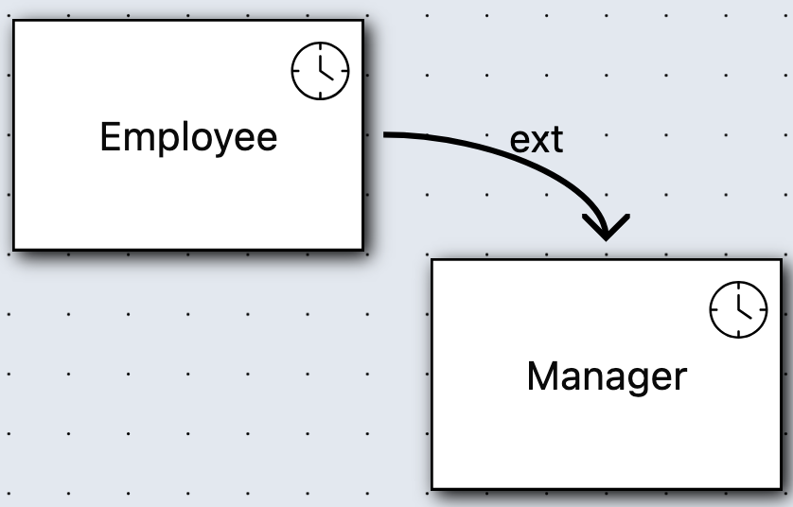
Employee mext Manager |  | "Each manager was already an employee"
Emp(emp1) |  |  | Emp(emp1) |  | Emp(emp1)
 |  |  |  |  | Man(emp1) | epm1 was indeed Emp before
Emp(emp2) |  |  | Emp(emp2) |  | Emp(emp2)
 |  |  | Man(emp3) | not allowed to be inserted in the database, because emp3 was not an Emp before

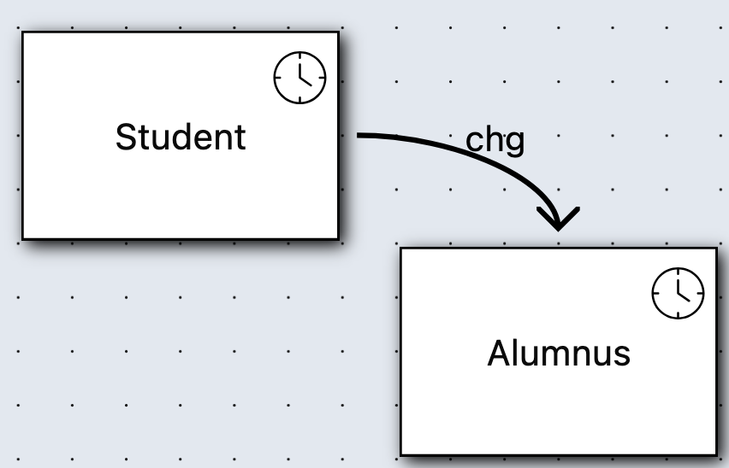
Student chg Alumnus |  | "Easch alumnus was a student before, but is not a student now"
Student(pers1) |  |  | Alumnus(pers1) |  | Alumnus(pers1) |  | Student(pers1)
Alumnus(pers2) | not allowed: wasn't a student before |  | Student(pers1) not allowed because change

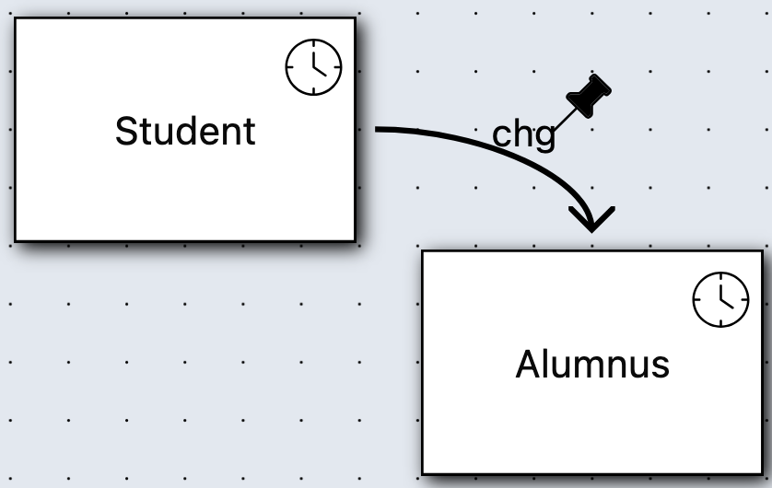
Student persistent chg Alumnus |  | "Easch alumnus was a student before, but is not a student now, and this remains so indefinitely"
Student(pers1) |  |  | Alumnus(pers1) |  | Alumnus(pers1) |  | Alumnus(pers1)
 |  |  | Student(pers1) not allowed because change |  |  |  | Student(pers1) | not allowed, because change persists

