16-02_28
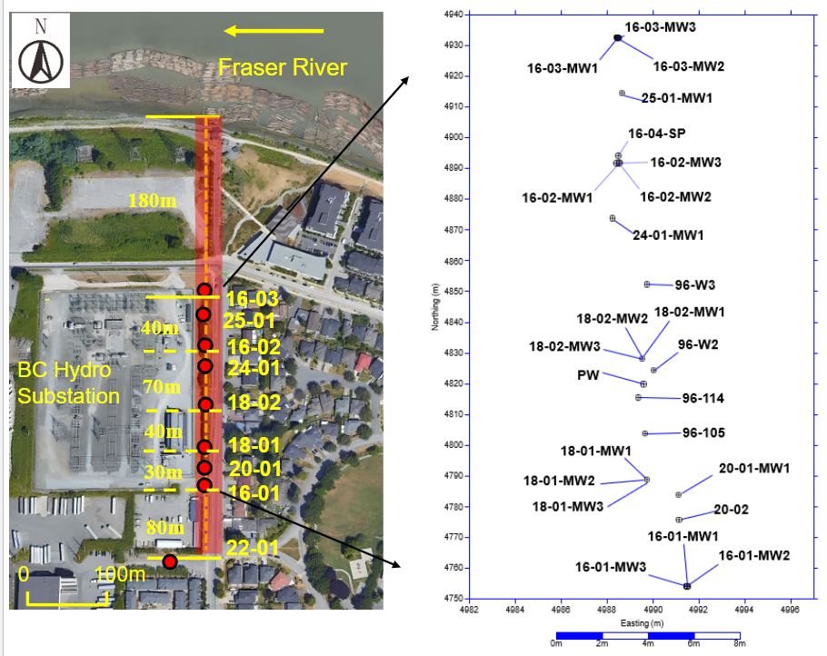
Group Number: |  | 2
Names of Students: |  | Christopher Tang
 |  | Nina Tolnai
 |  | Mirei Umuyashiki-Giguere
 |  | Monica Nguyen
Well ID: | 16-02-MW1 | P1 | deep nested well

Date | Time | Well Name | Depth to water level from reference point (m) | Reduced Water Level (m MSL) | Comments
28/4/2025 | 0 | 16-02-MW1 | 0.46 | 0
28/4/2025 | 1 | 16-02-MW1 | 0.56 | 0.1
28/4/2025 | 2 | 16-02-MW1 | 0.57 | 0.01
28/4/2025 | 3 | 16-02-MW1 | 0.57 | 0
28/4/2025 | 4 | 16-02-MW1 | 0.57 | 0
28/4/2025 | 5 | 16-02-MW1 | 0.57 | 0

28/4/2025 | 0 | 16-02-MW2 | 1.38 | 0
28/4/2025 | 1 | 16-02-MW2 | 1.61 | 0.23
28/4/2025 | 2 | 16-02-MW2 | 1.75 | 0.14
28/4/2025 | 3 | 16-02-MW2 | 1.90 | 0.15
28/4/2025 | 4 | 16-02-MW2 | 1.96 | 0.06
28/4/2025 | 5 | 16-02-MW2 | 1.97 | 0.01

28/4/2025 | 0 | 16-02-MW3 | 1.18 | 0
28/4/2025 | 1 | 16-02-MW3 | 1.23 | 0.05
28/4/2025 | 2 | 16-02-MW3 | 1.31 | 0.08
28/4/2025 | 3 | 16-02-MW3 | 1.37 | 0.06
28/4/2025 | 4 | 16-02-MW3 | 1.39 | 0.02
28/4/2025 | 5 | 16-02-MW3 | 1.41 | 0.02

