16-02-MW1
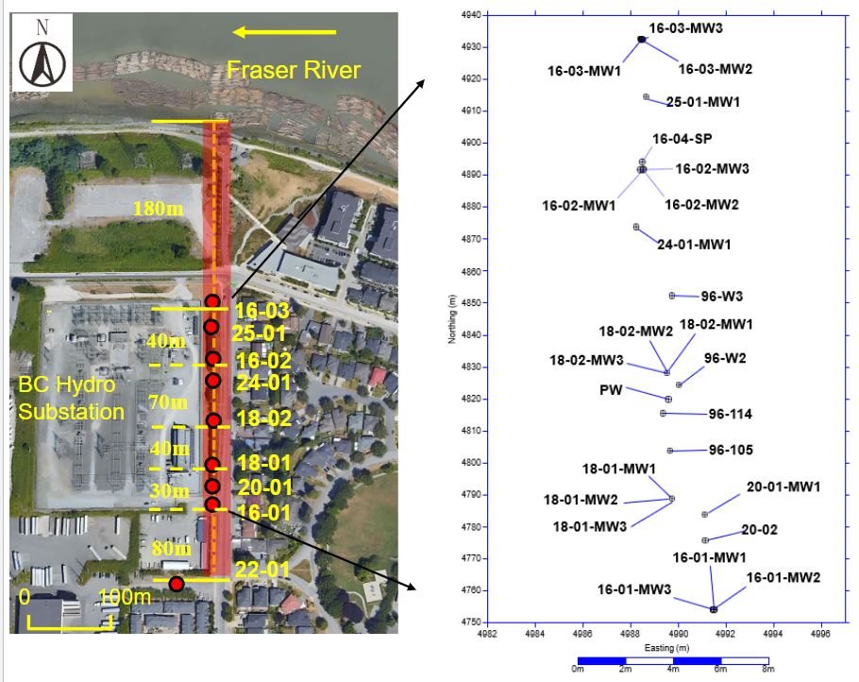
Group Number: |  | 2
Names of Students: |  | Christopher Tang
 |  | Nina Tolnai
 |  | Mirei Umuyashiki-Giguere
 |  | Monica Nguyen
Well ID: | 16-02-MW1 | P1 | deep nested well

Date | Time | Well Name | Depth to water level from reference point (m) | Reduced Water Level (m MSL) | Comments
28/4/2025 | 11:20:00 | 16-02-MW1 | 0.46 | 0 | First measurement was voided due to measuring incorrect MW
28/4/2025 | 12:20:00 | 16-02-MW1 | 0.56 | 0.1
28/4/2025 | 13:20:00 | 16-02-MW1 | 0.57 | 0.01
28/4/2025 | 14:20:00 | 16-02-MW1 | 0.57 | 0
28/4/2025 | 15:20:00 | 16-02-MW1 | 0.57 | 0
28/4/2025 | 16:00:00 | 16-02-MW1 | 0.57 | 0

