Customer
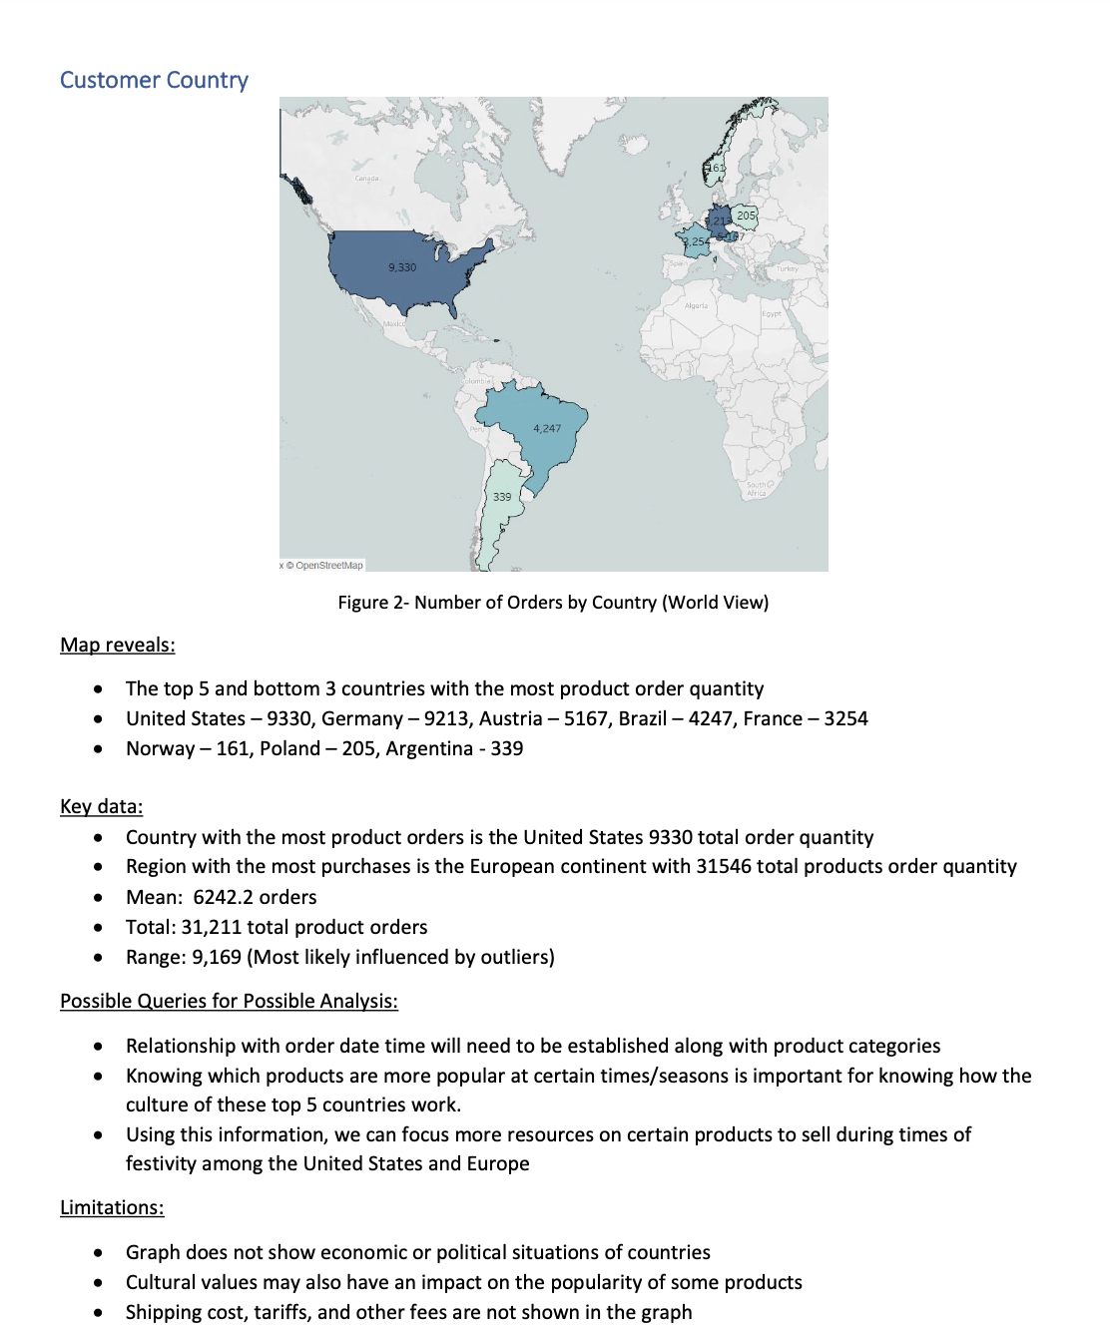
 |  |  |  | WE ARE GLOBAL
Sum of Order_Price_Total | Column Labels
Row Labels | 2022 | 2023 | Grand Total
Canada | $116,129.10 | $45,104.90 | $161,234.00
Bottom-Dollar Markets | $21,921.70 | $43,266.90 | $65,188.60
Laughing Bacchus Wine Cellars | $949.00 | $561.00 | $1,510.00
Mère Paillarde | $93,258.40 | $1,277.00 | $94,535.40
Grand Total | $116,129.10 | $45,104.90 | $161,234.00

