Cover
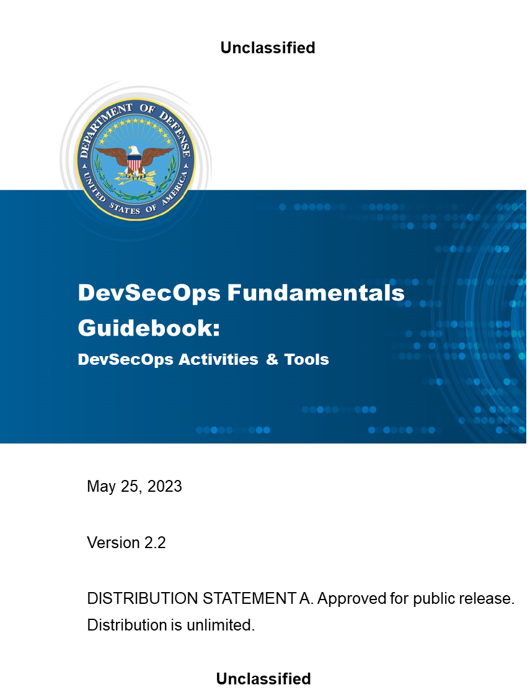

Overview
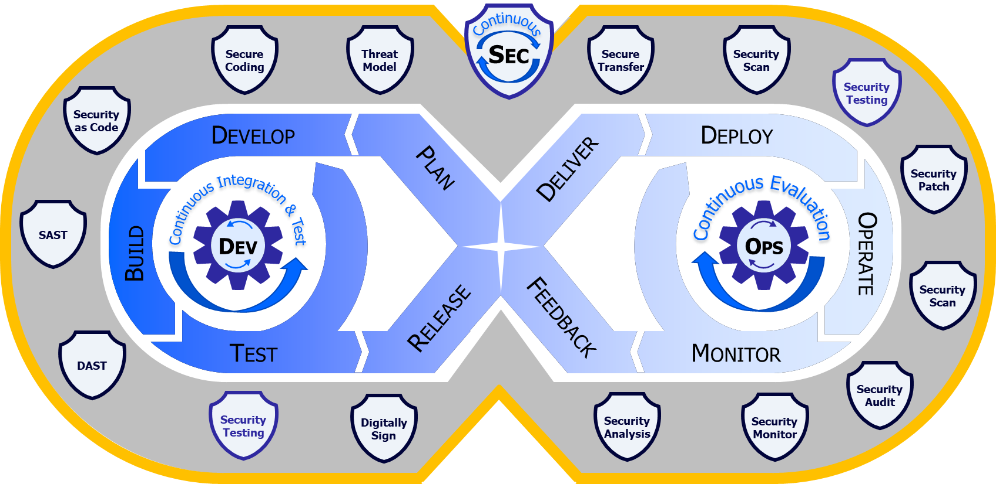
Overview
 | This workbook is composed of tabs that contain the activities for each phase from the DevSecOps Activities & Tools Guidebook. Each activity tab's table contains the same content as provided in the document, with additional space provided for the capture of mission-specific tailoring.
 | The workbook also includes a Continuous Activities tab that summarizes related activities that span several phases AND a Tools tab that describes capabilities of different tools used to perform tests.
 | The columns of the "phase activities" tabs are as follows:
 |  | Column | Description
 |  | Activities | Actions that occur within the specific DevSecOps phase
 |  | Baseline | Indicates how the activity fits into the baseline: REQUIRED indicates that the activity must be performed within the software factory as part of the Minimal Viable Product (MVP) release. PREFERRED indicates an aspirational capability obtained as the ecosystem matures. AS REQUIRED indicates the activity may be reuired by the program or as an oversight activity.
 |  | SSDF | NIST 800-218 Secure Software Development Framework (SSFD) alignment
 |  | Description | Simple explanation of the activity being performed
 |  | Inputs | Types of data that feed the activity
 |  | Outputs | Types of data that result from the activity
 |  | Tool Dependencies | List of tool categories required to support the activity
 |  | Security / Testing / CM | Alignment with Continuous Security, Continuous Testing, or Continuous Configuration Management

 | Activity alignment with continuous activities is also indicated by shading of the Activities column as follows:
 |  | Continuous Security activity
 |  | Continuous Testing activity
 |  | Continuous Configuration Management activity

