spectra
lat A (actin cap broken) |  | control
q | uq2
10 | 0.000125 | 10 | 0.000035
11 | 0.00012 | 11 | 0.000029
12 | 0.00009 | 12 | 0.000027
13 | 0.000092 | 13 | 0.000025
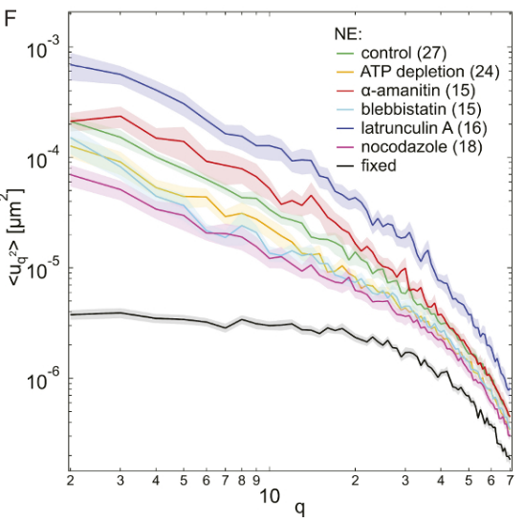
 | uq2
10 | 0.000125
11 | 0.00012
12 | 0.00009
13 | 0.000092
14 | 0.00009
15 | 0.00007
16 | 0.000065
17 | 0.00005
18 | 0.000045
19 | 0.00004
20 | 0.000043
21 | 0.000038
22 | 0.000033
23 | 0.000024
24 | 0.000028
25 | 0.000023
26 | 0.000025
27 | 0.000025
28 | 0.00002
29 | 0.000018
30 | 0.000019
31 | 0.000021
32 | 0.000017
33 | 0.000014
34 | 0.000011
35 | 0.000014
36 | 0.0000145
37 | 0.00001
38 | 0.000009
39 | 0.0000073
40 | 0.0000075
41 | 0.000007
42 | 0.000007
43 | 0.000006
44 | 0.0000055
45 | 0.000005
46 | 0.000005
47 | 0.0000045
48 | 0.0000042
49 | 0.000004
50 | 0.0000035
51 | 0.000003
52 | 0.000003
53 | 0.000003
54 | 0.0000025
55 | 0.0000025
56 | 0.0000025
57 | 0.000002
58 | 0.000002
59 | 0.000002
...
14 | 0.00009 | 14 | 0.000019
15 | 0.00007 | 15 | 0.000018 |  | 0 | baseline | 1775 rev bonds
16 | 0.000065 | 16 | 0.000018 |  | 1 | no rev bonds
17 | 0.00005 | 17 | 0.000017 |  | 2 | high rev bonds
18 | 0.000045 | 18 | 0.000015 |  | 3 | low k rev bonds
19 | 0.00004 | 19 | 0.000012 |  | 4 | high k rev bonds
20 | 0.000043 | 20 | 0.000014
21 | 0.000038 | 21 | 0.000012
22 | 0.000033 | 22 | 0.000011
23 | 0.000024 | 23 | 0.000009
24 | 0.000028 | 24 | 0.0000095
25 | 0.000023 | 25 | 0.0000095
26 | 0.000025 | 26 | 0.000007
27 | 0.000025 | 27 | 0.0000075
28 | 0.00002 | 28 | 0.0000075
29 | 0.000018 | 29 | 0.000006
30 | 0.000019 | 30 | 0.0000055
31 | 0.000021 | 31 | 0.0000063
32 | 0.000017 | 32 | 0.000005
33 | 0.000014 | 33 | 0.0000045
34 | 0.000011 | 34 | 0.0000045
35 | 0.000014 | 35 | 0.0000042
36 | 0.0000145 | 36 | 0.000004
37 | 0.00001 | 37 | 0.0000037
38 | 0.000009 | 38 | 0.0000038
39 | 0.0000073 | 39 | 0.000003
40 | 0.0000075 | 40 | 0.000003
41 | 0.000007 | 41 | 0.000003
42 | 0.000007 | 42 | 0.0000028
43 | 0.000006 | 43 | 0.0000027 | Above plot from Chu2017: https://www.pnas.org/doi/10.1073/pnas.1702226114#sfig06
44 | 0.0000055 | 44 | 0.0000026
45 | 0.000005 | 45 | 0.0000024
46 | 0.000005 | 46 | 0.0000023
47 | 0.0000045 | 47 | 0.0000022
48 | 0.0000042 | 48 | 0.0000018
49 | 0.000004 | 49 | 0.0000017
50 | 0.0000035 | 50 | 0.0000016
51 | 0.000003 | 51 | 0.0000016
52 | 0.000003 | 52 | 0.0000015
53 | 0.000003 | 53 | 0.0000014
54 | 0.0000025 | 54 | 0.0000014
55 | 0.0000025 | 55 | 0.0000013
56 | 0.0000025 | 56 | 0.0000013
57 | 0.000002 | 57 | 0.0000011
58 | 0.000002 | 58 | 0.000001
59 | 0.000002 | 59 | 0.000001
60 | 0.0000018 | 60 | 0.0000009
 |  | 61 | 0.0000009
 |  | 62 | 0.00000085
 |  | 63 | 0.0000008
 |  | 64 | 0.0000007
 |  | 65 | 0.0000006
 |  | 66 | 0.0000006
 |  | 67 | 0.0000005
 |  | 68 | 0.0000005
 |  | 69 | 0.0000004
 |  | 70 | 0.0000004

