Picture
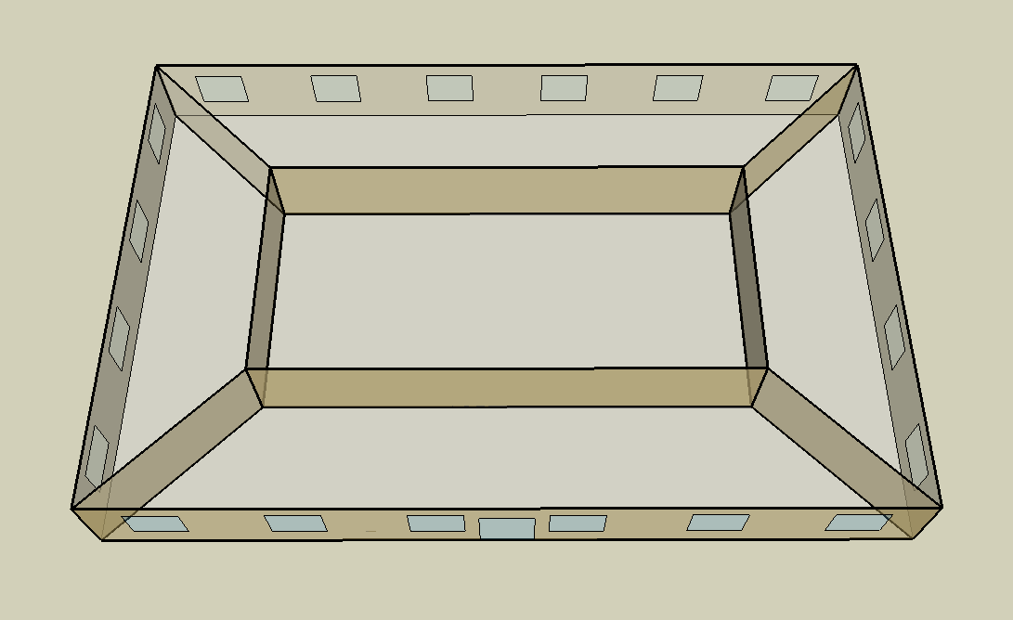
DOE Commercial Building Benchmark - Small Office

Electricity
 | Cooling | Interior Lighting | Exterior Lighting | Interior Equipment | Fans
Miami | 19,244.44 | 15,747.22 | 10,066.67 | 24,369.44 | 12,083.33
Houston | 13,258.33 | 15,747.22 | 10,063.89 | 24,369.44 | 11,472.22
Phoenix | 16,669.44 | 15,747.22 | 10,061.11 | 24,369.44 | 12,997.22
Atlanta | 6,852.78 | 15,747.22 | 10,058.33 | 24,369.44 | 10,011.11
Los Angeles | 3,986.11 | 15,747.22 | 10,052.78 | 24,369.44 | 8,716.67
Las Vegas | 8,980.56 | 15,747.22 | 10,050.00 | 24,369.44 | 9,547.22
San Francisco | 1,663.89 | 15,747.22 | 10,055.56 | 24,369.44 | 8,622.22
Baltimore | 5,491.67 | 15,747.22 | 10,047.22 | 24,369.44 | 10,358.33
Albuquerque | 5,152.78 | 15,747.22 | 10,052.78 | 24,369.44 | 9,894.44
Seattle | 1,388.89 | 15,747.22 | 10,033.33 | 24,369.44 | 8,888.89
Chicago | 4,158.33 | 15,747.22 | 10,050.00 | 24,369.44 | 10,463.89
Boulder | 3,138.89 | 15,747.22 | 10,044.44 | 24,369.44 | 9,761.11
Minneapolis | 3,577.78 | 15,747.22 | 10,044.44 | 24,369.44 | 10,541.67
Helena | 2,080.56 | 15,747.22 | 10,041.67 | 24,369.44 | 9,963.89
Duluth | 1,575.00 | 15,747.22 | 10,036.11 | 24,369.44 | 10,438.89
Fairbanks | 547.22 | 15,747.22 | 9,975.00 | 24,369.44 | 10,661.11

Gas
 | Heating | Water Systems
Miami | 150.00 | 10,180.00
Houston | 16,750.00 | 10,580.00
Phoenix | 8,940.00 | 10,350.00
Atlanta | 20,650.00 | 10,970.00
Los Angeles | 1,210.00 | 10,890.00
Las Vegas | 10,620.00 | 10,630.00
San Francisco | 11,670.00 | 11,220.00
Baltimore | 44,500.00 | 11,270.00
Albuquerque | 25,220.00 | 11,210.00
Seattle | 41,040.00 | 11,420.00
Chicago | 70,300.00 | 11,530.00
Boulder | 46,040.00 | 11,520.00
Minneapolis | 97,070.00 | 11,760.00
Helena | 76,960.00 | 11,800.00
Duluth | 118,920.00 | 12,140.00
Fairbanks | 245,480.00 | 12,590.00

EUI
 | Cooling (elec) | Interior Lighting (elec) | Exterior Lighting (elec) | Interior Equipment (elec) | Fans (elec) | Heating (gas) | Water Systems (gas)
Miami | 135.53 | 110.90 | 70.90 | 171.63 | 85.10 | 0.29 | 19.92
Houston | 93.38 | 110.90 | 70.88 | 171.63 | 80.80 | 32.77 | 20.70
Phoenix | 117.40 | 110.90 | 70.86 | 171.63 | 91.54 | 17.49 | 20.25
Atlanta | 48.26 | 110.90 | 70.84 | 171.63 | 70.51 | 40.40 | 21.46
Los Angeles | 28.07 | 110.90 | 70.80 | 171.63 | 61.39 | 2.37 | 21.30
Las Vegas | 63.25 | 110.90 | 70.78 | 171.63 | 67.24 | 20.78 | 20.80
San Francisco | 11.72 | 110.90 | 70.82 | 171.63 | 60.72 | 22.83 | 21.95
Baltimore | 38.68 | 110.90 | 70.76 | 171.63 | 72.95 | 87.06 | 22.05
Albuquerque | 36.29 | 110.90 | 70.80 | 171.63 | 69.68 | 49.34 | 21.93
Seattle | 9.78 | 110.90 | 70.66 | 171.63 | 62.60 | 80.29 | 22.34
Chicago | 29.29 | 110.90 | 70.78 | 171.63 | 73.70 | 137.53 | 22.56
Boulder | 22.11 | 110.90 | 70.74 | 171.63 | 68.75 | 90.07 | 22.54
Minneapolis | 25.20 | 110.90 | 70.74 | 171.63 | 74.24 | 189.90 | 23.01
Helena | 14.65 | 110.90 | 70.72 | 171.63 | 70.17 | 150.56 | 23.08
Duluth | 11.09 | 110.90 | 70.68 | 171.63 | 73.52 | 232.65 | 23.75
Fairbanks | 3.85 | 110.90 | 70.25 | 171.63 | 75.08 | 480.24 | 24.63

Water
 | Total Building | Water for Electricity (m3)
Miami | 17.63 | 43.18
Houston | 17.63 | 121.89
Phoenix | 17.63 | 2,371.65
Atlanta | 17.63 | 418.55
Los Angeles | 17.63 | 1,103.85
Las Vegas | 17.63 | 1,884.47
San Francisco | 17.63 | 1,061.47
Baltimore | 17.63 | 14.99
Albuquerque | 17.63 | 296.13
Seattle | 17.63 | 617.36
Chicago | 17.63 | 100.51
Boulder | 17.63 | 286.34
Minneapolis | 17.63 | 99.73
Helena | 17.63 | 3,940.13
Duluth | 17.63 | 96.45
Fairbanks | 17.63 | 62.63

Carbon
 | Carbon Equivalent (kg)
Miami | 22,540.25
Houston | 25,479.63
Phoenix | 24,450.21
Atlanta | 21,219.82
Los Angeles | 7,565.57
Las Vegas | 23,550.88
San Francisco | 7,477.94
Baltimore | 18,819.90
Albuquerque | 27,297.24
Seattle | 5,347.21
Chicago | 36,016.95
Boulder | 26,797.73
Minneapolis | 23,965.37
Helena | 24,331.57
Duluth | 23,642.21
Fairbanks | 21,902.31

LtgSch
Lighting Schedules
 | Weekday | Saturday | Other
 | 0.05 | 0.05 | 0.05
 | 0.05 | 0.05 | 0.05
 | 0.05 | 0.05 | 0.05
 | 0.05 | 0.05 | 0.05
 | 0.05 | 0.05 | 0.05
 | 0.1 | 0.05 | 0.05
 | 0.1 | 0.1 | 0.05
 | 0.3 | 0.1 | 0.05
 | 0.9 | 0.3 | 0.05
 | 0.9 | 0.3 | 0.05
 | 0.9 | 0.3 | 0.05
 | 0.9 | 0.3 | 0.05
 | 0.9 | 0.15 | 0.05
 | 0.9 | 0.15 | 0.05
 | 0.9 | 0.15 | 0.05
 | 0.9 | 0.15 | 0.05
 | 0.9 | 0.15 | 0.05
 | 0.5 | 0.05 | 0.05
 | 0.3 | 0.05 | 0.05
 | 0.3 | 0.05 | 0.05
 | 0.2 | 0.05 | 0.05
 | 0.2 | 0.05 | 0.05
 | 0.1 | 0.05 | 0.05
 | 0.05 | 0.05 | 0.05

OccSch
Occupancy Schedules
 | Weekday | Saturday | Other
 | 0 | 0 | 0
 | 0 | 0 | 0
 | 0 | 0 | 0
 | 0 | 0 | 0
 | 0 | 0 | 0
 | 0 | 0 | 0
 | 0.1 | 0.1 | 0
 | 0.2 | 0.1 | 0
 | 0.95 | 0.3 | 0
 | 0.95 | 0.3 | 0
 | 0.95 | 0.3 | 0
 | 0.95 | 0.3 | 0
 | 0.5 | 0.1 | 0
 | 0.95 | 0.1 | 0
 | 0.95 | 0.1 | 0
 | 0.95 | 0.1 | 0
 | 0.95 | 0.1 | 0
 | 0.3 | 0 | 0
 | 0.1 | 0 | 0
 | 0.1 | 0 | 0
 | 0.05 | 0 | 0
 | 0.05 | 0 | 0
 | 0.05 | 0 | 0
 | 0.05 | 0 | 0

EqpSch
Equipment Schedules
 | Weekday | Saturday | Other
 | 0.4 | 0.3 | 0.3
 | 0.4 | 0.3 | 0.3
 | 0.4 | 0.3 | 0.3
 | 0.4 | 0.3 | 0.3
 | 0.4 | 0.3 | 0.3
 | 0.4 | 0.3 | 0.3
 | 0.4 | 0.4 | 0.3
 | 0.4 | 0.4 | 0.3
 | 0.9 | 0.5 | 0.3
 | 0.9 | 0.5 | 0.3
 | 0.9 | 0.5 | 0.3
 | 0.9 | 0.5 | 0.3
 | 0.8 | 0.35 | 0.3
 | 0.9 | 0.35 | 0.3
 | 0.9 | 0.35 | 0.3
 | 0.9 | 0.35 | 0.3
 | 0.9 | 0.35 | 0.3
 | 0.5 | 0.3 | 0.3
 | 0.4 | 0.3 | 0.3
 | 0.4 | 0.3 | 0.3
 | 0.4 | 0.3 | 0.3
 | 0.4 | 0.3 | 0.3
 | 0.4 | 0.3 | 0.3
 | 0.4 | 0.3 | 0.3

HeatSch
Heating Set Point Schedules
 | Weekday | Saturday | Other
 | 15.6 | 15.6 | 15.6
 | 15.6 | 15.6 | 15.6
 | 15.6 | 15.6 | 15.6
 | 15.6 | 15.6 | 15.6
 | 15.6 | 15.6 | 15.6
 | 15.6 | 15.6 | 15.6
 | 21 | 21 | 15.6
 | 21 | 21 | 15.6
 | 21 | 21 | 15.6
 | 21 | 21 | 15.6
 | 21 | 21 | 15.6
 | 21 | 21 | 15.6
 | 21 | 21 | 15.6
 | 21 | 21 | 15.6
 | 21 | 21 | 15.6
 | 21 | 21 | 15.6
 | 21 | 21 | 15.6
 | 21 | 21 | 15.6
 | 21 | 15.6 | 15.6
 | 21 | 15.6 | 15.6
 | 21 | 15.6 | 15.6
 | 21 | 15.6 | 15.6
 | 15.6 | 15.6 | 15.6
 | 15.6 | 15.6 | 15.6

CoolSch
Cooling Set Point Schedules
 | Weekday | Saturday | Other
 | 26.7 | 26.7 | 26.7
 | 26.7 | 26.7 | 26.7
 | 26.7 | 26.7 | 26.7
 | 26.7 | 26.7 | 26.7
 | 26.7 | 26.7 | 26.7
 | 26.7 | 26.7 | 26.7
 | 24 | 24 | 26.7
 | 24 | 24 | 26.7
 | 24 | 24 | 26.7
 | 24 | 24 | 26.7
 | 24 | 24 | 26.7
 | 24 | 24 | 26.7
 | 24 | 24 | 26.7
 | 24 | 24 | 26.7
 | 24 | 24 | 26.7
 | 24 | 24 | 26.7
 | 24 | 24 | 26.7
 | 24 | 24 | 26.7
 | 24 | 26.7 | 26.7
 | 24 | 26.7 | 26.7
 | 24 | 26.7 | 26.7
 | 24 | 26.7 | 26.7
 | 26.7 | 26.7 | 26.7
 | 26.7 | 26.7 | 26.7

