P7
accuracy_score |  | 0.8 | RandomForestClassifier(n_estimators=14, max_depth=5, random_state=0)

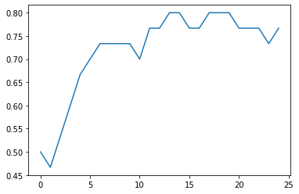
 | real | preds
C01 | carton | plastico
C02 | carton | carton
C03 | carton | cristal
C04 | carton | carton
C05 | carton | carton
C06 | carton | plastico
C07 | carton | plastico
C08 | carton | plastico
C09 | carton | carton
C10 | carton | carton
P01 | plastico | plastico
P02 | plastico | plastico
P03 | plastico | plastico
P04 | plastico | plastico
P05 | plastico | plastico
P06 | plastico | plastico
P07 | plastico | plastico
P08 | plastico | plastico
P09 | plastico | plastico
P10 | plastico | plastico
G01 | cristal | cristal
G02 | cristal | plastico
G03 | cristal | cristal
G04 | cristal | cristal
G05 | cristal | cristal
G06 | cristal | cristal
G07 | cristal | cristal
G08 | cristal | cristal
G09 | cristal | cristal
G10 | cristal | cristal

