Financial Data
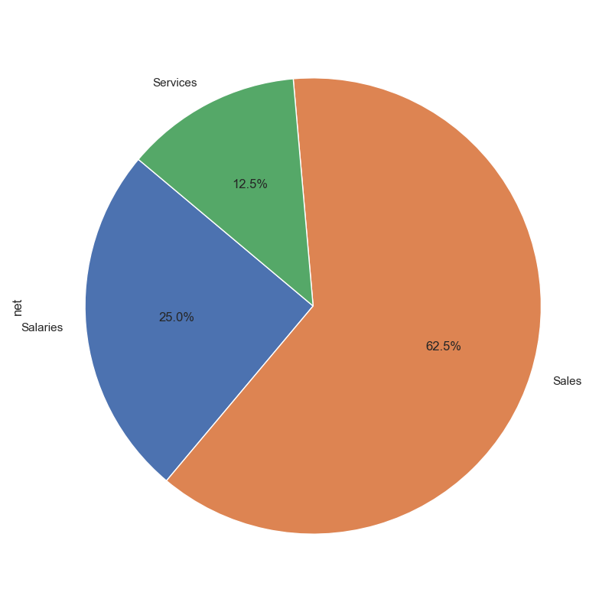
date | description | category | income | expenses | net | cumulative | year
2023-02-01 | Invoice #123 | Sales | 1000 | 0 | 1000 | 1000 | 2023
2023-03-02 | Office Supplies | Supplies | 0 | 150 | -150 | 850 | 2023
2023-07-03 | Service Fee | Services | 300 | 0 | 300 | 1150 | 2023
2023-06-04 | Utility Bill | Utilities | 0 | 200 | -200 | 950 | 2023
2023-09-05 | Salary Payment | Salaries | 200 | 800 | -600 | 350 | 2023
2022-04-01 | Invoice #123 | Sales | 500 | 0 | 500 | 850 | 2022
2021-07-02 | Office Supplies | Supplies | 0 | 100 | -100 | 750 | 2021
2017-02-03 | Service Fee | Supplies | 300 | 800 | -500 | 250 | 2017
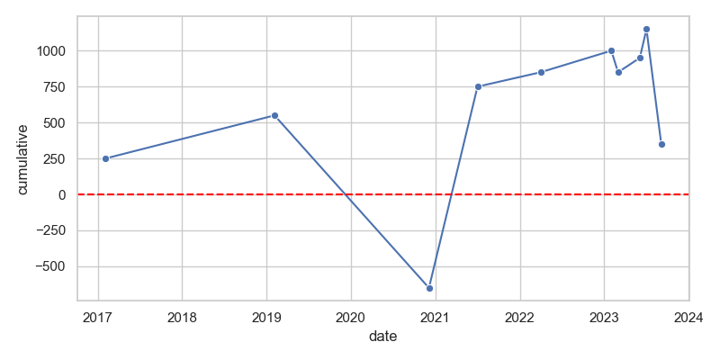
2020-12-04 | Utility Bill | Utilities | 100 | 1000 | -900 | -650 | 2020
2019-02-05 | Salary Payment | Salaries | 1200 | 0 | 1200 | 550 | 2019

