Financial Data
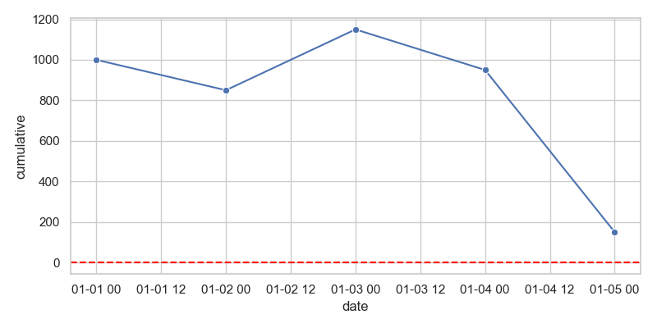
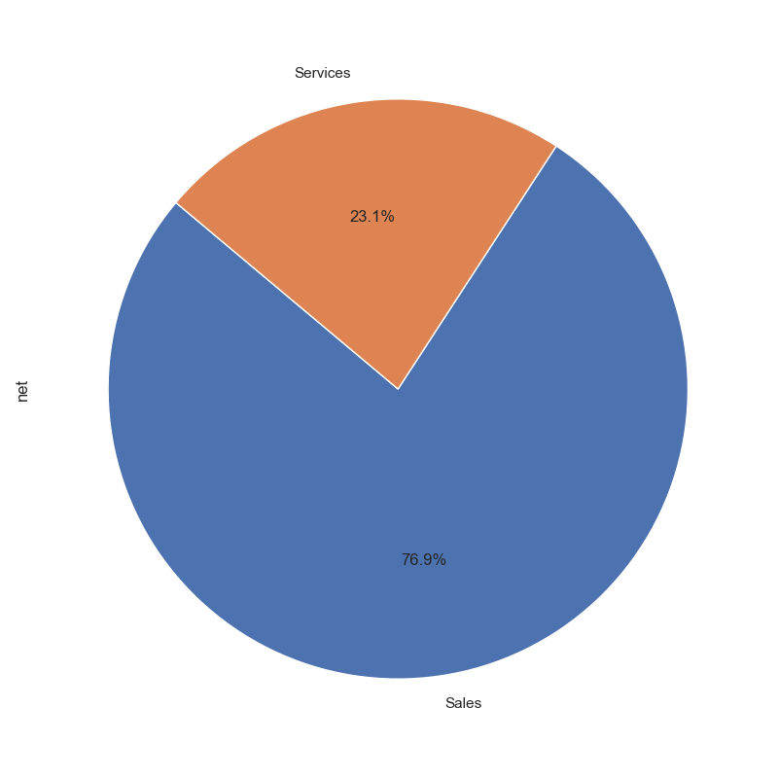
date | description | category | income | expenses | net | cumulative | year
2023-01-01 | Invoice #123 | Sales | 1000 | 0 | 1000 | 1000 | 2023
2023-01-02 | Office Supplies | Supplies | 0 | 150 | -150 | 850 | 2023
2023-01-03 | Service Fee | Services | 300 | 0 | 300 | 1150 | 2023
2023-01-04 | Utility Bill | Utilities | 0 | 200 | -200 | 950 | 2023
2023-01-05 | Salary Payment | Salaries | 0 | 800 | -800 | 150 | 2023

