Dashboard
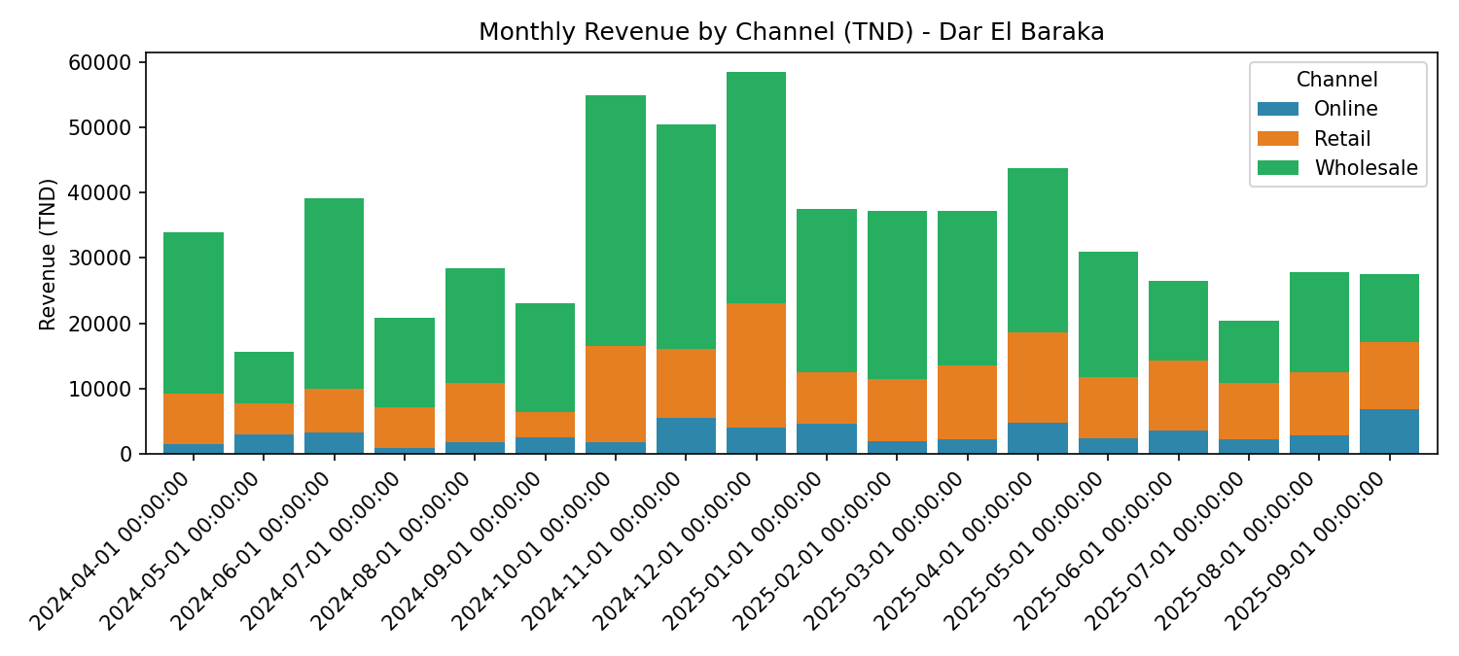
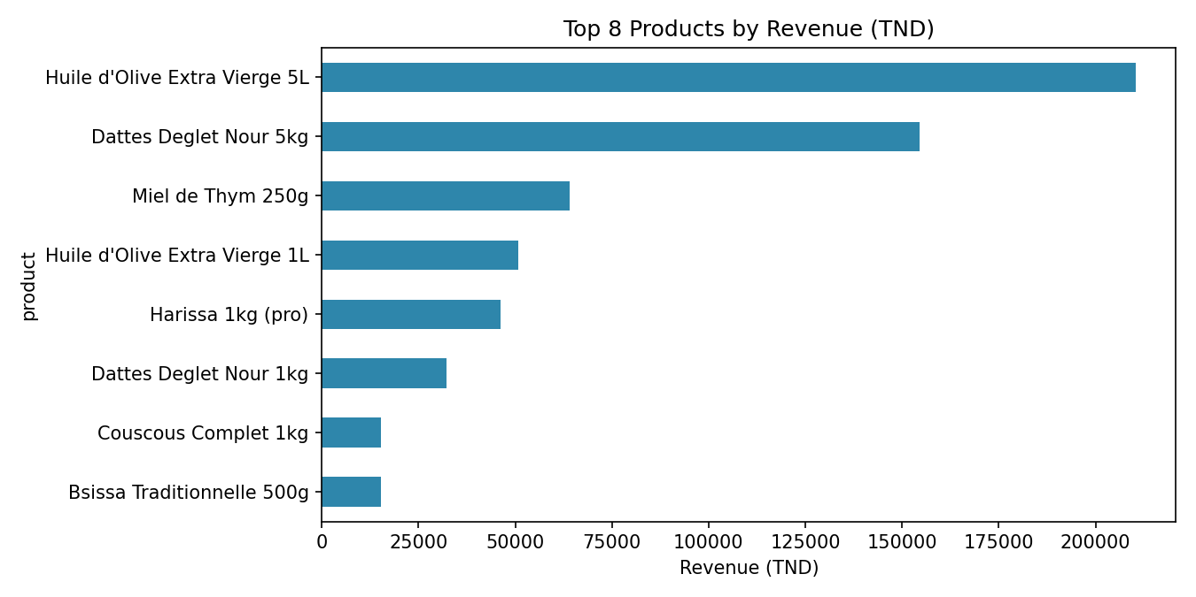
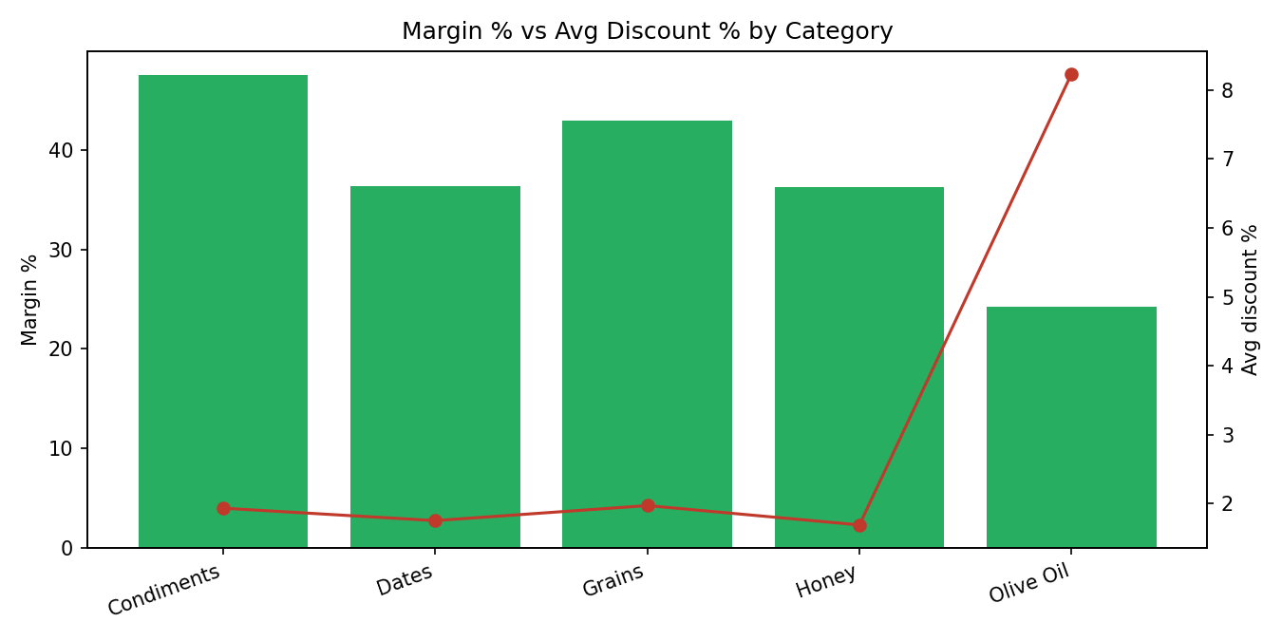
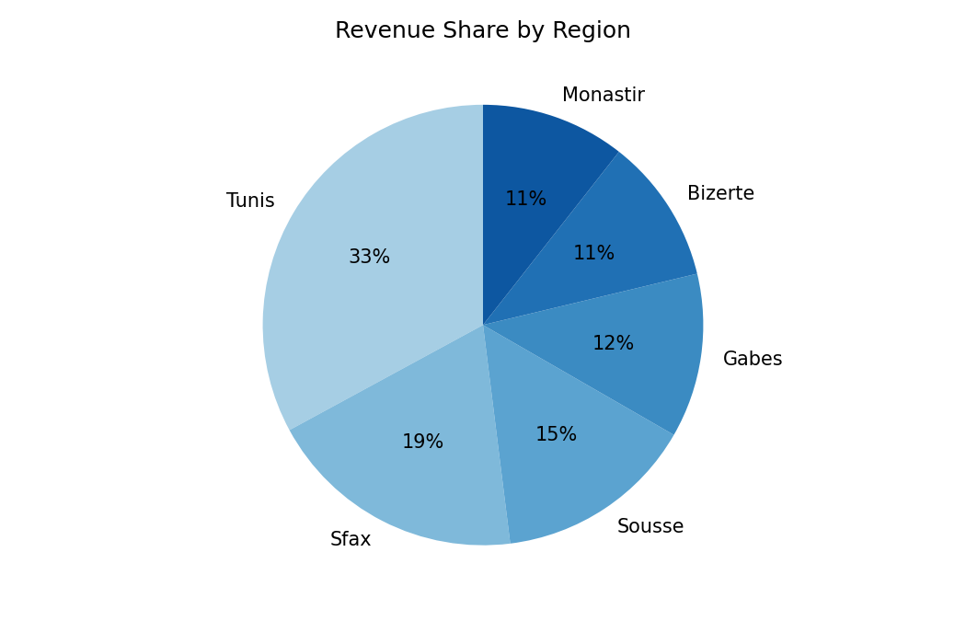
KEY PERFORMANCE INDICATORS
Total Revenue (TND) | 613,848
Total Profit (TND) | 201,152
Profit Margin | 32.8%
Orders | 2,460
Avg Order Value (TND) | 249.5
Period | Apr 2024 - Sep 2025

REVENUE & MARGIN BY CHANNEL
Channel | Revenue (TND) | Profit (TND) | Margin %
Online | 56,566 | 18,256 | 32.3%
Retail | 173,726 | 56,059 | 32.3%
Wholesale | 383,555 | 126,838 | 33.1%

MARGIN VS DISCOUNT BY CATEGORY
Category | Revenue (TND) | Margin % | Avg Discount %
Condiments | 59,967 | 47.6% | 1.9%
Dates | 186,739 | 36.4% | 1.8%
Grains | 41,951 | 43.0% | 2.0%
Honey | 64,152 | 36.3% | 1.7%
Olive Oil | 261,038 | 24.3% | 8.2%

