store
non_base | it will get inflated by being counted in the synergy calculation
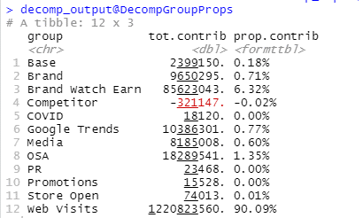

No min on web visit
non_base include media, family media, web visits, google trend, brand watch, brand metrics, osa

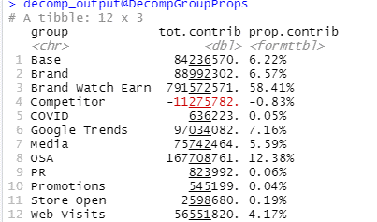

min on web visit
non_base include media, family media, web visits, google trend, brand watch, brand metrics, osa

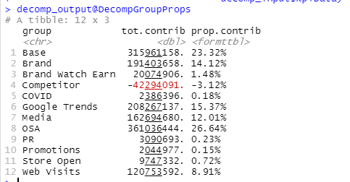

min on web visit and brand watch
non_base include media, family media, web visits, google trend, brand watch, brand metrics, osa

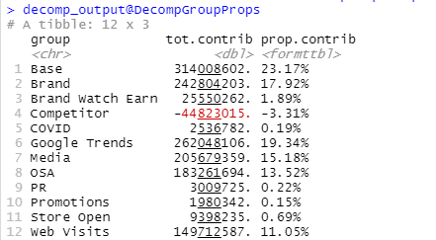

min on web visit and brand watch
non_base include media, family media, web visits, google trend, brand watch, brand metrics
osa in base!

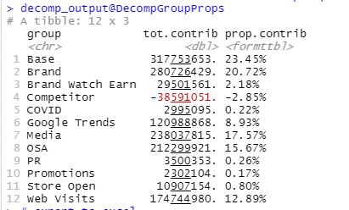

min on web visit and brand watch
non_base include media, family media, web visits, brand watch, brand metrics
osa in base!
google trend in base

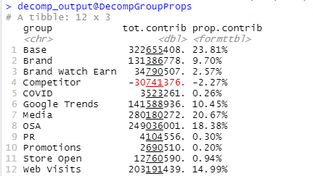

min on web visit and brand watch
non_base include media, family media, web visits, brand watch, brand metrics
osa in base!
google trend in base
brand in base - but should this be in base?????

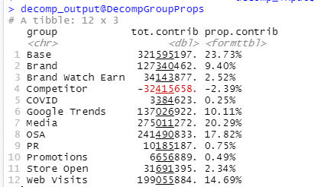

min on web visit and brand watch
non_base include media, family media, web visits, brand watch, brand metrics, promotion, brand, pr
osa in base!
google trend in base



numeric ref point 11.5 on web visit and brand watch
non_base include media, family media, web visits, brand watch, brand metrics, promotion, brand, pr
osa in base!
google trend in base

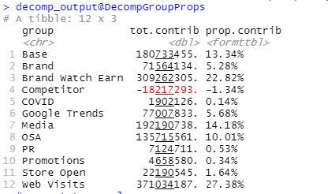

numeric ref point 11.5 on web visit and ref point 1.1 on brand watch
non_base include media, family media, web visits, brand watch, brand metrics, promotion, brand, pr
osa in base!
google trend in base

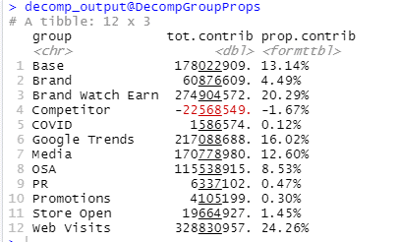

numeric ref point 11.5 on web visit and ref point 1.1 on brand watch
non_base include media, family media, web visits, brand watch, brand metrics, promotion, brand, pr, gt
osa in base!

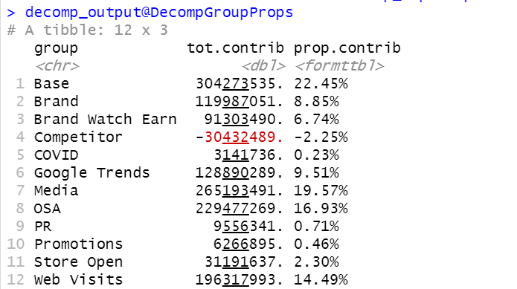

final one

onine
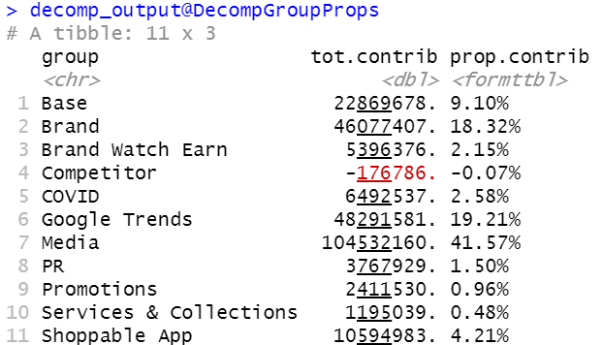

ref on web visits

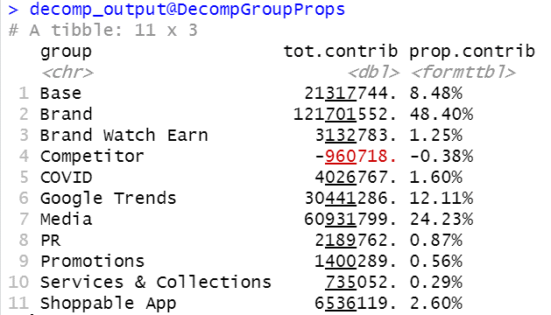

putting brand into non-base

