Introduction
**THIS IS A WORK IN PROGRESS AND NOT FINALISED - IT'S NOT OFFICIALLY PART OF THE OBC TOOLKIT YET AND IS NOT FOR SHARING***

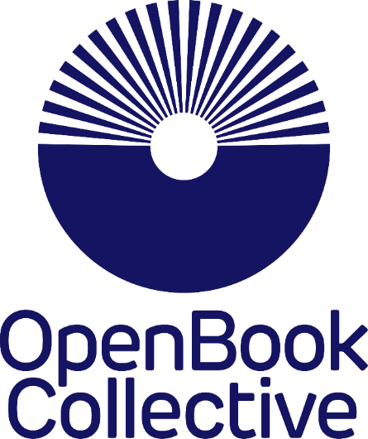
This spreadsheet models possible income and possible library membership numbers if a press were to join the OBC. Enter your details in the first three tabs where asked, and the Results tab will display some projections based on the figures you've entered. We've entered some dummy figures for now to get you started - you can type over them where indicated.

This is just for a Press' internal use - it won’t be part of the OBC application process. It is just an informal tool for publishers to use to help them calculate what they might charge libraries and how many books they might then publish.
It will need a bit of backwards and forwards and playing with the figures.
To see different figures in the Results tab, you could try amending on the previous tabs:

* How much you'll charge libraries to be members
* How many books you expect will come with their own funding annually
* How many books you hope to publish annually, funded by this OBC membership scheme
* How many libraries per year you think you might be able to sign up

Those variables will change the figures you see on the Results tab (as will the other figures too, but these are perhaps the most useful for projecting possible models)

