Introduction
This spreadsheet models possible income and possible library membership numbers if a press were to join the OBC. If you enter your details in the first three tabs where asked, the Results tab will display some projections based on the figures you've entered. You can change the variables as much as you like in order to model what kind of income you might receive, and what your costs will be. We've entered some dummy figures for now to get you started - you can type over them where indicated. | 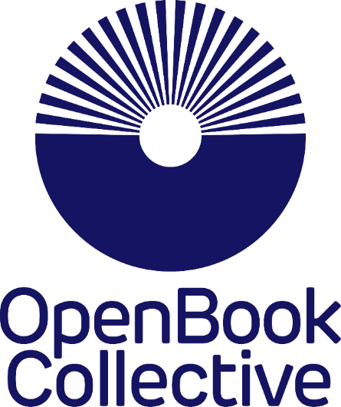

Overview
This spreadsheet it meant to be a tool to help you do some financial modelling. It is NOT compulsory and you won't need to submit a completed version anywhere. It's not part of the OBC application process - it's just designed for presses to use internally to work out what OBC library membership would mean for them in terms of costs, income and how many books you can fund through it, and other sources. If it's not useful you don’t need to use this spreadsheet!

There is an element of 'chicken and egg' with this modelling. For example, it asks you to enter some figures for "how much to charge libraries" but you won't really know what to charge libraries until you see some of the end results. That's OK - you can go back and tweak those figures and see the results as many times as you like. And what it will do is give you an idea of how many libraries you might need to approach for any given membership fees. You might also have to guess at some figures like "how many books do think we can publish using OBC membership fees?" That's OK. Just tweak the figures until you are happy that the fees for the libraries will cover the number of OA books you hope to publish using those fees.

To see different figures in the Results tab, in particular you could try amending on the previous tabs: * How much you'll charge libraries to be members * How many books you expect will come with their own BPC funding annually * How many books you hope to publish annually, funded by this OBC membership scheme * How many libraries per year you think you might be able to sign up Those variables will change the figures you see on this tab (as will the other figures too, but these are perhaps the most useful for projecting possible models) Important note The OBC has tried its best to ensure this modeller functions as it should. However it is only intended as a guide and you should not rely on this spreadsheet alone to price your membership model. We cannot accept responsibility for any decisions you or your organisation make on the basis of this tool, including due to any errors we have not noticed in this tool. At the same time, please do report any errors, so we can fix them!

