Error and Requirment
Still cannot create institution.
SL No. | Module | Feature | Problems / Questions | Portal Type | Reply From Dev Team | Note
1 | Manage Institutes | Create Institute | The institute cannot be created. | Back Office(RKAdmin) | Completed | 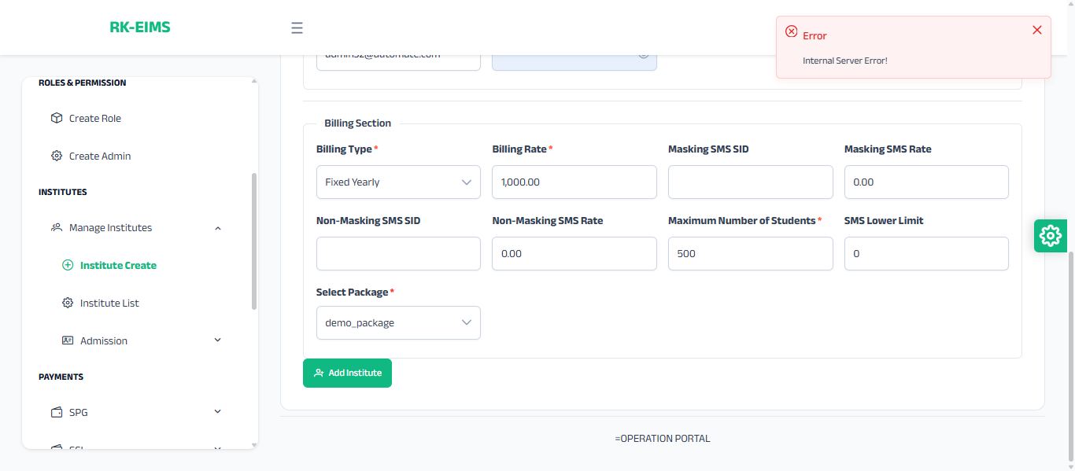
3 | Institutes | Institute List | The school logo is not showing on the system after upload. | Back Office(RKAdmin), Institute Portal(RKEIMS) | Completed
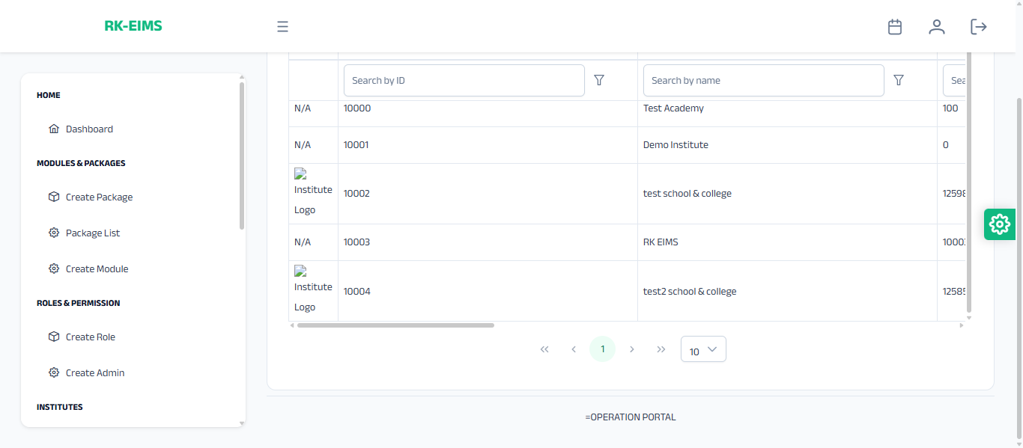
Institute logo not showing in Institute List.
4 | Roles & Permission | Create Role | From the Create Role menu, the role cannot be created. | Back Office(RKAdmin) | Completed
6 | Institutes | Institute List | When I try to update the institute, the Billing Type shows Profile Count, but I did not select this. I selected Fixed Yearly. | Back Office(RKAdmin) | Completed
7 | Institutes | Institute List | When I try to update, the Profile count , Max No. of Students field shows empty, even though I had entered a value before. | Back Office(RKAdmin) | Completed
8 | Institutes | Admission | In the Admission menu, under the Instruction submenu, the Add Instruction button is not working. | Back Office(RKAdmin) | Pending
10 | Master Setting | General Configs | What is the function of the General Configs menu, and what should be done there? | Back Office(RKAdmin) | Completed
11 | Report | Institute Report | Are Institute Report and Institute List the same? Both are going to the same URL. | Back Office(RKAdmin) | Completed
12 | Student Info | Registration | Not Save | Institute Portal(RKEIMS) | Completed
13 | Student Info | Registration |  | Institute Portal(RKEIMS) | Completed
14 | Student Info | Registration | Student is not enrolling. | Institute Portal(RKEIMS) | Completed
15 | Student Info | Registration | Excel Form page button is not working. | Institute Portal(RKEIMS) | Completed
16 | Student Info | Update | In Student Info → Update → Basic Info the information is not updating. Also the Excel file button is not working. | Institute Portal(RKEIMS) | Completed
17 | Student Info | Update | Academic info cannot be updated. | Institute Portal(RKEIMS) | Completed
18 | Student Info | Update | Other info cannot be updated. | Institute Portal(RKEIMS) | Completed
19 | Student Info | Promotion | Students without merit cannot be migrated. | Institute Portal(RKEIMS) | Completed
20 | Student Info | Promotion | Promotion push-back is not working it still appears in the list. | Institute Portal(RKEIMS) | Completed
21 | Student Info | Summery | Report → Summary - Total Student is not showing. | Institute Portal(RKEIMS) | Completed
27 | Student Attendance | Report | Report → Summary, Details Info, and Device Report- the wrong page is showing. | Institute Portal(RKEIMS) | Completed
28 | Exam Management | Setting | Class Test → Assign the exam delete option is not working. | Institute Portal(RKEIMS) | Completed
29 | Exam Management | Setting | Semester Exam → Exam Setting → Exam Startup→ Class Test Mapping - no data can be entered here | Institute Portal(RKEIMS) | Completed
30 | Exam Management | Semester Exam | Semester Exam → Mark Input is not working. | Institute Portal(RKEIMS) | Completed
31 | Master Settings | Basic Setup | In Basic Setup District ,Thana data is not saving. | Institute Portal(RKEIMS) | Completed
32 | Master Settings | General Configuration | General Configuration menu- values are not showing. | Institute Portal(RKEIMS) | Completed
33 | Student Info | Update | Student Info → Basic Info, the Student Type and Residential Type are shown but in Other Info they do not match. | Institute Portal(RKEIMS) | Completed
35 | Student Management | Take Attendance | I tried to change the section-wise , Exam Attendance update from Present to Absent, but no changes happened. | Institute Portal(RKEIMS) | Completed
37 | Student Management | Student Attendance | changing Attendance ID auto-changes Student ID, which is not correct. | Institute Portal(RKEIMS) | Completed
38 | Master Setting | Class Setup | In Master Settings, what is the Class Setup Mapping system? How should sections and groups be selected—all at once or one by one? | Institute Portal(RKEIMS) | Check Note
39 | Master Setting | Subject Setup | once a subject is applied, it can’t be changed later | Institute Portal(RKEIMS) | Completed
40 | Master Setting | Subject Setup | same serial number can be used for multiple subjects. Why? | Institute Portal(RKEIMS) | Completed
41 | Fees Management | Fee Mapping | In Fees Management → Fee Mapping, mapped fees cannot be deleted | Institute Portal(RKEIMS) | Completed
42 | Fees Management | Amount Setup | Student-wise amount setup is not working properly | Institute Portal(RKEIMS) | Completed
43 | Exam Management | Semester Exam | Exam Setting - Exam onfig -the values are not showing in the merit process type dropdown | Institute Portal(RKEIMS) | Completed
44 | Master Setting | Statrtup | Master Settings → Startup here I need to edit the serial number again and again | Institute Portal(RKEIMS) | Completed
45 | Master Setting | Class Setup | In Class Map, some changes have appeared. I can’t understand how the mapping works here. | Institute Portal(RKEIMS) | Completed
46 | Master Setting | Subject Configure | In Subject Configure, what is the function of the Copy To button? Also when adding a subject an icon appears on the right side. If I click it the subject gets deleted. Is this icon’s function correct? | Institute Portal(RKEIMS) | Completed
47 | Master Setting | 4th subject | In the 4th subject assigning section, I assigned a subject to a student. But after refreshing, the student still shows here. Since the subject is already assigned, the student should not appear. | Institute Portal(RKEIMS) | Check Note
48 | Master Setting | Irregular-Subject | Same issue like 47 no | Institute Portal(RKEIMS) | Check Note
49 | Student Management | Basic Info | In Basic Info, the date of birth is not stored in Excel and also does not show. | Institute Portal(RKEIMS) | Completed
50 | Student Management | Basic Info | In Basic Info, if I try to upload Excel after editing it, the file does not upload and shows an error. | Institute Portal(RKEIMS) | Completed
51 | Student Management | Academic Info | In Academic Info → Update All, I changed a student to another class, but there is no way to move them back to the previous class. | Institute Portal(RKEIMS) | Completed
52 | Student Management | Academic Info | From Update Group, I changed a student’s group from BS to Science. Now the group column shows blank, and if I search in the student list, the student still appears in BS instead of Science. | Institute Portal(RKEIMS) | Completed
53 | Student Management | Academic Info | The Update Section feature is not working. | Institute Portal(RKEIMS) | Completed
54 | Student Management | Academic Info | The Update Category feature is not working. | Institute Portal(RKEIMS) | Completed
55 | Student Management | Academic Info | In Academic Info, the Guardian Contact column does not show any value. | Institute Portal(RKEIMS) | Completed
56 | Student Management | Other Info | In Other Info, the Marital Status drop-down does not appear. | Institute Portal(RKEIMS) | Completed
57 | Student Management | Other Info | In Student Type, it shows Non-Regular, but it should be Irregular. | Institute Portal(RKEIMS) | Completed
58 | Student Management | Other Info | The following fields are not being stored, and they do not appear in Excel or PDF: present division, present district, mother income, father address, mother address, permanent division, guardian relation, father email, father NID, date of birth, father income, father education, father profession, mother email, mother NID, mother profession, permanent district. Even after editing the Excel file and uploading it again, the values still do not show. | Institute Portal(RKEIMS) | Completed
59 | Student Management | Promotion | In Promotion Push Back, the name, group, and contact values do not show. | Institute Portal(RKEIMS) | Completed
60 | Student Management | Summery | In the Religion report, there are Hindu students, but they do not show in the report. If I update the religion, it does not get stored and still shows the previous value. | Institute Portal(RKEIMS) | Completed
61 | Student Management | Summery | The following fields do not store values in the student list: date of birth, guardian relation, nationality, NID, height, weight, special disease, marital status, student email, father NID, father email, father address, father profession, father income, father education, mother NID, mother email, mother address, mother profession, mother income, mother education, present division, present district, permanent division, permanent district, education info, quota name, vaccinated status, and vaccine name. | Institute Portal(RKEIMS) | Completed
62 | Student Management | Summery | In Other Info, the quota name, vaccinated status, and vaccine name input fields are missing. | Institute Portal(RKEIMS) | Completed
63 | Student Attendance | Take Attendance | In Take Attendance → Section Wise, if I change attendance from Present to Absent, it still shows as Present. But, in Update Attendance, it shows as Absent. | Institute Portal(RKEIMS) | Completed
64 | Student Attendance | Take Attendance | From Exam Attendance, I changed the attendance to Absent, but in Update Attendance, the absent status does not show and cannot be edited. | Institute Portal(RKEIMS) | Completed
69 | Student Attendance | Report | In Report → Summary, no sub-menu shows the correct page. | Institute Portal(RKEIMS) | Completed
70 | Student Attendance | Report | In the Attendance Sheet, no attendance data is shown only student details are displayed. | Institute Portal(RKEIMS) | Completed
71 | Fees Management | Amount Setup | In Amount Setup, the class-wise amount cannot be set up an error occurs. | Institute Portal(RKEIMS) | Completed
72 | Fees Management | Amount Setup | In Student-wise Amount, the Excel file does not download, the fee,fine amount cannot be changed, and the values are not stored. | Institute Portal(RKEIMS) | Check Note
73 | Fees Management | Fee Remove | In Fee Remove → Fee Head, the feature does not work. | Institute Portal(RKEIMS) | Completed
74 | Fees Management | Fee Remove | In Fee Remove → Fee Sub Head, the feature does not work. | Institute Portal(RKEIMS) | Completed
75 | Fees Management | Fee Collection | In Quick Collection, the Collection Invoice does not work. | Institute Portal(RKEIMS) | Completed
76 | Fees Management | Report | In Waiver Info, the Waiver Details do not show. | Institute Portal(RKEIMS) | Completed
77 | Fees Management | Online Payment | In the online payment details section, manual collection details are appearing | Institute Portal(RKEIMS) | Completed
79 | Exam Management | Mark Entry | In class test mark entry, if more marks are entered than the total marks, it will turn red. | Institute Portal(RKEIMS) | Check Note
80 | Exam Management | Mark Input | I configured a new subject but when I go to mark input it throws an error. | Institute Portal(RKEIMS) | Completed
81 | Message & Notification | Phone Book | Add Selected to Phone Book button is showing an error and not adding the contact. | Institute Portal(RKEIMS) | Completed
82 | Administration | Create User | From Allow Backdated to Dashboard View no dropdowns are visible. | Institute Portal(RKEIMS) | Completed
84 | Routine Management | Routine | All menus page missing | Institute Portal(RKEIMS) | Completed

