(c)
Microsoft Excel 14.4 Sensitivity Report
Worksheet: [ENDURANCE_solution.xlsx]a,b
Report Created: 3/31/2015 10:33:29 PM

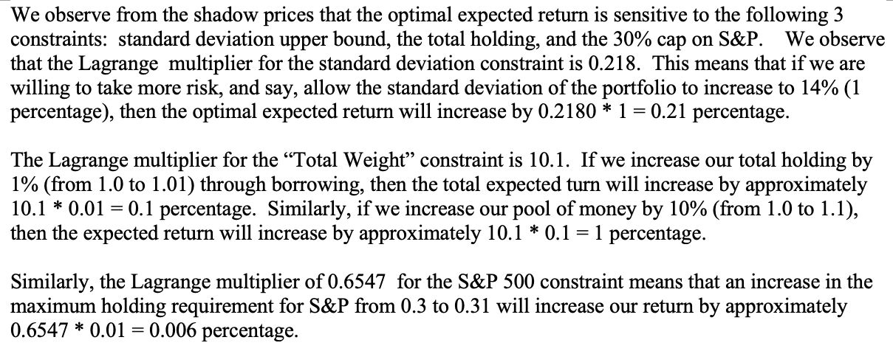
Variable Cells
 |  |  | Final | Reduced
 | Cell | Name | Value | Gradient
 | $B$11 | BA Fraction Invested | 0.11550909579 | 0
 | $B$12 | XON Fraction Invested | 0 | -1.2835359424
 | $B$13 | GM Fraction Invested | 0.073683270303 | 0
 | $B$14 | MCD Fraction Invested | 0.22493675503 | 0
 | $B$15 | PG Fraction Invested | 0.28587087888 | 0
 | $B$16 | SP Fraction Invested | 0.3 | 0

Constraints
 |  |  | Final | Lagrange
 | Cell | Name | Value | Multiplier
 | $B$22 | Standard Deviation Constraint | 13.00000 | 0.21845
 | $B$23 | Total Constraint | 1.00000 | 10.10866
 | $B$26 | Max BA Holding Constraint | 0.11551 | 0.00000
 | $B$27 | Max XON Holding Constraint | 0.00000 | 0.00000
 | $B$28 | Max GM Holding Constraint | 0.07368 | 0.00000
 | $B$29 | Max MCD Holding Constraint | 0.22494 | 0.00000
 | $B$30 | Max PG Holding Constraint | 0.28587 | 0.00000
 | $B$31 | Max SP Holding Constraint | 0.30000 | 0.65419

(d)
Asset | Ticker | Expected Return (% per year) | Standard Deviation of Return (% per year) |  | Correlation of Annual Returns | BA | XON | GM | MCD | PG | SP
Boeing | BA | 12.69604 | 19.05455 |  | BA | 1.00000 | 0.20559 | 0.21902 | 0.43523 | 0.25849 | 0.49609
Exxon | XON | 9.92170 | 12.03149 |  | XON | 0.20559 | 1.00000 | 0.11522 | 0.30249 | 0.21095 | 0.56073
General Motors | GM | 11.80725 | 24.79470 |  | GM | 0.21902 | 0.11522 | 1.00000 | 0.32526 | -0.17682 | 0.36528
McDonald's | MCD | 13.54907 | 21.69084 |  | MCD | 0.43523 | 0.30249 | 0.32526 | 1.00000 | 0.14953 | 0.59082
Procter & Gamble | PG | 13.45906 | 21.80891 |  | PG | 0.25849 | 0.21095 | -0.17682 | 0.14953 | 1.00000 | 0.55053
S & P 500 | SP | 13.04295 | 11.71033 |  | SP | 0.49609 | 0.56073 | 0.36528 | 0.59082 | 0.55053 | 1.00000

Decision Variables | % invest |  | Max Stdev (%) | 14.5 |  |  |  |  |  |  |  | Stdev | 10.5 | 11 | 11.5 | 12 | 12.5 | 13 | 13.5 | 14 | 14.5 | 15
BA | 10.00% |  | Max Holding | 0.3 |  | σB * B | 1.90546 |  |  |  |  | Return | 12.03 | 12.35 | 12.60 | 12.81 | 13.00 | 13.14 | 13.24 | 13.28 | 13.28 | 13.28
XON | 0.00% |  |  |  |  | σX * X | 0.00000 |  |  |  |  | BA | 0.119 | 0.129 | 0.137 | 0.143 | 0.149 | 0.116 | 0.089 | 0.100 | 0.100 | 0.100
GM | 0.00% |  |  |  |  | σG * G | 0.00000 |  |  |  |  | XON | 0.295 | 0.200 | 0.127 | 0.063 | 0.007 | 0.000 | 0.000 | 0.000 | 0.000 | 0.000
MCD | 30.00% |  |  |  |  | σM * M | 6.50725 |  |  |  |  | GM | 0.106 | 0.113 | 0.118 | 0.122 | 0.126 | 0.074 | 0.031 | 0.000 | 0.000 | 0.000
PG | 30.00% |  |  |  |  | σP * P | 6.54267 |  |  |  |  | MCD | 0.033 | 0.073 | 0.104 | 0.131 | 0.155 | 0.225 | 0.280 | 0.300 | 0.300 | 0.300
SP | 30.00% |  |  |  |  | σS * S | 3.51310 |  |  |  |  | PG | 0.146 | 0.185 | 0.215 | 0.240 | 0.263 | 0.286 | 0.300 | 0.300 | 0.300 | 0.300
 |  |  |  |  |  |  |  |  |  |  |  | SP | 0.300 | 0.300 | 0.300 | 0.300 | 0.300 | 0.300 | 0.300 | 0.300 | 0.300 | 0.300
Optimal Expected Return vs Standard Deviation Upper Bound
Objective | 13.284928

Constraints

Standard Deviation | 13.786107071 | <= | 14.5
Total | 1 | = | 1

Max BA | 0.1 | <= | 0.3
Max XON | 0 | <= | 0.3
Max GM | 0 | <= | 0.3
Max MCD | 0.3 | <= | 0.3
Max PG | 0.3 | <= | 0.3
Max SP | 0.3 | <= | 0.3

(h)
Asset | Ticker | Expected Return (% per year) | Standard Deviation of Return (% per year) | Correlation of Annual Returns | BA | XON | GM | MCD | PG | SP
Boeing | BA | 12.69604 | 19.05455 | BA | 1.00000 | 0.20559 | 0.21902 | 0.43523 | 0.25849 | 0.49609
Exxon | XON | 9.92170 | 12.03149 | XON | 0.20559 | 1.00000 | 0.11522 | 0.30249 | 0.21095 | 0.56073
General Motors | GM | 11.80725 | 24.79470 | GM | 0.21902 | 0.11522 | 1.00000 | 0.32526 | -0.17682 | 0.36528
McDonald's | MCD | 13.54907 | 21.69084 | MCD | 0.43523 | 0.30249 | 0.32526 | 1.00000 | 0.14953 | 0.59082
Procter & Gamble | PG | 13.45906 | 21.80891 | PG | 0.25849 | 0.21095 | -0.17682 | 0.14953 | 1.00000 | 0.55053
S & P 500 | SP | 13.04295 | 11.71033 | SP | 0.49609 | 0.56073 | 0.36528 | 0.59082 | 0.55053 | 1.00000

Decision Variables | % invest | last quarter |  | Max Stdev (%) | 10.00
BA | 0.2100 | 0.21 |  | Max Holding | 0.3 |  | σB * B | 4.00145
XON | 0.0100 | 0.16 |  |  |  |  | σX * X | 0.12031
GM | 0.0600 | 0.21 |  |  |  |  | σG * G | 1.48768
MCD | 0.2400 | 0.09 |  |  |  |  | σM * M | 5.20580
PG | 0.2400 | 0.09 |  |  |  |  | σP * P | 5.23414
SP | 0.2400 | 0.24 |  |  |  |  | σS * S | 2.81048

Objective | 12.7861
 |  |  |  |  |  |  | Stdev | 10.5 | 11.0 | 11.5 | 12.0 | 12.5 | 13.0 | 13.5 | 14.0 | 14.5 | 15.0
Constraints |  |  |  |  |  |  | Return | 11.79 | 12.17 | 12.42 | 12.60 | 12.73 | 12.78 | 12.79 | 12.79 | 12.79 | 12.79
 |  |  |  |  |  |  | BA | 0.1361 | 0.1550 | 0.1848 | 0.2090 | 0.2100 | 0.2100 | 0.2100 | 0.2100 | 0.2100 | 0.2100
Standard Deviation | 13.10 | <= | 10.00 |  |  |  | XON | 0.2926 | 0.1955 | 0.1178 | 0.0484 | 0.0100 | 0.0100 | 0.0100 | 0.0100 | 0.0100 | 0.0100
Total | 1.00 | = | 1.00 |  |  |  | GM | 0.1105 | 0.1194 | 0.1269 | 0.1411 | 0.1007 | 0.0600 | 0.0600 | 0.0600 | 0.0600 | 0.0600
 |  |  |  |  |  |  | MCD | 0.0343 | 0.0751 | 0.0900 | 0.0900 | 0.1393 | 0.2236 | 0.2400 | 0.2400 | 0.2400 | 0.2400
 | Max Holding |  |  |  |  |  | PG | 0.1265 | 0.1550 | 0.1805 | 0.2115 | 0.2400 | 0.2400 | 0.2400 | 0.2400 | 0.2400 | 0.2400
BA | 0.21000 | <= | 0.3 |  |  |  | SP | 0.3000 | 0.3000 | 0.3000 | 0.3000 | 0.3000 | 0.2564 | 0.2400 | 0.2400 | 0.2400 | 0.2400
XON | 0.01000 | <= | 0.3
Optimal Expected Return vs Standard Deviation Upper Bound
GM | 0.06000 | <= | 0.3
MCD | 0.24000 | <= | 0.3
PG | 0.24000 | <= | 0.3
SP | 0.24000 | <= | 0.3

 | Absolute Deviation
BA | 0.00000 | <= | 0.15
XON | 0.15000 | <= | 0.15
GM | 0.15000 | <= | 0.15
MCD | 0.15000 | <= | 0.15
PG | 0.15000 | <= | 0.15
SP | 0.00000 | <= | 0.15

(i)
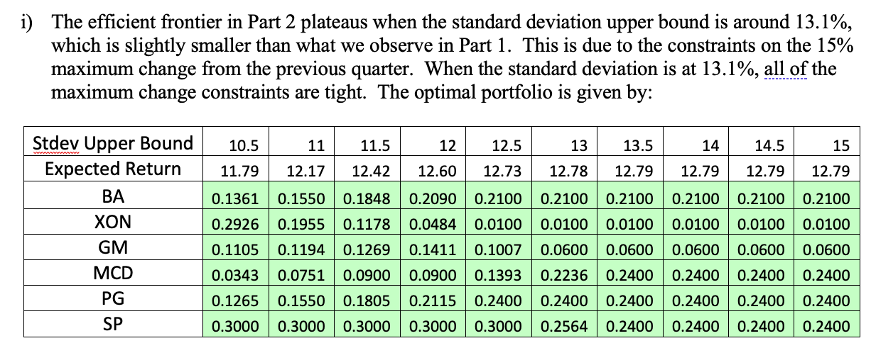

Comparison of the Two Efficient Frontiers

Stdev | 10.5 | 11.0 | 11.5 | 12.0 | 12.5 | 13.0 | 13.5 | 14.0 | 14.5 | 15.0
Model 1 | 12.02621 | 12.349590237 | 12.59756 | 12.810607071 | 13.00276 | 13.144627011 | 13.23987 | 13.284928 | 13.284928 | 13.284928
Model 2 | 11.79 | 12.17 | 12.42 | 12.60 | 12.73 | 12.78 | 12.79 | 12.79 | 12.79 | 12.79

