Q1_2nd Best Solution
 |  |  |  |  |  |  |  |  | Pairs of Locations that are within 10 MINS of each other
Distance | Arlington | Belmont | Cambridge | Lexington | Concord | Winchester | Driving Distance | Distance | Arlington | Belmont | Cambridge | Lexington | Concord | Winchester
Arlington | 0 | 5 | 10 | 15 | 20 | 15 | 10 | Arlington | 1 | 1 | 1 | 0 | 0 | 0
Belmon | 5 | 0 | 8 | 10 | 15 | 12 |  | Belmon | 1 | 1 | 1 | 1 | 0 | 0
Cambridge | 10 | 8 | 0 | 15 | 20 | 10 |  | Cambridge | 1 | 1 | 1 | 0 | 0 | 1
Lexington | 15 | 10 | 15 | 0 | 10 | 12 |  | Lexington | 0 | 1 | 0 | 1 | 1 | 0
Concord | 20 | 15 | 20 | 10 | 0 | 12 |  | Concord | 0 | 0 | 0 | 1 | 1 | 0
Winchester | 15 | 12 | 10 | 12 | 12 | 0 |  | Winchester | 0 | 0 | 1 | 0 | 0 | 1

Decision Variables | Arlington | Belmont | Cambridge | Lexington | Concord | Winchester
ATM Locations | 0 | 0 | 1 | 0 | 1 | 0

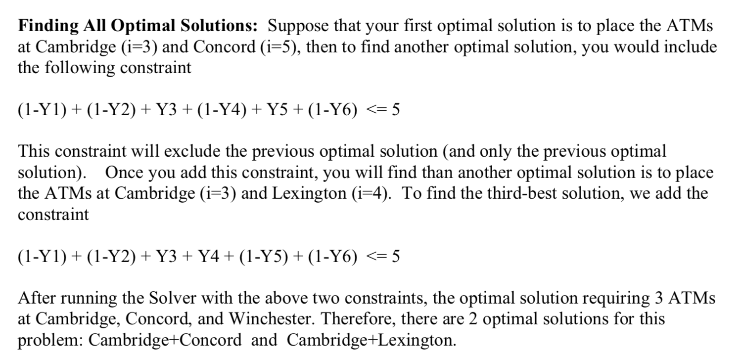
Total # of ATM opened | 2

Constraints
Arlington | 1 | >= | 1
Belmon | 1 | >= | 1
Cambridge | 1 | >= | 1
Lexington | 1 | >= | 1
Concord | 1 | >= | 1
Winchester | 1 | >= | 1

Excluding Cambridge + Lexington |  | (1-Y1) + (1-Y2) + Y3 + Y4 + (1-Y5) + (1-Y6) <= 5
 | 4 | <= | 5

Q2_1st Best
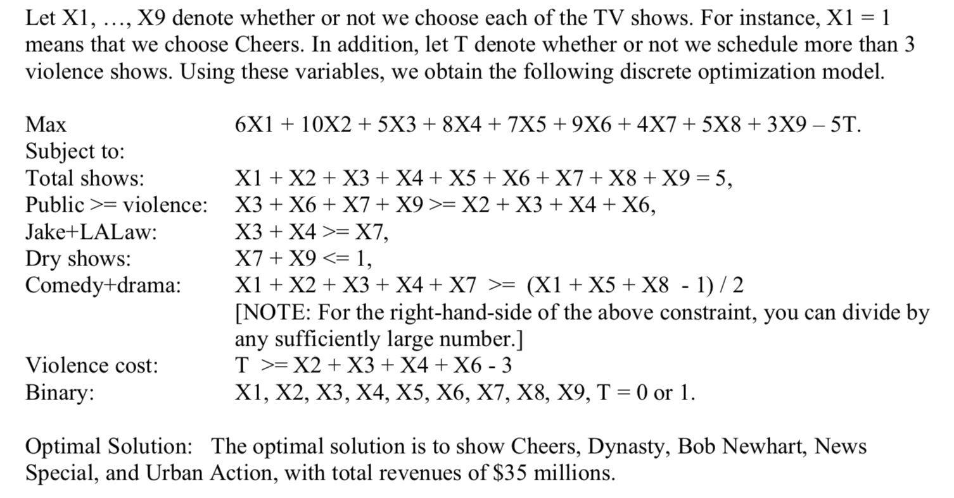
Show | Decisions | Revenue | Public Interest | Contains Violence | Comedy | Drama
Cheers | 1 | 6 |  |  | 1 | 1
Dynasty | 1 | 10 |  | 1 |  | 1
LA Law | 0 | 5 | 1 | 1 |  | 1
Jake | 0 | 8 |  | 1 |  | 1
Bob Newhart | 1 | 7 |  |  | 1
News Special | 1 | 9 | 1 | 1
Focus on Science | 0 | 4 | 1 |  |  | 1
Beaches | 0 | 5 |  |  | 1
Urban Action | 1 | 3 | 1
Cost of Too Many Violent Shows Indicator | 0 | 5 | 2 | 2 | 2 | 2

Objective |  | $35.000

Constraints
5 shows |  | 5 | = | 5.000
public => violence |  | 2 | >= | 2.000
if "Focus" then Jake or LA Law |  | 0 | >= | 0.000
Not both "Focus" & "Urban" |  | 1 | <= | 1.000
if 2 more Comedy, at least 1 drama |  | 2 | >= | 0.50
whether or not we have 3 violent shows |  | 0 | >= | -1.000

Q2_2nd Best
Show | Decisions | Revenue | Public Interest | Contains Violence | Comedy | Drama
Cheers | 0 | 6 |  |  | 1 | 1
Dynasty | 1 | 10 |  | 1 |  | 1
LA Law | 1 | 5 | 1 | 1 |  | 1
Jake | 0 | 8 |  | 1 |  | 1
Bob Newhart | 1 | 7 |  |  | 1
News Special | 1 | 9 | 1 | 1
Focus on Science | 1 | 4 | 1 |  |  | 1
Beaches | 0 | 5 |  |  | 1
Urban Action | 0 | 3 | 1
Cost of Too Many Violent Shows Indicator | 0 | 5 | 3 | 3 | 1 | 3

Objective |  | $35.000

Constraints
5 shows |  | 5 | = | 5
public => violence |  | 3 | >= | 3
if "Focus" then Jake or LA Law |  | 1 | >= | 1
Not both "Focus" & "Urban" |  | 1 | <= | 1
if 2 more Comedy, at least 1 drama |  | 3 | >= | 0.00
whether or not we have 3 violent shows |  | 0 | >= | 0

1st Optimal Solution |  | 5 | <= | 8
Cheers | 1
Dynasty | 1
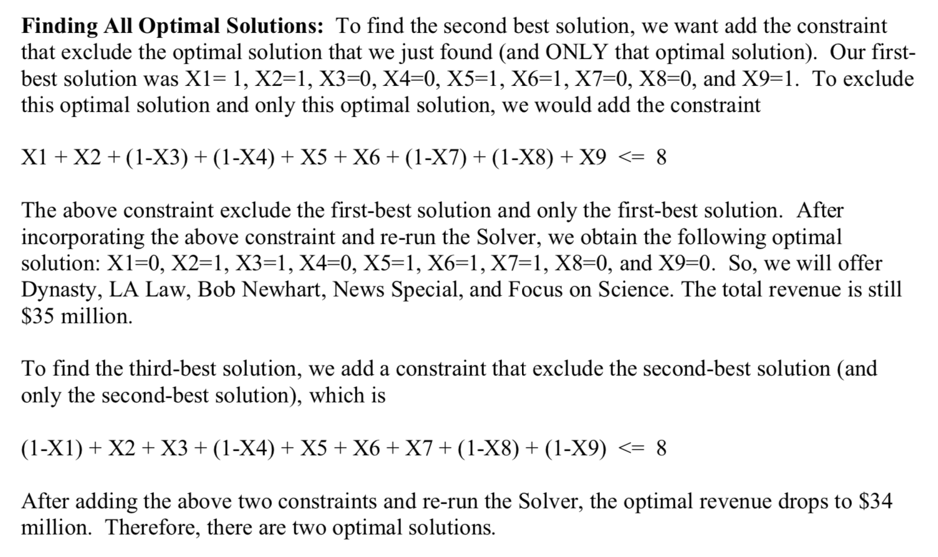
LA Law | 0
Jake | 0
Bob Newhart | 1
News Special | 1
Focus on Science | 0
Beaches | 0
Urban Action | 1

Q4 1st Round
Regional Sales Office | x-coordinate | y-coordinate | Distance | 1 | 2 | 3 | 4 | 5 | 6 | 7 | 8
1 | 0.00 | 0.00 | 1 | 0.0 | 5.9 | 5.4 | 3.3 | 11.0 | 8.3 | 7.3 | 0.7
2 | 1.33 | 5.73 | 2 | 5.9 | 0.0 | 1.3 | 4.5 | 16.8 | 14.1 | 13.1 | 6.1
3 | 2.32 | 4.90 | 3 | 5.4 | 1.3 | 0.0 | 4.8 | 16.4 | 13.5 | 12.4 | 5.7
4 | -1.98 | 2.70 | 4 | 3.3 | 4.5 | 4.8 | 0.0 | 12.9 | 11.0 | 10.2 | 3.0
5 | -4.76 | -9.88 | 5 | 11.0 | 16.8 | 16.4 | 12.9 | 0.0 | 4.4 | 5.6 | 10.7
6 | -0.68 | -8.23 | 6 | 8.3 | 14.1 | 13.5 | 11.0 | 4.4 | 0.0 | 1.3 | 8.3
7 | 0.18 | -7.31 | 7 | 7.3 | 13.1 | 12.4 | 10.2 | 5.6 | 1.3 | 0.0 | 7.4
8 | -0.72 | 0.02 | 8 | 0.7 | 6.1 | 5.7 | 3.0 | 10.7 | 8.3 | 7.4 | 0.0

 |  |  | Xij | 1 | 2 | 3 | 4 | 5 | 6 | 7 | 8 | Row Sum | Diag | Transpose | 1 | 2 | 3 | 4 | 5 | 6 | 7 | 8
 |  |  | 1 | 0 | 0 | 1 | 0 | 0 | 0 | 0 | 1 | 2 | 0 | 1 | 0 | 0 | 1 | 0 | 0 | 0 | 0 | 1
 |  |  | 2 | 0 | 0 | 1 | 1 | 0 | 0 | 0 | 0 | 2 | 0 | 2 | 0 | 0 | 1 | 1 | 0 | 0 | 0 | 0
 |  |  | 3 | 1 | 1 | 0 | 0 | 0 | 0 | 0 | 0 | 2 | 0 | 3 | 1 | 1 | 0 | 0 | 0 | 0 | 0 | 0
Total Distance | 26.11 |  | 4 | 0 | 1 | 0 | 0 | 0 | 0 | 0 | 1 | 2 | 0 | 4 | 0 | 1 | 0 | 0 | 0 | 0 | 0 | 1
 |  |  | 5 | 0 | 0 | 0 | 0 | 0 | 1 | 1 | 0 | 2 | 0 | 5 | 0 | 0 | 0 | 0 | 0 | 1 | 1 | 0
 |  |  | 6 | 0 | 0 | 0 | 0 | 1 | 0 | 1 | 0 | 2 | 0 | 6 | 0 | 0 | 0 | 0 | 1 | 0 | 1 | 0
 |  |  | 7 | 0 | 0 | 0 | 0 | 1 | 1 | 0 | 0 | 2 | 0 | 7 | 0 | 0 | 0 | 0 | 1 | 1 | 0 | 0
 |  |  | 8 | 1 | 0 | 0 | 1 | 0 | 0 | 0 | 0 | 2 | 0 | 8 | 1 | 0 | 0 | 1 | 0 | 0 | 0 | 0

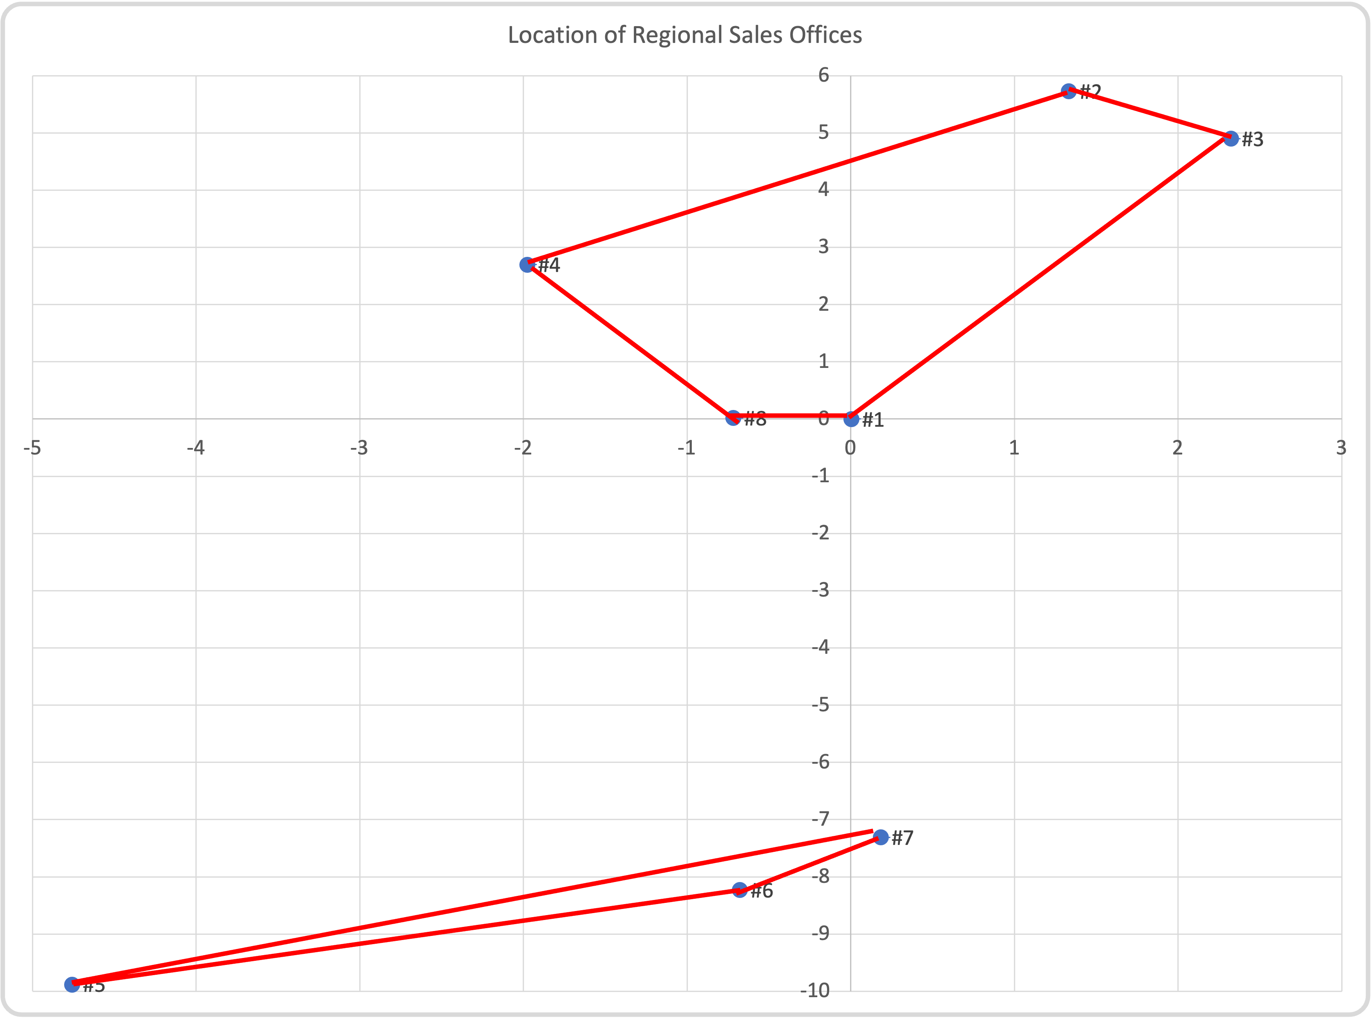
 |  |  |  | 1st Round Solution
 |  |  |  | 3 | 1 | 8 | 4 | 2
 |  |  |  | 5 | 6 | 7

Q4 2nd Round
Regional Sales Office | x-coordinate | y-coordinate | Distance | 1 | 2 | 3 | 4 | 5 | 6 | 7 | 8
1 | 0.00 | 0.00 | 1 | 0.0 | 5.9 | 5.4 | 3.3 | 11.0 | 8.3 | 7.3 | 0.7
2 | 1.33 | 5.73 | 2 | 5.9 | 0.0 | 1.3 | 4.5 | 16.8 | 14.1 | 13.1 | 6.1
3 | 2.32 | 4.90 | 3 | 5.4 | 1.3 | 0.0 | 4.8 | 16.4 | 13.5 | 12.4 | 5.7
4 | -1.98 | 2.70 | 4 | 3.3 | 4.5 | 4.8 | 0.0 | 12.9 | 11.0 | 10.2 | 3.0
5 | -4.76 | -9.88 | 5 | 11.0 | 16.8 | 16.4 | 12.9 | 0.0 | 4.4 | 5.6 | 10.7
6 | -0.68 | -8.23 | 6 | 8.3 | 14.1 | 13.5 | 11.0 | 4.4 | 0.0 | 1.3 | 8.3
7 | 0.18 | -7.31 | 7 | 7.3 | 13.1 | 12.4 | 10.2 | 5.6 | 1.3 | 0.0 | 7.4
8 | -0.72 | 0.02 | 8 | 0.7 | 6.1 | 5.7 | 3.0 | 10.7 | 8.3 | 7.4 | 0.0

 |  |  | Xij | 1 | 2 | 3 | 4 | 5 | 6 | 7 | 8 | Row Sum | Diag | Transpose | 1 | 2 | 3 | 4 | 5 | 6 | 7 | 8
 |  |  | 1 | 0 | 0 | 0 | 0 | 0 | 0 | 1 | 1 | 2 | 0 | 1 | 0 | 0 | 0 | 0 | 0 | 0 | 1 | 1
 |  |  | 2 | 0 | 0 | 1 | 1 | 0 | 0 | 0 | 0 | 2 | 0 | 2 | 0 | 0 | 1 | 1 | 0 | 0 | 0 | 0
 |  |  | 3 | 0 | 1 | 0 | 1 | 0 | 0 | 0 | 0 | 2 | 0 | 3 | 0 | 1 | 0 | 1 | 0 | 0 | 0 | 0
Total Distance | 34.99 |  | 4 | 0 | 1 | 1 | 0 | 0 | 0 | 0 | 0 | 2 | 0 | 4 | 0 | 1 | 1 | 0 | 0 | 0 | 0 | 0
 |  |  | 5 | 0 | 0 | 0 | 0 | 0 | 1 | 0 | 1 | 2 | 0 | 5 | 0 | 0 | 0 | 0 | 0 | 1 | 0 | 1
 |  |  | 6 | 0 | 0 | 0 | 0 | 1 | 0 | 1 | 0 | 2 | 0 | 6 | 0 | 0 | 0 | 0 | 1 | 0 | 1 | 0
 |  |  | 7 | 1 | 0 | 0 | 0 | 0 | 1 | 0 | 0 | 2 | 0 | 7 | 1 | 0 | 0 | 0 | 0 | 1 | 0 | 0
 |  |  | 8 | 1 | 0 | 0 | 0 | 1 | 0 | 0 | 0 | 2 | 0 | 8 | 1 | 0 | 0 | 0 | 1 | 0 | 0 | 0

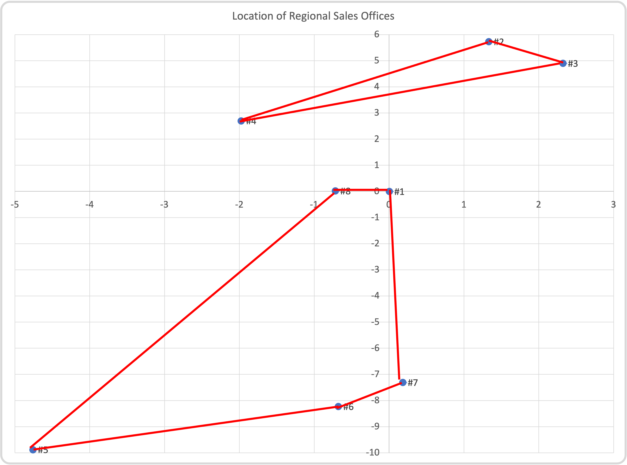
 |  |  |  | 1st Round Solution
 |  |  |  | 3 | 1 | 8 | 4 | 2
 |  |  |  | 5 | 6 | 7

 |  |  |  | Remove subtour
 |  |  |  | 5 | 6 | 7 | 5
 |  |  |  |  | 1 | 1 | 0
 |  |  |  | 2 | <= | 2

 |  |  |  | 2nd Round Solution
 |  |  |  | 7 | 1 | 8 | 5 | 6
 |  |  |  | 3 | 2 | 4

Q4 3rd Round
Regional Sales Office | x-coordinate | y-coordinate | Distance | 1 | 2 | 3 | 4 | 5 | 6 | 7 | 8
1 | 0.00 | 0.00 | 1 | 0.0 | 5.9 | 5.4 | 3.3 | 11.0 | 8.3 | 7.3 | 0.7
2 | 1.33 | 5.73 | 2 | 5.9 | 0.0 | 1.3 | 4.5 | 16.8 | 14.1 | 13.1 | 6.1
3 | 2.32 | 4.90 | 3 | 5.4 | 1.3 | 0.0 | 4.8 | 16.4 | 13.5 | 12.4 | 5.7
4 | -1.98 | 2.70 | 4 | 3.3 | 4.5 | 4.8 | 0.0 | 12.9 | 11.0 | 10.2 | 3.0
5 | -4.76 | -9.88 | 5 | 11.0 | 16.8 | 16.4 | 12.9 | 0.0 | 4.4 | 5.6 | 10.7
6 | -0.68 | -8.23 | 6 | 8.3 | 14.1 | 13.5 | 11.0 | 4.4 | 0.0 | 1.3 | 8.3
7 | 0.18 | -7.31 | 7 | 7.3 | 13.1 | 12.4 | 10.2 | 5.6 | 1.3 | 0.0 | 7.4
8 | -0.72 | 0.02 | 8 | 0.7 | 6.1 | 5.7 | 3.0 | 10.7 | 8.3 | 7.4 | 0.0

 |  |  | Xij | 1 | 2 | 3 | 4 | 5 | 6 | 7 | 8 | Row Sum | Diag | Transpose | 1 | 2 | 3 | 4 | 5 | 6 | 7 | 8
 |  |  | 1 | 0 | 0 | 1 | 0 | 0 | 0 | 1 | 0 | 2 | 0 | 1 | 0 | 0 | 1 | 0 | 0 | 0 | 1 | 0
 |  |  | 2 | 0 | 0 | 1 | 1 | 0 | 0 | 0 | 0 | 2 | 0 | 2 | 0 | 0 | 1 | 1 | 0 | 0 | 0 | 0
 |  |  | 3 | 1 | 1 | 0 | 0 | 0 | 0 | 0 | 0 | 2 | 0 | 3 | 1 | 1 | 0 | 0 | 0 | 0 | 0 | 0
Total Distance | 37.82741 |  | 4 | 0 | 1 | 0 | 0 | 0 | 0 | 0 | 1 | 2 | 0 | 4 | 0 | 1 | 0 | 0 | 0 | 0 | 0 | 1
 |  |  | 5 | 0 | 0 | 0 | 0 | 0 | 1 | 0 | 1 | 2 | 0 | 5 | 0 | 0 | 0 | 0 | 0 | 1 | 0 | 1
 |  |  | 6 | 0 | 0 | 0 | 0 | 1 | 0 | 1 | 0 | 2 | 0 | 6 | 0 | 0 | 0 | 0 | 1 | 0 | 1 | 0
 |  |  | 7 | 1 | 0 | 0 | 0 | 0 | 1 | 0 | 0 | 2 | 0 | 7 | 1 | 0 | 0 | 0 | 0 | 1 | 0 | 0
 |  |  | 8 | 0 | 0 | 0 | 1 | 1 | 0 | 0 | 0 | 2 | 0 | 8 | 0 | 0 | 0 | 1 | 1 | 0 | 0 | 0
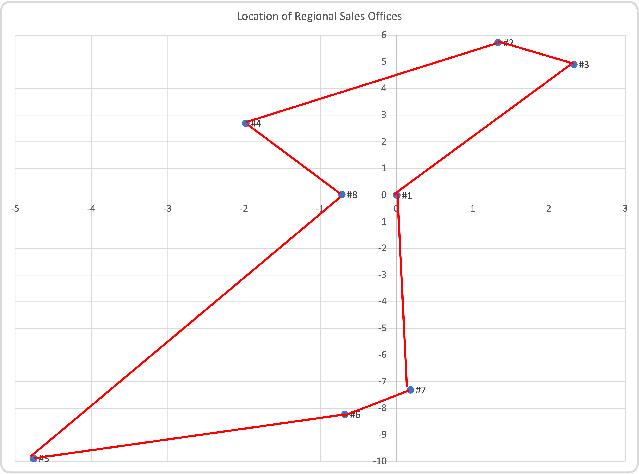
 |  |  |  | 1st Round Solution
 |  |  |  | 3 | 1 | 8 | 4 | 2
 |  |  |  | 5 | 6 | 7

 |  |  |  | Remove subtour
 |  |  |  | 5 | 6 | 7 | 5
 |  |  |  |  | 1 | 1 | 0
 |  |  |  | 2 | <= | 2

 |  |  |  | 2nd Round Solution
 |  |  |  | 7 | 1 | 8 | 5 | 6
 |  |  |  | 3 | 2 | 4

 |  |  |  | Remove subtour
 |  |  |  | 3 | 2 | 4
 |  |  |  | 2 | <= | 2

 |  |  |  | 3rd Round Solution
 |  |  |  | 3 | 1 | 7 | 6 | 5 | 8 | 4 | 2

