Contents


GIM Activity: Feb 01, 2025 to Feb 28, 2025

Table of Contents

Disclaimer and References | Disclaimer on the use of this report, and references to associated ERCOT Binding Documents ***Please read***
Acronyms | A list of the various acronyms used throughout the report
Summary | Tables that provide project aggregate counts and megawatt capacities by GIM phase and fuel type
Project Details - Large Gen | A table that list project details for Large Generators as defined in ERCOT Planning Guide Section 5.2.1(3); only include projects for which a Full Interconnection Study has been requested
Project Details - Small Gen | A table that list project details for Small Generators as defined in ERCOT Planning Guide 5.2.1(3); only include projects for which the Resource Registration form has been approved by ERCOT
GIM Trends | Charts and tables that show historical and projected interconnection study trends
Commissioning Update | A table listing project commissioning approval milestones met for the month: energization, synchronization, and commercial operations approval
Inactive Projects | A table listing Inactive projects
Cancellation Update | A table listing the projects cancelled for the month

Time of Report Run: Mar 1, 2025 8:00:40 AM

GIM Trends
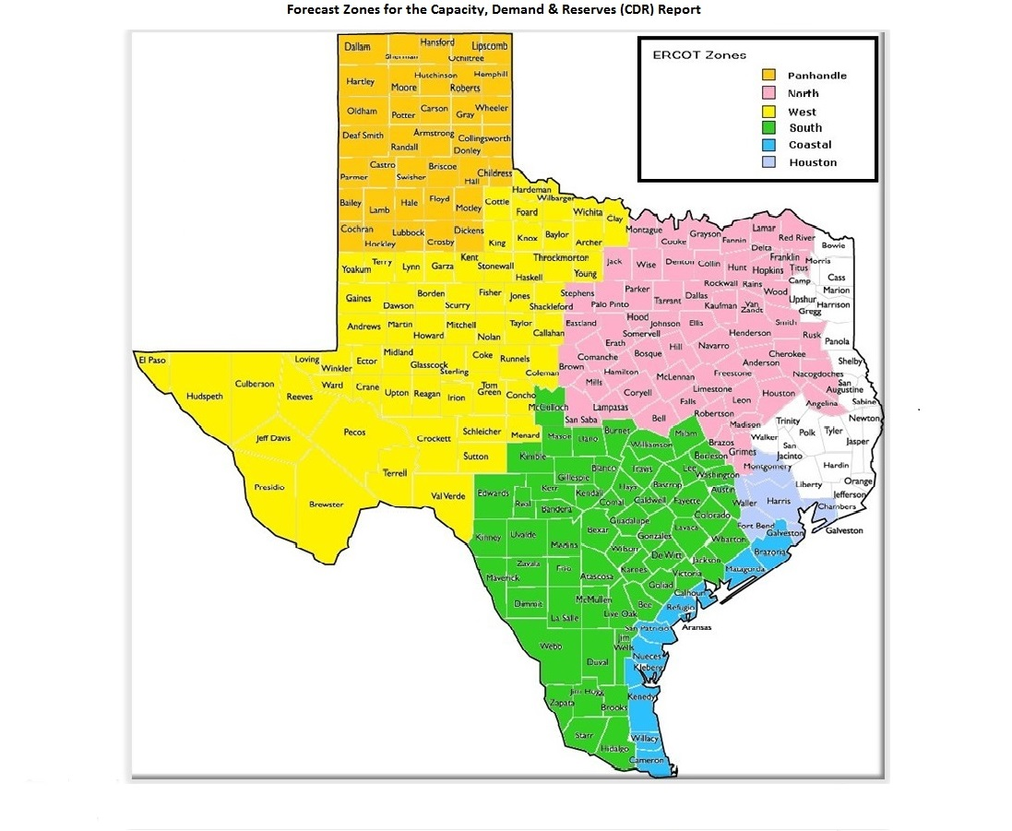
GIM Trends

Reflects all Large Generator projects for which a Security Screening Study has been requested. The third table reflects all Small Generator projects whose GIM applications have been approved.
Excludes projects that have a status of Inactive (status = INA).
Nameplate capacity will change across time due to additional projects, cancelations, expirations, adjustments from study results, and projects being placed into service.

Large Generator Monthly Capacity by GIM Milestone plus Project Count, 13-Month Rolling Basis
 | # Signed Interconnect Agreement | # Completed Full Study | # in Full Study | # Screening Study Complete | # Initial Screening study | GW Capacity
Feb-24 | 391 | 102 | 1023 | 132 | 65 | 347.86003
Mar-24 | 391 | 101 | 1035 | 100 | 80 | 348.9954
Apr-24 | 395 | 112 | 1025 | 115 | 58 | 348.07265
May-24 | 408 | 125 | 1023 | 129 | 48 | 354.63766
Jun-24 | 414 | 140 | 1023 | 137 | 20 | 350.32389
Jul-24 | 427 | 158 | 1033 | 136 | 27 | 363.95543
Aug-24 | 437 | 152 | 1057 | 140 | 24 | 370.60442
Sep-24 | 435 | 158 | 1050 | 140 | 21 | 370.96333
Oct-24 | 440 | 159 | 1039 | 127 | 28 | 369.82822
Nov-24 | 449 | 156 | 1070 | 126 | 21 | 377.02992
Dec-24 | 447 | 147 | 1103 | 120 | 22 | 378.74439
Jan-25 | 445 | 133 | 1163 | 119 | 16 | 388.61579
Feb-25 | 460 | 121 | 1200 | 113 | 19 | 399.00735
 | Year | Month | Total Projects |  |  | Project Count |  |  |  |  |  | Project Capacity (MW)
 |  |  |  |  |  | GIM milestones |  |  |  |  |  | Fuel Type
 |  |  |  | Small Generator Not Model Ready | Small Generator Model Ready | Initial Screening Study | Screening Study Complete | In Full Study | Completed Full Study | Signed Interconnection Agreement | Cancelled | Wind | Solar | Gas | Nuclear | Coal | Biomass | Battery | Other
 | 2022 | Feb | 1,018 | 8 | 4 | 67 | 152 | 488 | 48 | 251 | 28 | 21,262 | 110,323 | 17,764 | 0 | 0 | 50 | 55,337 | 1,217
 | 2022 | Mar | 1,024 | 1 | 10 | 64 | 141 | 505 | 52 | 251 | 23 | 20,364 | 107,046 | 17,764 | 0 | 0 | 50 | 57,742 | 1,903
 | 2022 | Apr | 1,047 | 2 | 10 | 59 | 138 | 518 | 55 | 265 | 8 | 21,566 | 108,667 | 18,288 | 0 | 0 | 50 | 59,874 | 1,671
 | 2022 | May | 1,017 | 4 | 9 | 37 | 89 | 552 | 58 | 268 | 55 | 19,544 | 106,920 | 12,888 | 0 | 0 | 50 | 58,249 | 1,469
 | 2022 | Jun | 1,068 | 4 | 7 | 63 | 87 | 565 | 64 | 275 | 7 | 22,243 | 111,731 | 12,744 | 0 | 0 | 53 | 65,366 | 1,477
 | 2022 | Jul | 1,105 | 4 | 6 | 67 | 87 | 590 | 70 | 281 | 7 | 22,504 | 113,904 | 11,317 | 0 | 0 | 53 | 69,044 | 1,003
 | 2022 | Aug | 1,138 | 19 | 4 | 34 | 98 | 629 | 64 | 290 | 9 | 22,118 | 115,799 | 11,255 | 0 | 0 | 53 | 71,580 | 2,235
 | 2022 | Sep | 1,192 | 21 | 4 | 56 | 107 | 649 | 58 | 297 | 10 | 22,920 | 120,296 | 11,551 | 0 | 0 | 53 | 74,877 | 2,486
 | 2022 | Oct | 1,205 | 22 | 6 | 60 | 100 | 667 | 49 | 301 | 10 | 23,025 | 122,585 | 11,513 | 0 | 0 | 53 | 75,630 | 2,486
 | 2022 | Nov | 1,214 | 22 | 8 | 56 | 90 | 682 | 52 | 304 | 18 | 23,198 | 122,705 | 12,277 | 0 | 0 | 53 | 78,746 | 2,486
 | 2022 | Dec | 1,254 | 21 | 8 | 40 | 102 | 722 | 53 | 308 | 10 | 23,876 | 123,340 | 12,935 | 0 | 0 | 53 | 82,844 | 2,486
 | 2023 | Jan | 1,298 | 23 | 5 | 51 | 105 | 736 | 63 | 315 | 1 | 24,351 | 125,569 | 12,542 | 0 | 0 | 53 | 88,430 | 2,486
 | 2023 | Feb | 1,334 | 18 | 13 | 48 | 109 | 761 | 68 | 317 | 1 | 24,702 | 127,309 | 12,542 | 0 | 0 | 53 | 91,493 | 2,486
 | 2023 | Mar | 1,373 | 14 | 17 | 39 | 100 | 810 | 73 | 320 | 22 | 25,742 | 127,765 | 12,544 | 0 | 0 | 53 | 96,356 | 2,235
 | 2023 | Apr | 1,385 | 15 | 18 | 33 | 89 | 825 | 80 | 325 | 20 | 23,703 | 129,237 | 12,985 | 0 | 0 | 53 | 96,078 | 2,235
 | 2023 | May | 1,424 | 18 | 20 | 36 | 86 | 843 | 86 | 335 | 19 | 22,472 | 129,507 | 13,026 | 0 | 0 | 53 | 102,825 | 2,235
 | 2023 | Jun | 1,479 | 28 | 22 | 51 | 83 | 872 | 82 | 341 | 16 | 27,152 | 130,857 | 12,476 | 0 | 0 | 53 | 109,380 | 2,235
 | 2023 | Jul | 1,500 | 25 | 28 | 50 | 76 | 903 | 83 | 335 | 16 | 28,615 | 133,979 | 12,368 | 0 | 0 | 53 | 110,408 | 2,386
 | 2023 | Aug | 1,537 | 31 | 30 | 45 | 82 | 927 | 85 | 337 | 7 | 32,034 | 136,165 | 11,842 | 0 | 0 | 53 | 111,579 | 2,235
 | 2023 | Sep | 1,580 | 40 | 32 | 43 | 102 | 924 | 93 | 346 | 15 | 31,640 | 141,315 | 11,384 | 0 | 0 | 53 | 114,563 | 2,235
 | 2023 | Oct | 1,628 | 41 | 32 | 49 | 102 | 952 | 99 | 353 | 16 | 31,916 | 143,221 | 13,638 | 0 | 0 | 53 | 120,534 | 2,235
 | 2023 | Nov | 1,656 | 44 | 30 | 55 | 99 | 961 | 92 | 375 | 10 | 32,510 | 142,606 | 15,457 | 0 | 0 | 53 | 124,941 | 2,385
Monthly Capacity by Fuel Type plus Project Count, 13-Month Rolling Basis
 | Natural Gas | Nuclear | Coal | Wind | Solar | Biomass | Battery | Other | Total Project Count | Cancelled Project Count
Feb-24 | 16.02214 | 0 | 0 | 37.21497 | 152.09786 | 0 | 140.21915 | 2.96685 | 1783 | 13
Mar-24 | 15.42885 | 0 | 0 | 35.11962 | 155.27252 | 0 | 141.48367 | 2.33185 | 1775 | 64
Apr-24 | 15.57293 | 0 | 0 | 32.95629 | 152.91651 | 0 | 145.0004 | 2.33185 | 1780 | 15
May-24 | 15.93793 | 0 | 0 | 33.88677 | 154.22529 | 0 | 149.00155 | 2.33185 | 1813 | 9
Jun-24 | 17.08871 | 0 | 0 | 31.45223 | 152.43339 | 0 | 147.74345 | 2.33185 | 1812 | 27
Jul-24 | 22.15993 | 0 | 0 | 33.73145 | 154.40717 | 0 | 151.81097 | 2.56185 | 1858 | 5
Aug-24 | 25.32799 | 0 | 0 | 33.85345 | 154.77045 | 0 | 154.79902 | 2.56185 | 1886 | 8
Sep-24 | 25.96699 | 0 | 0 | 34.83855 | 153.65825 | 0 | 154.26431 | 2.96085 | 1881 | 19
Oct-24 | 25.95373 | 0 | 0 | 33.46714 | 154.86041 | 0 | 152.57989 | 3.71285 | 1872 | 29
Nov-24 | 27.15953 | 0 | 0 | 35.30735 | 155.6757 | 0 | 156.52981 | 3.11315 | 1903 | 11
Dec-24 | 27.57752 | 0 | 0 | 34.44955 | 154.48712 | 0 | 160.04338 | 2.91285 | 1917 | 14
Jan-25 | 28.77388 | 0 | 0 | 38.22303 | 153.6071 | 0 | 165.93271 | 2.78085 | 1952 | 17
Feb-25 | 32.19019 | 0 | 0 | 39.89287 | 155.98952 | 0 | 168.836 | 2.78085 | 1987 | 16
 | 2023 | Dec | 1,671 | 41 | 28 | 39 | 116 | 974 | 92 | 381 | 12 | 34,591 | 145,654 | 15,483 | 0 | 0 | 53 | 127,068 | 2,367
 | 2024 | Jan | 1,731 | 42 | 29 | 35 | 133 | 1,011 | 95 | 386 | 12 | 36,261 | 148,135 | 15,546 | 0 | 0 | 53 | 133,592 | 2,247
 | 2024 | Feb | 1,783 | 43 | 27 | 65 | 132 | 1,023 | 102 | 391 | 13 | 37,215 | 152,098 | 16,022 | 0 | 0 | 0 | 140,219 | 2,967
 | 2024 | Mar | 1,775 | 39 | 29 | 80 | 100 | 1,035 | 101 | 391 | 64 | 35,120 | 155,273 | 15,429 | 0 | 0 | 0 | 141,484 | 2,332
 | 2024 | Apr | 1,780 | 42 | 33 | 58 | 115 | 1,025 | 112 | 395 | 15 | 32,956 | 152,917 | 15,573 | 0 | 0 | 0 | 145,000 | 2,332
 | 2024 | May | 1,813 | 39 | 41 | 48 | 129 | 1,023 | 125 | 408 | 9 | 33,887 | 154,225 | 15,938 | 0 | 0 | 0 | 149,002 | 2,332
 | 2024 | Jun | 1,812 | 34 | 44 | 20 | 137 | 1,023 | 140 | 414 | 27 | 31,452 | 152,433 | 17,089 | 0 | 0 | 0 | 147,743 | 2,332
 | 2024 | Jul | 1,858 | 31 | 46 | 27 | 136 | 1,033 | 158 | 427 | 5 | 33,731 | 154,407 | 22,160 | 0 | 0 | 0 | 151,811 | 2,562
 | 2024 | Aug | 1,886 | 27 | 49 | 24 | 140 | 1,057 | 152 | 437 | 8 | 33,853 | 154,770 | 25,328 | 0 | 0 | 0 | 154,799 | 2,562
 | 2024 | Sep | 1,881 | 29 | 48 | 21 | 140 | 1,050 | 158 | 435 | 19 | 34,839 | 153,658 | 25,967 | 0 | 0 | 0 | 154,264 | 2,961
 | 2024 | Oct | 1,872 | 35 | 44 | 28 | 127 | 1,039 | 159 | 440 | 29 | 33,467 | 154,860 | 25,954 | 0 | 0 | 0 | 152,580 | 3,713
 | 2024 | Nov | 1,903 | 33 | 48 | 21 | 126 | 1,070 | 156 | 449 | 11 | 35,307 | 155,676 | 27,160 | 0 | 0 | 0 | 156,530 | 3,113
 | 2024 | Dec | 1,917 | 32 | 46 | 22 | 120 | 1,103 | 147 | 447 | 14 | 34,450 | 154,487 | 27,578 | 0 | 0 | 0 | 160,043 | 2,913
 | 2025 | Jan | 1,952 | 30 | 46 | 16 | 119 | 1,163 | 133 | 445 | 17 | 38,223 | 153,607 | 28,774 | 0 | 0 | 0 | 165,933 | 2,781
 | 2025 | Feb | 1,987 | 24 | 50 | 19 | 113 | 1,200 | 121 | 460 | 16 | 39,893 | 155,990 | 32,190 | 0 | 0 | 0 | 168,836 | 2,781

Small Generator Monthly Capacity by GIM Milestone plus Project Count, 13-Month Rolling Basis
 | # Not Model Ready | # Model Ready | MW Capacity
Feb-24 | 43 | 27 | 660.94
Mar-24 | 39 | 29 | 641.11
Apr-24 | 42 | 33 | 705.33
May-24 | 39 | 41 | 745.73
Jun-24 | 34 | 44 | 725.74
Jul-24 | 31 | 46 | 715.94
Aug-24 | 27 | 49 | 708.34
Sep-24 | 29 | 48 | 725.62
Oct-24 | 35 | 44 | 745.8
Nov-24 | 33 | 48 | 755.62
Dec-24 | 32 | 46 | 726.03
Jan-25 | 30 | 46 | 701.78
Feb-25 | 24 | 50 | 682.08

Capacity for Planned Projects by Projected In-service Year and CDR Forecast Zone
 | Gas | Wind | Solar | Battery | Other
2024 |  |  |  | 0.00999
2025 |  | 0.5427 | 2.0552 | 3.15749
2026 | 0.50546 | 0.4494 | 3.26189 | 7.77528
2027 | 1.8784 | 1.48863 | 4.45832 | 5.6037 | 0.41
2028 | 2.3738 |  | 4.22447 | 1.52288 | 0.399
2029 |  |  | 0.86841 | 0
2030 | 0.6591 | 2.57139 | 0.6036
2024 | 0.014
2025 | 0.1737 |  | 1.44736 | 1.76113 | 0.05
2026 | 1.88783 |  |  | 5.42447
2027 | 0.9721 |  | 0.40848 | 7.79422
2028 | 0.445 |  | 0.3168 | 1.25349 | 0.05
2029 | 0.208
2030 |  | 1.02939 |  | 0.10305
2023 |  | 0.0072
2024 |  | 0.6842 | 0.23016 | 0.40479
2025 | 0.0099 | 2.56509 | 2.62781 | 3.55917 | 0.02985
2026 | 0.8314 | 2.31475 | 9.64573 | 8.95535 | 0.18
2027 | 1.242 | 6.30925 | 14.48016 | 13.72023 | 0.18
2028 | 2.6409 | 2.15453 | 11.56874 | 10.88723
2029 | 1.392 | 1.35179 | 1.9082 | 0.70397
2031 |  | 1.5
2023 |  |  |  | 0.00999
2024 | 0.088 | -0.0072 | 0.20102 | 0.30141
2025 | 0.072 | 1.7198 | 8.38103 | 4.53814 | 0.1
2026 | 1.81568 | 0.8065 | 11.32334 | 12.19827
2027 | 1.542 | 0.90217 | 16.87741 | 16.56036
2028 | 3.26868 | 0.4356 | 7.02844 | 13.40208 | 0.15
2029 | 1.424 |  | 1.00494 | 0.61585
2030 |  |  |  | 0.2076 | 1.232
2025 |  | 0.1634 | 1.39058 | 0.10327
2026 |  | 0.42462 | 2.41456 | 2.0641
2027 | 0.21 | 1.25027 | 2.75626 | 1.33279
2028 |  | 1.8565 | 2.0732 | 1.0279
2029 |  | 4.3994 | 2.3617
2023 | 0.0031 |  | 0.0055
2024 |  |  | 0.8153 | 0.01985
2025 | 0.5162 | 1.27394 | 5.31409 | 3.6554
2026 | 1.4304 | 0.60896 | 11.06679 | 14.50637
2027 | 1.7841 | 1.44029 | 11.60557 | 15.63788
2028 | 3.06434 | 1.3527 | 9.77471 | 7.7128
2029 | 0.2603 | 0.2976 | 3.46755 | 2.1017
2030 | 1.5 |  |  | 0.2038

Note: Other contains all Fuel and Technology Types not in the Solar, Wind, Gas or Battery categories.

