Sheet2
Before we train Prophet, let me explain one more concept — train/test split for time series.

In plain English:

We have 501 days of data. We will:

Give Prophet the first 80% (about 400 days) to learn from
Keep the last 20% (about 100 days) to test accuracy — we pretend we don't know these prices, let Prophet predict them, then compare against reality

Why can't we shuffle like we did in FinSight AI?

If we shuffled and a date from December 2025 ended up in the training set, and a date from June 2024 ended up in the test set — Prophet would be predicting the PAST using the FUTURE. That is cheating and gives completely unreliable results.

The rule for time series: training data must always come BEFORE test data chronologically.

Prophet trained successfully. ✅

Let's read this output carefully — because understanding it is as important as generating it.

What these columns mean:

Column | Plain English meaning
ds | The date being predicted
yhat | Prophet's best guess for the price on that date
yhat_lower | The lowest the price could reasonably be (lower confidence bound)
yhat_upper | The highest the price could reasonably be (upper confidence bound)

For example, on 2026-05-01:
Prophet predicts the price will be $209.50
But it could be as low as $200.59 or as high as $218.28
That range ($200 to $218) is the confidence interval — Prophet's way of saying "I'm not certain, here's the likely range"

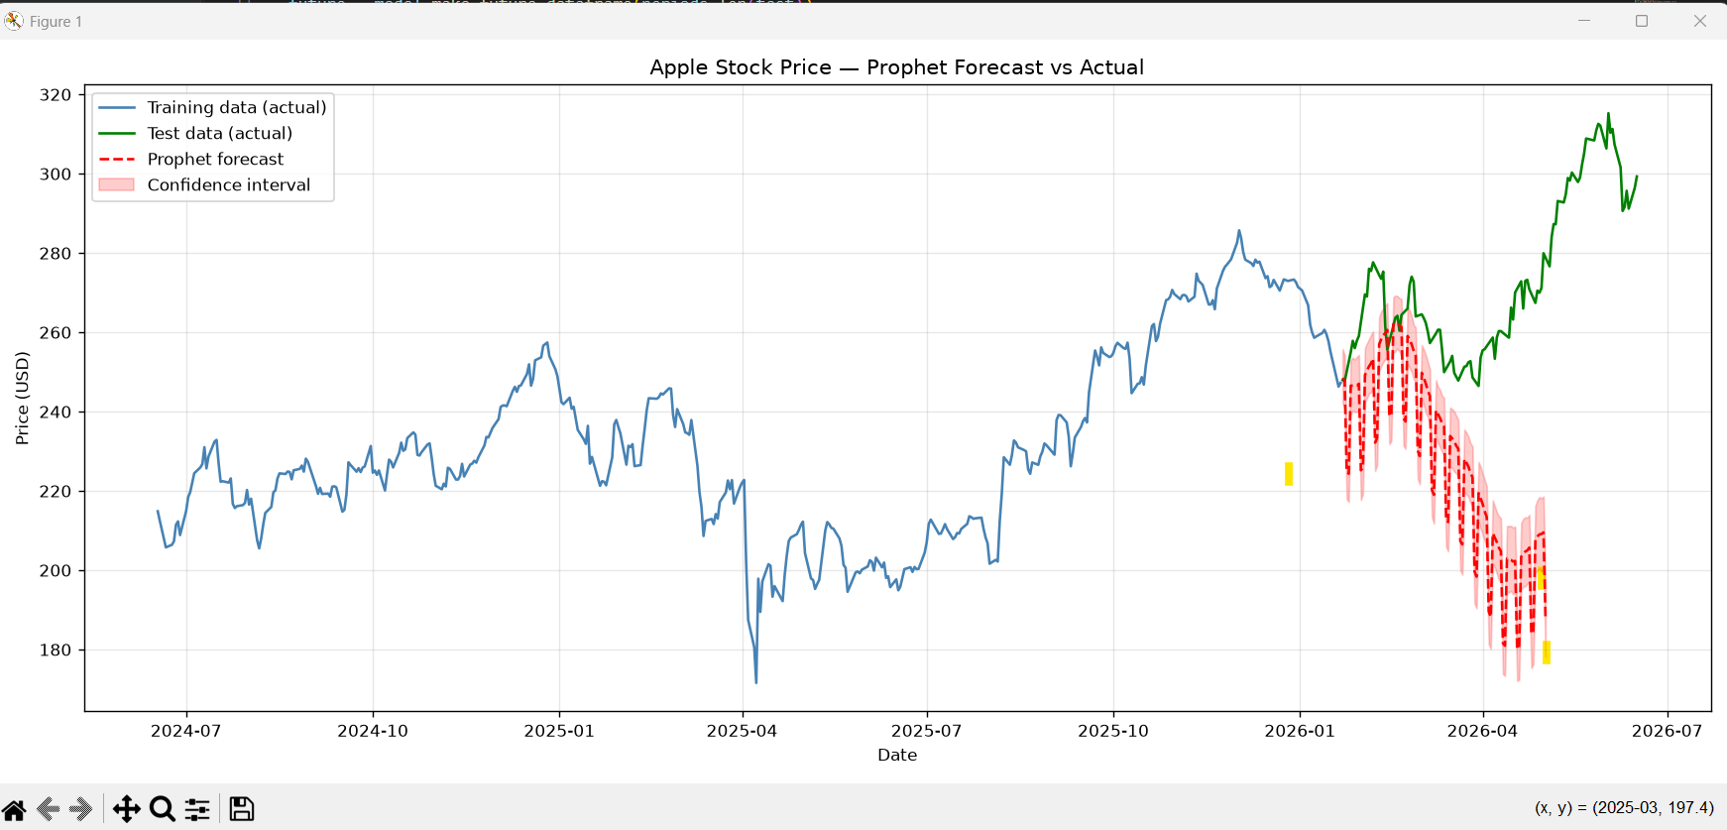

What the chart is telling us:

The good:

Prophet correctly identified the starting point of the test period
The confidence interval (pink shaded area) is reasonable width
The forecast starts in the right place (~$265)

The problem — and it is a significant one:

The green line (actual) goes UP sharply — Apple's price surged from ~$260 to ~$315 between January and June 2026
The red line (Prophet's forecast) goes DOWN — it predicted prices would fall to ~$180

Prophet got the direction completely wrong.

Why did this happen — in plain English:

Remember the big dip in the blue training data around March 2025? Apple's price dropped from ~$255 to ~$170 suddenly. Prophet learned that pattern and assumed a similar dip would happen again in early 2026.

This is a fundamental limitation of all time series forecasting models — they learn from the past, but the future can behave completely differently. A sudden market rally, an iPhone launch, a trade deal — none of these are in the historical data, so Prophet cannot predict them.

This is NOT a failure — this is a teaching moment.

In your Nagarro interview, if they ask "how did your StockSense model perform?" — the WRONG answer is "it was great." The RIGHT answer is:

"Prophet captured the historical trend and seasonality correctly, but struggled with sudden directional changes — like Apple's 2026 rally — because these were driven by external events not present in price history alone. To improve this, I would add external features like trading volume, market sentiment, and macroeconomic indicators as regressors."

That answer shows genuine understanding, not just copy-paste coding.

========================================
MODEL EVALUATION METRICS
========================================
MAE (Mean Absolute Error): $29.01
RMSE (Root Mean Squared Error): $36.22
MAPE (Mean Absolute % Error): 11.0%

Interpretation:
On average, Prophet's predictions were
$29.01 away from the actual price.
That is 11.0% off from the true value.

Now let's read these numbers properly — because knowing what they mean is as important as computing them.

What each metric means — in plain English:

MAE (Mean Absolute Error) = $29.01
On average, Prophet's predicted price was $29 away from the actual price. If the actual price was $280, Prophet might have said $251 or $309.

RMSE (Root Mean Squared Error) = $36.22
Similar to MAE but penalises large errors more heavily. The fact that RMSE ($36) is significantly higher than MAE ($29) tells us there were some very large individual errors — which makes sense given Prophet predicted $180 when the actual was $310 at the worst point.

MAPE (Mean Absolute Percentage Error) = 11%
On average, Prophet was 11% off from the true value. In financial forecasting, anything under 10% is considered good, 10-20% is acceptable, and above 20% is poor.

Honest assessment of our model:

Metric | Our result | Industry benchmark
MAPE | 11% | <10% = good
Direction accuracy | Poor | Should be >60%

Our model is borderline acceptable on percentage error but failed on direction — it predicted a downtrend when the actual was an uptrend.

This is actually a perfect result for a portfolio project — not because it's accurate, but because it gives you a rich story to tell:

"My baseline Prophet model achieved 11% MAPE which is near acceptable range, but failed to capture the directional shift in early 2026. I identified this as a limitation of univariate forecasting — using only price history. My next improvement would be adding external regressors like trading volume, VIX (market volatility index), and sentiment scores from financial news."

