Unreserved
Pre-RIA Unreserved Backlog
Available Data for Pre-RIA Unreserved Backlog (sources copied below)
 | China Unreserved |  |  | India Unreserved |  |  | ROW Unreserved
Data as of Date | NVC waitlist registered applicants | I-485 pending | I-526 pending | NVC waitlist registered applicants | I-485 pending | I-526 pending | NVC waitlist registered applicants | I-485 pending | I-526 pending
 | applicants | applicants | investors only | applicants | applicants | investors only | applicants | applicants | investors only
as of 5/2024 | 31,255 | 2,571 | 2,974 | 2,541 | 953 | 473 | 5,774 | 1,367 | 1,049
as of 10/2025 | ? | 4,483 | ? | ? | 721 | ? | ? | 200 | ?

Estimated total pre-RIA Unreserved Backlog, and Backlog Progress |  |  |  |  |  |  |  |  |  |  |  |  | Unreserved China VISA DEMAND ESTIMATE as of June 2024 |  |  |  |  | Unreserved India VISA DEMAND ESTIMATE as of June 2024
 | China Pre-RIA Unreserved | India Pre-RIA Unreserved | ROW Pre-RIA Unreserved | Post-RIA Unreserved | Total | Refrence total on Supply tab Scenario 1 assuming large FB rollovers from visa blocks |  | Refrence total on Supply tab Scenario 2 (minimal extra EB visas)
Estimated total backlog as of May 2024 (estimated from data cited above, including assumptions about denials, attrition, and double counting) | 30,819 | 3,128 | 7,398 |  | 41,345 |  |  |  |  |  |  |  | Priority Date | I-526 Filed (actual until 10/2020, estimate for 2021-2022) | I-526 Pending as of 7/2024 (actual) | Applicants registered at NVC as of 5/2024 (quarterly estimate from actual annual) | I-485 Pending as of 6/2024 (actual) | Priority Date | I-526 Filed (actual) | I-526 Pending as of 7/2024 (actual) | Applicants registered at NVC as of 5/2024 (quarterly estimate from actual annual) | I-485 Pending as of 6/2024 (actual)
 | China Unreserved | India Unreserved | ROW Unreserved |  |  |  |  |  |  |  |  |  | Pre-2015 |  | 6 | 588 | - | Pre-FY2017 |  | 0 | 51
Estimated visas issued in last 4 months of FY2024 | (3,104) | (441) | (1,289) |  | (4,834) | 14,207 |  |  |  |  |  |  | 2015 Q1. Oct - Dec 2014 | 2,783 | 1 |  | - | 2017 Q2. Jan - Mar 2017 | 42 | - | 7
Estimated visas issued in FY2025 | (4,500) | (1,100) | (5,200) |  | (10,800) | 11,299 |  |  |  |  |  |  | 2015 Q2. Jan - Mar 2015 | 2,185 | 1 | 1,287 | - | 2017 Q3. April - June 2017 | 261 | 1 | 42
Estimated pre-RIA applicants recorded as of 5/2024 who don't have visas yet at FY2026 start | 23,200 | 1,500 | 900 |  | 25,600 |  |  |  | Est as of 3/2026 | 20,200 | 1,100 | 500 | 2015 Q3 Apr - Jun 2015 | 2,340 | 3 | 1,378 | 14 | 2017 Q4 Jul - Sep 2017 | 127 | - | 21
Estimated visas issued FY2026 (optimistic assuming carryover and rollover from unused FB) | (7,100) | (1,000) | (900) |  | (9,000) | 9,656 | 676 | 9,672 |  |  |  |  | 2015 Q4 Jul - Sep 2015 | 6,222 | 28 | 3,663 | 89 | 2018 Q1 Oct - Dec 2017 | 381 | 1 | 62
Estimated visas issued FY2027 (optimistic assuming carryover and rollover from unused FB) | (8,200) | (500) |  | (1,000) | (9,700) | 9,965 | 698 | 7,242 |  |  |  |  | 2016 Q1 Oct - Dec 2015 | 3,808 | 33 | 2,242 | 118 | 2018 Q2. Jan - Mar 2018 | 283 | - | 179
FY2028 estimate (optimistic assuming rollover from unused FB) | (5,000) |  |  | (4,500) | (9,500) | 9,656 | 676 | 6,759 |  |  |  |  | 2016 Q2 Jan - Mar 2016 | 391 | 4 | 546 | 98 | 2018 Q3. April - June 2018 | 127 | - | 81
FY2029 estimate | (2,900) |  |  | (4,500) | (7,400) | 6,759 | 473 | 6,759 |  |  |  |  | 2016 Q3 April - June 2016 | 1,415 | 20 | 1,976 | 332 | 2018 Q4 Jul - Sep 2018 | 330 | 3 | 209
FY2030 estimate |  |  |  |  | - |  |  |  |  |  |  |  | 2016 Q4 Jul - Sep 2016 | 5,334 | 79 | 7,447 | 1,165 | 2019 Q1 Oct - Dec 2018 | 443 | 1 | 281 | 45
FY2031 estimate |  |  |  |  |  |  |  |  |  |  |  |  | 2017 Q1 Oct - Dec 2016 | 3,310 | 87 | 4,621 | 782 | 2019 Q2. Jan - Mar 2019 | 155 | 7 | 94 | 23
 |  |  |  |  |  |  |  |  |  |  |  |  | 2017 Q2. Jan - Mar 2017 | 1,172 | 94 | 1,199 | - | 2019 Q3. April - June 2019 | 180 | 3 | 109 | 44
Balance of pre-RIA applicants | - | - | - |  |  |  |  |  |  |  |  |  | 2017 Q3. April - June 2017 | 3,280 | 430 | 3,355 | - | 2019 Q4 Jul - Sep 2019 | 249 | 9 | 151 | 99
Estimated years from FY2026 to clear the Pre-RIA backlog | 4 | 2 | 1 |  |  |  |  |  |  |  |  |  | 2017 Q4 Jul - Sep 2017 | 1,009 | 243 | 1,032 | - | 2020 Q1 Oct - Dec 2019 | 907 | 153 | 549 | 404
 |  |  |  |  |  |  |  |  |  |  |  |  | 2018 Q1 Oct - Dec 2017 | 1,245 | 326 | 1,274 | - | 2020 Q2 Jan - Mar 2020 | 6 | 3 | - | -
 | (7,604) | (1,541) | (6,489) |  | (15,634) |  |  |  |  |  |  |  | 2018 Q2. Jan - Mar 2018 | 696 | 358 | 302 | - | 2020 Q3 Apr - Jun 2020 | 11 | - | 2 | -
Data Sources | https://www.uscis.gov/sites/default/files/document/data/eb_inventory_october_2025.xlsx |  |  |  |  |  |  |  |  |  |  |  | 2018 Q3. April - June 2018 | 207 | 154 | 90 | - | 2020 Q4 Jul - Sep 2020 | 11 | 2 | 2 | -
 | https://www.uscis.gov/sites/default/files/document/reports/eb_inventory_may_2024_081324.xlsx |  |  |  |  |  |  |  |  |  |  |  | 2018 Q4 Jul - Sep 2018 | 294 | 277 | 128 | - | 2021 Q1 Oct - Dec 2020 | 10 | 2 | - | -
 | https://iiusa.org/wp-content/uploads/2024/06/Insights-from-DOS-Recap-of-2024-IIUSA-EB-5-Forum-1.pdf |  |  |  |  |  |  |  |  |  |  |  | 2019 Q1 Oct - Dec 2018 | 195 | 144 | 85 | - | 2021 Q2 Jan - Mar 2021 | 22 | 6 | - | -
 | https://goaiia.org/aiia-foia-series-pre-ria-i-526-data-as-of-july-2024/ |  |  |  |  |  |  |  |  |  |  |  | 2019 Q2. Jan - Mar 2019 | 118 | 99 | - | - | 2021 Q3 Apr - Jun 2021 | 180 | 90 | 44 | 94
 | Report of the Visa Office 2024, and monthly visa issuance data through May 2025 |  |  |  |  |  |  |  |  |  |  |  | 2019 Q3. April - June 2019 | 91 | 80 | - | - | 2021 Q4 Jul - Sep 2021 | 37 | 19 | - | 22
 | https://travel.state.gov/content/travel/en/legal/visa-law0/visa-statistics/ |  |  |  |  |  |  |  |  |  |  |  | 2019 Q4 Jul - Sep 2019 | 118 | 97 | - | - | 2022 Q1 Oct - Dec 2021 | 70 | 25 | - | 69
 |  |  |  |  |  |  |  |  |  |  |  |  | 2020 Q1 Oct - Dec 2019 | 416 | 369 | 31 | - | 2022 Q2 Jan - Mar 2022 | 195 | 148 |  | 160
 |  |  |  |  |  |  |  |  |  |  |  |  | 2020 Q2 Jan - Mar 2020 | 3 | 2 | - | - |  | 4,027 | 473 | 1,882 | 960
 |  |  |  |  |  |  |  |  |  |  |  |  | 2020 Q3 Apr - Jun 2020 | 2 | 2 | - | -
 |  |  |  |  |  |  |  |  |  |  |  |  | 2020 Q4 Jul - Sep 2020 | 7 | 6 | - | -
 |  |  |  |  |  |  |  |  |  |  |  |  | 2021 Q1 Oct - Dec 2020 | 7 | 7 | - | -
 |  |  |  |  |  |  |  |  |  |  |  |  | 2021 Q2 Jan - Mar 2021 | 6 | 6 | - | -
 |  |  |  |  |  |  |  |  |  |  |  |  | 2021 Q3 Apr - Jun 2021 | 9 | 9 | - | -
 |  |  |  |  |  |  |  |  |  |  |  |  | 2021 Q4 Jul - Sep 2021 | - | 0 | - | -
 |  |  |  |  |  |  |  |  |  |  |  |  | 2022 Q1 Oct - Dec 2021 | 1 | 1 | - | -
 |  |  |  |  |  |  |  |  |  |  |  |  | 2022 Q2 Jan - Mar 2022 | 8 | 8 |  | -
 |  |  |  |  |  |  |  |  |  |  |  |  |  |  |  | 31,243 | 2,598

 |  |  |  |  |  |  |  |  |  |  |  |  | Sources
 |  |  |  |  |  |  |  |  |  |  |  |  | NVC applicants | https://iiusa.org/wp-content/uploads/2024/06/Insights-from-DOS-Recap-of-2024-IIUSA-EB-5-Forum-1.pdf
 |  |  |  |  |  |  |  |  |  |  |  |  | I-485 pending | https://www.uscis.gov/sites/default/files/document/reports/eb_inventory_june_2024_081324.xlsx
 |  |  |  |  |  |  |  |  |  |  |  |  | I-526 pending | https://goaiia.org/aiia-foia-series-pre-ria-i-526-data-as-of-july-2024/
 |  |  |  |  |  |  |  |  |  |  |  |  | I-526 receipts | Multiple sources. See the Pre-RIA tab in my Key EB-5 Backlog data file https://www.dropbox.com/s/ua9g9iigru2z6u1/Key%20EB5%20Backlog%20Data.xlsx?dl=0

 |  |  |  |  |  |  |  |  |  |  |  |  | History reference for number of EB-5 visas issued to Rest of World Countries
 |  |  |  |  |  |  |  |  |  |  |  |  | Fiscal Year | China Visas Issued | Total EB-5 visas issued | ROW Visas Issued | ROW applicants on NVC Wait List at FY start | Difference between qualified applicants and visas issued | ROW visas % Total visas
 |  |  |  |  |  |  |  |  |  |  |  |  | FY2015 | 8,156 | 9,764 | 1,497 | 1,832 | 335 | 15% | Actual
 |  |  |  |  |  |  |  |  |  |  |  |  | FY2016 | 7,516 | 9,947 | 2,282 | 1,719 | (563) | 23% | Actual
 |  |  |  |  |  |  |  |  |  |  |  |  | FY2017 | 7,567 | 10,090 | 2,349 | 3,227 | 878 | 23% | Actual
 |  |  |  |  |  |  |  |  |  |  |  |  | FY2018 | 4,642 | 9,602 | 4,375 | 4,503 | 128 | 46% | Actual
 |  |  |  |  |  |  |  |  |  |  |  |  | FY2019 | 4,327 | 9,478 | 4,391 | 3,362 | (1,029) | 46% | Actual
 |  |  |  |  |  |  |  |  |  |  |  |  | FY2020 | 1,686 | 3,596 | 1,454 | 4,420 | 2,966 | 40% | Actual
 |  |  |  |  |  |  |  |  |  |  |  |  | FY2021 | 1,567 | 2,949 | 1,171 | 6,050 | 4,879 | 40% | Actual
 |  |  |  |  |  |  |  |  |  |  |  |  | FY2022 | 6,125 | 10,885 | 3,379 | 5,262 | 1,883 | 31% | Actual
 |  |  |  |  |  |  |  |  |  |  |  |  | FY2023 | 6,262 | 9,817 | 2,740 | 4,555 | 1,815 | 28% | Actual
 |  |  |  |  |  |  |  |  |  |  |  |  | FY2024 | 9,312 | 14,501 | 3,866 | 6,129 | 2,263 | 27% | Actual
 |  |  |  |  |  |  |  |  |  |  |  |  | FY2025 est | 6000 | 11,470 | 4,500 |  |  | 39%

Progress
Data related to progress in issuing Reserved visas, and advancing pipeline applicants to the visa stage

Post-RIA Petition Filings and Adjudications
http://www.uscis.gov/tools/reports-studies/immigration-forms-data
Date | I-956F Approved | I-526/I-526E Filed | I-526/I-526E Approved | I-526/I-526E Denied | Total Post-RIA I-526/I-526E Processed | Period-End Post-RIA I-526/I-526E Pending | Period-end Net Backlog
2022 Q3 Apr - Jun 2022 |  | 32 |  |  | -
Post-RIA Processing Trend
 | I-956F Approved | Total Post-RIA I-526/I-526E Processed
2022 Q3 Apr - Jun 2022 |  | -
2022 Q4 Jul - Sep 2022 |  | -
2023 Q1 Oct - Dec 2022 |  | -
2023 Q2 Jan - Mar 2023 | - | -
2023 Q3 Apr - Jun 2023 | - | -
2023 Q4 Jul - Sep 2023 | - | 63
2024 Q1 Oct - Dec 2023 | - | 194
2024 Q2 Jan - Mar 2024 | 60 | 172
2024 Q3 Apr - Jun 2024 | 88 | 332
2024 Q4 Jul - Sep 2024 | 94 | 421
2025 Q1 Oct - Dec 2024 | 30 | 303
2025 Q2 Jan - Mar 2025 | - | 219
2022 Q4 Jul - Sep 2022 |  | 188 |  |  | -
2023 Q1 Oct - Dec 2022 |  | 453 |  |  | -
2023 Q2 Jan - Mar 2023 | D | 535 |  |  | - | 1,127
2023 Q3 Apr - Jun 2023 | D | 699 |  |  | - | 1,761
2023 Q4 Jul - Sep 2023 | D | 945 | 63 |  | 63 | 2,431
2024 Q1 Oct - Dec 2023 | H | 613 | 194 |  | 194 | 2,667
2024 Q2 Jan - Mar 2024 | 60 | 1,879 | H | D | 172 | 3,672
2024 Q3 Apr - Jun 2024 | 88 | 264 | H | D | 332 | 4,685
2024 Q4 Jul - Sep 2024 | 94 | 1,081 | 396 | 25 | 421 | 5,850
2025 Q1 Oct - Dec 2024 | 30 | 1,422 | 267 | 18 | 303 | 6,924
2025 Q2 Jan - Mar 2025 | H | 1,918 | 208 | 11 | 219 | 8,856
2025 Q3 Apr - Jun 2025 | 37 | 1,739 | 1047 | 66 | 1,113 | 9,539
2025 Q4 Jul - Sep 2025 | 61 | 1,569 | 1349 | 81 | 1430 | 9,669 | 6,400
2026 Q1 Oct - Dec 2025 | 39 | 1,765 | 764 | 176 | 940 | 10,470 | 7,300
2026 Q2 Jan - Mar 2026 | 47 | 1,772 | 781 | 199 | 980 | 11,229 | 7,900
 | 184 | 16,874 | 5,069 | 576 | 6,167

FY2025 EB-5 Visas Issued vs Visas Available (consular processing only)
I-526/I-526E Receipts, Approvals, and Denials April 1, 2022 to January 31, 2025
AIIA January 2025 FOIA
https://goaiia.org/aiia-foia-series-updated-i-526e-inventory-statistics-for-january-2025/

Post-RIA I-526/I-526E Inventory Trend
 | #REF!
 | 32
 | 220
 | 673
 | 1,208
 | 1,907
 | 2,852
 | 3,465
 | 5,344
 | 5,608
 | 6,689
 | 8,111
 | 10,029
 |  | I-526/I-526E completions 2022 to Jan 31, 2025
 | Receipts | Approvals | Denials | Total Adjudicated | % Total Adjudicated | % of Receipts Adjudicated as of 1/25
High Unemployment Area | 5,191 | 351 | 10 | 361 | 23% | 7%
Rural | 4,329 | 1,126 | 30 | 1,156 | 73% | 27%
Rural and HUA |  | 7 | - | 7 | 0%
Infrastructure |  | - | - | - | 0%
Unreserved and Unknown |  | 35 | 21 | 56 | 4%
Total All Categories |  | 1,519 | 61 | 1,580 | 100%

I-526/I-526E Receipts, Approvals, and Denials April 1, 2022 to July 31, 2025, by TEA category
AIIA July 2025 FOIA
https://goaiia.org/blog/aiia-foia-series-updated-i-526e-inventory-statistics-for-july-2025/#
 | Receipts | Approvals | Denials | Total Adjudicated | % Total Adjudicated | % of Receipts Adjudicated as of 7/25 |  |  |  |  |  |  |  |  | Data Source: https://travel.state.gov/content/travel/en/legal/visa-law0/visa-statistics/immigrant-visa-statistics/monthly-immigrant-visa-issuances.html
High Unemployment Area | 6,582 | 545 | 13 | 558 | 16% | 8%
Rural Area | 6,406 | 2,819 | 62 | 2,881 | 81% | 45% |  |  |  |  |  |  |  |  | Data Source: http://www.uscis.gov/tools/reports-studies/immigration-forms-data
Rural Area and HUA | 99 | 29 | 1 | 30 | 1%
Infrastructure | - | - | - | - | 0%
Unreserved & Unknown | 433 | 49 | 37 | 86 | 2%
Total All Categories | 13,520 | 3,442 | 113 | 3,555 | 100%

I-526/I-526E Receipts and Adjudications, April 1, 2022 to July 31, 2025, by Country and TEA
AIIA July 2025 FOIA
https://goaiia.org/blog/aiia-foia-series-updated-i-526e-inventory-statistics-for-july-2025/#
 | High Unemployment Receipts | High Unemployment Approvals + Denials | % HUA receipts adjudicated as of 7/31/2025 | Rural Receipts | Rural Approvals + Denials | % Rural receipts adjudicated as of 7/31/2025
China | 2,926 | 104 | 4% | 3,845 | 1,709 | 44%
India | 1,264 | 218 | 17% | 1,636 | 730 | 45%
Rest of World | 2,392 | 236 | 10% | 925 | 431 | 47%
Total | 6,582 | 558 | 8% | 6,406 | 2,870 | 45%

I-526/I-526E Receipts and Adjudications for April 1, 2022 to July 31, 2025, by filing date and TEA
AIIA July 2025 FOIA |  |  |  |  |  |  |  | I-526/I-526E Receipts and Adjudications for April 1, 2022 to July 31, 2025, by filing date and TEA
Petition Filing Date | HUA Receipts | HUA Adjudications by 8/2025 | % HUA Adjudicated by 8/2025 | Rural Receipts | Rural Adjudications by 8/2025 | % Rural Adjudicated by 8/2025 |  | Petition Filing Date | China Rural | China HUA | India Rural | India HUA | ROW Rural | ROW HUA
Apr-Jun 2022 | 6 | 6 | 100% | 2 | 2 | 100% |  | 2022-2023 | 711 | 102 | 179 | 143 | 169 | 221
Jul-Sep 2022 | 237 | 217 | 92% | 82 | 78 | 95% |  | 2024 | 920 | 1 | 408 | 74 | 308 | 13
Oct-Dec 2022 | 313 | 87 | 28% | 110 | 86 | 78% |  | 2025 | 78 | 1 | 109 | 1 | 0 | 2
Jan-Mar 2023 | 379 | 51 | 13% | 114 | 99 | 87%
Apr-Jun 2023 | 436 | 36 | 8% | 222 | 182 | 82%
Jul-Sep 2023 | 546 | 41 | 8% | 374 | 288 | 77%
Oct-Dec 2023 | 531 | 28 | 5% | 421 | 324 | 77%
Jan-Mar 2024 | 997 | 45 | 5% | 970 | 695 | 72%
Apr-Jun 2024 | 380 | 9 | 2% | 346 | 225 | 65%
Jul-Sep 2024 | 481 | 15 | 3% | 627 | 341 | 54%
Oct-Dec 2024 | 648 | 19 | 3% | 740 | 375 | 51%
Jan-Mar 2025 | 794 | 4 | 1% | 1041 | 185 | 18% | 5049 | 2880
Apr-Jun 2025 | 637 | 0 | 0% | 1034 | 1 | 0% |  | 0.57040998217
Jul-25 | 197 | 0 | 0% | 323 |  | 0%
Total | 6582 | 558 | 8% | 6406 | 2881 | 45%
 |  |  |  |  | 84%

Composition of the I-526/I-526E pending inventory in July 2025, by number of months that the petitions had been pending
Number of months that petitions had been pending so far to date as of July 2025 | Number of Petitions
 | Rural I-526/I-526E |  | High Unemployment I-526/I-526E |  | All I-526/I-526E
0-6 months | 2,212 | 63% | 1,624 | 27% | 3,836 | 40%
6-12 months | 651 | 18% | 1,095 | 18% | 1,746 | 18%
12-18 months | 396 | 11% | 1,323 | 22% | 1,719 | 18%
18-24 months | 183 | 5% | 1,008 | 17% | 1,191 | 12%
24-30 months | 55 | 2% | 728 | 12% | 783 | 8%
30-36 months | 28 | 1% | 246 | 4% | 274 | 3%
36-42 months | - | 0% | - | 0% | - | 0%
 | 3,525 | 100% | 6,024 | 100% | 9,549 | 100%
Data source: USCIS via FOIA request by AIIA
https://goaiia.org/blog/aiia-foia-series-updated-i-526e-inventory-statistics-for-july-2025/#

Consular trend
 | High Unemployment visas issued | Rural visas issued
Oct-24 | 3 | 2
Nov-24 |  | 4
Dec-24 | 21 | 15
Jan-25 | 24 | 20
Feb-25 | 42 | 51
Mar-25 | 37 | 195
Apr-25 | 9 | 53
May-25 | 15 | 56
Jun-25 | 30 | 20
Jul-25 | 20 | 159
Aug-25 | 1 | 91
Sep-25 | 2 | 28
FY2025 Reserved Visa Issuance
Monthly visa issuance through consular processing
https://travel.state.gov/content/travel/en/legal/visa-law0/visa-statistics/immigrant-visa-statistics/monthly-immigrant-visa-issuances.html
All Countries
Trend in Reserved Visa Issuance through Consular Processing FY2025 to date
 | High Unemployment visas issued | Rural visas issued
Oct-24 | 3 | 2
Nov-24 |  | 4
Dec-24 | 21 | 15
Jan-25 | 24 | 20
Feb-25 | 42 | 51
Mar-25 | 37 | 195
Apr-25 | 9 | 53
May-25 | 15 | 56
 | Oct-24 | Nov-24 | Dec-24 | Jan-25 | Feb-25 | Mar-25 | Apr-25 | May-25 | Jun-25 | Jul-25 | Aug-25 | Sep-25 | Total
High Unemployment visas issued | 3 |  | 21 | 24 | 42 | 37 | 9 | 15 | 30 | 20 | 1 | 2 | 204
Rural visas issued | 2 | 4 | 15 | 20 | 51 | 195 | 53 | 56 | 20 | 159 | 91 | 28 | 694
Infrastructure |  |  |  |  |  |  |  |  |  |  |  | 3 | 3
Trend in Reserved Visa Issuance through Consular Processing FY2025 to date
Unreserved (Post-RIA) | 1 | 1 | 10 | 13 | 38 | 10 |  | 1 | 5 | 11 | 1 | 4 | 95
Unreserved (Pre-RIA) visas issued | 1,883 | 1,535 | 1,112 | 832 | 735 | 1,372 | 478 | 380 | 325 | 328 | 419 | 335 | 9734
 | 1,889 | 1,540 | 1,158 | 889 | 866 | 1,614 | 540 | 452 | 380 | 518 | 512 |  | 10358

 | Total | China | India | ROW | Symbol |  |  | Estimated total Unreserved FY2025
High Unemployment | 204 | 53 | 32 | 119 | RH, NH |  |  | Consular | AOS | Total
Rural | 694 | 513 | 93 | 88 | RR, NR |  | China | 4,223 | 200 | 4,423
Unreserved (Post-RIA) | 95 |  |  | 95 | RU, NU |  | India | 738 | 300 | 1,038
Consular trend
Unreserved (Pre-RIA) | 9,734 | 4,223 | 738 | 4,773 | I5, R5, C5, T5 |  | ROW | 4,773 | 400 | 5,173
Infrastructure | 3 |  | 3 |  | RI |  | Total | 9,734 | 900 | 10,634
Total Consular visas issued | 10,730 | 4,789 | 866 | 5,075

Reserved Totals

Rural (RR, NR) |  |  | 423
 | FY22 Visas Issued | FY23 Visas Issued | FY2024 Visas Issued | FY2025 Visas Issued to Date (est.) |  | FY2026 Visas Issued to Date (est.) |  | FY2025 visas est | Total Visas as of 9/25 est
 |  |  |  | Consular (Oct-Sep) | AOS (Oct-Sept est) |  | AOS (Oct-Dec
China | 0 | 0 | 201 | 513 | 467 |  | 97 | 980 | 1,181
India | 0 | 0 | 93 | 93 | 643 |  | 404 | 740 | 833
ROW | 0 | 0 | 38 | 88 | 120 |  | 43 | 210 | 248
Total | 0 | 0 | 332 | 694 | 1230 |  | 544 | 1,930 | 2,262
 |  |  |  |  | 1,924
High Unemployment (RH, NH)
 | FY22 Visas Issued | FY22-FY23 Visas Issued | FY2024 Visas Issued | FY2025 Visas Issued to Date (est.) |  | FY2026 Visas Issued to Date (est.) |  | FY2025 visas est | Total Visas as of 9/25 est
 |  |  |  | Consular (Oct-Sep) | AOS (Oct-Sept est) |  | AOS (Oct-Dec
China | 0 | 0 | 34 | 53 | 125 |  | 70 | 180 | 214
India | 0 | 0 | 12 | 32 | 307 |  | 141 | 340 | 352
ROW | 0 | 0 | 45 | 119 | 221 |  | 90 | 340 | 385
Total | 0 | 0 | 91 | 204 | 653 |  | 301 | 860 | 951
 |  |  |  |  | 857
 |  |  | 423
Infrastructure
 | FY22 Visas Issued | FY22-FY23 Visas Issued | FY2024 Visas Issued | FY2025 Visas Issued to Date (est.) |  | FY2026 Visas Issued to Date (est.) |  | FY2025 visas est | Total Visas as of 9/25 est
 |  |  |  | Consular (Oct-May) | AOS (Oct-Sept est) |  | AOS (Oct-Dec
China | 0 | 0 | 0 | 0 | 0 |  |  | - | -
India | 0 | 0 | 0 | 0 | 0 |  |  | - | -
ROW | 0 | 0 | 0 | 0 | 0 |  |  | - | -
Total | 0 | 0 | 0 | 0 | 0 |  |  | - | -

Pre-RIA/Unreserved Reserved Visa Issuance

 | Total EB-5 visas issued | China Visas Issued | India visas issued | ROW Visas Issued | Compare ROW applicants on NVC Wait List at FY start
FY2015 | 9,764 | 8,156 | 111 | 1,497 | 1,832
FY2016 | 9,947 | 7,516 | 149 | 2,282 | 1,719
FY2017 | 10,090 | 7,567 | 174 | 2,349 | 3,227
FY2018 | 9,602 | 4,642 | 585 | 4,375 | 4,503
FY2019 | 9,478 | 4,327 | 760 | 4,391 | 3,362
FY2020 | 3,596 | 1,686 | 456 | 1,454 | 4,420
FY2021 | 2,949 | 1,567 | 211 | 1,171 | 6,050
FY2022 | 10,885 | 6,125 | 1,381 | 3,379 | 5,262
FY2023 | 9,817 | 6,262 | 815 | 2,740 | 4,555
FY2024 | 14,501 | 9,312 | 1,323 | 3,866 | 6,129
FY2025 est | 11,470 | 6,000 | 1,000 | 4,500

Source: Annual Report of the Visa Office

Visa Supply
EB-5 Visa Supply Projection 1 -- Scenario with significant FB rollover usage |  |  |  |  |  |  |  |  |  | EB-5 Visa Supply Projection 2 -- scenario with minimal FB rollover |  |  |  |  |  |  |  |  |  | References

Last updated: | 2026-04-06 |  |  |  |  |  |  |  |  | Last updated: | 2026-04-06 |  |  |  |  |  |  |  |  | https://www.canamenterprises.com/about-eb-5/faq/
 |  |  |  |  |  |  |  |  |  |  |  |  |  |  |  |  |  |  |  | https://www.canamenterprises.com/2025/08/13/white-paper-2025-visa-backlog/
Summary: Estimated Total EB-5 Visas |  |  |  |  |  |  |  |  |  | Summary: Estimated Total EB-5 Visas |  |  |  |  |  |  |  |  |  | https://travel.state.gov/content/travel/en/legal/visa-law0/visa-statistics/immigrant-visa-statistics.html
EB-5 visas available in theory | Actual | Actual | Actual | Actual | Estimate | Estimate | Estimate | Estimate |  | EB-5 visas available in theory | Actual | Actual | Actual | Estimate | Estimate | Estimate | Estimate | Estimate |  | https://blog.lucidtext.com/ina-203b/#b-designations-and-reserved-visas
 | 2022 | 2023 | 2024 | 2025 | 2026 | 2027 | 2028 | 2029 |  |  | 2022 | 2023 | 2024 | 2025 | 2026 | 2027 | 2028 | 2029
Unreserved | 13,591 | 9,516 | 14,207 | 11,299 | 9,656 | 9,965 | 9,656 | 6,759 |  | Unreserved | 13,591 | 9,516 | 14,207 | 11,299 | 9,672 | 7,551 | 6,759 | 6,759
Rural | 3,997 | 6,796 | 5,096 | 4,428 | 4,771 | 5,481 | 2,982 | 2,230 |  | Rural | 3,997 | 6,796 | 5,096 | 4,428 | 4,776 | 4,776 | 2,504 | 2,504
High Unemployment | 1,999 | 3,398 | 2,548 | 2,214 | 2,386 | 2,741 | 1,491 | 1,115 |  | High Unemployment | 1,999 | 3,398 | 2,548 | 2,214 | 2,388 | 2,388 | 1,252 | 1,252
Infrastructure | 400 | 680 | 510 | 443 | 477 | 548 | 298 | 223 |  | Infrastructure | 400 | 680 | 510 | 443 | 478 | 478 | 250 | 250
TOTAL Visas Available | 19,987 | 20,389 | 22,361 | 18,383 | 17,290 | 18,735 | 14,427 | 10,326 |  | TOTAL Visas Available | 19,987 | 20,389 | 22,361 | 18,383 | 17,313 | 15,192 | 10,765 | 10,765

Estimated actual EB-5 visas issued (considering demand/processing constraints and carryover) |  |  |  |  |  |  |  |  |  | Estimated actual EB-5 visas issued (considering demand/processing constraints and carryover)
 | Actual | Actual | Actual | Estimate | Estimate | Estimate | Estimate | Estimate |  |  | Actual | Actual | Actual | Estimate | Estimate | Estimate | Estimate | Estimate
 | 2022 | 2023 | 2024 | 2025 | 2026 | 2027 | 2028 | 2029 | Normal Year |  | 2022 | 2023 | 2024 | 2025 | 2026 | 2027 | 2028 | 2029 | Normal Year
Unreserved | 10,885 | 9,817 | 14,501 | 11,470 | 9,656 | 9,656 | 9,656 | 6,759 | 6,759 | Unreserved | 10,885 | 9,817 | 14,501 | 11,470 | 9,672 | 7,242 | 6,759 | 6,759 | 6,759
Rural | - | - | 332 | 2,000 | 2,000 | 5,339 | 2,741 | 2,130 | 1,988 | Rural | - | - | 332 | 2,000 | 2,000 | 4,260 | 1,988 | 1,988 | 1,988
High Unemployment | - | - | 91 | 1,000 | 1,000 | 2,670 | 1,370 | 1,150 | 994 | High Unemployment | - | - | 91 | 1,000 | 1,000 | 2,130 | 994 | 994 | 994
Infrastructure | - | - | - | - | 100 | 534 | 274 | 230 | 199 | Infrastructure | - | - | - | - | 100 | 426 | 199 | 199 | 199
TOTAL Visas Issued | 10,885 | 9,817 | 14,924 | 14,470 | 12,756 | 18,199 | 14,041 | 10,269 | 9,940 | TOTAL Visas Issued | 10,885 | 9,817 | 14,924 | 14,470 | 12,772 | 14,058 | 9,940 | 9,940 | 9,940

Derivation of visa number estimates, including carryover |  |  |  |  |  |  |  |  |  | Derivation of visa number estimates, including carryover
 |  |  |  |  |  | Cells with input guesses -- ACTUAL VALUES COULD VARY |  |  |  |  |  |  |  |  |  | Cells with input guesses -- ACTUAL VALUES COULD VARY
New issue visas available |  |  |  |  |  |  |  |  |  | New issue visas available
Annual Limits (newly available pool) | 2022 | 2023 | 2024 | 2025 | 2026 | 2027 | 2028 | 2029 |  | Annual Limits (newly available pool) | 2022 | 2023 | 2024 | 2025 | 2026 | 2027 | 2028 | 2029
Worldwide Employment Limit | 281,507 | 197,091 | 161,791 | 150,037 | 186,000 | 200,000 | 200,000 | 140,000 |  | Worldwide Employment Limit | 281,507 | 197,091 | 161,791 | 150,037 | 186,324 | 150,000 | 140,000 | 140,000
EB-5 Newly-Available Pool (7.1%) | 19,987 | 13,993 | 11,487 | 10,653 | 13,206 | 14,200 | 14,200 | 9,940 |  | EB-5 Newly-Available Pool (7.1%) | 19,987 | 13,993 | 11,487 | 10,653 | 13,229 | 10,650 | 9,940 | 9,940
Unreserved (68%) | 13,591 | 9,516 | 7,811 | 7,244 | 8,980 | 9,656 | 9,656 | 6,759 |  | Unreserved (68%) | 13,591 | 9,516 | 7,811 | 7,244 | 8,996 | 7,242 | 6,759 | 6,759
Rural (20%) | 3,997 | 2,799 | 2,297 | 2,131 | 2,641 | 2,840 | 2,840 | 1,988 |  | Rural (20%) | 3,997 | 2,799 | 2,297 | 2,131 | 2,646 | 2,130 | 1,988 | 1,988
High Unemployment (10%) | 1,999 | 1,399 | 1,149 | 1,065 | 1,321 | 1,420 | 1,420 | 994 |  | High Unemployment (10%) | 1,999 | 1,399 | 1,149 | 1,065 | 1,323 | 1,065 | 994 | 994
Infrastructure (2%) | 400 | 280 | 230 | 213 | 264 | 284 | 284 | 199 |  | Infrastructure (2%) | 400 | 280 | 230 | 213 | 265 | 213 | 199 | 199
 |  |  |  | 3,409 |  |  |  |  |  |  |  |  |  | 3,409
Assumptions affecting carryover |  |  |  |  |  |  |  |  |  | Assumptions affecting carryover
Enter Usage Guesses | 2022 | 2023 | 2024 | 2025 | 2026 | 2027 | 2028 | 2029 |  | Enter Usage Guesses | 2022 | 2023 | 2024 | 2025 | 2026 | 2027 | 2028 | 2029
Rural visas issued | 0 | 0 | 332 | 2,000 | 2,000 | 5,339 | 2,741 | 2,130 |  | Rural visas issued | 0 | 0 | 332 | 2,000 | 2,000 | 4,260 | 1,988 | 1,988
issued ≤ availability? |  |  |  | yes | yes | yes | yes | yes |  | issued ≤ availability? |  |  |  | yes | yes | yes | yes | yes
HU visas issued | 0 | 0 | 91 | 1,000 | 1,000 | 2,670 | 1,370 | 1,150 |  | HU visas issued | 0 | 0 | 91 | 1,000 | 1,000 | 2,130 | 994 | 994
issued ≤ availability? |  |  |  | yes | yes | yes | yes | NO |  | issued ≤ availability? |  |  |  | yes | yes | yes | yes | yes
Infrastructure visas issued | 0 | 0 | 0 | - | 100 | 534 | 274 | 230 |  | Infrastructure visas issued | 0 | 0 | 0 | - | 100 | 426 | 199 | 199
issued ≤ availability? |  |  |  | yes | yes | yes | yes | NO |  | issued ≤ availability? |  |  |  | yes | yes | yes | yes | yes
Total reserved visas issued | 0 | 0 | 423 | 3,000 | 3,100 | 8,543 | 4,385 | 3,510 |  | Total reserved visas issued | 0 | 0 | 423 | 3,000 | 3,100 | 6,816 | 3,181 | 3,181

Calculate total EB-5 visas available with carryover |  |  |  |  |  |  |  |  |  | Calculate total EB-5 visas available with carryover
Reserved + Carryover | 2022 | 2023 | 2024 | 2025 | 2026 | 2027 | 2028 | 2029 |  | Reserved + Carryover | 2022 | 2023 | 2024 | 2025 | 2026 | 2027 | 2028 | 2029
Rural (20% new EB-5 pool) | 3,997 | 2,799 | 2,297 | 2,131 | 2,641 | 2,840 | 2,840 | 1,988 |  | Rural (20% new EB-5 pool) | 3,997 | 2,799 | 2,297 | 2,131 | 2,646 | 2,130 | 1,988 | 1,988
Carryover unused new from previous FY | 0 | 3,997 | 2,799 | 2,297 | 2,131 | 2,641 | 142 | 242 |  | Carryover unused new from previous FY | 0 | 3,997 | 2,799 | 2,297 | 2,131 | 2,646 | 516 | 516
Rural Total Available | 3,997 | 6,796 | 5,096 | 4,428 | 4,771 | 5,481 | 2,982 | 2,230 |  | Rural Total Available | 3,997 | 6,796 | 5,096 | 4,428 | 4,776 | 4,776 | 2,504 | 2,504
High Unemployment (10% new EB-5 pool) | 1,999 | 1,399 | 1,149 | 1,065 | 1,321 | 1,420 | 1,420 | 994 |  | High Unemployment (10% new EB-5 pool) | 1,999 | 1,399 | 1,149 | 1,065 | 1,323 | 1,065 | 994 | 994
Carryover unused new from previous FY | 0 | 1,999 | 1,399 | 1,149 | 1,065 | 1,321 | 71 | 121 |  | Carryover unused new from previous FY | 0 | 1,999 | 1,399 | 1,149 | 1,065 | 1,323 | 258 | 258
HU Total Available | 1,999 | 3,398 | 2,548 | 2,214 | 2,386 | 2,741 | 1,491 | 1,115 |  | HU Total Available | 1,999 | 3,398 | 2,548 | 2,214 | 2,388 | 2,388 | 1,252 | 1,252
Infrastructure (2% new EB-5 pool) | 400 | 280 | 230 | 213 | 264 | 284 | 284 | 199 |  | Infrastructure (2% new EB-5 pool) | 400 | 280 | 230 | 213 | 265 | 213 | 199 | 199
Carryover unused new from previous FY | 0 | 400 | 280 | 230 | 213 | 264 | 14 | 24 |  | Carryover unused new from previous FY | 0 | 400 | 280 | 230 | 213 | 265 | 52 | 51
Infrastructure Total Available | 400 | 680 | 510 | 443 | 477 | 548 | 298 | 223 |  | Infrastructure Total Available | 400 | 680 | 510 | 443 | 478 | 478 | 250 | 250
Reserved Total With Carryover | 6,396 | 10,874 | 8,154 | 7,085 | 7,634 | 8,770 | 4,771 | 3,567 |  | Reserved Total With Carryover | 6,396 | 10,874 | 8,154 | 7,085 | 7,642 | 7,641 | 4,006 | 4,006
Reserved Total New Issue |  |  |  | 3,409 |  |  |  |  |  | Reserved Total New Issue |  |  |  | 3,409

Total Reserve Carryover Available | - | 6,396 | 4,478 | 3,676 | 3,409 | 4,226 | 227 | 386 |  | Total Reserve Carryover Available | - | 6,396 | 4,478 | 3,676 | 3,409 | 4,233 | 825 | 825
Unused Reserved Carryover | - | 6,396 | 4,055 | 676 | 309 | - | - | - |  | Unused Reserved Carryover | - | 6,396 | 4,055 | 676 | 309 | - | - | -
 |  |  | 8,533 | 4,352 | 3,718 | 4,226 | 227 | 386 |  |  |  |  | 8,533 | 4,352 | 3,718 | 4,233 | 825 | 825
Unreserved + Carryover | 2022 | 2023 | 2024 | 2025 | 2026 | 2027 | 2028 | 2029 |  | Unreserved + Carryover | 2022 | 2023 | 2024 | 2025 | 2026 | 2027 | 2028 | 2029
Unreserved (68% new EB-5 pool) | 13,591 | 9,516 | 7,811 | 7,244 | 8,980 | 9,656 | 9,656 | 6,759 |  | Unreserved (68% new EB-5 pool) | 13,591 | 9,516 | 7,811 | 7,244 | 8,996 | 7,242 | 6,759 | 6,759
Carryover from Unused Reserved Carryover |  | - | 6,396 | 4,055 | 676 | 309 | - | - |  | Carryover from Unused Reserved Carryover |  | - | 6,396 | 4,055 | 676 | 309 | - | -
Unreserved Total Available | 13,591 | 9,516 | 14,207 | 11,299 | 9,656 | 9,965 | 9,656 | 6,759 |  | Unreserved Total Available | 13,591 | 9,516 | 14,207 | 11,299 | 9,672 | 7,551 | 6,759 | 6,759

Total EB-5 Visas Actually Issued | 2022 | 2023 | 2024 | 2025 | 2026 | 2027 | 2028 | 2029 |  | Total EB-5 Visas Actually Issued | 2022 | 2023 | 2024 | 2025 | 2026 | 2027 | 2028 | 2029
Unreserved | 10,885 | 9,817 | 14,207 |  |  |  |  |  |  | Unreserved | 10,885 | 9,817 | 14,207

Carryover rules:
--Any unused New Issue Reserved visas carry over to the same Reserved category next year
--Any unused Carryover Reserved visas carry over to the Unreserved category next year
--When issuing Reserved visas, Department of State will first distribute carryover numbers, before using new issue numbers
--Any unused Unreserved visas are lost to EB-5 next year

Derivatives
Data for EB-5 Derivatives

Summary
 | % principals |  |  | Average visas per principal
 | Average 2017-2024 |  |  | Average 2017-2024
 | Consular | AOS | Total | Consular | AOS | All
China | 38.1% |  |  | 2.6
India | 39.4% |  |  | 2.5
ROW / Total | 34.4% | 47% | 38.2% | 2.9 | 2.1 | 2.63

Data

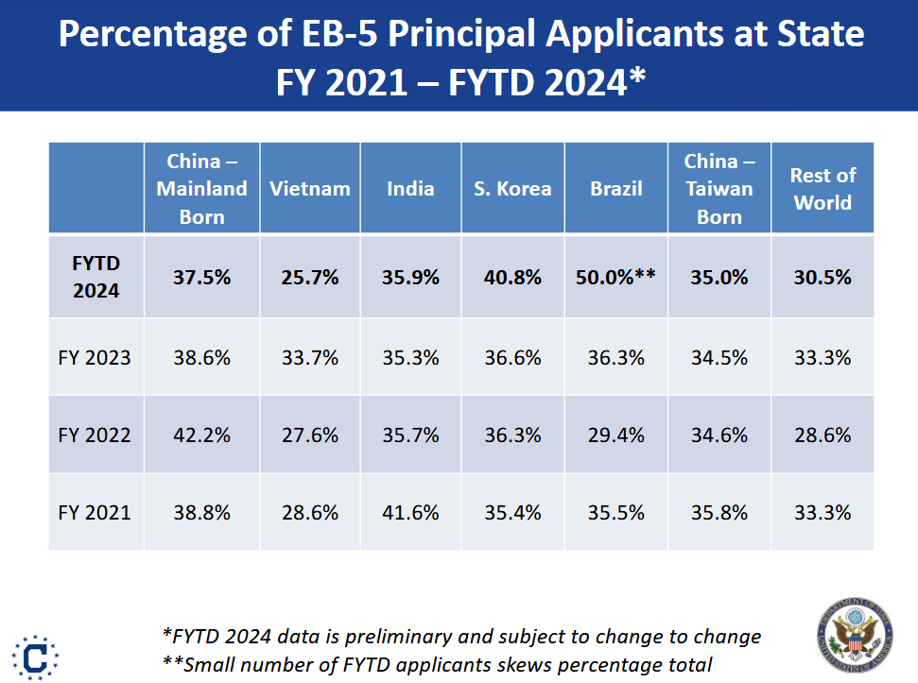
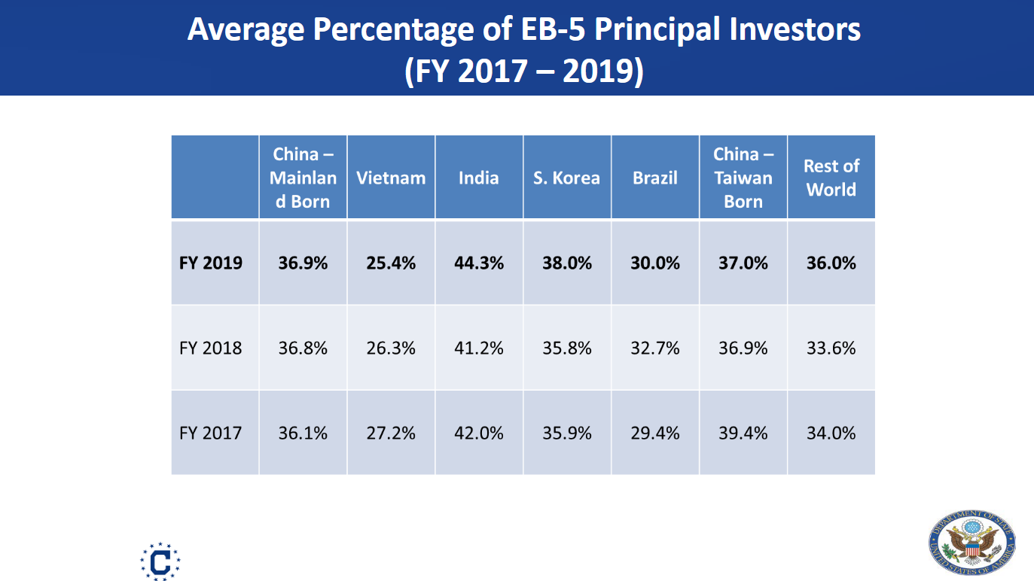
Percentage of EB-5 Principal Applicants at State |  |  |  |  |  |  |  | % derivatives at State
 | China - Mainland | Vietnam | India | South Korea | Brazil | China – Taiwan | Rest of World | China - Mainland | Vietnam | India | South Korea | Brazil | China – Taiwan | Rest of World
FYTD 2024 | 37.5% | 25.7% | 35.9% | 40.8% | 50.0% | 35.0% | 30.5% | 62.5% | 74.3% | 64.1% | 59.2% | 50.0% | 65.0% | 69.5%
FY 2023 | 38.6% | 33.7% | 35.3% | 36.6% | 36.3% | 34.5% | 33.3% | 61.4% | 66.3% | 64.7% | 63.4% | 63.7% | 65.5% | 66.7%
FY 2022 | 42.2% | 27.6% | 35.7% | 36.3% | 29.4% | 34.6% | 28.6% | 57.8% | 72.4% | 64.3% | 63.7% | 70.6% | 65.4% | 71.4%
FY 2021 | 38.8% | 28.6% | 41.6% | 35.4% | 35.5% | 35.8% | 33.3% | 61.2% | 71.4% | 58.4% | 64.6% | 64.5% | 64.2% | 66.7%
FY2019 | 36.9% | 25.4% | 44.3% | 38.0% | 30.0% | 37.0% | 36.0% | 63.1% | 74.6% | 55.7% | 62.0% | 70.0% | 63.0% | 64.0%
FY2018 | 36.8% | 26.3% | 41.2% | 35.8% | 32.7% | 36.9% | 33.6% | 63.2% | 73.7% | 58.8% | 64.2% | 67.3% | 63.1% | 66.4%
FY2017 | 36.1% | 27.2% | 42.0% | 35.9% | 29.4% | 39.4% | 34.0% | 63.9% | 72.8% | 58.0% | 64.1% | 70.6% | 60.6% | 66.0%
Sources: | EB-5 Visa Updates, Michael Hanley, Ph.D FYTD-2024 and FY-2025 Outlook
 | https://iiusa.org/wp-content/uploads/2024/05/3_EB-5-IIUSA-Conference-May-2024.pdf
 | PART ONE: A DISCUSSION WITH CHARLES OPPENHEIM (Nov 20, 2019)
 | https://iiusa.org/wp-content/uploads/2020/11/Virutal-Industry-Forum-Visa-Update.pdf

Percentage of Investors in total EB-5 visas issued from Yearbook of Immigration Statistics

 |  |  |  |  | Average visas per investor
 | New Arrivals | Status Adjustment | Total |  | New Arrivals | Status Adjustment | All
FY2017 | 34% | 44% | 36% | FY2017 | 3.0 | 2.3 | 2.8
FY2018 | 33% | 44% | 35% | FY2018 | 3.0 | 2.3 | 2.9
FY2019 | 34% | 45% | 36% | FY2019 | 2.9 | 2.2 | 2.8
FY2020 | 34% | 50% | 39% | FY2020 | 3.0 | 2.0 | 2.6
FY2021 | 34% | 54% | 41% | FY2021 | 3.0 | 1.9 | 2.4
FY2022 | 35% | 52% | 44% | FY2022 | 2.9 | 1.9 | 2.3
FY2023 | 37% | 37% | 37% | FY2023 | 2.7 | 2.7 | 2.7
FY2024
Average | 34% | 47% | 38% |  | 2.9 | 2.1 | 2.6

Source: | Yearbook of Immigration Statistics
 | https://ohss.dhs.gov/topics/immigration/yearbook

Detail of visas by immigration path in FY2023
 | New Arrivals | Status Adjustments | Total | New Arrivals | Status Adjustments | Total
Investor | 3,900 | 550 | 4,450 | 37.4% | 37.4% | 37.4%
Spouse | 2,310 | 330 | 2,640 | 22.1% | 22.4% | 22.2%
Child | 4,220 | 590 | 4,810 | 40.5% | 40.1% | 40.4%
 | 10,430 | 1,470 | 11,900

Source: | Lawful Permanent Residents Table 7
 | https://ohss.dhs.gov/topics/immigration/yearbook-immigration-statistics/yearbook-2023

Pre-RIA Data
Pre-RIA EB-5 Backlog Data Collection
This data is relevant to applicants who filed I-526 prior to the EB-5 Reform and Integrity Act (RIA) enacted in March 2022

I-526 Filings by Fiscal Year

Year I-526 filed | Vietnam | Brazil | South Korea | China | Taiwan | India | ROW | Worldwide | Other than China, India |  |  | Sources:
FY2013 | 87 | 19 | 102 | 5,480 | 91 | 86 | 309 | 6,174 | 608 |  |  | https://www.uscis.gov/sites/default/files/files/nativedocuments/I-526_Approvals_Denials_and_Receipts_for_Q1_of_FY19.pdf
FY2014 | 127 | 50 | 110 | 9,722 | 106 | 99 | 355 | 10,569 | 748 |  |  | https://www.uscis.gov/sites/default/files/document/data/I-526_accepted_petitions_for_India_in_the_months_October_2018-May_2019.pdf
FY2015 | 170 | 229 | 167 | 13,530 | 289 | 239 | 1,329 | 15,953 | 2,184 | 28,732 |  | https://iiusa.org/blog/analyzing-form-i-526-statistics-by-investors-country-of-chargeability-for-fiscal-year-2017-what-is-new-and-what-it-tells-us/
FY2016 | 143 | 151 | 156 | 10,948 | 404 | 354 | 1,117 | 13,273 | 1,971 |  |  | https://iiusa.org/wp-content/uploads/2017/08/A-New-Lens-What-the-Lastest-Data-Tells-Us-about-Raising-EB-5-Captial-in-an-Increasingly-Challenging-Marketplace.pdf
FY2017 | 523 | 136 | 215 | 8,771 | 182 | 587 | 950 | 11,364 | 2,006 |  |  | https://iiusa.org/wp-content/uploads/2022/04/IIUSA-RCBJ_April2022-update.pdf
FY2018 | 761 | 173 | 371 | 2,212 | 255 | 1,167 | 1,159 | 6,098 | 2,719 |  |  | https://www.galati.law/post/new-data-i-526-receipts-by-month-by-investor-country-of-birth-oct-2019-oct-2020
FY2019 | 395 | 113 | 548 | 522 | 237 | 1,027 | 1,352 | 4,194 | 2,645 | 24% |  | https://www.dropbox.com/s/zxkmwye1yr1100t/i526list.pdf?dl=0
FY2020 | 253 | 142 | 421 | 428 | 231 | 935 | 1,968 | 4,378 | 3,015 |  |  | I-526 datasets available for purchase from IIUSA for FY1991 to FY2020
FY2021 |  |  |  |  |  | 268 |  | 814 |  |  |  | https://www.uscis.gov/sites/default/files/files/nativedocuments/I-526_Approvals_Denials_and_Receipts_for_Q1_of_FY19.pdf
FY2022 -- Oct 2021 to March 2022 |  |  |  | 9 |  | 272 | 315 | 609 | 328 |  |  | 2022-2024 per-country approval rate | https://iiusa.org/blog/iiusa-new-data-analysis-on-the-latest-i-526e-and-i-526-filings-adjudications-and-withdrawals-country-specific-trends-in-eb-5-demand-investment-preferences-case-processing-and-reserved-visa-wait/
 |  |  |  | 85% |  |  |  |  |  |  |  | 2021/2022 data for India estimated based on FOIA results for petitions pending and approved as of June 2023 (FOIA COW2023003820)

I-526 Approval Rate by Country |  | I-526 approvals as percent total I-526 completions
Year I-526 adjudicated | Vietnam |  | Korea | China |  | India | All Except China India | Worldwide average | Number of I-526 Completions
FY2016 | 87% |  | 82% | 83% |  | 66% |  | 82% | 9,367
FY2019 | 90% |  | 98% | 78% |  | 90% |  | 81% | 4,673
FY2020 | 88% |  | 91% | 54% |  | 90% |  | 75% | 3,421
FY2021 |  |  |  |  |  |  |  | 79% | 3,048
FY2022 |  |  |  | 29% |  | 59% |  | 49% | 1,203
FY2023 |  |  |  | 29% |  | 76% |  | 60% | 3,563
FY2024 Oct-Mar |  |  |  | 40% |  | 82% |  | 78% | 2,956

I-526 Pending and Applicants in Process

I-526 Inventory at USCIS by Country and I-526 Filing Date

Pre-RIA I-526 Pending as of July 31, 2024 -- Summary |  |  |  |  |  |  |  |  |  | Source: USCIS Response to AIIA FOIA Request
 | China | India | ROW | Total |  |  |  |  |  | I-526, Immigrant Petition by Standalone Investor
Pre-2015 | 6 | 0 | 2 | 8 |  |  |  |  |  | I-526E, Immigrant Petition by Regional Center Investor
2015 Q1. Oct - Dec 2014 | 1 | - | - | 1 |  |  |  |  |  | Pending Petitions by Priority Year, Priority Month, and Country of Chargeability
2015 Q2. Jan - Mar 2015 | 1 | - | - | 1 |  |  |  |  |  | As of July 31, 2024
2015 Q3 Apr - Jun 2015 | 3 | - | - | 3 |  |  |  |  |  | Department of Homeland Security, U.S. Citizenship and Immigration Services, Office of Performance and Quality
2015 Q4 Jul - Sep 2015 | 28 | - | 4 | 32 |  |  |  |  |  | NPD, queried 09/2024, TRK 15578
2016 Q1 Oct - Dec 2015 | 33 | - | 1 | 34 |  |  |  |  |  | https://goaiia.org/aiia-foia-series-pre-ria-i-526-data-as-of-july-2024/
2016 Q2 Jan - Mar 2016 | 4 | - | - | 4
2016 Q3 April - June 2016 | 20 | - | 1 | 21
2016 Q4 Jul - Sep 2016 | 79 | - | 2 | 81
2017 Q1 Oct - Dec 2016 | 87 | - | 8 | 95
2017 Q2. Jan - Mar 2017 | 94 | - | 4 | 98
2017 Q3. April - June 2017 | 430 | 1 | 9 | 440
2017 Q4 Jul - Sep 2017 | 243 | - | 9 | 252
2018 Q1 Oct - Dec 2017 | 326 | 1 | 23 | 350
2018 Q2. Jan - Mar 2018 | 358 | - | 18 | 376
2018 Q3. April - June 2018 | 154 | - | 4 | 158
2018 Q4 Jul - Sep 2018 | 277 | 3 | 22 | 302 |  |  |  | EB-5 Form I-526 pending as of July 31, 2024with priority dates before April 2022
2019 Q1 Oct - Dec 2018 | 144 | 1 | 33 | 178 |  | 140 |  | as of May 3, 2024
2019 Q2. Jan - Mar 2019 | 99 | 7 | 18 | 124 |  |  |  | Priority date | 2014 | 2015 | 2016 | 2017 | 2018 | 2019 | 2020 | 2021 | 2022
2019 Q3. April - June 2019 | 80 | 3 | 14 | 97 |  |  |  | China | 7 | 65 | 190 | 1,093 | 933 | 645 | 17 | 16 | 8
2019 Q4 Jul - Sep 2019 | 97 | 9 | 63 | 169 |  |  |  | India | - | - | - | 2 | 4 | 172 | 7 | 140 | 148
2020 Q1 Oct - Dec 2019 | 369 | 153 | 386 | 908 |  |  |  | ROW | 2 | 5 | 11 | 45 | 77 | 481 | 46 | 251 | 131
2020 Q2 Jan - Mar 2020 | 2 | 3 | 7 | 12 |  |  |  | Grand Total | 9 | 70 | 201 | 1,140 | 1,014 | 1,298 | 70 | 407 | 287
2020 Q3 Apr - Jun 2020 | 2 | 0 | 12 | 14
2020 Q4 Jul - Sep 2020 | 6 | 2 | 10 | 18
2021 Q1 Oct - Dec 2020 | 7 | 2 | 17 | 26
2021 Q2 Jan - Mar 2021 | 6 | 6 | 23 | 35
2021 Q3 Apr - Jun 2021 | 9 | 90 | 164 | 263
2021 Q4 Jul - Sep 2021 | 0 | 19 | 14 | 33
2022 Q1 Oct - Dec 2021 | 1 | 25 | 50 | 76
2022 Q2 Jan - Mar 2022 | 8 | 148 | 131 | 287

Total | 2974 | 473 | 1049 | 4496

Pending I-526 Inventory as of March 2022
 | Vietnam | Brazil | South Korea | China | Taiwan | India | Other Countries | All Countries |  |  |  | Source: FOIA request by AIIA
Total as of 3/2022 | 1,028 |  | 1,010 | 4,823 | 579 | 2,175 | 3,506 | 13,203 | 8,380 |  |  |  | https://goaiia.org/aiia-foia-series-pending-i526-i829-by-country/

Total Pre-RIA I-526 Adjudicated FY2022-FY2024 |  |  |  | China |  | India | ROW | All |  |  |  | Source: FOIA request by IIUSA
FY2022 |  |  |  | 263 |  | 295 |  |  |  |  |  |  | https://iiusa.org/blog/iiusa-new-data-analysis-on-the-latest-i-526e-and-i-526-filings-adjudications-and-withdrawals-country-specific-trends-in-eb-5-demand-investment-preferences-case-processing-and-reserved-visa-wait/
FY2023 |  |  |  | 659 |  | 740
FY2024 to June |  |  |  | 1,090 |  | 776
Total |  |  |  | 2,012 |  | 1,811

Estimated pending inventory as of June 30, 2024 |  |  |  | 2,811 |  | 364 | 1,842 | 5,017
 |  |  |  |  |  |  | Percent of 2024 I-526 approvals sent to DOS as of August 2024 | 47%
Most recent USCIS Official I-526 inventory report |  |  |  |  |  |  |  | All Countries |  |  |  | Source
as of 9/30/2023 |  |  |  |  |  |  |  | 9,527
as of 12/31/2023 |  |  |  |  |  |  |  | 8,539
as of 6/30/2025 |  |  |  |  |  |  | Total pending I-526 inventory | 1248 |  |  |  |  | https://www.uscis.gov/sites/default/files/document/data/quarterly_all_forms_fy2024_q1.xlsx
 |  |  |  |  |  |  | Number of I-526 completions in most recent quarter | 680 |  | 1.8 |  |  | https://www.uscis.gov/sites/default/files/document/data/net_backlog_frontlog_fy2024_q1.xlsx
 |  |  |  |  |  |  | Number of I-526 approvals in most recent quarter | 368
 |  |  |  |  |  |  | Net backlog: inventory less any customer induced delays (i.e. RFE, intent to deny, etc.) and visa unavailable cases | 100

Backlog at NVC |  |  |  |  |  |  |  |  |  |  |  | Sources:
 |  |  |  |  |  |  |  |  |  |  |  | Nov-14 | http://immigrationroad.com/documents/DOS-Consular-Processing-Inventory_20141101.pdf https://www.bakerdonelson.com/files/Uploads/Documents/Divine%20The%20Realities.pdf
EB-5 Applicants Registered at the National Visa Center |  |  |  |  |  |  |  |  |  |  |  | Nov-15 | http://www.ilw.com/immigrationdaily/news/2016,0111-AnnualReport.pdf https://www.bakerdonelson.com/files/Uploads/Documents/Divine%20The%20Realities.pdf
 | As of Nov. 2014 | As of Nov. 2015 | As of Nov 2016 | As of Nov 2017 | As of Nov 2018 | As of Nov 2019 | as of Nov 2020 | of Nov 2021 | as of Nov 2022 | of Nov 2023 | as of 5/16/2024 | Nov-16 | https://www.dropbox.com/s/72n9vn52fnyg7fm/WaitingListItem.pdf?dl=0 (Used to be at https://travel.state.gov/content/dam/visas/Statistics/Immigrant-Statistics/WaitingListItem.pdf)
China-mainland born | 5,169 | 15,830 | 22,910 | 26,725 | 33,957 | 33,167 | 45,749 | 44,357 | 38,874 | 33,676 | 31,627 | Nov-17 | https://travel.state.gov/content/dam/visas/Statistics/Immigrant-Statistics/WaitingList/WaitingListItem_2017.pdf
Vietnam | 185 | 245 | 232 | 649 | 1,524 | 1,773 | 1,747 | 1,328 | 1,534 | 571 | 966 | Nov-18 | https://travel.state.gov/content/dam/visas/Statistics/Immigrant-Statistics/WaitingList/WaitingListItem_2018.pdf
India | 95 |  |  | 307 | 541 | 561 | 767 | 1,929 | 1,362 | 1,652 | 2,019 | Nov-19 | https://travel.state.gov/content/dam/visas/Statistics/Immigrant-Statistics/WaitingList/WaitingListItem_2019.pdf
Korea, South |  | 148 | 109 | 278 | 448 |  |  | 909 | 560 | 517 | 1,513 | Nov-20 | https://travel.state.gov/content/dam/visas/Statistics/Immigrant-Statistics/WaitingList/WaitingListItem_2020_vF.pdf
Hong Kong S.A.R. | 101 | 254 | 447 | 423 | 329 | 249 | 775 | 866 | 688 | 575 | 804 | Nov-21 | https://travel.state.gov/content/dam/visas/Statistics/Immigrant-Statistics/WaitingList/WaitingListItem_2021vF.pdf
China-Taiwan born | 97 | 158 | 106 |  |  |  |  |  |  |  |  |  | https://www.uscis.gov/sites/default/files/USCIS/Resources/Reports%20and%20Studies/Immigration%20Forms%20Data/Employment-based/EB_I140_I360_I526_performancedata_fy2020_Q1_Q2.pdf
Brazil |  |  |  |  |  | 201 | 246 |  |  |  | 283 | Nov-22 | https://travel.state.gov/content/dam/visas/Statistics/Immigrant-Statistics/WaitingList/WaitingListItem_2022.pdf
All Others | 771 | 1,027 | 825 | 1,877 | 2,202 | 1,139 | 1,652 | 2,947 | 2,480 | 2,892 | 2,563 | Nov-23 | https://travel.state.gov/content/dam/visas/Statistics/Immigrant-Statistics/WaitingList/WaitingListItem_2023_vF.pdf
Worldwide Total | 6,418 | 17,662 | 24,629 | 30,259 | 39,001 | 37,090 | 50,936 | 52,336 | 45,498 | 39,883 | 39,775 | May-24 | https://iiusa.org/wp-content/uploads/2024/05/3_EB-5-IIUSA-Conference-May-2024.pdf
 |  |  |  |  |  |  |  |  |  |  |  |  | https://iiusa.org/wp-content/uploads/2024/06/Insights-from-DOS-Recap-of-2024-IIUSA-EB-5-Forum-1.pdf
Except China and India | 1,154 | 1,832 | 1,719 | 3,227 | 4,503 | 3,362 | 4,420 | 6,050 | 5,262 | 4,555 | 6,129

EB-5 Applicants with Petitions on File at NVC |  |  |  |  |  |  |  |  |  | 1%
(detail by applicant priority date and Foreign State of Chargeability)
data as of May 16, 2024

 | Active EB-5 Applicants at NVC by Foreign State of Chargeability (FSC)
 | Calendar Year of Priority Date
FSC | 2014* | 2015 | 2016 | 2017 | 2018 | 2019 | 2020 | 2021 | 2022 | 2023 | Total | Pre-RIA | Nov-23 | https://iiusa.org/wp-content/uploads/2024/05/3_EB-5-IIUSA-Conference-May-2024.pdf
China - Mainland** | 588 | 8,570 | 14,590 | 6,860 | 604 | 31 | - | - | 182 | 202 | 31,627 | 31,243 |  | https://iiusa.org/wp-content/uploads/2024/06/Insights-from-DOS-Recap-of-2024-IIUSA-EB-5-Forum-1.pdf
India | 26 | - | 25 | 131 | 750 | 902 | 4 | 44 | 105 | 32 | 2,019 | 1,882 | 1834
South Korea | 83 | - | 4 | 13 | 92 | 1,220 | - | 5 | 81 | 15 | 1,513
Vietnam | 7 | 1 | 39 | 191 | 286 | 369 | - | 1 | 59 | 13 | 966
China – Taiwan | 40 | 1 | 37 | 77 | 162 | 392 | - | - | 69 | 26 | 804
South Africa | 2 | 1 | - | 13 | 67 | 233 | - | - | 8 | - | 324
Brazil | 3 | 1 | 8 | 44 | 70 | 153 | - | - | - | 4 | 283
Rest of World | 141 | 53 | 81 | 256 | 480 | 1,047 | 5 | 33 | 102 | 41 | 2,239 | 5,711
Total | 890 | 8,627 | 14,784 | 7,585 | 2,511 | 4,347 | 9 | 83 | 606 | 333 | 39,775 | 38,836

*All years prior to 2014 included in this statistic
**Includes 7,504 applicants not current by the Filing Date

I-485 EB-5 Backlog for Adjustment of Status

Summary of Pending Unreserved EB-5 I-485 as of August 3, 2024 |  |  |  |  | Summary of Pending Unreserved EB-5 I-485 as of November 3, 2024
Priority dates from 2015 to 2024 |  |  |  |  | Priority dates from 2015 to 2024 |  |  |  |  | Source | https://www.uscis.gov/sites/default/files/document/data/eb_inventory_april_2024_071924.xlsx
 | China | India | ROW | Total |  | China | India | ROW | Total |  | https://www.uscis.gov/sites/default/files/document/reports/eb_inventory_august_2024_081324.xlsx
Counted I-485 | 2,533 | 866 | 1,224 | 4,623 | Counted I-485 | 2,756 | 718 | 1,182 | 4,656
Count of "D" values | 20 | 38 | 90 | 148 | Count of "D" values | 19 | 39 | 105 | 163
Max value per "D" | 10 | 10 | 10 | 30 | Max value per "D" | 10 | 10 | 10 | 30
Max value of all "D" | 200 | 380 | 900 | 1,480 | Max value of all "D" | 190 | 390 | 1050 | 1,630
Max count of pending I-485 | 2,733 | 1,246 | 2,124 | 6,103 | Max count of pending I-485 | 2,946 | 1,108 | 2,232 | 6,286

Summary of Pending Unreserved EB-5 I-485 as of August 3, 2024 |  |  |  |  | Summary of Pending Unreserved EB-5 I-485 as of November 3, 2024

Calendar Year of priority date | China | India | All Others | Total | Calendar Year of priority date | China | India | All Others | Total
2015 | 195 | - | - | 195 | 2015 and earlier | 251 | - | - | 251
2016 | 2,338 | - | - | 2,338 | 2016 | 2,505 | - | - | 2,505
2017 | - | - | 23 | 23 | 2017 | - | - | 12 | 12
2018 | - | 39 | 21 | 60 | 2018 | - | 27 | 21 | 48
2019 | - | 475 | 821 | 1,296 | 2019 | - | 339 | 706 | 1,045
2020 | - | - | 12 | 12 | 2020 | - | - | 72 | 72
2021 | - | 194 | 217 | 411 | 2021 | - | 191 | 248 | 439
2022 | - | 158 | 117 | 275 | 2022 | - | 161 | 31 | 192
2023 | - | - | 13 | 13 | 2023 | - | - | 13 | 13
2024 | - | - | - | - | 2024 | - | - | - | -
Total | 2,533 | 866 | 1,224 | 4,623 | Total | 2,756 | 718 | 1,103 | 4,577

EB-5 I-485 pending as of June 30, 2021 |  | 4,000 | approximately, according to USCIS Service Center operations speaker at the 4/29/2022 EB-5 stakeholder meeting

All Employment-Based I-485 Inventory pending at Service Centers and Field Offices as of October 2019 |  |  |  |  |  |  |  |  |  |  |  | Source | I-485 inventory as of October 2019 (PDF, 276.55 KB)
Fifth Preference |  | Year of Priority Date
 |  | 2015 | 2016 | 2017 | 2018 | 2019 | Total
Worldwide |  | 137 | 20 | 17 | 67 | 328 | 569
China |  | 137 | 20 | 12 | 20 | 44 | 233
India |  |  |  |  | 14 | 150 | 164
All Other |  | 0 | 0 | 5 | 33 | 134 | 172

EB-5 Visa Issuance History -- Unreserved
EB-5 Visas Issued |  | FY2015 | FY2016 | FY2017 | FY2018 | FY2019 | FY2020 | FY2021 | FY2022 | FY2023 | FY2024 | FY2025 | State Department Report of the Visa Office
 |  |  |  |  |  |  |  |  |  |  |  |  | https://travel.state.gov/content/travel/en/legal/visa-law0/visa-statistics/annual-reports.html
China |  | 8,156 | 7,516 | 7,567 | 4,642 | 4,327 | 1,686 | 1,567 | 6,125 | 6,262 | 9,312 |  | https://iiusa.org/wp-content/uploads/2024/05/3_EB-5-IIUSA-Conference-May-2024.pdf
India |  | 111 | 149 | 174 | 585 | 760 | 456 | 211 | 1,381 | 815 | 1,323 |  | https://iiusa.org/wp-content/uploads/2024/06/Insights-from-DOS-Recap-of-2024-IIUSA-EB-5-Forum.pdf
Vietnam |  | 280 | 334 | 471 | 693 | 716 | 613 | 731 | 815 | 556 | 1,522
South Korea |  | 116 | 260 | 195 | 531 | 695 | 152 | 44 | 396 | 446 | 317
ROW |  | 1,101 | 1,688 | 1,683 | 3,151 | 2,980 | 689 | 396 | 2,168 | 1,738 | 2,027 |  |  | 8.30% | 12.7%
Total |  | 9,764 | 9,947 | 10,090 | 9,602 | 9,478 | 3,596 | 2,949 | 10,885 | 9,817 | 14,501 |  |  | 8.6% | 10.2%

All Except China and India |  | 1,497 | 2,282 | 2,349 | 4,375 | 4,391 | 1,454 | 1,171 | 3,379 | 2,740 | 3,866
 |  |  |  |  |  |  |  |  |  |  | 10% |  | 9%
Consular processing |  |  |  | 8,414 | 7,807 | 7,889 | 2,425 | 2,023 | 6,882 | 8,354 | 11,710
Adjustment of Status |  |  |  | 1,676 | 1,795 | 1,589 | 1,171 | 926 | 4,003 | 1,463 | 2,791
AOS % Total |  |  |  | 17% | 19% | 17% | 33% | 31% | 37% | 15% | 19% |  | 24%
China |  |  |  |  | 10% | 10% | 39% | 38% | 34% | 9% | 13%
India |  |  |  |  | 33% | 34% | 67% | 78% | 54% | 23% | 48%
ROW |  |  |  |  | 26% | 20% | 15% | 14% | 35% | 26% | 24%

EB-5 Visa Annual Limit |  | 10,281 | 9,964 | 9,940 | 9,961 | 10,076 | 11,094 | 18,622 |  |  |  | 29,716 | 50,000 | (20,284)
Annual Limit Unreserved |  |  |  |  |  |  |  |  | 13,591 | 9,516 | 14,207
EB-5 Visas Lost |  | (517) | (17) | 150 | (359) | (598) | (7,498) | (15,673) | (2,706) | 301
Unreserved visas carried over
Reserved visas carried over
Visas available to Pre-RIA

Reserved

Family Size

EB-5 visas per principal applicant by immigration path in FY2023 |  |  |  |  |  |  |  |  |  |  |  | Source: | Lawful Permanent Residents Table 7
 | New Arrivals | Status Adjustments | Total |  | New Arrivals | Status Adjustments | Total |  |  |  |  |  | https://ohss.dhs.gov/topics/immigration/yearbook-immigration-statistics/yearbook-2023
Investor | 3900 | 550 | 4,450 |  | 37% | 37% | 37% | 2.67 |  |  | 2.273
Spouse | 2310 | 330 | 2,640 |  | 22% | 22% | 22% |  | 0.59
Child | 4220 | 590 | 4,810 |  | 40% | 40% | 40% |  | 1.08
 | 10430 | 1470 | 11,900 |  | 100% | 100% | 100%
 | 88% | 12% | 100%

EB-5 visas per principal applicant by country
 | China | India | Vietnam | South Korea | Brazil | Taiwan | Other Countries | All Countries
Average % of principal applicants in all EB-5 visas issued FY19 | 36.9% | 44.3% | 25.4% | 38.0% | 30.0% | 37.0% | 36.0% | 36.0% |  |  |  | Sources: | https://iiusa.org/wp-content/uploads/2024/05/3_EB-5-IIUSA-Conference-May-2024.pdf
Average visas per I-526 | 2.71 | 2.26 | 3.94 | 2.63 | 3.33 | 2.70 | 2.78 | 2.78 |  |  |  |  | https://iiusa.org/wp-content/uploads/2020/11/Virutal-Industry-Forum-Visa-Update.pdf
 |  |  |  |  |  |  |  |  |  |  |  |  | https://travel.state.gov/content/travel/en/legal/visa-law0/visa-statistics/annual-reports.html
Percentage of EB-5 Principal Applicants at State (FY 2021-FYTD 2024) |  |  |  |  |  |  |  |  |  |  |  |  | https://ohss.dhs.gov/topics/immigration/yearbook
 | China - Mainland | India | Vietnam | S. Korea | Brazil | China – Taiwan | Rest of World
FYTD 2024 | 37.50% | 35.90% | 25.70% | 40.80% | 50.00% | 35.00% | 30.50% |  |  |  |  |  | 0.375 | 0.359 | 0.305
FY 2023 | 38.60% | 35.30% | 33.70% | 36.60% | 36.30% | 34.50% | 33.30%
Average EB-5 visas per investor, by year and path of visa issuance
FY 2022 | 42.20% | 35.70% | 27.60% | 36.30% | 29.40% | 34.60% | 28.60%
FY 2021 | 38.80% | 41.60% | 28.60% | 35.40% | 35.50% | 35.80% | 33.30%
 | 2.54 | 2.81 | 3.45 | 2.64 | 2.59 | 2.88 | 3.25
CHINA |  |  |  |  | INDIA |  |  | VIETNAM |  |  | Percentage of Investors in total EB-5 visas issued from Yearbook of Immigration Statistics
Year visa issued | % principals in EB-5 Visas Issued to China | Family per Principal | Y-o-y change |  | Year visa issued | % principals in EB-5 Visas Issued to China | Family per Principal | % principals in EB-5 Visas Issued to China | Family per Principal
FY2015 | 35.2% | 2.84 |  |  |  |  |  |  |  |  |  |  |  |  |  | Average visas per investor
FY2016 | 35.8% | 2.79 | -1.68% |  |  |  |  |  |  |  |  | New Arrivals | Status Adjustment | Total |  | New Arrivals | Status Adjustment | All
FY2017 | 36.1% | 2.77 | -0.83% |  | FY2017 | 42.0% | 2.38 | 27.20% | 3.68 |  | FY2017 | 34% | 44% | 36% | FY2017 | 3.0 | 2.3 | 2.8
FY2018 | 36.8% | 2.72 | -1.90% |  | FY2018 | 41.2% | 2.43 | 26.30% | 3.80 |  | FY2018 | 33% | 44% | 35% | FY2018 | 3.0 | 2.3 | 2.9
FY2019 | 36.9% | 2.71 | -0.27% |  | FY2019 | 44.3% | 2.26 | 25.40% | 3.94 |  | FY2019 | 34% | 45% | 36% | FY2019 | 2.9 | 2.2 | 2.8
FY2020 |  |  |  |  | FY2020 |  |  |  |  |  | FY2020 | 34% | 50% | 39% | FY2020 | 3.0 | 2.0 | 2.6
FY2021 | 38.8% | 2.58 | -4.90% |  | FY2021 | 41.6% | 2.40 | 28.60% | 3.50 |  | FY2021 | 34% | 54% | 41% | FY2021 | 3.0 | 1.9 | 2.4
FY2022 | 42.2% | 2.37 | -8.06% |  | FY2022 | 35.7% | 2.80 | 27.60% | 3.62 |  | FY2022 | 35% | 52% | 44% | FY2022 | 2.9 | 1.9 | 2.3
FY2023 | 38.6% | 2.59 | 9.33% |  | FY2023 | 35.3% | 2.83 | 33.70% | 2.97 |  | FY2023 | 37% | 37% | 37% | FY2023 | 2.7 | 2.7 | 2.7
FY2024 | 37.5% | 2.67 | 2.93% |  | FY2024 | 35.9% | 2.79 | 25.70% | 3.89 |  | FY2024
 |  | 2.67 |  |  | Average |  | 2.56 |  | 3.81 |  | Average |  |  | 38% |  | 2.91 | 2.17 | 2.63

Status Adjustment History
EB-5 Visas Issued Through Adjustment of Status |  |  |  |  |  |  |  |  |  |  |  | Source: | State Department Report of the Visa Office
By country of origin | FY2017 | FY2018 | FY2019 | FY2020 | FY2021 | FY2022 | FY2023 | FY2024 | FY2025 |  |  |  | https://travel.state.gov/content/travel/en/legal/visa-law0/visa-statistics/annual-reports.html
China Mainland born | 734 | 481 | 433 | 654 | 592 | 2,065 | 578 | 1,221
India | 206 | 191 | 257 | 304 | 164 | 740 | 184 | 641
Vietnam | 60 | 35 | 51 | 32 | 37 | 43 | 28 | 66

Visa-Stage Denial History
Visa-Stage Denial Rates | Percent of EB-5 visa adjudications that were refusals or denials 2016-2021 |  |  |  |  |  |  |  |  |  |  | Source: | https://www.gao.gov/products/gao-23-106452
 | State (DS-260) | USCIS (-485) | Overall
China | 7.4% | 6.6% | 7.3%
Vietnam | 8.5% | 5.1% | 8.2%
India | 17.7% | 16.8% | 17.3%
All countries | 9.0% | 11.4% | 9.5%

Consular Processing Timing |  |  |  |  |  |  |  |  |  |  |  | Source: | https://iiusa.org/wp-content/uploads/2024/05/3_EB-5-IIUSA-Conference-May-2024.pdf
 |  |  |  |  |  |  |  |  |  |  |  |  | https://iiusa.org/wp-content/uploads/2024/06/Insights-from-DOS-Recap-of-2024-IIUSA-EB-5-Forum.pdf
Months from I-526 approval to NVC transfer |  |  | 3

Months from NVC notification to Interview
 | FY2022 | FY2023 | FY2024
Brazil | 16 | 7
China | 20 | 9 | 5
India | 11 | 9 | 7
S Korea | 15 | 11 | 9
Taiwan | 10 | 8 | 8
Vietnam | 22 | 9 | 4
ROW | 12 | 8 | 5

Other Visa Data

Number of Form I-526 Approved Petitions Awaiting Visa Availability
 |  | China | China | India | India |  |  |  |  |  |  | Sources | Visa Bulletin
USCIS Report Date | Visa Bulletin Date | Final Action Date in Visa Bulletin | Approved I-526 awaiting visa availability* | Final Action Date in Visa Bulletin | Approved I-526 awaiting visa availability* |  |  |  |  |  |  | "Number of Form I-140, I-360, I-526/E Approved Employment-Based Petitions Awaiting Visa Availability"
Jul-20 | Apr-20 | 2015-05-15 | 24,511 |  |  |  |  |  |  |  |  |  | https://www.uscis.gov/sites/default/files/document/data/EB_I140_I360_I526_performancedata_fy2022_Q3_Q4.pdf
Jan-21 | Nov-20 | 2015-08-15 | 21,253 |  |  |  |  |  |  |  |  |  | https://www.uscis.gov/sites/default/files/document/data/EB_I140_I360_I526_performancedata_fy2022_Q1_Q2.pdf
Jun-21 | Apr-21 | 2015-08-15 | 21,165 |  |  |  |  |  |  |  |  |  | https://www.uscis.gov/sites/default/files/document/data/EB_I140_I360_I526_performancedata_fy2021_Q3_Q4.pdf
Dec-21 | Sep-21 | 2015-11-22 | 15,794 |  |  |  |  |  |  |  |  |  | https://www.uscis.gov/sites/default/files/document/reports/EB_I140_I360_I526_performancedata_fy2020_Q3_Q4.pdf
Jul-22 | Mar-22 | C | 18,095 |  |  |  |  |  |  |  |  |  | https://www.uscis.gov/sites/default/files/document/reports/eb_i140_i360_i526_performancedata_fy2024_q2.xlsx
Sep-22 | Sep-22 | 2015-11-22 | 12,855
Dec-22 | Dec-22 | 2015-03-22 | 23,020 | 2019-11-08 | 89
Apr-23 | Mar-23 | 2015-07-08 | 20,936 | 2018-06-01 | 1,133
Jun-23 | Jun-23 | 2015-09-08 | 18,880 | 2017-04-01 | 2,157
Sep-23 | Sep-23 | 2015-09-09 | 19,711 | 2017-04-01 | 2,393
Dec-23 | Dec-23 | 2015-10-01 | 16,283 | 2018-12-15 | 533
Jun-24 | Mar-24 | 2015-12-15 | 13,383 | 2020-12-01 | 115
Sep-24 | Sep-24 | 2015-12-15 | 13,549 | 2020-12-01 | 205
Dec-24 | Dec-24 | 2016-07-15 | 12,163 | 2022-01-01 | 89
Jun-25 | Jun-25 | 2014-01-22 | 30,313 | 2019-05-01 | 755
Sep-25 | Sep-25 | 2015-12-08 | 14,670 | 2019-11-15 | 470

*Approved I-526 with priority dates more recent than the Visa Bulletin Final Action Date
From the quarterly USCIS reports:
Number of Form I-140, I-360, I-526/E Approved Employment-Based Petitions Awaiting Visa Availability
Table by blog.lucidtext.com

Other I-526 Data

I-526 Receipt Data by Quarter (Worldwide) |  |  |  |  |  |  |  |  |  |  |  | Source: | http://www.uscis.gov/tools/reports-studies/immigration-forms-data

Period during which the receipt or completion was recorded | I-526 Receipts | Annual | % Annual |  | I-526 Completions
2014 Q1. Oct - Dec 2013 | 2,143 |  | 20% |  | 2264
2014 Q2. Jan - Mar 2014 | 2,540 |  | 23% |  | 1686
2014 Q3. Apr - Jun 2014 | 3,005 |  | 27% |  | 1258
2014 Q4. Jul - Sep 2014 | 3,240 | 10,928 | 30% |  | 1,173
2015 Q1. Oct - Dec 2014 | 2,941 |  | 21% |  | 1,785
2015 Q2. Jan - Mar 2015 | 2,309 |  | 16% |  | 2,251
2015 Q3 Apr - Jun 2015 | 2,473 |  | 17% |  | 3,125
2015 Q4 Jul - Sep 2015 | 6,575 | 14,298 | 46% |  | 2,562
2016 Q1 Oct - Dec 2015 | 6,277 |  | 44% |  | 1,629
2016 Q2 Jan - Mar 2016 | 848 |  | 6% |  | 2,501
2016 Q3 April - June 2016 | 1,513 |  | 11% |  | 2,093
2016 Q4 Jul - Sep 2016 | 5,509 | 14,147 | 39% |  | 3,144
2017 Q1 Oct - Dec 2016 | 4,395 |  | 36% |  | 3,471
2017 Q2. Jan - Mar 2017 | 1,731 |  | 14% |  | 3,015
2017 Q3. April - June 2017 | 4,402 |  | 36% |  | 2,664
2017 Q4 Jul - Sep 2017 | 1,637 | 12,165 | 13% |  | 3,093
2018 Q1 Oct - Dec 2017 | 2,862 |  | 45% |  | 3,044
2018 Q2. Jan - Mar 2018 | 1,607 |  | 25% |  | 3,615
2018 Q3. April - June 2018 | 617 |  | 10% |  | 4,424
2018 Q4 Jul - Sep 2018 | 1,338 | 6,424 | 21% |  | 4,039
2019 Q1 Oct - Dec 2018 | 1,808 |  | 43% |  | 2,573
2019 Q2. Jan - Mar 2019 | 580 |  | 14% |  | 975
2019 Q3. April - June 2019 | 615 |  | 15% |  | 579
2019 Q4 Jul - Sep 2019 | 1,191 | 4,194 | 28% |  | 546
2020 Q1 Oct - Dec 2019 | 4,264 |  | 97% |  | 455
2020 Q2 Jan - Mar 2020 | 21 |  | 0% |  | 904
2020 Q3 Apr - Jun 2020 | 40 |  | 1% |  | 922
2020 Q4 Jul - Sep 2020 | 53 | 4,378 | 1% |  | 1,140
2021 Q1 Oct - Dec 2020 | 91 |  | 11% |  | 1,123
2021 Q2 Jan - Mar 2021 | 98 |  | 12% |  | 882
2021 Q3 Apr - Jun 2021 | 169 |  | 21% |  | 727
2021 Q4 Jul - Sep 2021 | 456 | 814 | 56% |  | 316
2022 Q1 Oct - Dec 2021 | 189 |  |  |  | 61
2022 Q2 Jan - Mar 2022 | 420 |  |  |  | 152
2022 Q3 Apr - Jun 2022 |  |  |  |  | 455
2022 Q4 Jul - Sep 2022 |  |  |  |  | 535

Detail of I-526 Inventory as of December 2020

I-526, Immigrant Petition by Alien Entrepreneur
Number of Pending Petitions by Country of Birth |  |  |  |  |  |  |  |  | Source: USCIS Response to FOIA request COW2020000203 by Suzane Lazicki
Report Run Date is December 13, 2020

Year Received | Vietnam | Brazil | South Korea | China | Taiwan | India | Other Countries | All Countries
Jan-12 | 0 | 0 | 0 | 3 | 0 | 0 | 0 | 3
Feb-12 | 0 | 0 | 0 | 3 | 0 | 0 | 0 | 3
Mar-12 | 0 | 0 | 0 | 2 | 0 | 0 | 1 | 3
Apr-12 | 0 | 0 | 0 | 2 | 0 | 0 | 0 | 2
May-12 | 0 | 0 | 0 | 0 | 0 | 0 | 0 | 0
Jun-12 | 0 | 0 | 1 | 2 | 0 | 0 | 0 | 3
Jul-12 | 1 | 0 | 0 | 0 | 0 | 0 | 0 | 1
Aug-12 | 0 | 0 | 0 | 0 | 0 | 0 | 0 | 0
Sep-12 | 0 | 0 | 0 | 2 | 0 | 0 | 1 | 3
Oct-12 | 0 | 0 | 0 | 1 | 0 | 0 | 0 | 1
Nov-12 | 0 | 0 | 0 | 0 | 0 | 0 | 0 | 0
Dec-12 | 0 | 0 | 0 | 0 | 0 | 0 | 0 | 0
Jan-13 | 0 | 0 | 0 | 1 | 0 | 0 | 0 | 1
Feb-13 | 0 | 0 | 0 | 1 | 0 | 0 | 0 | 1
Mar-13 | 0 | 0 | 0 | 0 | 0 | 0 | 0 | 0
Apr-13 | 0 | 0 | 0 | 0 | 0 | 0 | 0 | 0
May-13 | 0 | 0 | 0 | 0 | 0 | 0 | 0 | 0
Jun-13 | 0 | 0 | 0 | 0 | 0 | 0 | 0 | 0
Jul-13 | 0 | 0 | 0 | 1 | 0 | 0 | 0 | 1
Aug-13 | 0 | 0 | 0 | 0 | 0 | 0 | 0 | 0
Sep-13 | 0 | 0 | 0 | 0 | 0 | 0 | 0 | 0
Oct-13 | 0 | 0 | 0 | 1 | 0 | 0 | 0 | 1
Nov-13 | 0 | 0 | 0 | 0 | 0 | 0 | 0 | 0
Dec-13 | 0 | 0 | 0 | 3 | 0 | 0 | 0 | 3
Jan-14 | 0 | 0 | 0 | 3 | 0 | 0 | 0 | 3
Feb-14 | 0 | 0 | 0 | 4 | 0 | 0 | 1 | 5
Mar-14 | 0 | 0 | 0 | 2 | 0 | 0 | 1 | 3
Apr-14 | 0 | 0 | 0 | 5 | 0 | 0 | 0 | 5
May-14 | 0 | 0 | 0 | 5 | 0 | 0 | 0 | 5
Jun-14 | 0 | 0 | 0 | 5 | 0 | 0 | 0 | 5
Jul-14 | 0 | 0 | 0 | 9 | 0 | 0 | 0 | 9
Aug-14 | 0 | 0 | 0 | 4 | 0 | 0 | 2 | 6
Sep-14 | 0 | 0 | 0 | 8 | 0 | 0 | 0 | 8
Oct-14 | 0 | 0 | 0 | 5 | 0 | 0 | 1 | 6
Nov-14 | 0 | 0 | 0 | 2 | 0 | 0 | 0 | 2
Dec-14 | 0 | 1 | 0 | 4 | 0 | 0 | 1 | 6
Jan-15 | 0 | 0 | 0 | 6 | 0 | 0 | 1 | 7
Feb-15 | 0 | 0 | 0 | 4 | 0 | 0 | 7 | 11
Mar-15 | 0 | 0 | 0 | 6 | 0 | 0 | 3 | 9
Apr-15 | 0 | 0 | 0 | 7 | 0 | 0 | 2 | 9
May-15 | 0 | 0 | 0 | 4 | 0 | 0 | 2 | 6
Jun-15 | 0 | 0 | 0 | 9 | 0 | 0 | 2 | 11
Jul-15 | 0 | 0 | 0 | 15 | 0 | 0 | 2 | 17
Aug-15 | 0 | 0 | 0 | 24 | 0 | 0 | 1 | 25
Sep-15 | 0 | 2 | 0 | 137 | 0 | 0 | 28 | 167
Oct-15 | 0 | 2 | 0 | 32 | 0 | 1 | 7 | 42
Nov-15 | 0 | 0 | 0 | 30 | 0 | 1 | 1 | 32
Dec-15 | 4 | 5 | 0 | 147 | 1 | 1 | 13 | 171
Jan-16 | 0 | 0 | 0 | 1 | 0 | 0 | 0 | 1
Feb-16 | 0 | 0 | 0 | 6 | 0 | 0 | 2 | 8
Mar-16 | 0 | 0 | 0 | 15 | 0 | 0 | 0 | 15
Apr-16 | 0 | 0 | 0 | 23 | 1 | 0 | 5 | 29
May-16 | 2 | 0 | 0 | 35 | 0 | 0 | 2 | 39
Jun-16 | 1 | 0 | 0 | 52 | 2 | 2 | 2 | 59
Jul-16 | 3 | 0 | 0 | 78 | 2 | 2 | 2 | 87
Aug-16 | 3 | 0 | 0 | 84 | 1 | 1 | 2 | 91
Sep-16 | 34 | 4 | 0 | 372 | 2 | 6 | 24 | 442
Oct-16 | 0 | 1 | 0 | 69 | 2 | 6 | 18 | 96
Nov-16 | 10 | 0 | 0 | 105 | 1 | 0 | 11 | 127
Dec-16 | 23 | 2 | 1 | 295 | 7 | 17 | 27 | 372
Jan-17 | 3 | 0 | 0 | 49 | 2 | 3 | 8 | 65
Feb-17 | 8 | 0 | 1 | 66 | 4 | 2 | 4 | 85
Mar-17 | 8 | 0 | 0 | 128 | 5 | 4 | 11 | 156
Apr-17 | 42 | 6 | 3 | 612 | 13 | 34 | 59 | 769
May-17 | 9 | 2 | 0 | 95 | 1 | 6 | 25 | 138
Jun-17 | 2 | 0 | 1 | 42 | 1 | 3 | 13 | 62
Jul-17 | 2 | 2 | 0 | 66 | 0 | 2 | 5 | 77
Aug-17 | 8 | 0 | 1 | 112 | 1 | 2 | 10 | 134
Sep-17 | 23 | 4 | 1 | 159 | 4 | 16 | 17 | 224
Oct-17 | 16 | 4 | 1 | 123 | 2 | 6 | 27 | 179
Nov-17 | 14 | 2 | 1 | 93 | 2 | 9 | 24 | 145
Dec-17 | 68 | 3 | 11 | 219 | 15 | 67 | 61 | 444
Jan-18 | 19 | 1 | 3 | 147 | 8 | 17 | 21 | 216
Feb-18 | 16 | 3 | 6 | 152 | 5 | 11 | 13 | 206
Mar-18 | 38 | 5 | 7 | 136 | 5 | 43 | 44 | 278
Apr-18 | 11 | 2 | 2 | 58 | 7 | 10 | 15 | 105
May-18 | 13 | 1 | 14 | 63 | 5 | 14 | 15 | 125
Jun-18 | 20 | 2 | 3 | 59 | 5 | 20 | 15 | 124
Jul-18 | 17 | 2 | 7 | 80 | 6 | 15 | 15 | 142
Aug-18 | 28 | 7 | 8 | 101 | 17 | 28 | 36 | 225
Sep-18 | 111 | 17 | 50 | 155 | 40 | 183 | 190 | 746
Oct-18 | 31 | 12 | 13 | 54 | 9 | 80 | 72 | 271
Nov-18 | 39 | 4 | 23 | 55 | 15 | 75 | 55 | 266
Dec-18 | 67 | 21 | 49 | 71 | 33 | 209 | 224 | 674
Jan-19 | 19 | 3 | 6 | 53 | 10 | 34 | 33 | 158
Feb-19 | 25 | 7 | 32 | 35 | 11 | 60 | 58 | 228
Mar-19 | 14 | 6 | 15 | 22 | 9 | 40 | 33 | 139
Apr-19 | 12 | 5 | 26 | 29 | 5 | 43 | 47 | 167
May-19 | 15 | 3 | 22 | 23 | 11 | 64 | 54 | 192
Jun-19 | 24 | 1 | 28 | 37 | 11 | 54 | 55 | 210
Jul-19 | 32 | 7 | 51 | 29 | 25 | 77 | 122 | 343
Aug-19 | 31 | 8 | 74 | 26 | 28 | 77 | 104 | 348
Sep-19 | 69 | 14 | 181 | 57 | 50 | 83 | 209 | 663
Oct-19 | 59 | 22 | 87 | 62 | 45 | 150 | 233 | 658
Nov-19 | 190 | 109 | 306 | 350 | 171 | 721 | 1,305 | 3,152
Dec-19 | 0 | 0 | 0 | 2 | 0 | 0 | 9 | 11
Jan-20 | 0 | 0 | 0 | 1 | 0 | 5 | 2 | 8
Feb-20 | 0 | 0 | 0 | 0 | 0 | 0 | 4 | 4
Mar-20 | 0 | 0 | 1 | 2 | 0 | 1 | 4 | 8
Apr-20 | 0 | 0 | 1 | 1 | 1 | 4 | 7 | 14
May-20 | 0 | 0 | 1 | 0 | 3 | 3 | 7 | 14
Jun-20 | 0 | 0 | 0 | 1 | 0 | 3 | 5 | 9
Jul-20 | 1 | 0 | 4 | 1 | 2 | 3 | 6 | 17
Aug-20 | 2 | 0 | 1 | 4 | 2 | 0 | 8 | 17
Sep-20 | 1 | 0 | 6 | 2 | 3 | 8 | 9 | 29
Oct-20 | 0 | 0 | 3 | 0 | 0 | 0 | 11 | 14
Nov-20 | 0 | 0 | 0 | 0 | 0 | 0 | 0 | 0

 | 1188 | 302 | 1052 | 5266 | 611 | 2326 | 3476 | 14221

Other I-526 Receipt Data by Country

Receipt Month | Receipt Count |  |  |  |  |  |  |  |  | https://www.uscis.gov/sites/default/files/document/data/I-526_accepted_petitions_for_India_in_the_months_October_2018-May_2019.pdf
 | India | Vietnam | China
Oct-18 | 95 |  |  | 443
Nov-18 | 99
Dec-18 | 249
Jan-19 | 36 |  |  | 155
Feb-19 | 66
Mar-19 | 53
Apr-19 | 50
May-19 | 73

Oct-19 | 162 | 59 | 63 | 907 | 249 | 416 |  |  |  | Galati FOIA Request
Nov-19 | 745 | 190 | 351 |  |  |  |  |  |  | https://www.galati.law/post/new-data-i-526-receipts-by-month-by-investor-country-of-birth-oct-2019-oct-2020
Dec-19 | 0 | 0 | 2
Jan-20 | 5 | 0 | 1 | 6 | 0 | 3
Feb-20 | 0 | 0 | 0
Mar-20 | 1 | 0 | 2
Apr-20 | 5 | 0 | 1 | 11 | 0 | 2
May-20 | 3 | 0 | 0
Jun-20 | 3 | 0 | 1
Jul-20 | 3 | 0 | 1 | 11 | 0 | 7
Aug-20 | 0 | 0 | 4
Sep-20 | 8 | 0 | 2
Oct-20 | 0 | 0 | 0
Nov-20 | 0 | 0 | 0

I-526 Filings by Quarter
 | China | Vietnam | India
2016 Q1 Oct - Dec 2015 | 3,808 | 139 | 109 |  |  |  |  |  |  | Data Source: IIUSA FOIA Request (COW2017000616)
2016 Q2 Jan - Mar 2016 | 391 | 10 | 11
2016 Q3 April - June 2016 | 1,415 | 39 | 42
2016 Q4 Jul - Sep 2016 | 5,334 | 216 | 192 | 10,948
2017 Q1 Oct - Dec 2016 | 3,310 | 159 | 157
2017 Q2. Jan - Mar 2017 | 1,172 | 64 | 42
2017 Q3. April - June 2017 | 3,280 | 177 | 261
2017 Q4 Jul - Sep 2017 | 1,009 | 123 | 127 | 8,771
2018 Q1 Oct - Dec 2017 | 1,245 | 328 | 381
2018 Q2. Jan - Mar 2018 | 696 | 174 | 283
2018 Q3. April - June 2018 | 207 | 84 | 127
2018 Q4 Jul - Sep 2018 | 294 | 182 | 330 | 2,442
2019 Q1 Oct - Dec 2018 | 195 | 148 | 443
2019 Q2. Jan - Mar 2019 | 118 | 59 | 155
2019 Q3. April - June 2019 | 91 | 52 | 180
2019 Q4 Jul - Sep 2019 | 118 | 136 | 249 | 522
2020 Q1 Oct - Dec 2019 | 416 | 249 | 907
2020 Q2 Jan - Mar 2020 | 3 | - | 6
2020 Q3 Apr - Jun 2020 | 2 | - | 11
2020 Q4 Jul - Sep 2020 | 7 | 4 | 11

I-526, Immigrant Petition by Alien Investor Number of Pending Petitions for India Country of Birth |  |  |  |  |  |  | Source: Individual FOIA Request (COW2023003820)
Filings without Visa Available per June 2023 Visa Bulletin |  |  |  |  |  |  | Department of Homeland Security, U.S. Citizenship and Immigration Services, Office of Performance and Quality.
Received Between January 1, 2017 and April 1, 2022 |  |  |  |  |  |  | C3 and ELIS, queried 06/2023 TRK_12184

Filing Date | India I-526 Pending as of June 2023 | India I-526 Approved as of June 2023 | Total (not including denials or withdrawals as of June 2023)
2017-04-01 | 9 | 173 | 182
2017-05-01 | 1 | 25 | 26
2017-06-01 | 2 | 14 | 16
2017-07-01 | - | 19 | 19
2017-08-01 | - | 36 | 36
2017-09-01 | 1 | 70 | 71
2017-10-01 | 1 | 59 | 60
2017-11-01 | 2 | 59 | 61
2017-12-01 | 7 | 232 | 239
2018-01-01 | 2 | 55 | 57
2018-02-01 | 1 | 49 | 50
2018-03-01 | 4 | 143 | 147
2018-04-01 | 2 | 21 | 23
2018-05-01 | - | 27 | 27
2018-06-01 | 1 | 53 | 54
2018-07-01 | 4 | 60 | 64
2018-08-01 | 4 | 79 | 83
2018-09-01 | 15 | 256 | 271
2018-10-01 | 3 | 80 | 83
2018-11-01 | 8 | 83 | 91
2018-12-01 | 37 | 184 | 221
2019-01-01 | 11 | 20 | 31
2019-02-01 | 23 | 37 | 60
2019-03-01 | 15 | 38 | 53
2019-04-01 | 15 | 31 | 46
2019-05-01 | 19 | 52 | 71
2019-06-01 | 16 | 33 | 49
2019-07-01 | 29 | 51 | 80
2019-08-01 | 55 | 22 | 77
2019-09-01 | 78 | 7 | 85
2019-10-01 | 140 | 15 | 155
2019-11-01 | 598 | 89 | 687
2019-12-01 | - | - | -
2020-01-01 | 4 | - | 4
2020-02-01 | - | - | -
2020-03-01 | 1 | - | 1
2020-04-01 | 3 | 1 | 4
2020-05-01 | 2 | - | 2
2020-06-01 | 2 | 1 | 3
2020-07-01 | 3 | - | 3
2020-08-01 | - | - | -
2020-09-01 | 6 | 2 | 8
2020-10-01 | 1 | - | 1
2020-11-01 | 2 | - | 2
2020-12-01 | 7 | - | 7
2021-01-01 | 2 | 1 | 3
2021-02-01 | 6 | - | 6
2021-03-01 | 12 | 1 | 13 |  |  |  |  | Pending as of June 2023
2021-04-01 | 11 | - | 11 |  |  | 2019 Q4 Jul - Sep 2019 |  | 162
2021-05-01 | 6 | 1 | 7 |  |  | 2020 Q1 Oct - Dec 2019 |  | 738
2021-06-01 | 162 | - | 162 |  |  | 2020 Q2 Jan - Mar 2020 |  | 5
2021-07-01 | 4 | 2 | 6 |  |  | 2020 Q3 Apr - Jun 2020 |  | 7
2021-08-01 | 7 | - | 7 |  |  | 2020 Q4 Jul - Sep 2020 |  | 9 |  | Filing estimate
2021-09-01 | 21 | 3 | 24 |  |  | 2021 Q1 Oct - Dec 2020 |  | 10 |  | 10
2021-10-01 | 9 | 2 | 11 |  |  | 2021 Q2 Jan - Mar 2021 |  | 20 |  | 22
2021-11-01 | 27 | 6 | 33 |  |  | 2021 Q3 Apr - Jun 2021 |  | 179 |  | 180
2021-12-01 | 21 | 5 | 26 |  |  | 2021 Q4 Jul - Sep 2021 |  | 32 |  | 37
2022-01-01 | 18 | 1 | 19 |  |  | 2022 Q1 Oct - Dec 2021 |  | 57 |  | 70
2022-02-01 | 46 | 3 | 49 |  |  | 2022 Q2 Jan - Mar 2022 |  | 186 |  | 195
2022-03-01 | 122 | 5 | 127
2022-04-01 | 3 |  | 3

Past backlog estimates from Charles Oppenheim for IIUSA

 |  |  |  |  |  |  |  |  |  |  |  |  | Sources
Department of State report of EB-5 applicants pending at NVC plus estimate of future EB-5 applicants associated with pending I-526 |  |  |  |  |  |  |  |  |  |  |  |  | 2022 | https://iiusa.org/wp-content/uploads/2022/04/Session-4b_Numbers-Talk-What-the-Latest-EB-5-Data-is-Telling-Us.pdf
 |  |  |  |  |  |  |  |  |  |  |  |  | 2021 | https://iiusa.org/wp-content/uploads/2022/04/Session-4b_Numbers-Talk-What-the-Latest-EB-5-Data-is-Telling-Us.pdf
EB-5 Applicants with Petitions on file at NVC and Estimated USCIS Applicant Data as of 10/1/2020 |  |  |  |  |  |  |  |  |  |  |  |  | 2020 | https://iiusa.org/wp-content/uploads/2020/11/Virutal-Industry-Forum-Visa-Update.pdf
 |  |  |  |  |  | Calculation of assumptions in DOS Estimate |  |  |  |  |  |  | 2019 | https://iiusa.org/wp-content/uploads/2022/08/IIUSA-2019-EB-5-Industry-Forum_Visa-Update-w-Charlie-Oppenheim-and-Roundtable-Discussion.pdf
 | A | B | C | D |  | =C/D | E | =A*E | =B*E |  |  |  | 2018 | https://iiusa.org/wp-content/uploads/2018/11/EB-5-AILA.IIUSA-Visa-numbers-panel-for-EB-5-Conference-October-2018.pdf
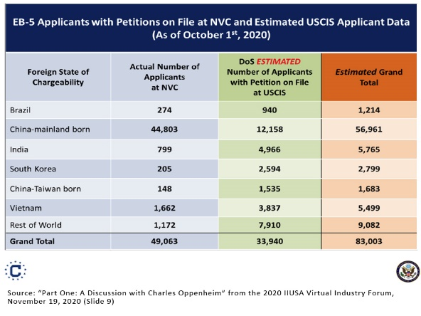
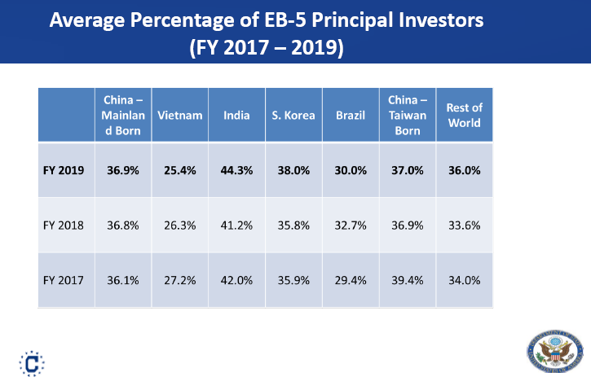
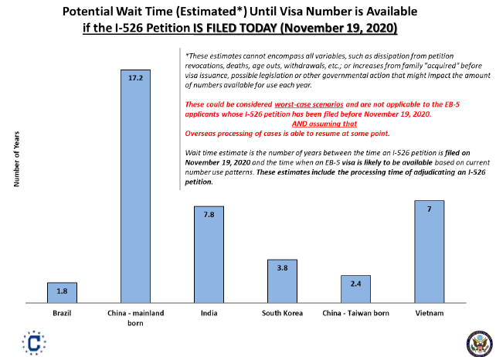
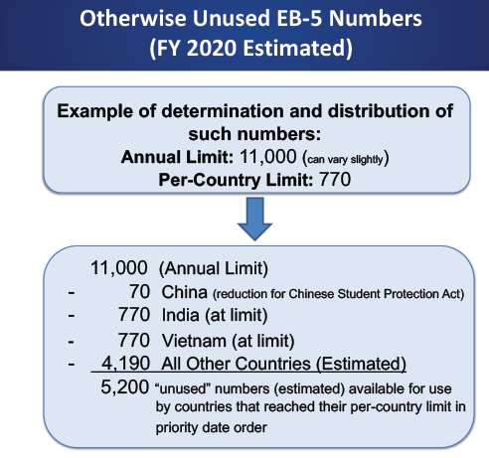
Country | Actual # applicants at NVC | DOS estimated # applicants with petition on file at USCIS | Estimated Total | Estimated years to visa availability for a petition filed 10/1/2020 |  | Implied average visas per year | % visas issued to principal applicants | Estimated principal applicants at NVC | Estimated principal applicants at USCIS | Estimated total principal applicants | Pending I-526
Brazil | 274 | 940 | 1,214 | 1.8 |  | 674 | 30.0% | 82 | 282 | 364 | 0
China Mainland | 44,803 | 12,158 | 56,961 | 17.2 |  | 3,312 | 36.9% | 16,532 | 4,486 | 21,019 | 0
India | 799 | 4,966 | 5,765 | 7.8 |  | 739 | 44.3% | 354 | 2,200 | 2,554 | 0
South Korea | 205 | 2,594 | 2,799 | 3.8 |  | 737 | 38.0% | 78 | 986 | 1,064 | 0
China Taiwan | 148 | 1,535 | 1,683 | 2.4 |  | 701 | 37.0% | 55 | 568 | 623 | 0
Vietnam | 1,662 | 3,837 | 5,499 | 7.9 |  | 696 | 25.4% | 422 | 975 | 1,397 | 0
Rest of World | 1,172 | 7,910 | 9,082 |  |  |  | 36.0% | 422 | 2,848 | 3,270 | 0
Grand Total | 49,063 | 33,940 | 83,003 |  |  |  |  | 17,945 | 12,344 | 30,289 | 15,063
ROW except China, India | 3,461 | 16,816 | 20,277 |  |  |  |  |  |  |  | 82%
 |  |  |  |  |  |  | 2.26
Source: Charles Oppenheim November 2020 Presentation for IIUSA
Note: Column B includes applicants associated with pending I-526, not I-485. DOS does not have visibility into pending EB-5 I-485 numbers, so does not include them in its backlog estimate
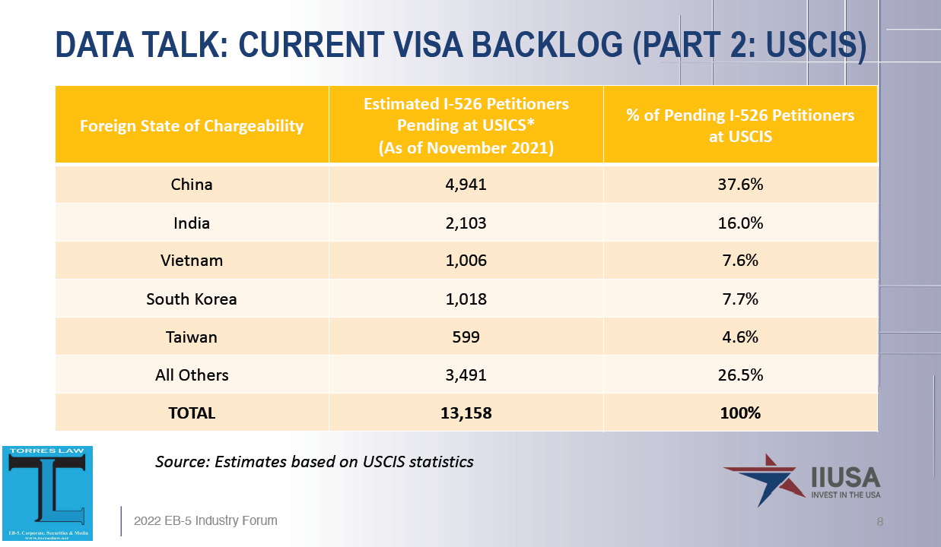
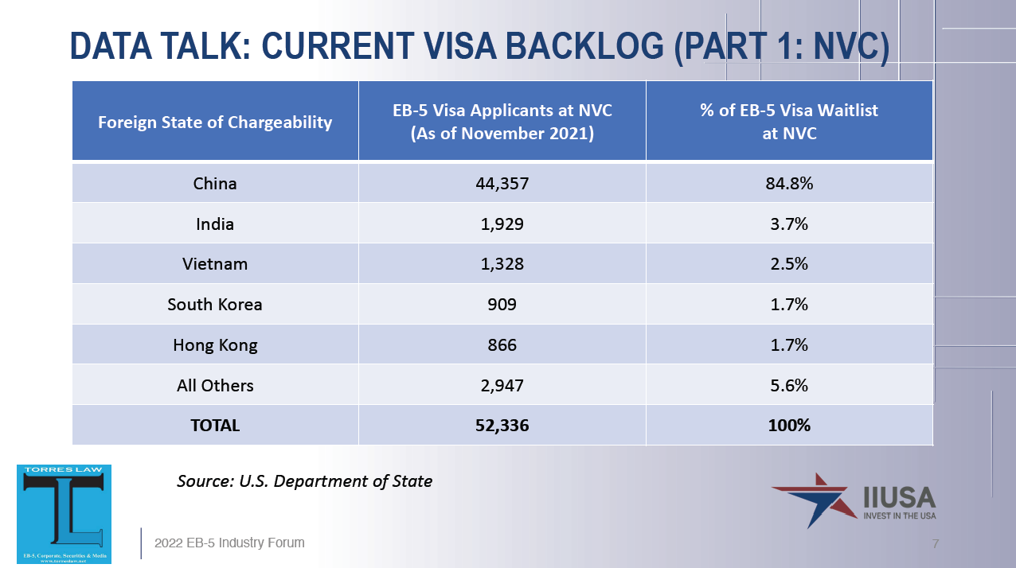
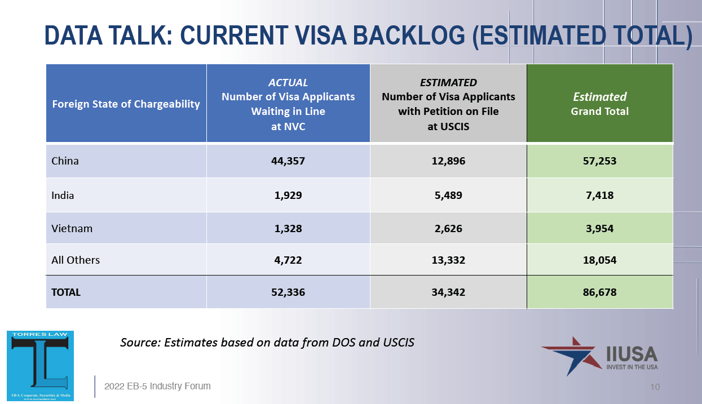
EB-5 Applicants with Petitions on file at NVC and Estimated USCIS Applicant Data as of 11/2021
 |  |  |  |  | Analysis of estimate inputs
 | A | B | C |  | D | =B/D
Country | Actual # applicants at NVC | Estimated # applicants with petition on file at USCIS | Estimated Total |  | ACTUAL I-526 pending as of November 2021 | IIUSA estimated visas per pending I-526
China Mainland | 44,357 | 12,896 | 57,253 |  | 4941 | 2.61
India | 1,929 | 5,489 | 7,418 |  | 2103 | 2.61
Vietnam | 1,328 | 2,626 | 3,954 |  | 1006 | 2.61
Rest of World | 4,722 | 13,332 | 18,054 |  | 5108 | 2.61
Grand Total | 52,336 | 34,343 | 86,679 |  | 13,158 | 2.61

Source: Charles Oppenheim April 2022 Presentation for IIUSA

