pro
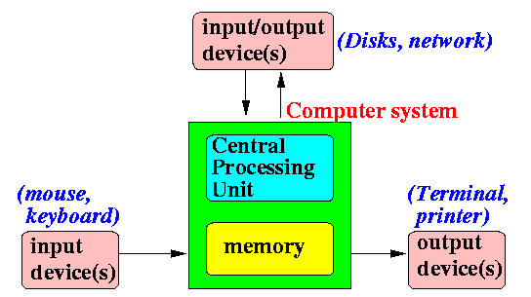
slide 1 |  |  |  |  |  |  |  |  |  |  | Cycle in main
 | User applications |  |  |  |  |  |  |  |  |  |  |  | Process 1 | Process N
 | Application program interfaces |  |  |  |  |  |  |  |  |  |  | 1: | fork()
 | Kernel |  |  |  |  |  |  |  |  |  |  |  | wait(&i) | close(0)
 | Hardware |  |  |  |  |  |  |  |  |  |  |  | sync() | close(1)
 |  |  |  |  |  |  |  |  |  |  |  |  | goto 1 | close(2)
 | single-core CPU |  |  |  |  |  |  |  |  |  |  |  |  | setsid()
 |  |  |  |  |  |  |  |  |  |  |  |  |  | open("/dev/tty1", O_RDWR, 0)
 |  |  |  |  |  |  |  |  |  |  |  |  |  | Dup(0)
 |  |  |  |  |  |  |  |  |  |  |  |  |  | Dup(0)
 |  |  |  |  |  |  |  |  |  |  |  |  |  | _exit(execve("/bin/sh", argv, envp))

 |  |  |  |  |  |  |  |  |  |  | fork() |  | find_empty_process()
slide 2 | unused |  | stack (func call paras, etc.) ↓ |  |  |  | task |  |  |  |  |  | copy_process() |  | get_free_page()
 | unused |  | unallocated space |  |  |  | status |  |  |  |  |  |  |  | copy_mem() | copy_page_tables()
 | unused |  | heap ↑ |  |  |  | PID (unique) |  |  |  |  |  |  |  |  | free_page_tables()
 | process |  | data |  |  |  | user |  |  |  |  |  |  |  | free_page()
 | process |  | code |  |  |  | priority
 | process |  |  |  |  |  | time |  |  |  | schedule() |  | wake up the process(es) that gets signal
 | process |  |  |  |  |  |  |  |  |  |  |  | find the process
 | process |  |  |  |  |  |  |  |  |  |  |  | switch_to()
 | ...
 | process |  |  |  |  |  |  |  |  |  | sys_pause() |  | set current process to TASK_INTERRUPTIBLE
 | process |  |  |  |  |  |  |  |  |  |  |  | schedule()
 | process |  |  |  |  |  |  |  |  |  |  |  | when this process gets a signal (killed),
 | process |  |  |  |  |  |  |  |  |  |  |  | or other signal, returns here after the signal handler finishes
 | process
 | process |  |  |  |  |  |  |  |  |  | do_signal() |  | insert the signal handler into the user code
 | process |  |  |  |  |  |  |  |  |  |  |  | or exit
 | process
 | process |  |  |  |  |  |  |  |  |  | _exit() |  | free_page_tables();release the memory of data and code
 |  |  |  |  |  |  |  |  |  |  |  |  | sys_close();close all the files
 |  | schedule() |  | switch_to() |  | sys_pause() |  |  |  |  |  |  | set current process to TASK_ZOMBIE
 |  | setsid() | wait(&i) | sync() | do_signal() |  |  |  |  |  |  |  | send SIGHUP & SIGCONT if process’ grp is not parent’s grp && same session && is orphaned grp && has stopped process
 |  | fork() | execve() | _exit() | ... |  |  |  |  |  |  |  | tell parent I die
 |  |  |  |  |  |  |  |  |  |  |  |  | deal the children
 |  |  |  |  |  |  |  |  |  |  |  |  | deal if leader
slide 3 |  |  |  |  |  |  |  |  |  |  |  |  | schedule()
 |  |  |  |  |  |  |  |  |  |  |  |  | never return
 |  |  |  |  |  |  | PID | PPID | PGRP | session ID
 | bash | session leader process |  |  | control process |  |  |  |  |  | waitpid()
 |  | 1 front end process group
 |  | N back end process group |  |  |  |  |  |  |  |  |  |  | verify_area()
 |  |  |  |  |  |  |  |  |  |  |  |  | release() |  | release the process slot
 |  |  |  |  |  |  |  |  |  |  |  |  |  |  | free_page() free the PCB page
slide 4 |  |  |  |  |  |  |  |  |  |  |  |  |  |  | schedule() and return
 | process 0 |  | process 1 |  | process N1 |  |  |  |  |  | sleep_on()
 |  |  | fork() |  | setsid() |  |  |  |  |  | wake_up()
 |  |  | wait(&i) |  | open("tty")
 |  |  | sync() |  | dup() |  |  |  |  |  | typical process structure
 |  |  |  |  | dup() |  |  |  |  |  |  |  |  |  | environment parametre
 |  |  |  |  | _exit(execve("bash")) |  |  |  |  |  |  |  |  |  | command line parametre
 |  |  |  |  |  |  |  |  |  |  |  |  |  |  | stack
slide 5 |  | sys call flow (eax=func number; ebx, ecx, edx are parametres)
 |  |  | ↓ |  |  |  |  |  |  |  |  |  |  |  | heap
 |  | ? function number valid ? |  |  |  | →no |  |  |  |  |  |  |  |  | data
 |  |  | yes↓ |  |  | ↓ |  |  |  |  |  |  |  |  | code
 |  | registers pushed |  |  |  | eax = -1
 |  |  | ↓ |  |  | ↓
 |  | call C handler |  |  |  | iret |  |  |  |  |  |  |  |  | task[] pointer array
 |  |  | ↓ |  |  |  |  |  |  |  |  |  |  |  | 63
 | ? process.status == running ? |  |  |  |  | →no |  |  |  |  |  |  |  |  | 62
 |  |  | ↓ |  |  | ↓ |  |  |  |  |  |  |  |  | 61
 |  | ? counter > 0 (time left) ? |  |  | no→ | ↓ |  |  |  |  |  |  |  |  | 60
 |  |  | ↓ |  |  | schedule() |  |  |  |  |  |  |  |  | 59
 |  |  | ↓ |  |  | ↓ |  |  |  |  |  |  |  |  | 58
 |  | ret_from_sys_call: |  | ← | ← |  |  |  |  |  |  |  |  |  | 57
 |  |  | ↓ |  |  |  |  |  |  |  |  |  |  |  | 56
 |  | ? Process 1 ? |  |  | yes→ | ↓ |  |  |  |  |  |  |  |  | ...
 |  |  | no↓ |  |  | ↓ |  |  |  |  |  |  |  |  | 8
 |  | ? Process 0 ? |  |  | yes→ | ↓ |  |  |  |  |  |  |  |  | 7
 |  |  | no↓ |  |  | ↓ |  |  |  |  |  |  |  |  | 6
 |  | ? user stack? |  |  | no→ | ↓ |  |  |  |  |  |  |  |  | 5
 |  |  | yes↓ |  |  | ↓ |  |  |  |  |  |  |  |  | 4
 |  |  | do_signal() |  |  | ↓ |  |  |  |  |  |  |  |  | 3
 |  |  | ↓ |  |  | ↓ |  |  |  |  |  |  |  |  | 2
 |  | pop registers |  |  | ← | ↓ |  |  |  |  |  |  |  |  | 1
 |  |  | ↓ |  |  |  |  |  |  |  |  |  |  |  | 0
 |  |  | iret

ini
We are going to draw some charts to depict the operating system. So we can gain a deeper understanding.
User application

Operating system

Hardware

bootsect
setup
system

flow chart of part 1: bootsect

Copies the whole boot sector (512 bytes) from address 0x7c00 to 0x90000

Jumps to 0x90000 and initializes the segments registers: ds, es, ss and stack pointer sp.

Copies the floppy parameter table from 0x78 to 0x9fef4. Patches the sector number to 18. Resets the floppy disk controller.

Loads the setup-sectors (4 sectors which is 2KiB) directly after the boot block (0x90200). Setup program is the next part just after the boot loader program. We are going to talk it very shortly.

Gets disk drive parameters, specifically number of sectors/track, and saves it.

Loads the system to 0x10000. System module here refers to the the main part of the operating system, which is also running in 32-bit protected mode. Both the boot loader and the setup program are running in 16-bit real mode.

Sets root device number and swap device number.

Finishes. Jumps to the 0x90200, which is the beginning of program setup.

main function of part 2: setup

Program setup.S reads in information from BIOS and put it in memory from 0x90000.

At last of the program it switched to 32-bit protected mode.

start of part 3: head

Loads IDT and GDT.

Sets all the segment registers.

Checks A20 line.

Checks math chip.

Setups the page tables and page directory.

Jumps to function main.

initiliation: the main()

enable the math emulator

some public variables setup:
root file device & swap device number
formats console terminal cols and rows
saves term into env
drive_info = loads hard drive info

memory:
memory_end = size of memory 16MiB
buffer_memory_end = 4MiB = main_memory_start

rd_init: ramdisk init, which can be ignored

a couple of initialation

mem_init: main memory init
paging pages = 3840 which is 15 MiB * 256 pages/MiB, 1MiB to 16MiB
buffer pages = 256 * 3 = 762 pages, 1MiB to 4MiB, set 100
main memory pages = 256 * 12 = 3048 pages, 4MiB to 16 MiB, set 0
mem_map array to mark: 0 available, 100 used

trap_init: 255 interruputs or exception in total, index of IDT
0 - 31 by Intel, exception: Abort, trap, fault eg. Page-fault. 1 for interrupt
32 - 47 for hardware interruput
gates 48-255 for operating system, soft interrupt

when exception happens say for
0 divide_error: CPU searches the IDT, locates and run the handler, prints error message, and do_exit
1 debug: do_int3, prints message and iret
2 nmi: same as 1
3 int3 same as 1
4-13,15,17 die as well
14: page_fault speicial
16: coprocessor_error
39: parallel_interrupt
45: irq13
two pins INTR and NMI on the processor chip
IF in EFLAGS can mask all the maskable hardware interrupts but not soft interrupts like INT 80
exception includes software exception and processor exception

block device init:
set -1 to all request.dev, and null to request.next
character device init: none

tty_init: see later for more details

time_init: set the startup_time in seconds

sched_init:
fills the descriptor of TSS and LDT into the GDT for task 0;
sets all other descriptors to 0 for task 1 - 63;
timer init;
sets the interrupt handler of timer;
sets the system call intterrupt.

buffer_init

hd_init

hd_init, floppy_init,

#define sti() __asm__("sti"::)

enter into task 0 user mode

task 1
task 0, scheduling

creates task 2 and wait for task 2 to finish

creates new task 3 and wait for task 3 to finish
new task 3 running

checking if task 3 finishes then create a new task

arc
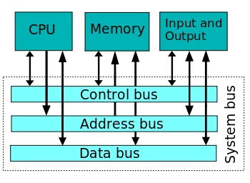

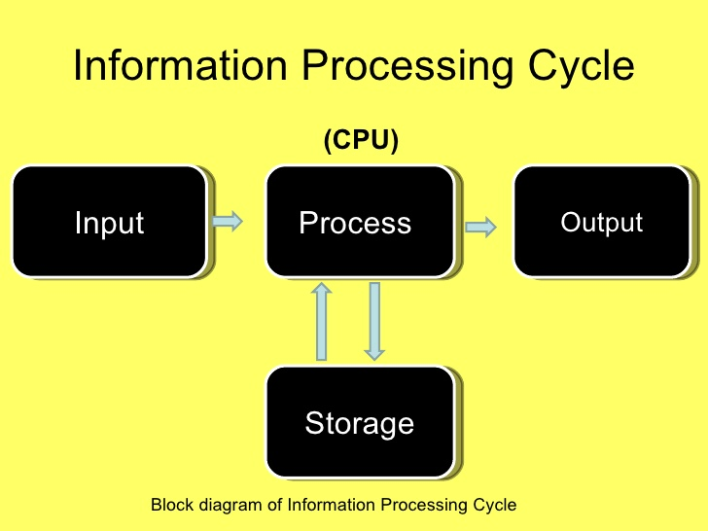

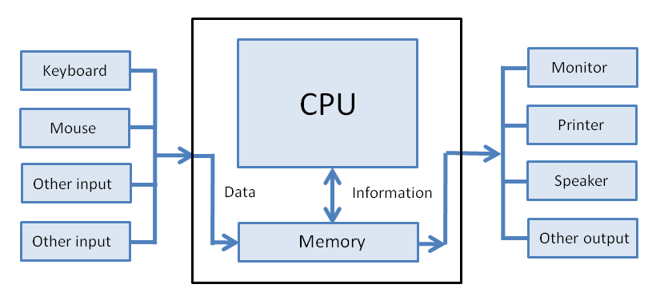

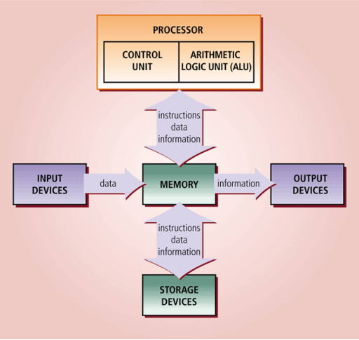

User applications
Services
Kernel
Hardware

 | LIST

