Sheet1
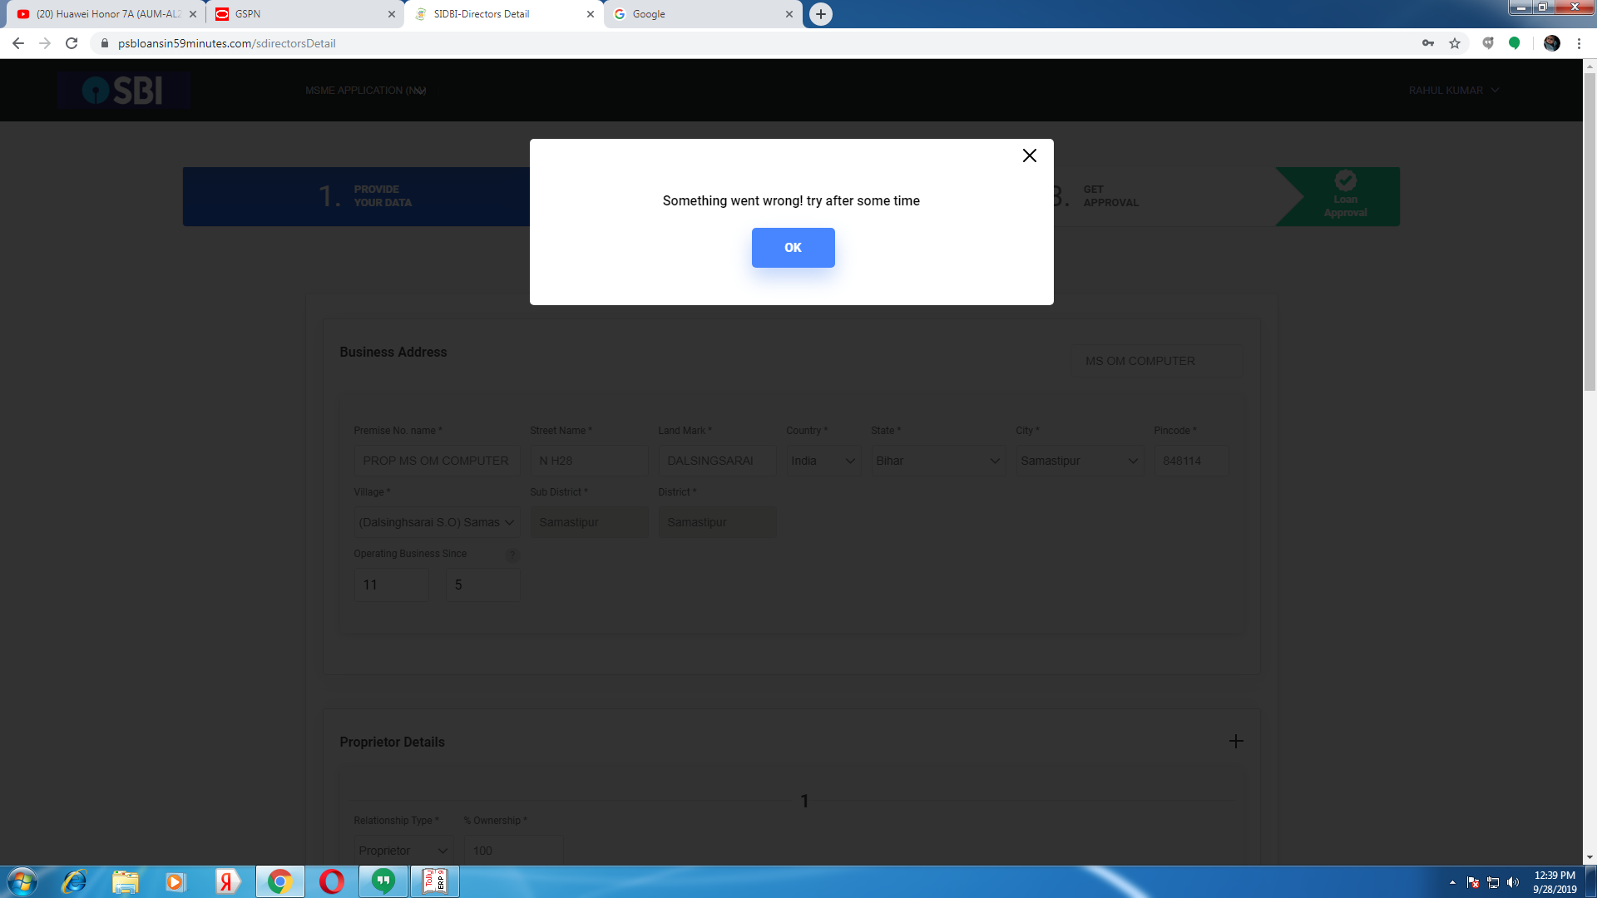
imei/sn | sku | sku_name | retailer_id | retailer | activate_time
862001049184257 | MZB6782IN | Redmi Y2 4GB RAM 64GB ROM Black | 225368 | OM COMPUTER | 9/26/19

