PROBLEM STATEMENT
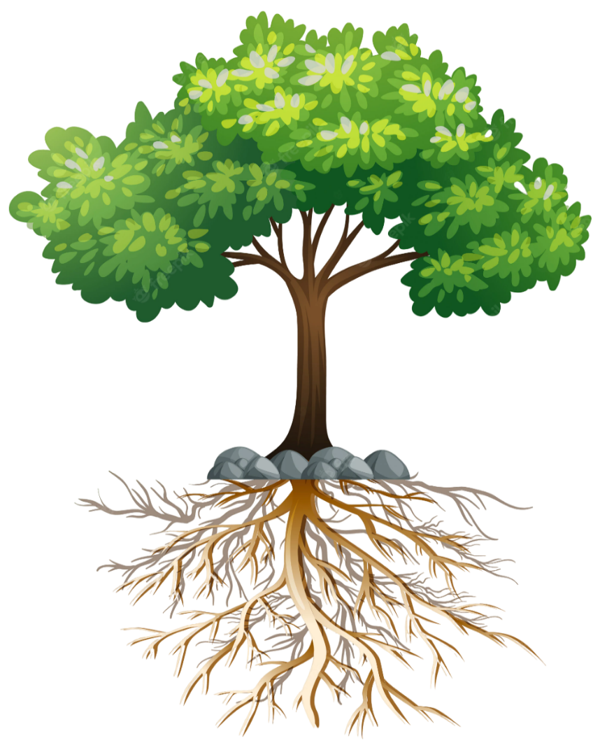
1
STEPS
 | SYMPTOMS | SYMPTOMS EXAMPLE
 |  | Extra costs due to additional work crews
 |  | Vessels waiting to berth
ss on
1
Identify the symptoms

2
Define the problem

3
Attach photographic evidence of the problem (if applicable)
2
 | PROBLEM STATEMENT | PROBLEM STATEMENT EXAMPLE
4
Continue with the cause-and-effect analysis
DEFINITIONS
 | Documentar | from June to August, during container loading operations, GMPH was at 12 boxes, while the established performance target is 15 box. This represent a gap of 3 movements per hour, resulting in , in shipping line complaints, extra costs due to additional work crews, and vessels waiting to berth.
Trend

Process

Current situation
Proceso
Situación actual
Situación deseada
Brecha
Tendencia
Sintomas
Desired situation

Gap
3
Symptoms | EVIDENCE


4

The root cause will be identified through Cause-and-Effect Analysis, the Multi-voting Matrix, and the 5 Whys technique (see the next tab).

CAUSE - EFFECT
PEOPLE
MACHINE
ENVIROMENT

falta capacitación | sistema inestable

STEPS
 |  | Documentar

ss on
Brainstorm possible causes according to their category
1

1
2
Select the causes that directly impact the problem and write them in the corresponding box

3
Continue with the Multi-Voting Matrix (next tab).

2
 |  | Selected causes

MATERIAL
METHOD
MEASUREMENT

MULTI-VOTING MATRIX
STEPS
1
1
Assign a rating to each cause based on the established criteria.
2
MULTI-VOTATING MATRIX
CAUSE |  | voting
 |  | Influence | Frequency | Control | Evidence | Total |  | Selected causes
Check the "5 Whys" box for the selected causes.
1 | 0 |  |  |  |  | 0 | FALSE
2
2 | 0 |  |  |  |  | 0 | FALSE
3
Continue with the 5 Whys Analysis (next tab).
3 | 0 |  |  |  |  | 0 | FALSE
4 | 0 |  |  |  |  | 0 | FALSE
Not all categories have the same level of influence on a decision; therefore, each category is assigned a different weight in the matrix.
Influence (0.4)
Frequency (0.3)
Control (0.2)
Evidence (0.1)
5 | 0 |  |  |  |  | 0 | FALSE
6 | 0 |  |  |  |  | 0 | FALSE
7 | 0 |  |  |  |  | 0 | FALSE
8 | 0 |  |  |  |  | 0 | FALSE
Final score interpretation <2.0 (Low priority)
2.0 - 2.4 (Requires validation)
>= 2.5 (Preceed with 5 whys analysis)
9 | 0 |  |  |  |  | 0 | FALSE
10 | 0 |  |  |  |  | 0 | FALSE
CRITERIA

Influence on the problem
Frequency
Control
Evidence

1: Even if the cause is eliminated, the problem would change very little
1 = More than 1 month
1 = We cannot control it (weather, politics, etc.).
1 = Assumptions / opinions

2: The cause contributes significantly to the problem, but it does not appear to be the primary cause.
2 = Between 1 and 4 weeks
2 = We can influence the change.
2 = Field observations

3 = Daily or at every occurrence
3 = We can change it directly.
3 = Data / records / measurements
3: If eliminated, the problem would be significantly reduced

5 WHYS
During the 5 Whys analysis, alternative paths may emerge from the same cause. Within this template, you can add those paths using the “+” button (cell grouping) available on the toolbar.

STEPS
Causa 1 |  |  |  | Causa 2 |  |  |  | Causa 3 |  |  |  | Causa 4 |  |  |  | Causa 5 |  |  |  | Causa 6 |  |  |  | Causa 7 |  |  |  | Causa 8 |  |  |  | Causa 9 |  |  |  | Causa 10
Perform the analysis for each cause resulting from the Multi-Voting Matrix. The final "Why" is considered the root cause.
1
1
3
1 | WHY? |  | CAN CAUSE | 1 | WHY? |  | CAN CAUSE | 1 | WHY? |  | CAN CAUSE | 1 | WHY? |  | CAN CAUSE | 1 | WHY? |  | CAN CAUSE | 1 | WHY? |  | CAN CAUSE | 1 | WHY? |  | CAN CAUSE | 1 | WHY? |  | CAN CAUSE | 1 | CAN CAUSE |  | CAN CAUSE | 1 | WHY? |  | CAN CAUSE

2
Copy and paste the final "Why" into the "ROOT CAUSE IDENTIFIED" box.
2 | WHY? |  | CAN CAUSE | 2 | WHY? |  | CAN CAUSE | 2 | WHY? |  | CAN CAUSE | 2 | WHY? |  | CAN CAUSE | 2 | WHY? |  | CAN CAUSE | 2 | WHY? |  | CAN CAUSE | 2 | WHY? |  | CAN CAUSE | 2 | WHY? |  | CAN CAUSE | 2 | WHY? |  | CAN CAUSE | 2 | WHY? |  | CAN CAUSE

Validate each "Why" by applying the "therefore" test to ensure the logic is sound and the causal relationship makes sense.
3 | WHY? |  | CAN CAUSE | 3 | WHY? |  | CAN CAUSE | 3 | WHY? |  | CAN CAUSE | 3 | WHY? |  | CAN CAUSE | 3 | WHY? |  | CAN CAUSE | 3 | WHY? |  | CAN CAUSE | 3 | WHY? |  | CAN CAUSE | 3 | WHY? |  | CAN CAUSE | 3 | WHY? |  | CAN CAUSE | 3 | WHY? |  | CAN CAUSE
3

4 | WHY? |  | CAN CAUSE | 4 | WHY? |  | CAN CAUSE | 4 | WHY? |  | CAN CAUSE | 4 | WHY? |  | CAN CAUSE | 4 | WHY? |  | CAN CAUSE | 4 | WHY? |  | CAN CAUSE | 4 | WHY? |  | CAN CAUSE | 4 | WHY? |  | CAN CAUSE | 4 | WHY? |  | CAN CAUSE | 4 | WHY? |  | CAN CAUSE

4
Continue with the Countermeasures for each root cause (next tab).
5 | WHY? |  | CAN CAUSE | 5 | WHY? |  | CAN CAUSE | 5 | WHY? |  | CAN CAUSE | 5 | WHY? |  | CAN CAUSE | 5 | WHY? |  | PUEDE CAUSAR | 5 | WHY? |  | CAN CAUSE | 5 | WHY? |  | CAN CAUSE | 5 | WHY? |  | CAN CAUSE | 5 | WHY? |  | CAN CAUSE | 5 | WHY? |  | CAN CAUSE

4
 |  | ROOT CAUSE IDENTIFIED |  |  |  | ROOT CAUSE IDENTIFIED |  |  |  | ROOT CAUSE IDENTIFIED |  |  |  | ROOT CAUSE IDENTIFIED |  |  |  | ROOT CAUSE IDENTIFIED |  |  |  | ROOT CAUSE IDENTIFIED |  |  |  | ROOT CAUSE IDENTIFIED |  |  |  | ROOT CAUSE IDENTIFIED |  |  |  | ROOT CAUSE IDENTIFIED |  |  |  | ROOT CAUSE IDENTIFIED

COUNTERMEASURES
CONTRAMEDIDAS DE MITIGACION

Se pueden agregar las contramedidas que se consideren necesarias para atacar cada una de las causas raices identificadas en el analisis de los 5 porques, pueden existir multiples contramedidas para 1 sola causa. Es importante definir las contramedidas de mitigación para contener el problema mientras se implementan las acciones que eliminaran la causa raíz.
1
2
# | CAUSA RAIZ | ACCIÓN | RESPONSABLE | FECHA
1
2
3
PASOS
4
1
Copiar las causas raíz identificadas en el analisis de los 5 porques y pegarlas en la tabla de contramedidas de mitigación y de eliminación de causa raíz
5
6
Asignarle contramedidas de mitigación a cada una de las causas (en caso de aplicar). Esto debe incluir responsable y una fecha definida
7
2
8
Asignarle contramedidas de eliminación a cada una de las causas. Esto debe de incluir responsable y una fecha definida
9
3
10

CONTRAMEDIDAS DE ELIMINACIÓN DE CAUSA RAÍZ
# | CAUSA RAIZ | ACCIÓN | RESPONSABLE | FECHA
1
3
1
2
3
4
5
6
7
8
9
10

