ai_expo_indx
Sum of AI_Exposure_Index | Ai Exposure Index
Row Labels | Bachelor's | High School | Master's | PhD | Grand Total
Chef | 0.78 |  | 0.31 | 0.69 | 1.78
Construction Worker | 0.2 | 0.38 | 0.91 | 1.06 | 2.55
Customer Support | 1.39 | 0.71 | 0.18 |  | 2.28
Data Scientist | 1.29 | 1.65 | 1.76 | 0.77 | 5.47
Financial Analyst | 1.32 | 1.39 |  |  | 2.71
HR Specialist | 0.15 | 0.5 | 0.52 |  | 1.17
 | Bachelor's | High School | Master's | PhD
Chef | 0.78 |  | 0.31 | 0.69
Construction Worker | 0.2 | 0.38 | 0.91 | 1.06
Customer Support | 1.39 | 0.71 | 0.18
Data Scientist | 1.29 | 1.65 | 1.76 | 0.77
Financial Analyst | 1.32 | 1.39
HR Specialist | 0.15 | 0.5 | 0.52
Lawyer | 0.68 | 1.35 | 0.19 | 0.77
Marketing Manager | 0.4 | 0.86 | 0.24
Mechanic | 0.11 | 0.74 | 0.56
Retail Worker | 0.42 | 0.76 | 1.31 | 1.59
Security Guard | 1.87 | 0.56 | 1.71
Software Engineer |  | 1.79 | 1.12 | 0.97
Truck Driver | 0.97 | 0.92 | 0.69
UX Researcher | 0.44 | 0.04 | 0.85
Lawyer | 0.68 | 1.35 | 0.19 | 0.77 | 2.99
Marketing Manager | 0.4 | 0.86 | 0.24 |  | 1.5
Mechanic | 0.11 | 0.74 | 0.56 |  | 1.41
Retail Worker | 0.42 | 0.76 | 1.31 | 1.59 | 4.08
Security Guard | 1.87 | 0.56 | 1.71 |  | 4.14
Software Engineer |  | 1.79 | 1.12 | 0.97 | 3.88
Truck Driver | 0.97 | 0.92 | 0.69 |  | 2.58
UX Researcher | 0.44 | 0.04 | 0.85 |  | 1.33
Grand Total | 10.02 | 11.65 | 10.35 | 5.85 | 37.87

dashboard
AI IMPACT ON JOBS 2030

 | Sum of Average_Salary | Average of Years_Experience
AI Engineer | $3,193,496 | 12
Chef | $3,070,032 | 16
Construction Worker | $3,939,220 | 15
Customer Support | $2,875,728 | 12
Data Scientist | $2,703,497 | 16
Doctor | $2,575,254 | 12
Financial Analyst | $2,489,693 | 16
Graphic Designer | $3,811,062 | 17
HR Specialist | $2,407,670 | 16
Lawyer | $2,914,294 | 17
Marketing Manager | $3,060,914 | 12
Mechanic | $3,333,099 | 16
Nurse | $3,436,874 | 13
Research Scientist | $4,048,892 | 15
Retail Worker | $4,335,365 | 16
Security Guard | $3,043,384 | 15
Software Engineer | $4,505,769 | 16
Teacher | $3,679,560 | 14
Truck Driver | $3,274,861 | 16
UX Researcher | $4,420,481 | 16
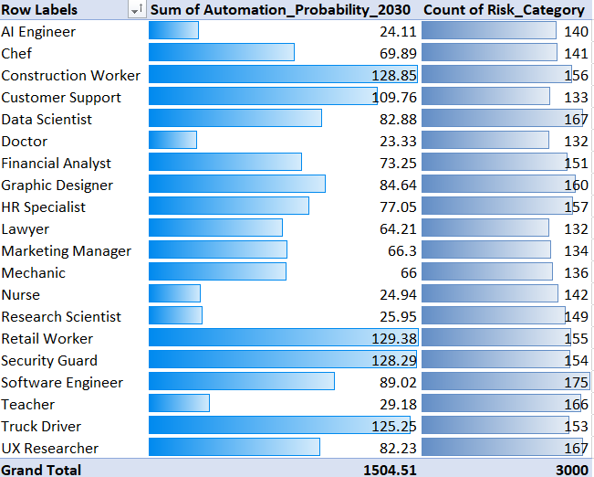

highest risk count = software engineering (175)

Highest automation probability = workers (128)

 | Sum of Automation_Probability_2030 | Count of Risk_Category
AI Engineer | 24.11 | 140
Chef | 69.89 | 141
Construction Worker | 128.85 | 156
Customer Support | 109.76 | 133
Data Scientist | 82.88 | 167
Doctor | 23.33 | 132
Financial Analyst | 73.25 | 151
Graphic Designer | 84.64 | 160
HR Specialist | 77.05 | 157
Lawyer | 64.21 | 132
Marketing Manager | 66.3 | 134
Mechanic | 66 | 136
Nurse | 24.94 | 142
Research Scientist | 25.95 | 149
Retail Worker | 129.38 | 155
Security Guard | 128.29 | 154
Software Engineer | 89.02 | 175
Teacher | 29.18 | 166
Truck Driver | 125.25 | 153
UX Researcher | 82.23 | 167
 | Sum of Tech_Growth_Factor | Count of Risk_Category
AI Engineer | 91.93 | 94
Chef | 100.04 | 92
Construction Worker | 106.34 | 105
Customer Support | 96.06 | 96
Data Scientist | 107.23 | 114
Doctor | 86.32 | 90
Financial Analyst | 103.52 | 104
Graphic Designer | 113.54 | 111
HR Specialist | 103.99 | 105
Lawyer | 88.7 | 86
Marketing Manager | 107.58 | 106
Mechanic | 87.46 | 90
Nurse | 104.99 | 106
Research Scientist | 100 | 103
Retail Worker | 104.08 | 101
Security Guard | 112.47 | 113
Software Engineer | 125.28 | 126
Teacher | 105.99 | 106
Truck Driver | 105.81 | 102
UX Researcher | 109.68 | 108

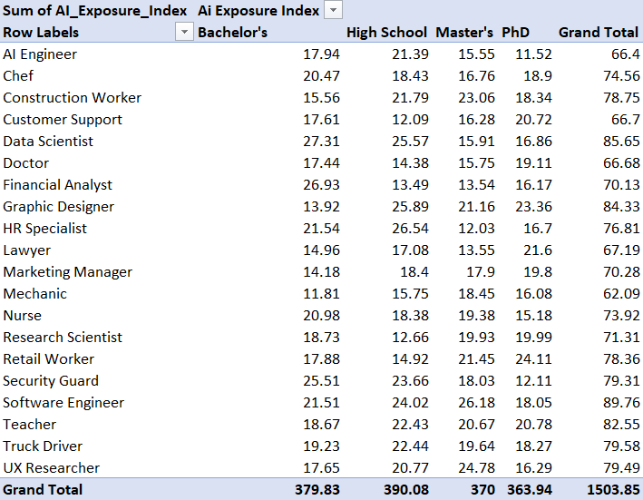
 | Bachelor's | High School | Master's | PhD
Chef | 0.78 |  | 0.31 | 0.69
Construction Worker | 0.2 | 0.38 | 0.91 | 1.06
Customer Support | 1.39 | 0.71 | 0.18
Data Scientist | 1.29 | 1.65 | 1.76 | 0.77
Financial Analyst | 1.32 | 1.39
HR Specialist | 0.15 | 0.5 | 0.52
Lawyer | 0.68 | 1.35 | 0.19 | 0.77
Marketing Manager | 0.4 | 0.86 | 0.24
Mechanic | 0.11 | 0.74 | 0.56
Retail Worker | 0.42 | 0.76 | 1.31 | 1.59
Security Guard | 1.87 | 0.56 | 1.71
Software Engineer |  | 1.79 | 1.12 | 0.97
Truck Driver | 0.97 | 0.92 | 0.69
UX Researcher | 0.44 | 0.04 | 0.85

