Contents
eGRID Summary Tables 2021

Introduction
 |  | This document provides eGRID2021 data summary tables. The tables include subregion and state-level emission rates and resource mix as well as grid gross loss values. Please note that the tables presented here only show a subset of the eGRID2021 data. The entire dataset is in the eGRID2021 Excel file available on the eGRID website.

Table of Contents
Table | Description
1 | Subregion Output Emission Rates
2 | Subregion Resource Mix
3 | State Output Emission Rates
4 | State Resource Mix

Map of eGRID Subregions

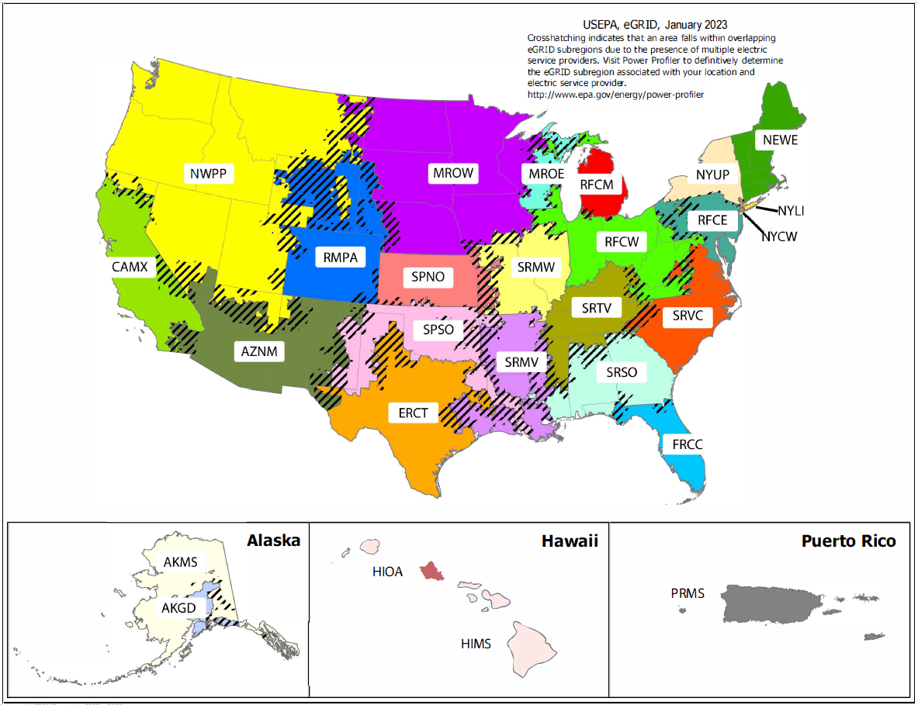

Feedback
Customer Satisfaction Survey
Contact EPA
 |  |  | Created: | 2023-10-05

