Sheet1
SL.No. | Date | Name | Queries | Solutions | Name
1 | 2020-02-26 | Team | How to dispaly a popup list on onclick event using javascript? | 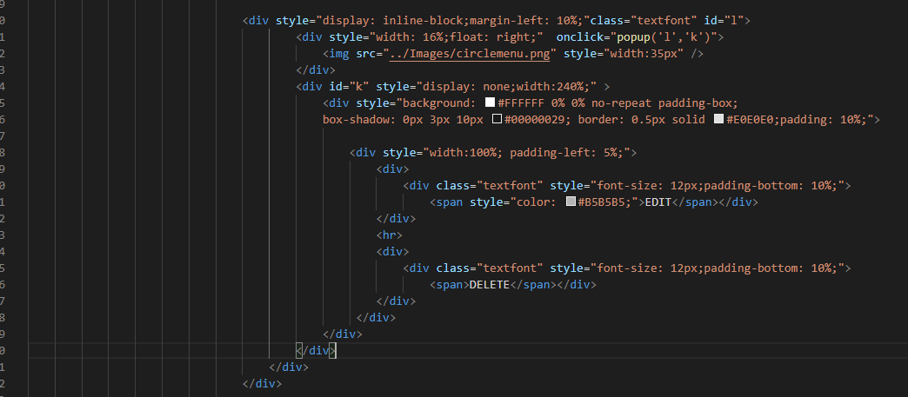 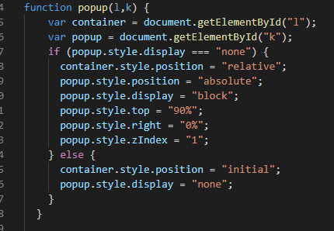 | Suraj
2 | 2020-02-27 | Team | How to execute two functions on onclick event for same button using javascript? | 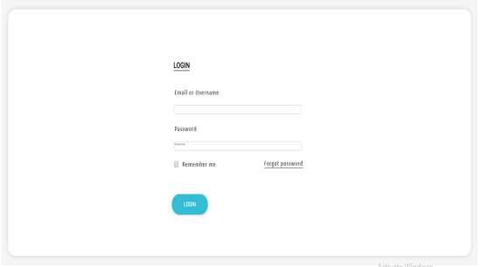 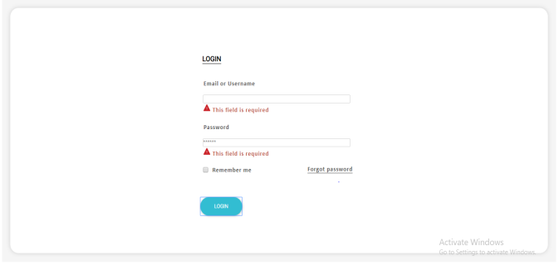 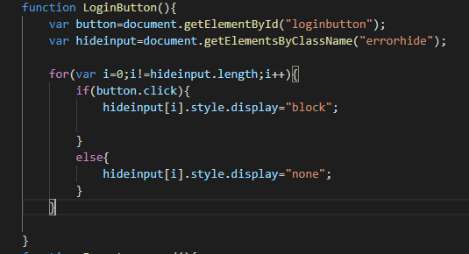 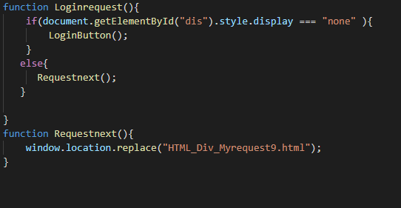 | Megha
3 | 2020-02-28 | Team | How to display one screen on another with the first screen on the background using javascript? | 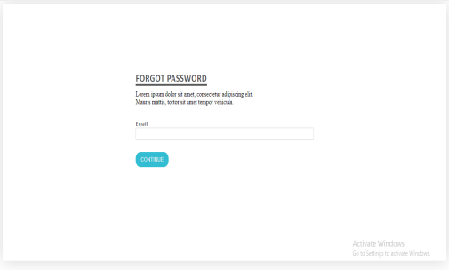 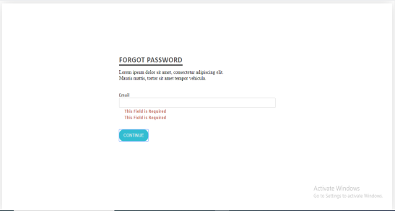 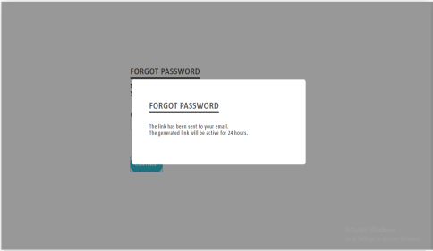 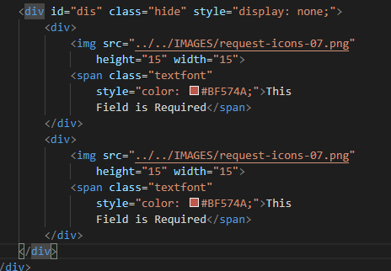 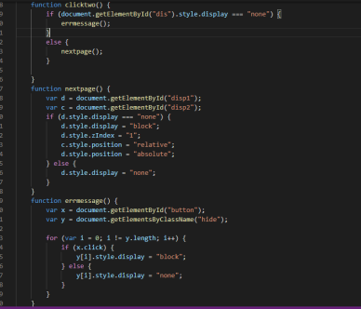 | Priyanka
4 | 2019-11-20 | Priyanka | How to create multiple tables in single page? | <table><tr>#row<td><p>Table1</p><table><tr>#row<td><p>Table2</p></td></tr></table></td></tr></table> | Priyanka
5 | 2019-11-20 | Priyanka | How to apply border radius to button? |  | Priyanka
6 | 2019-12-15 | Veena | How to draw the circle and dotted line? | 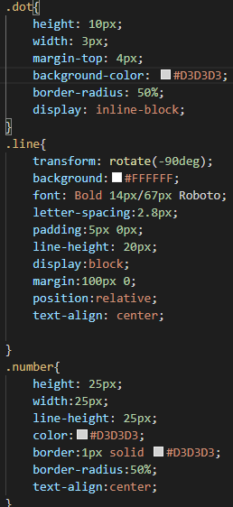  | Veena
7 | 2019-12-15 | Veena | How to draw image with line? | <image href="../icon/cw-customer-journey-images/customer-journey-01.png"width="40px" height="40px" x="150" y="0" height="400px" width="350px"/><line x1="151" y1="15" x2="20" y2="75" stroke=" black"></line> <image href="../icon/cw-customer-journey-images/customer-journey-01.png"width="40px" height="40px" x="150" y="0" height="400px" width="350px"/><line x1="150" y1="25" x2="110" y2="110" stroke="black"/> <line x1="35" y1="75" x2="300" y2="75" stroke="black" stroke-dasharray="4"/> <line x1="35" y1="75" x2="35" y2="270" stroke="black" stroke-dasharray="4"/> | Veena

8 | 2020-02-28 | Vidya
9 | 2020-02-28 | Vidya | Is it compulsory to use positions? | In login screen position, margin:auto, margin-top can be used to place the div at the center. | Vidya

10 | 2020-02-28 | Vidya | How to generate URL for a movie database? | Refer the link https://www.themoviedb.org/settings/api | Megha
11 | 2020-02-28 | Vidya | Is it compulsory to use positions for the login screen to position the div at the center of the browser? | In login screen position, margin:auto, margin-top can be used to place the div at the center. | Vidya
12 | 2020-02-28 | Vidya | Is is necessary to use height when applying popup in Javascript? | No it is not necessary. | Megha
13 | 2020-02-28 | Vidya | In the request view screen is it necessary to use height to the left options bar or padding can be used for spacing? | No it is not necessary. | Suraj
14 | 2020-02-28 | Vidya | 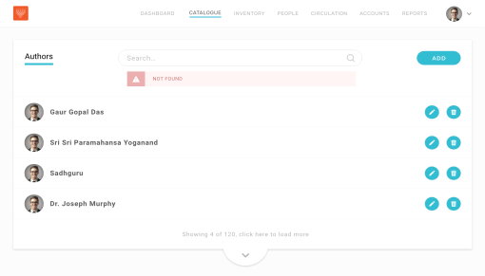 How to create dropdown button at the bottom of the below mentioned screen with div using fluid grid? | Use border-bottom-right-radius and border-bottom-left-radius to the div containing the button. | Suraj
15 | 2020-02-28 | Vidya | In request view screen position of the request, submit and status container? | Take the position relative for the outside div and absolute for the div that contain the content(request,submit and status) and give zIndex=1. | Megha

