Sheet1
Average Credit Score
Average Credit Score
Row Labels | Average of CreditScore
France | 593
Germany | 580
Spain | 601
Grand Total | 591.416

Avg. Account Balance by Gender Across Countries
Average Account Balance by Gender Across Countries
Average of Balance | Column Labels
Row Labels | Female | Male | Grand Total
France | 129577 | 133205 | 131168
Germany | 140888 | 128591 | 134152
Spain | 120986 | 119667 | 120365
Grand Total | 129659.71422 | 127033.99474 | 128388.86599

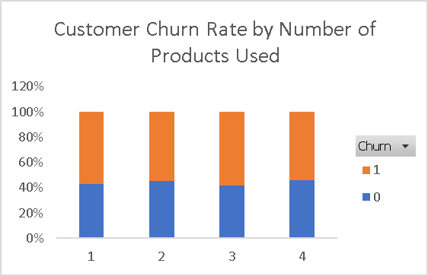

Customer Churn Rate by Number of Products Used
Sum of CustomerID | Column Labels
Row Labels | 0 | 1 | Grand Total
1 | 43% | 57% | 100%
2 | 45% | 55% | 100%
3 | 42% | 58% | 100%
4 | 46% | 54% | 100%
Grand Total | 44.06% | 55.94% | 100.00%

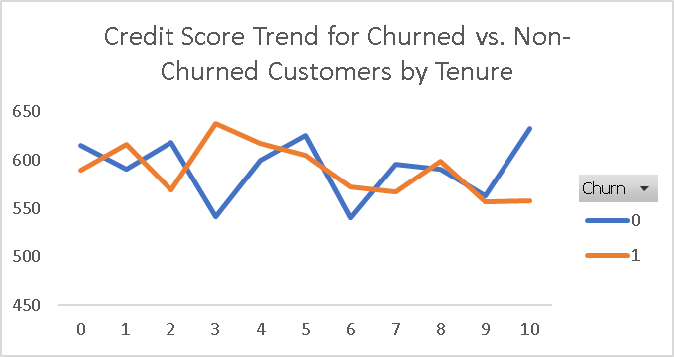
Credit Score Trend for Churned vs. Non-Churned Customers by Tenure
Average of CreditScore | Column Labels
Row Labels | 0 | 1 | Grand Total
0 | 615 | 589 | 605
1 | 591 | 617 | 605
2 | 619 | 569 | 592
3 | 542 | 638 | 599
4 | 600 | 618 | 608
5 | 625 | 605 | 614
6 | 540 | 573 | 559
7 | 596 | 567 | 579
8 | 591 | 599 | 596
9 | 563 | 557 | 559
10 | 633 | 558 | 597
Grand Total | 595.81140351 | 587.73161765 | 591.416

Active vs. Non-Active Members by Credit Card Ownership
Active vs. Non-Active Members by Credit Card Ownership
Count of CustomerID | Column Labels
Row Labels | 0 | 1 | Grand Total
0 | 140 | 113 | 253
1 | 123 | 124 | 247
Grand Total | 263 | 237 | 500

Churn Distribution of Customers
Churn Distribution of Customers
Row Labels | Count of CustomerID
0 | 228
1 | 272
Grand Total | 500

Dashboard
Bank Customer Churn Analysis Dashboard

Average Credit Score
 | Total
France | 593
Germany | 580
Spain | 601
Active vs. Non-Active Members by Credit Card Ownership
 | 0 | 1
0 | 140 | 113
1 | 123 | 124
Avg. Account Balance by Gender Across Countries
 | Female | Male
France | 129577 | 133205
Germany | 140888 | 128591
Spain | 120986 | 119667

Customer Churn Rate by Number of Products Used
 | 0 | 1
1 | 43% | 57%
2 | 45% | 55%
3 | 42% | 58%
4 | 46% | 54%

Credit Score Trend for Churned vs. Non-Churned Customers by Tenure
 | 0 | 1
0 | 615 | 589
1 | 591 | 617
2 | 619 | 569
3 | 542 | 638
4 | 600 | 618
5 | 625 | 605
6 | 540 | 573
7 | 596 | 567
8 | 591 | 599
9 | 563 | 557
10 | 633 | 558
Churn Distribution of Customers
 | Total
0 | 228
1 | 272

