INSTRUCTIONS
Step 1: Enable the Developer menu | Step5: Generate Queries through macros | Step 6: Change the logic as per your need
1.Right click any where on the ribbon, and then click Customize the Ribbon. | 1.Select Developer Menu | 1.From the Macro dialog, as shown in image, select Edit
2.Under Customize the Ribbon, on the right side of the dialog box, select Main tabs (if necessary). | 2.Select Macros | 2.Shows up the source code, change it according to your needs
3.Checkthe Developer checkbox.
4.Click OK.
5.You can find the Developer tab next to the View tab.
 | 3.Select GENERATE_SQL_STATEMENT and select Run
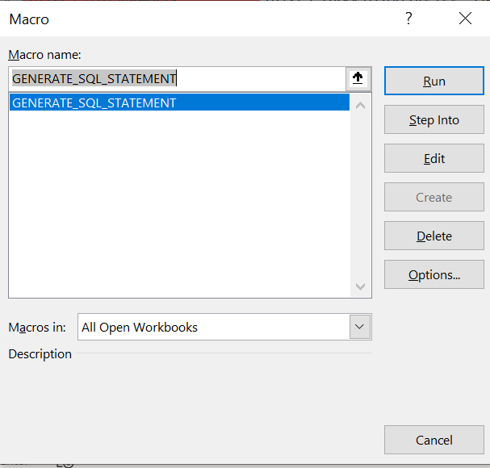
Step 2: Steps to generate Insert Statements
1.Worsheet where you want to generate queries should always have Table name. Forex:-you need to generate Product table insert statement in Sheet1 worksheet, rename to Product
2.First row should always have Column Names of the table
3.If the column is of nvarchar, varchar or char types, use the purple as background color code as shown for this cell
4.If the columns are not of any char or string formats, remain it default color
5.For all data for inserts, make the background color as Green shown in this cell
6.Insert statements would appear in the first unused column. Forex:- You have data until column X, then query would generate in column Y

Step 3: Steps to generate Update Statements
1. Worsheet where you want to generate queries should always have Table name. For ex:-you need to generate Product table insert statement in Sheet1 worksheet, rename to Product
2. First row should always have Column Names of the table
3.If the column is of nvarchar, varchar or char types, use the purple as background color code as shown for this cell
4.If the columns are not of any char or string formats, remain it default color
5.For all data which needs to be updated, use Yellow as background color as shown for this cell
6.For all data which needs to be in where clause of update statement, use Blue as background color as shown for this cell
7.Update statements would appear in the first unused column. Forex:- you have data until column X, then query would generate in column Y

Step 4:Steps to generate Delete Statements
1. Worsheet where you want to generate queries should always have Table name. For ex:-you need to generate Product table insert statement in Sheet1 worksheet, rename to Product
2. First row should always have Column Names of the table
3.If the column is of nvarchar, varchar or char types, use the purple as background color code as shown for this cell
4.If the columns are not of any char or string formats, remain it default color
6.For all data which needs to be in where clause of delete statement, use Red as background color as shown for this cell
7.Delete statements would appear in the first unused column. Forex:- you have data until column X, then query would generate in column Y

