Criteria
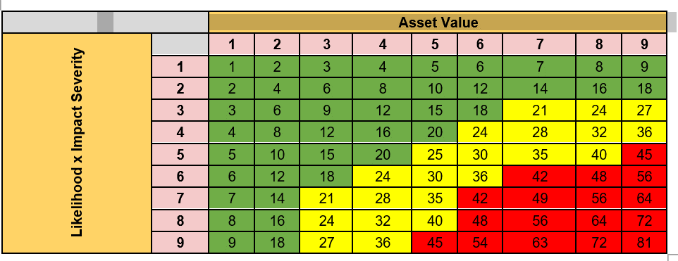
Risk Assessment Matrix

Likelihood / Probability |  |  | Risk Treatment
Ranking | Description | Weight | Risk Modification | The level of risk should be managed by introducing, removing or altering controls so that the residual risk can be reassessed as being acceptable.
 |  |  | Risk Retention | The decision on retaining the risk without further action should be taken depending on the risk evaluation criteria.
Rare | • Privileged access would be required to exploit the vulnerability • Expert level knowledge would be required of systems processes • Adequate level of controls is present to prevent the threat from exploiting the vulnerability | 1 | Risk Avoidance | The activity or condition that gives rise to a risk that outweighs the benefit being realized, should be avoided.
Possible | Possible • Internal (End) user access would be required to exploit the vulnerability • Intermediate level of knowledge would be required of systems / processes • Certain weakness in controls might be present which may be circumvented, resulting in threat exploiting the vulnerability | 2 | Risk Transfer | The risk should be shared with another party that can most effectively manage the particular risk depending on risk evaluation.
Likely | • No specific access would be required to exploit the vulnerability • Information of exploitation is widely known and does not require know-how of systems / processes • Major control weakness exists, which does not prevent threats from exploiting the vulnerability | 3

Consequences/Impact |  |  | Risk Acceptance Criteria
Ranking | Description | Weight | Range | Acceptance | Risk Level
Low | The loss of confidentiality, integrity, or availability might cause the following: • Degradation in mission capability to an extent and duration that the ABL is able to perform its primary functions, but the effectiveness of the functions is noticeably reduced; • Minor damage to bank assets; • Minor financial loss; • Minor harm to individuals. | 1 | 1-20 | Can be accepted based on the management’s decisions | Low
Medium | The loss of confidentiality, integrity, or availability might cause the following: • Significant degradation in mission capability to an extent and duration that the ABL is able to perform its primary functions, but the effectiveness of the functions is significantly reduced; • Significant damage to bank assets; • Significant financial loss; • Significant harm to individuals that does not involve loss of life or serious life-threatening injuries. | 2 | 21-40 | Shall be mitigated to an acceptable level by implementing preventive or detective controls | Medium
High | The loss of confidentiality, integrity, or availability might cause the following: • Severe degradation in or loss of mission capability to an extent and duration that the bank is not able to perform one or more of its primary functions; • Result in major damage to bank assets • Result in major financial loss; • Result in severe or catastrophic harm to individuals involving loss of life or serious life-threatening injuries. | 3 | 42-81 | Will not be tolerated and should be addressed by applying mitigating controls to reduce the risk to Low | High
Overall risk based on the asset value, impact and likelihood ratings

